Chart IX.2
Chart IX.2: Deployment of Gross Bank Credit to Infrastructure (Outstanding as on 31 October 2025)

Industry | Deployment of Gross Bank Credit to Infrastructure (Outstanding as on 31 October 2025) (in ₹ lakh crore)
Others | 2.00
Telecom | 1.10
Roads | 3.38
Power | 7.44
Total | 13.91

Source: RBI, Sectoral Deployment of Bank Credit (October 2025).

Chart IX.3
Chart IX.3: Funds mobilised by REITs and InvITs

Year | Total funds mobilised by REITs & InvITs (₹ '000 crore)
FY23 | 6.36
FY24 | 39.02
FY25 | 31.44
FY26 (upto Nov) | 13.89

Source: SEBI statistics on fund raising by REITs and InvITs available at https://tinyurl.com/57u2rjtb. Note: Total funds mobilised by REITs & InvITs includes funds raised through public issue, private placement, preferential issue, institutional placement, rights issue.

Chart IX.4
Chart IX.4: Increase in project approvals by PPPAC

Financial Year | Total Project Cost (in ₹ crore)
FY23 | 8,890
FY24 | 49,067
FY25 | 69,583
FY26 (upto Nov) | 104,686

Financial Year | Number of Projects
FY23 | 6
FY24 | 9
FY25 | 15
FY26 (upto Nov) | 28

Source: PPP Database, Department of Economic Affairs, pppinindia.gov.in.

Chart IX.5
Chart IX.5: Total National Highway (NH) Network (60 per cent increase)

Parameter | FY14 | FY26 (upto December)
Total NH Network (km) | 91,287 | 146,572

Source: Ministry of Roads, Transport & Highways.

Chart IX.6
Chart IX.6: Operational High-Speed Corridors (HSCs) (~10 times increase)

Parameter | FY14 | FY26 (upto December)*
High-Speed Corridors (km) | 550 | 5,364
*5,364 km includes National HSCs of 3,052 km & State HSCs of 2,312 km
Source: Ministry of Roads, Transport & Highways.

Chart IX.7
Chart IX.7: Average Annual Construction (2.3 times acceleration)

Parameter | 2004-14 | 2014-25
Avg. Annual Construction (km) | 4,174 | 9,704

Source: Ministry of Roads, Transport & Highways.

Chart IX.8
Chart IX.8: Capital Expenditure on Roads & Highways (5.8 times increase)

 | FY15 | FY26 (BE)
Capital Expenditure (₹Lakh Crore) | 0.53 | 3.06

Source: Ministry of Roads, Transport & Highways.

Chart IX.9
Chart IX.9: Average Commissioning of railway network per year

Year | Average commissioning of railway network (Km per year)
2004-14 | 1499
2014-24 | 3118

Source: Ministry of Railways.

Chart IX.10
Chart IX.10: Capital Expenditure on Railways (in ₹ Lakh crore)

Period | Capital Expenditure on Railways (in ₹Lakh crore)
Average during 2014-19 | 0.99
FY26 (BE) | 2.65

Source: Ministry of Railways.

Chart IX.11
Chart IX.11: Air cargo handling (International and Domestic)

Year | Air cargo handling (International and Domestic) (in MMT)
FY23 | 3.15
FY24 | 3.37
FY25 | 3.72

Source: Ministry of Civil Aviation

Chart IX.12
Chart IX.12: Passenger traffic at all airports

Year | Passenger Traffic (in million)
FY25 (Apr-Dec) | 303.63
FY26 (Apr-Dec) | 310.36

Source: Ministry of Civil Aviation.

Chart IX.13
Chart IX.13: Port Infrastructure Expansion and Record Cargo Performance

 | in MMT
Year | Total cargo handled at major and non-major ports | Total ports capacity
FY15 | 1052 | 1561
FY25 (Provisional) | 1602 | 2771

Source: Ministry of Ports, Shipping and Waterways.

Chart IX.14
Chart IX.14: Reduction in average container vessel turnaround time
 | in hours
 | FY15 | FY25
Average container vessel turnaround time | 43.44 | 30.08

Source: Ministry of Ports, Shipping and Waterways.

Chart IX.15
Chart IX.15: Capacity addition in the power sector

 | FY 25 (Apr- Nov) | FY 26 (Apr- Nov)
Transmission line addition (Ckms) | 5,117.0 | 3,641.0
Transformation capacity addition (in MVA) | 38,805.0 | 60,260.0
Generating Capacity Addition (MW) | 15,007.9 | 40,938.6

Source: Executive Summary Report (November 2025), Central Electricity Authority.

Chart IX.16
Chart IX.16: Improvement in Daily Average Power Supply

Daily average power supply (in hours)
Year | Rural | Urban
FY14 | 12.5 | 22.1
FY25 | 22.6 | 23.4

Source: Ministry of Power.

Chart IX.17
Chart IX.17: India Energy stack (IES) impact on Stakeholders

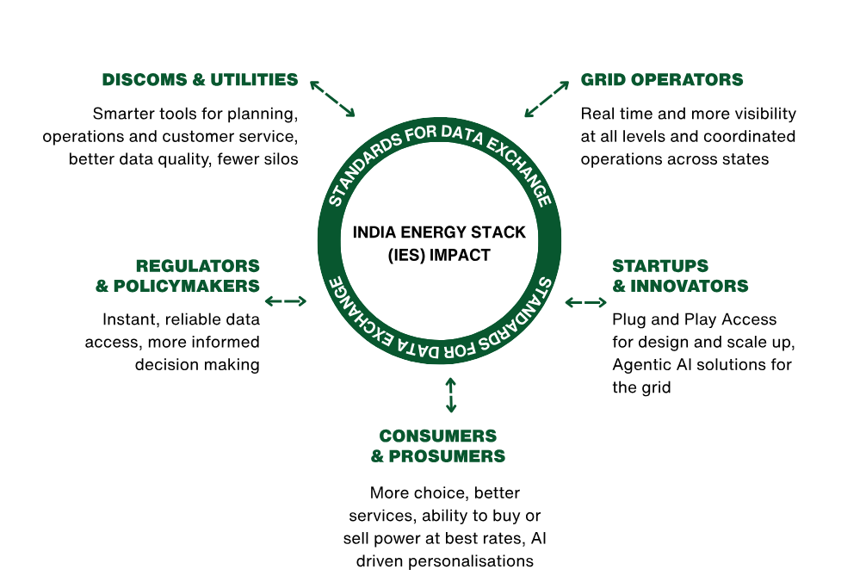

Source: REC Limited.

Chart IX.18
Total installed RE capacity : 253.96 GW (Nov'25)
Chart IX.18: Total installed RE capacity: 253.96 GW (Nov'25)
Total installed RE capacity : 253.96 GW (Nov'25)
Share of different sources of RE in per cent
Solar Energy | 52% | 132.85
Wind Energy | 21% | 53.99
Bio Energy | 5% | 11.61
Large Hydro Power | 20% | 50.35
Small Hydro Power | 2% | 5.16

Source: Ministry of New and Renewable Energy

Chart IX.19
Chart IX.19: Expansion of Telecom Access

Year | in million
 | Total Connections | Urban | Rural
2014 | 933 | 555.23 | 377.78
2025 (upto October) | 1231.38 | 689.61 | 541.77

Source: Department of Telecommunications.
*Note: Data for 2025 is up to October 2025.

Chart IX.20
Chart IX.20: Expansion of Internet and Broadband Connectivity

Year | in Crore
 | Internet connections | Broadband connections
2014 | 25.2 | 6.1
2025 (upto September) | 101.78 | 99.56

Source: Department of Telecommunications.
*Note: Data for 2025 is up to September 2025.

Chart IX.21
Chart IX.21: Affordability driving surge in monthly data consumption

Year | Average revenue realization (per subscriber per GB wireless data) (₹)
2014 | 268.97
2025 | 8.27

Year | Average monthly data consumption (per wireless data subscriber) (GB)
2014 | 0.06166
2025 | 25.24

Source: Department of Telecommunications.
*Note: Data for 2025 is as of September 2025.

Chart IX.22
Chart IX.22: Progress in Telecommunication Infrastructure (Bharat Net Progress)

 | Gram panchayats connected (in lakh) | Optical Fibre Cable laid (in lakh km) | High Speed Broadband (in lakh)
As on Dec-2023 | 2.09 | 6.77 | 8
As on Dec-2024 | 2.14 | 6.93 | 12
As on Dec-2025 | 2.15 | 6.95 | 14.07

Source: Digital Bharat Nidhi Dashboard, Department of Telecommunications.

Chart IX.23
Chart IX.23: Status of tap water supply in rural homes under Jal Jeevan Mission ( JJM)
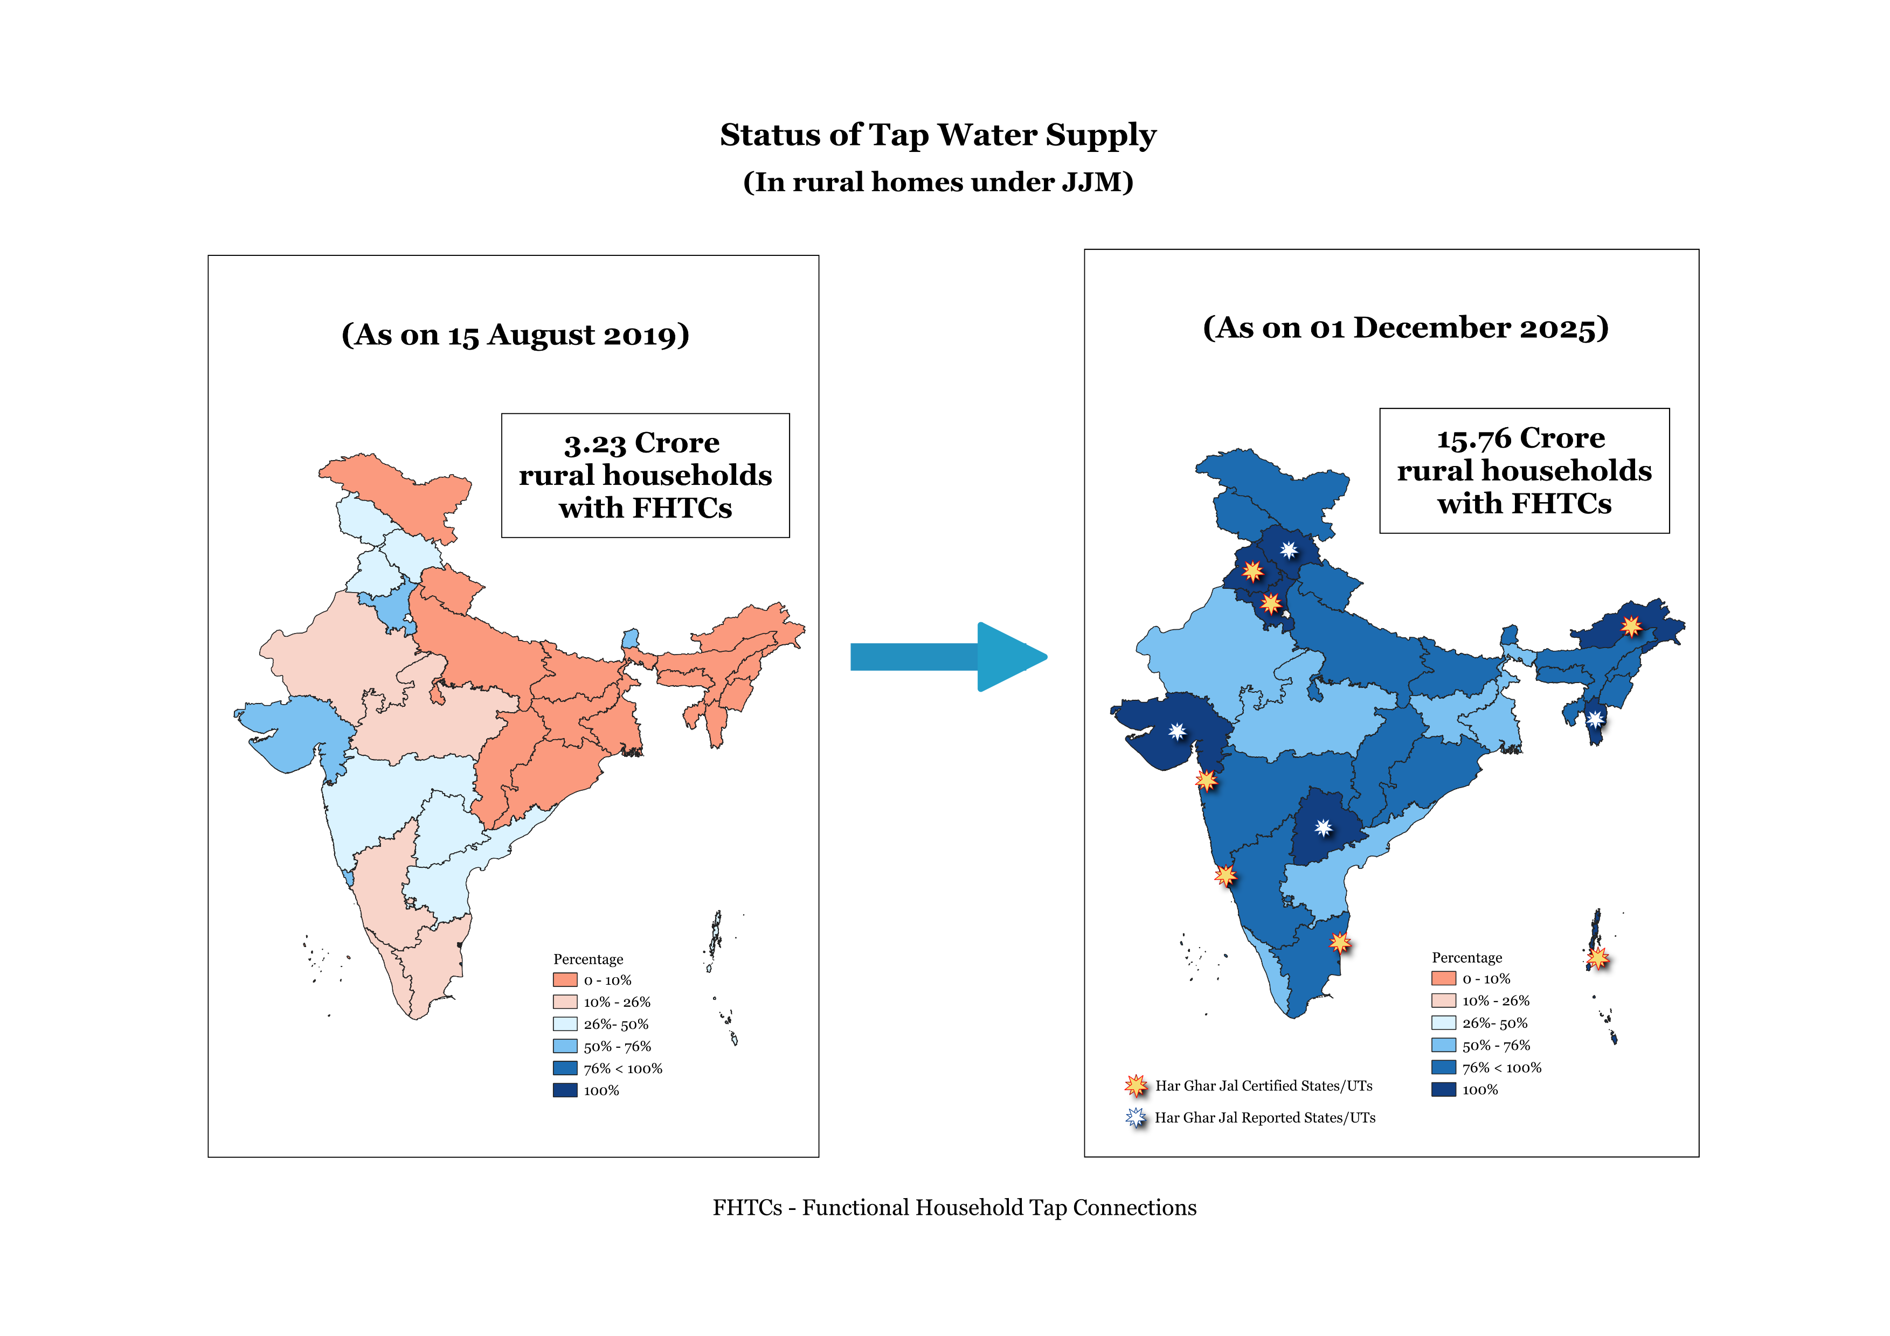

Source: Jal Jeevan Mission Dashboard.
*Note: FHTC- Functional Household Tap Connection

