Chart VI.1
Year | growth | GDP-growth

2017-18 | 6.6 | 6.8
2018-19 | 2.1 | 6.5
2019-20 | 6.2 | 3.9
2020-21 | 4.0 | -5.8
2021-22 | 4.6 | 9.7
2022-23 | 6.3 | 7.6
2023-24 | 2.7 | 9.2
2024-25 | 4.6 | 6.5

Chart VI.2
Years | Growth
1975-76 to 1984-85 | 3.56
1985-86 to 1994-1995 | 3.19
1995-96 to 2004-05 | 2.43
2005-06 to 2014-15 | 3.42
2015-16 to 2024-25 | 4.45

Chart VI.3
 | Gross Value Added (GVA) by Economic Activity at Current Basic Prices

 | Years | Livestock | Fishing and aquaculture | Agriculture & allied sector(RHS)
 | 2011-12 | 327,334 | 68,027 | 1,501,947
 | 2012-13 | 368,823 | 79,911 | 1,675,107
 | 2013-14 | 422,733 | 98,190 | 1,926,372
 | 2014-15 | 510,411 | 116,567 | 2,093,612
 | 2015-16 | 582,410 | 132,720 | 2,227,533
 | 2016-17 | 672,611 | 154,643 | 2,518,662
 | 2017-18 | 785,683 | 193,275 | 2,829,826
 | 2018-19 | 882,009 | 212,087 | 3,029,925
 | 2019-20 | 977,918 | 235,550 | 3,368,471
 | 2020-21 | 1,113,089 | 244,945 | 3,706,469
 | 2021-22 | 1,238,401 | 283,422 | 4,099,473
 | 2022-23# | 1,364,763 | 325,598 | 4,449,332
 | 2023-24@ | 1,505,615 | 368,124 | 4,877,867

# : Final Estimates; @ : First Revised Estimates |  |  |  | # : Final Estimates; @ : First Revised Estimates
Source: Ministry of Statistics & Programme Implementation, GoI |  |  |  | Source: Ministry of Statistics & Programme Implementation, GoI

Chart VI.4
Year | Horticulture (Million Tonnes) | Foodgrains (Million Tonnes)
2011-12 | 257.2 | 259.3
2012-13 | 268.7 | 257.1
2013-14 | 287.4 | 265
2014-15 | 288.2 | 251.6
2015-16 | 275.9 | 252.1
2016-17 | 289.1 | 275
2017-18 | 306 | 284.9
2018-19 | 320.6 | 291.6
2019-20 | 329 | 308.6
2020-21 | 334.8 | 320.6
2021-22 | 347.5 | 339.3
2022-23 | 351.9 | 330.3

Chart VI.5
Average annual growth rates (%) in GVA agriculture and allied sector, US$2015 prices, 2006 to 2024

Source: Estimates based on FAO-STAT database.
Note: The countries have been arranged in decending order of their shares of agri and allied sector in total GDP.

Country | AAGR (2006-2015) | AAGR (2015-2024) | Share (%) in World GVA agri and allied 2024
China | 4.3 | 4 | 31.49
India | 3.0 | 4 | 13.75
Brazil | 3.2 | 4 | 3
Viet Nam | 3.5 | 3 | 1.19
Thailand | 0.8 | 2 | 1.01
World | 2.9 | 3 | 100

Chart VI.6
Table 1.2: International Comparison for Selected Crops, 2023

(Area in million hectares, Production in million tonnes, Yield in kg/ha)

 | Yield
 | Crop | India | World
 | Total Cereals* | 3626 | 4243
 | Total Pulses** | 740 | 976
 | Rice*** | 4322 | 4752
 | Maize | 3545 | 5962
 | Soyabean | 1145 | 2711
 | Groundnut | 2076 | 1755

Notes:
*Total Cereals include paddy production.
**Pulses include imputed value of dry beans.
***Unmilled or rough rice (paddy).
Source: Food and Agriculture Organization (Data accessed from FAOSTAT on 15th January 2025)

Chart VI.7
Rice Yield

Source: E, S&E Division, DA&FW
* 3rd Advance Estimates

 | State | 2023-24 | 2024-25*
 | West Bengal | 2874 | 2736
 | Haryana | 3822 | 3766
 | Punjab | 4516 | 4428
 | Gujarat | 2449 | 2179
 | Assam | 2281 | 2120
 | All India | 2882 | 2899
 | Andhra Pradesh | 3485 | 3583
 | Karnataka | 3325 | 3409
 | Uttar Pradesh | 2768 | 2802

 | Source: E, S&E Division, DA&FW
 | * 3rd Advance Estimates

Chart VI.8
wheat yield
Source: E, S&E Division, DA&FW
* 3rd Advance Estimates
 | State | 2023-24 | 2024-25*
 | Gujarat | 3027 | 3132
 | Maharashtra | 1899 | 1913
 | Bihar | 3150 | 3164
 | Haryana | 4723 | 4774
 | Punjab | 5045 | 5116
 | Uttar Pradesh | 3708 | 3776
 | All India | 3559 | 3587

 | Source: E, S&E Division, DA&FW
 | * 3rd Advance Estimates

Chart VI.9
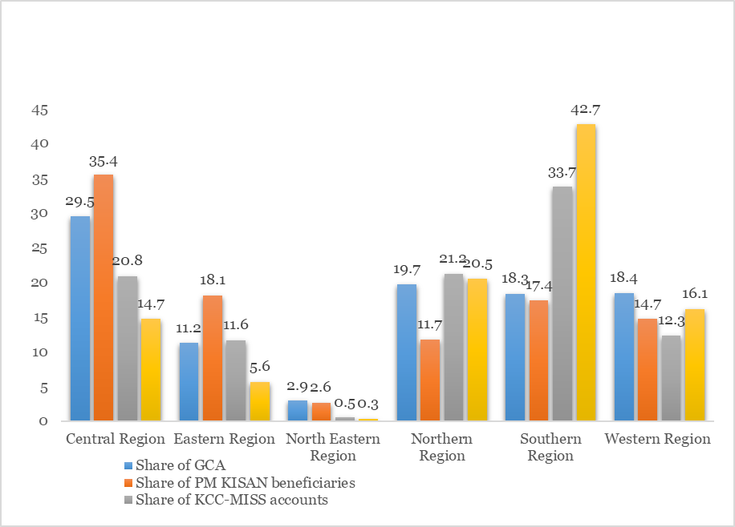

Chart VI.10
Crops | 2023-24 | 2024-25 | 2025-26
Paddy | 2183 | 2300 | 2369
Wheat | 2275 | 2425 | 2585
Maize | 2090 | 2225 | 2400
Arhar | 7000 | 7550 | 8000
Moong | 8558 | 8682 | 8768
Urad | 6950 | 7400 | 7800
Groundnut | 6377 | 6783 | 7263
Masur | 6425 | 6700 | 7000
Rapeseed & mustard | 5650 | 5950 | 6200
Safflower | 5800 | 5940 | 6540

Chart VI.11
KMS/RMS | Procurement of Paddy | Procurement of Wheat
2014-15 | 478.2 | 281.3
2015-16 | 510.2 | 280.9
2016-17 | 568.2 | 229.6
2017-18 | 568.4 | 308.3
2018-19 | 660.1 | 358.0
2019-20 | 770.9 | 341.3
2020-21 | 895.7 | 389.9
2021-22 | 857.3 | 433.4
2022-23 | 808.5 | 187.9
2023-24 | 782.3 | 262.0
2024-25 | 832.2 | 266.1
2025-26* | 177.6 | 300.4

*Data upto 30.10.2025

Chart VI.12
Years | Total Food subsidy
2014-15 | 113171.16
2015–16 | 134919
2016–17 | 130672.96
2017–18 | 139981.69
2018–19 | 171127.49
2019–20 | 164108.35
2020–21 | 529690.77
2021–22 | 288718.54
2022–23 | 272501.7
2023–24 | 211393.85
2024–25 | 199500
2025–26* | 116183.71
(As on 31.10.2025)

