Chart V.1
 | Chart V.1: Global Headline Inflation
S. No. |  | 2021 | 2022 | 2023 | 2024 | 2025
1 | World | 4.7 | 8.7 | 6.7 | 5.8 | 4.2
2 | AEs | 3.1 | 7.3 | 4.6 | 2.6 | 2.5
3 | EMDEs | 5.9 | 9.7 | 8.2 | 7.9 | 5.3
4 | China | 0.9 | 2.0 | 0.2 | 0.2 | 0.0
5 | India | 5.5 | 6.7 | 5.4 | 4.6 | 2.8

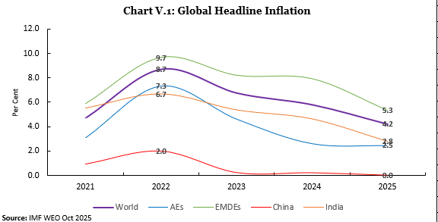

Chart V.2
 | Chart V.2: Global Food and Oil Price Inflation Trends in 2025
Year | Month | FAO Food Price Index Inflation | OPEC Basket Oil Price Inflation
2025 | Jan | 6% | -4%
2025 | Feb | 8% | -3%
2025 | Mar | 7% | -9%
2025 | Apr | 8% | -11%
2025 | May | 5% | -29%
2025 | Jun | 6% | -21%
2025 | Jul | 7% | -21%
2025 | Aug | 7% | -9%
2025 | Sep | 3% | -8%
2025 | Oct | 0% | -6%
2025 | Nov | -2% | -10%

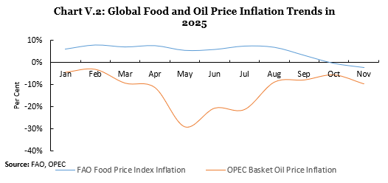

Chart V.3
Chart V.3: Key Metals-nflation Trends in 2025
Year | Month | Iron Ore | Aluminium | Copper
2025 | Jan | -27% | 17% | 8%
2025 | Feb | -16% | 22% | 12%
2025 | Mar | -9% | 19% | 12%
2025 | Apr | -14% | -5% | -3%
2025 | May | -18% | -5% | -6%
2025 | Jun | -14% | 1% | 2%
2025 | Jul | -9% | 11% | 4%
2025 | Aug | 0% | 11% | 8%
2025 | Sep | 11% | 8% | 8%
2025 | Oct | 2% | 8% | 13%
2025 | Nov | 2% | 9% | 19%
2025 | Dec | 2% | 13% | 32%
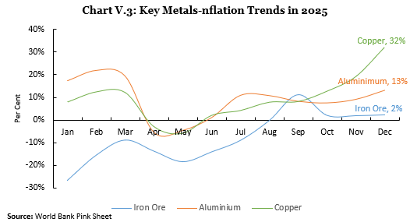

Chart V.4
Chart V.4 Inflation vs GDP Growth in EMDEs in 2025
Country (EMDEs) | Inflation | GDP Growth (Real) | inflation (y) | inflation (x) | GDP (x) | GDP (y)
Türkiye, Republic of | 34.89 | 3.494 | 5.3 | -2 | 4.2 | -1
Bolivia | 20.819 | 0.6
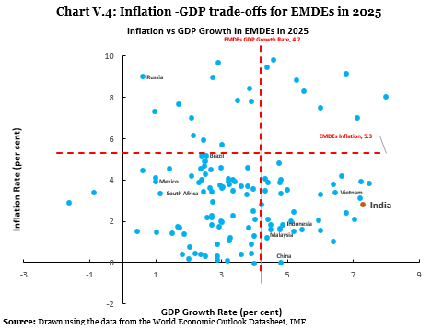
South Africa | 3.359 | 1.149
Colombia | 4.913 | 2.523
Argentina | 41.263 | 4.465
Chile | 4.27 | 2.515
Brazil | 5.187 | 2.4
Costa Rica | 0.414 | 3.593
Dominican Republic | 3.726 | 2.962
El Salvador | 0.3 | 2.5
Ecuador | 1.056 | 3.24
Panama | -0.051 | 4
Haiti | 27.821 | -3.1
Guatemala | 1.691 | 3.83
Honduras | 4.59 | 3.8
Mexico | 3.916 | 0.99
Nicaragua | 2 | 2.994
Peru | 1.727 | 2.93
Paraguay | 3.888 | 4.4
Uruguay | 4.679 | 2.471
Antigua and Barbuda | 3.45 | 2.467
Grenada | 1.193 | 3.276
Aruba, Kingdom of the Netherlands | 0.771 | 2.04
Bahamas, The | 0.454 | 2.2
Venezuela, República Bolivariana de | 269.929 | 0.5
Barbados | 2.257 | 2.7
Dominica | 2.821 | 4.226
Jamaica | 4.2 | 2.1
Guyana | 3.615 | 10.316
Suriname | 8.96 | 2.734
St. Lucia | 0.394 | 2.378
St. Vincent and the Grenadines | 2.076 | 4.4
St. Kitts and Nevis | 1.701 | 1.722
Trinidad and Tobago | 1.455 | 1.021
Iran, Islamic Republic of | 42.351 | 0.649
Iraq | 1.532 | 0.452
Kuwait | 2.184 | 2.574
Saudi Arabia | 2.1 | 4.021
Lebanon |  | 0
Oman | 0.9 | 2.885
Qatar | 0.136 | 2.882
United Arab Emirates | 1.616 | 4.765
Syrian Arab Republic |  | 0
West Bank and Gaza |  | 0
Yemen, Republic of | 20.44 | -1.5
Egypt, Arab Republic of | 20.419 | 4.27
Cambodia | 1.634 | 4.774
Bhutan | 2.422 | 6.79
Bangladesh | 10.03 | 3.76
Afghanistan, Islamic Republic of |  | 0
Myanmar | 31 | -2.677
Sri Lanka |  | 0
Lao People's Democratic Republic | 7.842 | 3.487
Timor-Leste, Democratic Republic of | 0.886 | 3.9
Indonesia | 1.839 | 4.861
India | 2.8 | 7.3
Malaysia | 1.587 | 4.5
Nepal | 4.057 | 4.315
Pakistan | 4.495 | 2.676
Maldives | 3.872 | 4.786
Djibouti | 1.545 | 6.008
Palau, Republic of | 1.828 | 4.492
Philippines | 1.608 | 5.435
Algeria | 3.48 | 3.357
Thailand | 0.153 | 2
Vietnam | 3.402 | 6.457
Burundi | 37.333 | 4.398
Angola | 21.635 | 2.09
Botswana | 3.361 | -0.877
Comoros, Union of the | 3.3 | 3.777
Cabo Verde | 1.5 | 5.186
Cameroon | 3.683 | 3.796
Chad | 3.992 | 3.341
Central African Republic | 4.569 | 2.998
Congo, Republic of | 3.6 | 2.654
Ethiopia, The Federal Democratic Republic of | 13.046 | 7.224
Gabon | 1.366 | 1.874
Benin | 2.1 | 7.041
Congo, Democratic Republic of the | 8.809 | 5.28
Gambia, The | 7.488 | 6.012
Eritrea, The State of |  | 0
Ghana | 16.645 | 4.026
Guinea-Bissau | 2 | 5.1
Guinea | 3.1 | 7.207
Madagascar, Republic of | 8.43 | 3.849
Lesotho, Kingdom of | 4.539 | 1.43
Côte d'Ivoire | 1 | 6.4
Kenya | 3.997 | 4.815
Mauritius | 3.906 | 3.2
Liberia | 9.824 | 4.569
Malawi | 28.159 | 2.397
Libya | 1.819 | 15.562
Mozambique, Republic of | 4.9 | 2.48
Mauritania, Islamic Republic of | 2.5 | 3.953
Mali | 3.5 | 5
Nigeria | 23.049 | 3.931
Niger | 4.2 | 6.649
Morocco | 1.192 | 4.394
Seychelles | 0.435 | 3.903
Rwanda | 7 | 7.109
Zimbabwe | 89.049 | 6.041
São Tomé and Príncipe, Democratic Republic of | 9.684 | 2.9
Sierra Leone | 9.432 | 4.388
Senegal | 2.036 | 5.955
Togo | 2.428 | 5.2
South Sudan, Republic of | 97.474 | 24.336
Sudan | 87.212 | 3.225
Namibia | 3.704 | 3.596
Somalia | 3.6 | 3
Eswatini, Kingdom of | 3.453 | 4.34
Tanzania, United Republic of | 3.303 | 5.998
Fiji, Republic of | 0.1 | 3.191
Kiribati | 7.794 | 3.9
Uganda | 3.794 | 6.406
Burkina Faso | 1.299 | 3.988
Zambia | 14.196 | 5.846
Tunisia | 5.905 | 2.464
Solomon Islands | 3.444 | 2.715
Marshall Islands, Republic of the | 5.181 | 2.527
Samoa | 1.834 | 2.708
Nauru, Republic of | 6.126 | 2.138
Papua New Guinea | 4.792 | 4.74
Vanuatu | 1.736 | 1.667
Micronesia, Federated States of | 4.077 | 0.988
Tonga | 2.944 | 2.725
Tuvalu | 1.96 | 3.016
Belarus, Republic of | 7.012 | 2.096
Azerbaijan, Republic of | 5.7 | 3.015
Armenia, Republic of | 3.33 | 4.8
Moldova, Republic of | 7.675 | 1.7
Georgia | 3.92 | 7.228
Albania | 2.273 | 3.358
China | 0.013 | 4.796
Kazakhstan, Republic of | 11.376 | 5.852
Kyrgyz Republic | 8.02 | 7.996
Turkmenistan | 3.894 | 2.32
Tajikistan, Republic of | 3.836 | 7.5
Uzbekistan, Republic of | 9.129 | 6.799
Ukraine | 12.64 | 2
Montenegro | 4.063 | 3.2
Serbia, Republic of | 4.551 | 2.376
Hungary | 4.456 | 0.595
Mongolia | 8.267 | 5.497
Poland, Republic of | 3.803 | 3.243
Kosovo, Republic of | 3.545 | 3.95
Bosnia and Herzegovina | 3.995 | 2.4
North Macedonia, Republic of | 3.9 | 3.4
Romania | 7.299 | 0.96
Belize | 1.401 | 1.489
Jordan | 2.193 | 2.7
Brunei Darussalam | 0.4 | 1.797
Bahrain, Kingdom of | 0.3 | 2.867
Russia | 9.002 | 0.609
Bulgaria | 3.635 | 3.05
Equatorial Guinea, Republic of | 2.915 | -1.625 | 5.3 | 8 | 4.2 | 9

Chart V.5
Chart V.5 Change in Inflation Rate in Major Economies (2025 over 2024)
S. No. | Country | Change% | 2024 | 2025
2 | United Kingdom | 1 | 3 | 3
7 | Brazil | 1 | 4 | 5
5 | Japan | 1 | 3 | 3
13 | China | 0 | 0 | 0
1 | United States | 0 | 3 | 3
11 | Malaysia | 0 | 2 | 2
3 | Germany | 0 | 2 | 2
9 | Indonesia | 0 | 2 | 2
8 | Mexico | -1 | 5 | 4
6 | South Africa | -1 | 4 | 3
4 | France | -1 | 2 | 1
12 | Philippines | -2 | 3 | 2
10 | India | -2 | 5 | 3
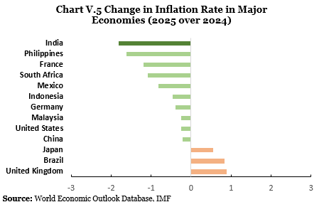

ChartV. 6
Chart V.6 Headline inflation (WPI and CPI)
Year | CPI (Headline) | WPI (Headline)
2022-23 | 6.65 | 9.41
2023-24 | 5.36 | -0.73
2024-25 | 4.63 | 2.27
2025-26(Apr-Dec) | 1.71 | 0.04

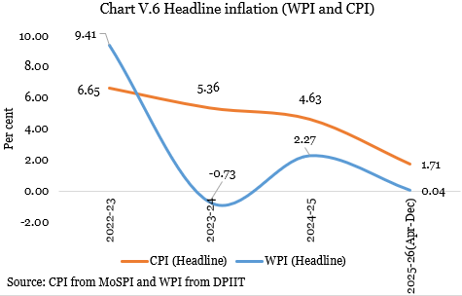

ChartV.7
 | Chart VI.7 CPI (Headline, Core and Food Inflation)
 | Apr-24 | May-24 | Jun-24 | Jul-24 | Aug-24 | Sep-24 | Oct-24 | Nov-24 | Dec-24 | Jan-25 | Feb-25 | Mar-25 | Apr-25 | May-25 | Jun-25 | Jul-25 | Aug-25 | Sep-25 | Oct-25 | Nov-25 | Dec-25
Headline inflation | 4.83 | 4.80 | 5.08 | 3.60 | 3.65 | 5.49 | 6.21 | 5.48 | 5.22 | 4.26 | 3.61 | 3.34 | 3.16 | 2.82 | 2.1 | 1.6 | 2.1 | 1.4 | 0.3 | 0.7 | 1.3
Non-Food | 2.26 | 2.20 | 2.25 | 2.26 | 2.17 | 2.93 | 3.09 | 3.02 | 3.02 | 3.00 | 3.40 | 3.74 | 4.07 | 4.01 | 4.17 | 3.89 | 3.95 | 4.07 | 4.05 | 4.02 | 4.30
Core inflation | 3.19 | 3.07 | 3.12 | 3.42 | 3.28 | 3.54 | 3.77 | 3.71 | 3.64 | 3.64 | 4.08 | 4.06 | 4.23 | 4.17 | 4.39 | 4.06 | 4.18 | 4.36 | 4.33 | 4.25 | 4.62
Food inflation (RHS) | 8.70 | 8.69 | 9.36 | 5.42 | 5.66 | 9.24 | 10.87 | 9.04 | 8.39 | 5.97 | 3.75 | 2.69 | 1.78 | 0.99 | -1.01 | -1.76 | -0.64 | -2.33 | -5.02 | -3.91 | -2.71

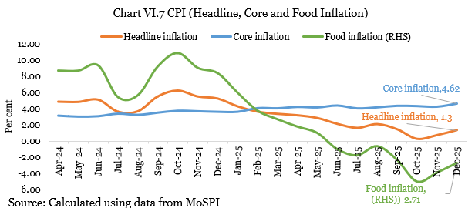

ChartV.8
Chart V. 8 Decrypting Core Inflation
Month | Core | Core excl. P&D | Core excl. G&S | Core excl. both
Oct-24 | 3.77 | 4.02 | 3.05 | 3.28
Nov-24 | 3.71 | 3.96 | 3.05 | 3.27
Dec-24 | 3.64 | 3.89 | 3.04 | 3.26
Jan-25 | 3.64 | 3.89 | 2.97 | 3.19
Feb-25 | 4.08 | 4.33 | 3.16 | 3.38
Mar-25 | 4.06 | 4.27 | 3.15 | 3.32
Apr-25 | 4.23 | 4.40 | 3.36 | 3.50
May-25 | 4.17 | 4.33 | 3.24 | 3.37
Jun-25 | 4.39 | 4.57 | 3.37 | 3.51
Jul-25 | 4.06 | 4.22 | 3.01 | 3.13
Aug-25 | 4.18 | 4.34 | 2.99 | 3.12
Sep-25 | 4.36 | 4.54 | 2.92 | 3.04
Oct-25 | 4.33 | 4.50 | 2.41 | 2.51
Nov-25 | 4.25 | 4.43 | 2.30 | 2.39
Dec-25 | 4.62 | 4.81 | 2.27 | 2.36
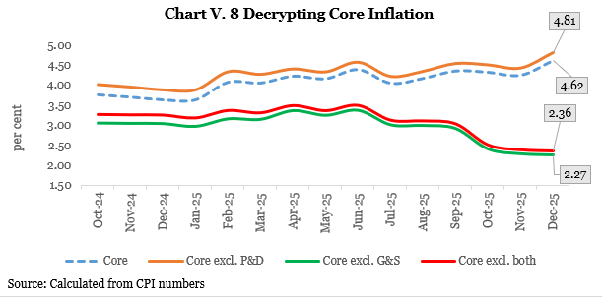

ChartV.9
 | Chart V. 9: Base and Momentum Effect
Decomposition | Oct-24 | Nov-24 | Dec-24 | Jan-25 | Feb-25 | Mar-25 | Apr-25 | May-25 | Jun-25 | Jul-25 | Aug-25 | Sep-25 | Oct-25 | Nov-25 | Dec-25
Momentum effect | 1.3 | -0.2 | -0.6 | -1.0 | -0.5 | -0.3 | 0.3 | 0.2 | 0.6 | 1.0 | 0.5 | 0.0 | 0.2 | 0.3 | 0.1
Base effect | -0.7 | -0.5 | 0.3 | 0.1 | -0.2 | 0.0 | -0.5 | -0.5 | -1.3 | -1.5 | 0.0 | -0.6 | -1.3 | 0.2 | 0.6
Change in y-o-y inflation | 0.7 | -0.7 | -0.2 | -0.9 | -0.6 | -0.3 | -0.2 | -0.3 | -0.7 | -0.5 | 0.5 | -0.6 | -1.2 | 0.5 | 0.6

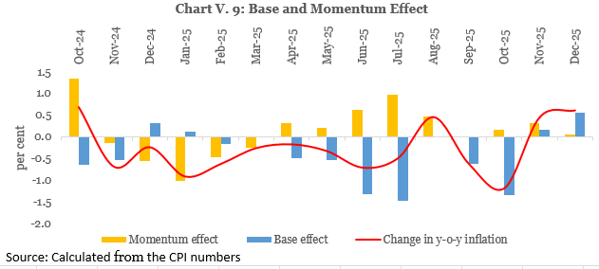

ChartV.10
 | Chart V.10: CPI (Vegetable , Pulses & Spices)
 | Apr-24 | May-24 | Jun-24 | Jul-24 | Aug-24 | Sep-24 | Oct-24 | Nov-24 | Dec-24 | Jan-25 | Feb-25 | Mar-25 | Apr-25 | May-25 | Jun-25 | Jul-25 | Aug-25 | Sep-25 | Oct-25 | Nov-25 | Dec-25
Vegetables | 27.8 | 27.4 | 29.3 | 6.8 | 10.7 | 36.0 | 42.2 | 29.3 | 26.6 | 11.3 | -1.1 | -7.0 | -11.0 | -13.7 | -18.9 | -20.7 | -15.9 | -21.4 | -27.6 | -22.2 | -18.5
Pulses | 16.8 | 17.1 | 16.1 | 14.8 | 13.6 | 9.8 | 7.4 | 5.4 | 3.8 | 2.5 | -0.3 | -2.7 | -5.2 | -8.2 | -11.8 | -13.8 | -14.5 | -15.3 | -16.2 | -15.8 | -15.1
Spices | 7.75 | 4.27 | 2.06 | -1.43 | -4.36 | -6.13 | -7.01 | -7.43 | -7.41 | -6.85 | -5.85 | -4.92 | -3.44 | -2.77 | -3.03 | -3.12 | -3.24 | -3.07 | -3.29 | -2.89 | -2.15

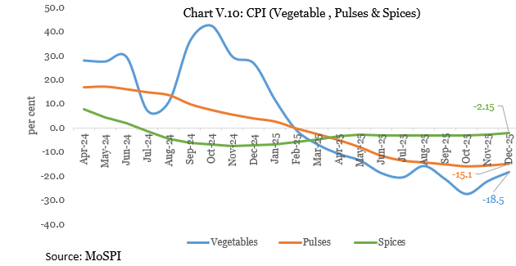

 | Jan-23 | Feb-23 | Mar-23 | Apr-23 | May-23 | Jun-23 | Jul-23 | Aug-23 | Sep-23 | Oct-23 | Nov-23 | Dec-23 | Jan-24 | Feb-24 | Mar-24 | Apr-24 | May-24 | Jun-24 | Jul-24 | Aug-24 | Sep-24 | Oct-24 | Nov-24 | Dec-24 | Jan-25 | Feb-25 | Mar-25 | Apr-25 | May-25 | Jun-25 | Jul-25 | Aug-25 | Sep-25 | Oct-25 | Nov-25
Housing | 5 | 5 | 5 | 5 | 5 | 5 | 4 | 4 | 4 | 4 | 4 | 4 | 3 | 3 | 3 | 3 | 3 | 3 | 3 | 3 | 3 | 3 | 3 | 3 | 3 | 3 | 3 | 3 | 3 | 3 | 3 | 3 | 3 | 3 | 3
Clothing & footwear | 9 | 9 | 8 | 7 | 7 | 6 | 6 | 5 | 5 | 4 | 4 | 4 | 3 | 3 | 3 | 3 | 3 | 3 | 3 | 3 | 3 | 3 | 3 | 3 | 3 | 3 | 3 | 3 | 3 | 3 | 2 | 2 | 2 | 2 | 1
Health | 6 | 7 | 7 | 6 | 6 | 6 | 6 | 6 | 6 | 6 | 6 | 5 | 5 | 5 | 4 | 4 | 4 | 4 | 4 | 4 | 4 | 4 | 4 | 4 | 4 | 4 | 4 | 4 | 4 | 4 | 5 | 4 | 4 | 4 | 4
Transport and communication | 5 | 5 | 4 | 1 | 1 | 2 | 2 | 2 | 2 | 2 | 2 | 2 | 2 | 2 | 2 | 1 | 1 | 1 | 3 | 3 | 3 | 3 | 3 | 3 | 3 | 3 | 3 | 4 | 4 | 4 | 2 | 2 | 2 | 1 | 1

 | Jan-23 | Feb-23 | Mar-23 | Apr-23 | May-23 | Jun-23 | Jul-23 | Aug-23 | Sep-23 | Oct-23 | Nov-23 | Dec-23 | Jan-24 | Feb-24 | Mar-24 | Apr-24 | May-24 | Jun-24 | Jul-24 | Aug-24 | Sep-24 | Oct-24 | Nov-24 | Dec-24 | Jan-25 | Feb-25 | Mar-25 | Apr-25 | May-25 | Jun-25 | Jul-25 | Aug-25 | Sep-25 | Oct-25 | Nov-25
Rural | 7 | 7 | 6 | 5 | 4 | 5 | 8 | 7 | 5 | 5 | 6 | 6 | 5 | 5 | 6 | 5 | 5 | 6 | 4 | 4 | 6 | 7 | 6 | 6 | 5 | 4 | 3 | 3 | 3 | 2 | 1 | 2 | 1 | 0 | 0
Urban | 6 | 6 | 6 | 5 | 4 | 5 | 7 | 7 | 5 | 5 | 5 | 5 | 5 | 5 | 4 | 4 | 4 | 4 | 3 | 3 | 5 | 6 | 5 | 5 | 4 | 3 | 3 | 3 | 3 | 3 | 2 | 2 | 2 | 1 | 1

Chart V. 17 Headline Inflation: Rural and Urban

 | Jan-23 | Feb-23 | Mar-23 | Apr-23 | May-23 | Jun-23 | Jul-23 | Aug-23 | Sep-23 | Oct-23 | Nov-23 | Dec-23 | Jan-24 | Feb-24 | Mar-24 | Apr-24 | May-24 | Jun-24 | Jul-24 | Aug-24 | Sep-24 | Oct-24 | Nov-24 | Dec-24 | Jan-25 | Feb-25 | Mar-25 | Apr-25 | May-25 | Jun-25 | Jul-25 | Aug-25 | Sep-25 | Oct-25 | Nov-25
Rural | 6 | 6 | 6 | 5 | 5 | 5 | 5 | 5 | 5 | 4 | 4 | 4 | 4 | 3 | 3 | 3 | 3 | 3 | 4 | 4 | 4 | 4 | 4 | 4 | 4 | 4 | 4 | 4 | 4 | 5 | 4 | 4 | 5 | 5 | 5
Urban | 6 | 6 | 6 | 5 | 5 | 5 | 5 | 5 | 4 | 4 | 4 | 4 | 4 | 3 | 3 | 3 | 3 | 3 | 3 | 3 | 3 | 4 | 4 | 3 | 4 | 4 | 4 | 4 | 4 | 4 | 4 | 4 | 4 | 4 | 4
Chart V. 18 Core Inflation: Rural and Urban

ChartV.11
 | Chart V.11: Reducing Volatility in Pulses' Prices
 | 0.47431 | 0.79607 | 0.27353 | 0.34532 | 0.30213 | 2.19136
Date | Gram Dal | Tur/Arhar Dal | Urad Dal | Moong Dal | Masoor Dal | Total
2015-01-01 | 46.31 | 75.56 | 75.08 | 95.85 | 72.53 | 71.95
2015-01-02 | 45.42 | 76.15 | 76.41 | 97.28 | 73.55 | 72.50
2015-01-05 | 46.56 | 76.27 | 77.5 | 97.46 | 73.26 | 72.92
2015-01-06 | 46.83 | 76.76 | 77.86 | 97.87 | 73.57 | 73.31
2015-01-07 | 46.19 | 76.26 | 77.52 | 98.18 | 73.04 | 72.92
2015-01-08 | 46.8 | 76.98 | 77.81 | 97.73 | 74.06 | 73.42
2015-01-09 | 46.33 | 76.31 | 76.83 | 97.83 | 73.14 | 72.84
2015-01-12 | 46.75 | 77.38 | 77.28 | 97.87 | 73.6 | 73.45
2015-01-13 | 46.86 | 76.64 | 78.03 | 98.19 | 73.79 | 73.37
2015-01-14 | 47.61 | 77.27 | 77.96 | 98 | 74.6 | 73.83
2015-01-15 | 46.64 | 76.43 | 76.04 | 96.87 | 74.67 | 72.91
2015-01-16 | 47.29 | 77.14 | 77.65 | 98.06 | 74.85 | 73.72
2015-01-19 | 47.1 | 77.38 | 78.32 | 98.35 | 74.33 | 73.83
2015-01-20 | 47.16 | 77.58 | 78.74 | 98.68 | 74.05 | 73.98
2015-01-21 | 47.23 | 77.46 | 78.73 | 98.77 | 74.45 | 74.02
2015-01-22 | 47.34 | 77.98 | 79.33 | 99.18 | 74.41 | 74.37 |  | 100
2015-01-23 | 47.66 | 78.53 | 80.04 | 99.16 | 74.11 | 74.68
...
 |  |  |  |  |  |  | 0.69048980437
 |  |  |  |  |  |  | 0.69005544467
 |  |  |  |  |  |  | 0.69072244873
 |  |  |  |  |  |  | 0.73736764424
 |  |  |  |  |  |  | 0.72963699081
 |  |  |  |  |  |  | 0.72484475413
 |  |  |  |  |  |  | 0.7200559952
 |  |  |  |  |  |  | 0.7134749718
 |  |  |  |  |  |  | 0.70314066952
 |  |  |  |  |  |  | 0.70400896851
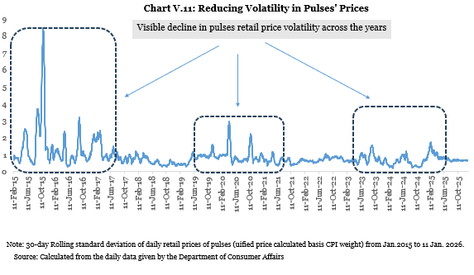
 |  |  |  |  |  |  | 0.72236261148
 |  |  |  |  |  |  | 0.71013925116
 |  |  |  |  |  |  | 0.69151832976
 |  |  |  |  |  |  | 0.68033687362
 |  |  |  |  |  |  | 0.6572823806
 |  |  |  |  |  |  | 0.64516438073
 |  |  |  |  |  |  | 0.65421740993
 |  |  |  |  |  |  | 0.68936382706
 |  |  |  |  |  |  | 0.68658780849
 |  |  |  |  |  |  | 0.67893423135
 |  |  |  |  |  |  | 0.66869805488
 |  |  |  |  |  |  | 0.66345808257
 |  |  |  |  |  |  | 0.66446930811
 |  |  |  |  |  |  | 0.66438467282
 |  |  |  |  |  |  | 0.66329485139
 |  |  |  |  |  |  | 0.66395251829
 |  |  |  |  |  |  | 0.67594669764
 |  |  |  |  |  |  | 0.67672459922
 |  |  |  |  |  |  | 0.67500524805
 |  |  |  |  |  |  | 0.67396417402
 |  |  |  |  |  |  | 0.67156340344
 |  |  |  |  |  |  | 0.65410538642
 |  |  |  |  |  |  | 0.65024617185
 |  |  |  |  |  |  | 0.64917838821
 |  |  |  |  |  |  | 0.64687696789
 |  |  |  |  |  |  | 0.64223161323
 |  |  |  |  |  |  | 0.64078354289
 |  |  |  |  |  |  | 0.64904169598
...

ChartV.12
 | Chart V.12 CPI (Meat and fish, Egg and Milk and products)
Items | Apr-24 | May-24 | Jun-24 | Jul-24 | Aug-24 | Sep-24 | Oct-24 | Nov-24 | Dec-24 | Jan-25 | Feb-25 | Mar-25 | Apr-25 | May-25 | Jun-25 | Jul-25 | Aug-25 | Sep-25 | Oct-25 | Nov-25
Meat and fish | 8.22 | 7.28 | 5.39 | 5.92 | 4.30 | 2.62 | 3.17 | 4.67 | 5.30 | 5.25 | 2.11 | 0.32 | -0.35 | -0.43 | -1.62 | -0.61 | 1.52 | 2.15 | 1.69 | 2.54
Egg | 7.13 | 7.68 | 4.10 | 6.82 | 7.08 | 6.36 | 4.93 | 4.84 | 6.85 | 1.27 | -2.96 | -3.10 | 0.83 | 0.64 | 2.57 | 2.21 | 3.12 | 2.76 | 1.33 | 3.87
Milk and products | 2.97 | 2.62 | 3.00 | 3.05 | 2.92 | 3.03 | 2.97 | 2.85 | 2.80 | 2.85 | 2.68 | 2.62 | 2.72 | 3.15 | 2.80 | 2.69 | 2.63 | 2.51 | 2.40 | 2.45

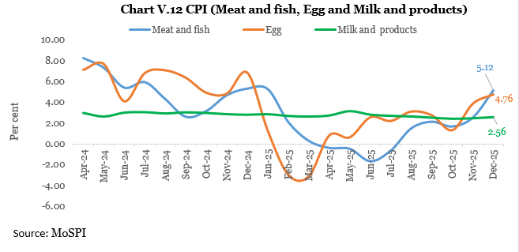

 | Jan-23 | Feb-23 | Mar-23 | Apr-23 | May-23 | Jun-23 | Jul-23 | Aug-23 | Sep-23 | Oct-23 | Nov-23 | Dec-23 | Jan-24 | Feb-24 | Mar-24 | Apr-24 | May-24 | Jun-24 | Jul-24 | Aug-24 | Sep-24 | Oct-24 | Nov-24 | Dec-24 | Jan-25
Housing | 5 | 5 | 5 | 5 | 5 | 5 | 4 | 4 | 4 | 4 | 4 | 4 | 3 | 3 | 3 | 3 | 3 | 3 | 3 | 3 | 3 | 3 | 3 | 3 | 3
Clothing & footwear | 9 | 9 | 8 | 7 | 7 | 6 | 6 | 5 | 5 | 4 | 4 | 4 | 3 | 3 | 3 | 3 | 3 | 3 | 3 | 3 | 3 | 3 | 3 | 3 | 3
Health | 6 | 7 | 7 | 6 | 6 | 6 | 6 | 6 | 6 | 6 | 6 | 5 | 5 | 5 | 4 | 4 | 4 | 4 | 4 | 4 | 4 | 4 | 4 | 4 | 4
Transport and communication | 5 | 5 | 4 | 1 | 1 | 2 | 2 | 2 | 2 | 2 | 2 | 2 | 2 | 2 | 2 | 1 | 1 | 1 | 3 | 3 | 3 | 3 | 3 | 3 | 3

 | Clothing & footwear
Jan-23 | 9
Feb-23 | 9
Mar-23 | 8
Apr-23 | 7
May-23 | 7
Jun-23 | 6
Jul-23 | 6
Aug-23 | 5
Sep-23 | 5
Oct-23 | 4
Nov-23 | 4
Dec-23 | 4
Jan-24 | 3
Feb-24 | 3
Mar-24 | 3
Apr-24 | 3
May-24 | 3
Jun-24 | 3
Jul-24 | 3
Aug-24 | 3
Sep-24 | 3
Oct-24 | 3
Nov-24 | 3
Dec-24 | 3
Jan-25 | 3
Feb-25 | 3
Mar-25 | 3
Apr-25 | 3
May-25 | 3
Jun-25 | 3
Jul-25 | 2
Aug-25 | 2
Sep-25 | 2
Oct-25 | 2
Nov-25 | 1
 | Housing
Jan-23 | 5
Feb-23 | 5
Mar-23 | 5
Apr-23 | 5
May-23 | 5
Jun-23 | 5
Jul-23 | 4
Aug-23 | 4
Sep-23 | 4
Oct-23 | 4
Nov-23 | 4
Dec-23 | 4
Jan-24 | 3
Feb-24 | 3
Mar-24 | 3
Apr-24 | 3
May-24 | 3
Jun-24 | 3
Jul-24 | 3
Aug-24 | 3
Sep-24 | 3
Oct-24 | 3
Nov-24 | 3
Dec-24 | 3
Jan-25 | 3
Feb-25 | 3
Mar-25 | 3
Apr-25 | 3
May-25 | 3
Jun-25 | 3
Jul-25 | 3
Aug-25 | 3
Sep-25 | 3
Oct-25 | 3
Nov-25 | 3

 | Health
Jan-23 | 6
Feb-23 | 7
Mar-23 | 7
Apr-23 | 6
May-23 | 6
Jun-23 | 6
Jul-23 | 6
Aug-23 | 6
Sep-23 | 6
Oct-23 | 6
Nov-23 | 6
Dec-23 | 5
Jan-24 | 5
Feb-24 | 5
Mar-24 | 4
Apr-24 | 4
May-24 | 4
Jun-24 | 4
Jul-24 | 4
Aug-24 | 4
Sep-24 | 4
Oct-24 | 4
Nov-24 | 4
Dec-24 | 4
Jan-25 | 4
Feb-25 | 4
Mar-25 | 4
Apr-25 | 4
May-25 | 4
Jun-25 | 4
Jul-25 | 5
Aug-25 | 4
Sep-25 | 4
Oct-25 | 4
Nov-25 | 4
 | Transport and communication
Jan-23 | 5
Feb-23 | 5
Mar-23 | 4
Apr-23 | 1
May-23 | 1
Jun-23 | 2
Jul-23 | 2
Aug-23 | 2
Sep-23 | 2
Oct-23 | 2
Nov-23 | 2
Dec-23 | 2
Jan-24 | 2
Feb-24 | 2
Mar-24 | 2
Apr-24 | 1
May-24 | 1
Jun-24 | 1
Jul-24 | 3
Aug-24 | 3
Sep-24 | 3
Oct-24 | 3
Nov-24 | 3
Dec-24 | 3
Jan-25 | 3
Feb-25 | 3
Mar-25 | 3
Apr-25 | 4
May-25 | 4
Jun-25 | 4
Jul-25 | 2
Aug-25 | 2
Sep-25 | 2
Oct-25 | 1
Nov-25 | 1

 | Jan-23 | Feb-23 | Mar-23 | Apr-23 | May-23 | Jun-23 | Jul-23 | Aug-23 | Sep-23 | Oct-23 | Nov-23 | Dec-23 | Jan-24 | Feb-24 | Mar-24 | Apr-24 | May-24 | Jun-24 | Jul-24 | Aug-24 | Sep-24 | Oct-24 | Nov-24 | Dec-24 | Jan-25 | Feb-25 | Mar-25
Rural | 7 | 7 | 6 | 5 | 4 | 5 | 8 | 7 | 5 | 5 | 6 | 6 | 5 | 5 | 6 | 5 | 5 | 6 | 4 | 4 | 6 | 7 | 6 | 6 | 5 | 4 | 3
Urban | 6 | 6 | 6 | 5 | 4 | 5 | 7 | 7 | 5 | 5 | 5 | 5 | 5 | 5 | 4 | 4 | 4 | 4 | 3 | 3 | 5 | 6 | 5 | 5 | 4 | 3 | 3

Chart V. 17 Headline Inflation: Rural and Urban
 | Rural | Urban
Jan-23 | 7 | 6
Feb-23 | 7 | 6
Mar-23 | 6 | 6
Apr-23 | 5 | 5
May-23 | 4 | 4
Jun-23 | 5 | 5
Jul-23 | 8 | 7
Aug-23 | 7 | 7
Sep-23 | 5 | 5
Oct-23 | 5 | 5
Nov-23 | 6 | 5
Dec-23 | 6 | 5
Jan-24 | 5 | 5
Feb-24 | 5 | 5
Mar-24 | 6 | 4
Apr-24 | 5 | 4
May-24 | 5 | 4
Jun-24 | 6 | 4
Jul-24 | 4 | 3
Aug-24 | 4 | 3
Sep-24 | 6 | 5
Oct-24 | 7 | 6
Nov-24 | 6 | 5
Dec-24 | 6 | 5
Jan-25 | 5 | 4
Feb-25 | 4 | 3
Mar-25 | 3 | 3
Apr-25 | 3 | 3
May-25 | 3 | 3
Jun-25 | 2 | 3
Jul-25 | 1 | 2
Aug-25 | 2 | 2
Sep-25 | 1 | 2
Oct-25 | 0 | 1
Nov-25 | 0 | 1

 | Jan-23 | Feb-23 | Mar-23 | Apr-23 | May-23 | Jun-23 | Jul-23 | Aug-23 | Sep-23 | Oct-23 | Nov-23 | Dec-23 | Jan-24 | Feb-24 | Mar-24 | Apr-24 | May-24 | Jun-24 | Jul-24 | Aug-24 | Sep-24 | Oct-24 | Nov-24 | Dec-24 | Jan-25 | Feb-25 | Mar-25
Rural | 6 | 6 | 6 | 5 | 5 | 5 | 5 | 5 | 5 | 4 | 4 | 4 | 4 | 3 | 3 | 3 | 3 | 3 | 4 | 4 | 4 | 4 | 4 | 4 | 4 | 4 | 4
Urban | 6 | 6 | 6 | 5 | 5 | 5 | 5 | 5 | 4 | 4 | 4 | 4 | 4 | 3 | 3 | 3 | 3 | 3 | 3 | 3 | 3 | 4 | 4 | 3 | 4 | 4 | 4
Chart V. 18 Core Inflation: Rural and Urban
 | Rural | Urban
Jan-23 | 6 | 6
Feb-23 | 6 | 6
Mar-23 | 6 | 6
Apr-23 | 5 | 5
May-23 | 5 | 5
Jun-23 | 5 | 5
Jul-23 | 5 | 5
Aug-23 | 5 | 5
Sep-23 | 5 | 4
Oct-23 | 4 | 4
Nov-23 | 4 | 4
Dec-23 | 4 | 4
Jan-24 | 4 | 4
Feb-24 | 3 | 3
Mar-24 | 3 | 3
Apr-24 | 3 | 3
May-24 | 3 | 3
Jun-24 | 3 | 3
Jul-24 | 4 | 3
Aug-24 | 4 | 3
Sep-24 | 4 | 3
Oct-24 | 4 | 4
Nov-24 | 4 | 4
Dec-24 | 4 | 3
Jan-25 | 4 | 4
Feb-25 | 4 | 4
Mar-25 | 4 | 4
Apr-25 | 4 | 4
May-25 | 4 | 4
Jun-25 | 5 | 4
Jul-25 | 4 | 4
Aug-25 | 4 | 4
Sep-25 | 5 | 4
Oct-25 | 5 | 4
Nov-25 | 5 | 4

ChartV.13
 | Chart V.13: CPI (Tomato , Onion, Potato and Garlic)
 | Apr-24 | May-24 | Jun-24 | Jul-24 | Aug-24 | Sep-24 | Oct-24 | Nov-24 | Dec-24 | Jan-25 | Feb-25 | Mar-25 | Apr-25 | May-25 | Jun-25 | Jul-25 | Aug-25 | Sep-25 | Oct-25
Tomato | 42.0 | 41.3 | 26.5 | -42.8 | -47.9 | 42.9 | 161.0 | 41.8 | 31.3 | -7.0 | -28.6 | -35.0 | -33.3 | -26.1 | -31.5 | -34.1 | 16.8 | -6.1 | -43.0
Onion | 36.7 | 38.1 | 58.4 | 60.6 | 54.1 | 66.1 | 51.9 | 5.5 | 11.0 | 16.4 | 30.2 | 19.3 | 2.8 | -10.7 | -26.6 | -34.8 | -39.1 | -49.9 | -54.3
Potato | 53.6 | 55.3 | 57.6 | 65.5 | 64.0 | 65.2 | 64.9 | 66.5 | 68.2 | 49.6 | 26.1 | 2.4 | -12.7 | -20.3 | -25.3 | -34.3 | -36.8 | -37.3 | -36.6
Garlic | 109.7 | 92.2 | 77.8 | 54.7 | 46.9 | 71.0 | 82.8 | 85.8 | 58.2 | 30.6 | -20.4 | -25.4 | -28.8 | -33.3 | -35.6 | -38.7 | -44.4 | -55.5 | -60.7

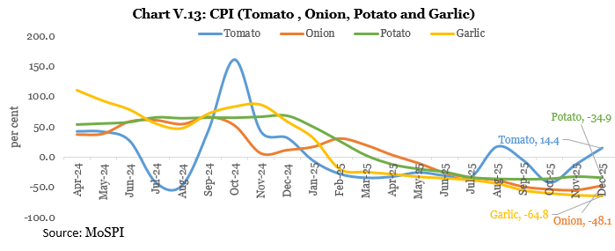

 | Jan-23 | Feb-23 | Mar-23 | Apr-23 | May-23 | Jun-23 | Jul-23 | Aug-23 | Sep-23 | Oct-23 | Nov-23 | Dec-23 | Jan-24 | Feb-24 | Mar-24 | Apr-24 | May-24 | Jun-24 | Jul-24 | Aug-24 | Sep-24 | Oct-24 | Nov-24 | Dec-24 | Jan-25
Housing | 5 | 5 | 5 | 5 | 5 | 5 | 4 | 4 | 4 | 4 | 4 | 4 | 3 | 3 | 3 | 3 | 3 | 3 | 3 | 3 | 3 | 3 | 3 | 3 | 3
Clothing & footwear | 9 | 9 | 8 | 7 | 7 | 6 | 6 | 5 | 5 | 4 | 4 | 4 | 3 | 3 | 3 | 3 | 3 | 3 | 3 | 3 | 3 | 3 | 3 | 3 | 3
Health | 6 | 7 | 7 | 6 | 6 | 6 | 6 | 6 | 6 | 6 | 6 | 5 | 5 | 5 | 4 | 4 | 4 | 4 | 4 | 4 | 4 | 4 | 4 | 4 | 4
Transport and communication | 5 | 5 | 4 | 1 | 1 | 2 | 2 | 2 | 2 | 2 | 2 | 2 | 2 | 2 | 2 | 1 | 1 | 1 | 3 | 3 | 3 | 3 | 3 | 3 | 3

 | Clothing & footwear
Jan-23 | 9
Feb-23 | 9
Mar-23 | 8
Apr-23 | 7
May-23 | 7
Jun-23 | 6
Jul-23 | 6
Aug-23 | 5
Sep-23 | 5
Oct-23 | 4
Nov-23 | 4
Dec-23 | 4
Jan-24 | 3
Feb-24 | 3
Mar-24 | 3
Apr-24 | 3
May-24 | 3
Jun-24 | 3
Jul-24 | 3
Aug-24 | 3
Sep-24 | 3
Oct-24 | 3
Nov-24 | 3
Dec-24 | 3
Jan-25 | 3
Feb-25 | 3
Mar-25 | 3
Apr-25 | 3
May-25 | 3
Jun-25 | 3
Jul-25 | 2
Aug-25 | 2
Sep-25 | 2
Oct-25 | 2
Nov-25 | 1
 | Housing
Jan-23 | 5
Feb-23 | 5
Mar-23 | 5
Apr-23 | 5
May-23 | 5
Jun-23 | 5
Jul-23 | 4
Aug-23 | 4
Sep-23 | 4
Oct-23 | 4
Nov-23 | 4
Dec-23 | 4
Jan-24 | 3
Feb-24 | 3
Mar-24 | 3
Apr-24 | 3
May-24 | 3
Jun-24 | 3
Jul-24 | 3
Aug-24 | 3
Sep-24 | 3
Oct-24 | 3
Nov-24 | 3
Dec-24 | 3
Jan-25 | 3
Feb-25 | 3
Mar-25 | 3
Apr-25 | 3
May-25 | 3
Jun-25 | 3
Jul-25 | 3
Aug-25 | 3
Sep-25 | 3
Oct-25 | 3
Nov-25 | 3

 | Health
Jan-23 | 6
Feb-23 | 7
Mar-23 | 7
Apr-23 | 6
May-23 | 6
Jun-23 | 6
Jul-23 | 6
Aug-23 | 6
Sep-23 | 6
Oct-23 | 6
Nov-23 | 6
Dec-23 | 5
Jan-24 | 5
Feb-24 | 5
Mar-24 | 4
Apr-24 | 4
May-24 | 4
Jun-24 | 4
Jul-24 | 4
Aug-24 | 4
Sep-24 | 4
Oct-24 | 4
Nov-24 | 4
Dec-24 | 4
Jan-25 | 4
Feb-25 | 4
Mar-25 | 4
Apr-25 | 4
May-25 | 4
Jun-25 | 4
Jul-25 | 5
Aug-25 | 4
Sep-25 | 4
Oct-25 | 4
Nov-25 | 4
 | Transport and communication
Jan-23 | 5
Feb-23 | 5
Mar-23 | 4
Apr-23 | 1
May-23 | 1
Jun-23 | 2
Jul-23 | 2
Aug-23 | 2
Sep-23 | 2
Oct-23 | 2
Nov-23 | 2
Dec-23 | 2
Jan-24 | 2
Feb-24 | 2
Mar-24 | 2
Apr-24 | 1
May-24 | 1
Jun-24 | 1
Jul-24 | 3
Aug-24 | 3
Sep-24 | 3
Oct-24 | 3
Nov-24 | 3
Dec-24 | 3
Jan-25 | 3
Feb-25 | 3
Mar-25 | 3
Apr-25 | 4
May-25 | 4
Jun-25 | 4
Jul-25 | 2
Aug-25 | 2
Sep-25 | 2
Oct-25 | 1
Nov-25 | 1

 | Jan-23 | Feb-23 | Mar-23 | Apr-23 | May-23 | Jun-23 | Jul-23 | Aug-23 | Sep-23 | Oct-23 | Nov-23 | Dec-23 | Jan-24 | Feb-24 | Mar-24 | Apr-24 | May-24 | Jun-24 | Jul-24 | Aug-24 | Sep-24 | Oct-24 | Nov-24 | Dec-24 | Jan-25 | Feb-25 | Mar-25
Rural | 7 | 7 | 6 | 5 | 4 | 5 | 8 | 7 | 5 | 5 | 6 | 6 | 5 | 5 | 6 | 5 | 5 | 6 | 4 | 4 | 6 | 7 | 6 | 6 | 5 | 4 | 3
Urban | 6 | 6 | 6 | 5 | 4 | 5 | 7 | 7 | 5 | 5 | 5 | 5 | 5 | 5 | 4 | 4 | 4 | 4 | 3 | 3 | 5 | 6 | 5 | 5 | 4 | 3 | 3

Chart V. 17 Headline Inflation: Rural and Urban
 | Rural | Urban
Jan-23 | 7 | 6
Feb-23 | 7 | 6
Mar-23 | 6 | 6
Apr-23 | 5 | 5
May-23 | 4 | 4
Jun-23 | 5 | 5
Jul-23 | 8 | 7
Aug-23 | 7 | 7
Sep-23 | 5 | 5
Oct-23 | 5 | 5
Nov-23 | 6 | 5
Dec-23 | 6 | 5
Jan-24 | 5 | 5
Feb-24 | 5 | 5
Mar-24 | 6 | 4
Apr-24 | 5 | 4
May-24 | 5 | 4
Jun-24 | 6 | 4
Jul-24 | 4 | 3
Aug-24 | 4 | 3
Sep-24 | 6 | 5
Oct-24 | 7 | 6
Nov-24 | 6 | 5
Dec-24 | 6 | 5
Jan-25 | 5 | 4
Feb-25 | 4 | 3
Mar-25 | 3 | 3
Apr-25 | 3 | 3
May-25 | 3 | 3
Jun-25 | 2 | 3
Jul-25 | 1 | 2
Aug-25 | 2 | 2
Sep-25 | 1 | 2
Oct-25 | 0 | 1
Nov-25 | 0 | 1

 | Jan-23 | Feb-23 | Mar-23 | Apr-23 | May-23 | Jun-23 | Jul-23 | Aug-23 | Sep-23 | Oct-23 | Nov-23 | Dec-23 | Jan-24 | Feb-24 | Mar-24 | Apr-24 | May-24 | Jun-24 | Jul-24 | Aug-24 | Sep-24 | Oct-24 | Nov-24 | Dec-24 | Jan-25 | Feb-25 | Mar-25
Rural | 6 | 6 | 6 | 5 | 5 | 5 | 5 | 5 | 5 | 4 | 4 | 4 | 4 | 3 | 3 | 3 | 3 | 3 | 4 | 4 | 4 | 4 | 4 | 4 | 4 | 4 | 4
Urban | 6 | 6 | 6 | 5 | 5 | 5 | 5 | 5 | 4 | 4 | 4 | 4 | 4 | 3 | 3 | 3 | 3 | 3 | 3 | 3 | 3 | 4 | 4 | 3 | 4 | 4 | 4
Chart V. 18 Core Inflation: Rural and Urban
 | Rural | Urban
Jan-23 | 6 | 6
Feb-23 | 6 | 6
Mar-23 | 6 | 6
Apr-23 | 5 | 5
May-23 | 5 | 5
Jun-23 | 5 | 5
Jul-23 | 5 | 5
Aug-23 | 5 | 5
Sep-23 | 5 | 4
Oct-23 | 4 | 4
Nov-23 | 4 | 4
Dec-23 | 4 | 4
Jan-24 | 4 | 4
Feb-24 | 3 | 3
Mar-24 | 3 | 3
Apr-24 | 3 | 3
May-24 | 3 | 3
Jun-24 | 3 | 3
Jul-24 | 4 | 3
Aug-24 | 4 | 3
Sep-24 | 4 | 3
Oct-24 | 4 | 4
Nov-24 | 4 | 4
Dec-24 | 4 | 3
Jan-25 | 4 | 4
Feb-25 | 4 | 4
Mar-25 | 4 | 4
Apr-25 | 4 | 4
May-25 | 4 | 4
Jun-25 | 5 | 4
Jul-25 | 4 | 4
Aug-25 | 4 | 4
Sep-25 | 5 | 4
Oct-25 | 5 | 4
Nov-25 | 5 | 4

ChartV.14
 | Chart V.14: Edible Oil inflation and Basic Customs Duty imposition
 | Apr-24 | May-24 | Jun-24 | Jul-24 | Aug-24 | Sep-24 | Oct-24 | Nov-24 | Dec-24 | Jan-25 | Feb-25 | Mar-25 | Apr-25 | May-25 | Jun-25 | Jul-25
Edible oil | -9.4 | -6.7 | -2.7 | -1.1 | -0.9 | 2.5 | 9.6 | 13.3 | 14.6 | 15.6 | 16.4 | 17.1 | 17.4 | 17.9 | 17.8 | 19.2
BCD on crude edible oil | 0.0 | 0.0 | 0.0 | 0.0 | 0.0 | 20.0 | 20.0 | 20.0 | 20.0 | 20.0 | 20.0 | 20.0 | 20.0 | 20.0 | 20.0 | 10.0

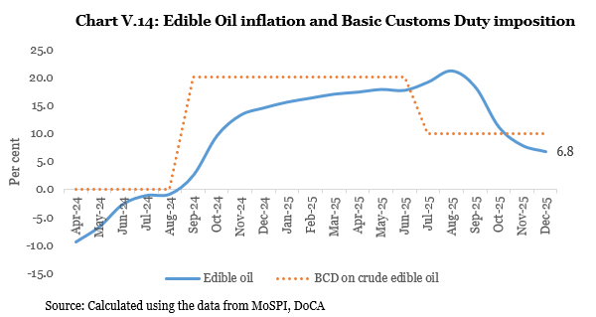

 | Jan-23 | Feb-23 | Mar-23 | Apr-23 | May-23 | Jun-23 | Jul-23 | Aug-23 | Sep-23 | Oct-23 | Nov-23 | Dec-23 | Jan-24 | Feb-24 | Mar-24 | Apr-24 | May-24 | Jun-24 | Jul-24 | Aug-24 | Sep-24 | Oct-24 | Nov-24 | Dec-24 | Jan-25
Housing | 5 | 5 | 5 | 5 | 5 | 5 | 4 | 4 | 4 | 4 | 4 | 4 | 3 | 3 | 3 | 3 | 3 | 3 | 3 | 3 | 3 | 3 | 3 | 3 | 3
Clothing & footwear | 9 | 9 | 8 | 7 | 7 | 6 | 6 | 5 | 5 | 4 | 4 | 4 | 3 | 3 | 3 | 3 | 3 | 3 | 3 | 3 | 3 | 3 | 3 | 3 | 3
Health | 6 | 7 | 7 | 6 | 6 | 6 | 6 | 6 | 6 | 6 | 6 | 5 | 5 | 5 | 4 | 4 | 4 | 4 | 4 | 4 | 4 | 4 | 4 | 4 | 4
Transport and communication | 5 | 5 | 4 | 1 | 1 | 2 | 2 | 2 | 2 | 2 | 2 | 2 | 2 | 2 | 2 | 1 | 1 | 1 | 3 | 3 | 3 | 3 | 3 | 3 | 3

 | Clothing & footwear
Jan-23 | 9
Feb-23 | 9
Mar-23 | 8
Apr-23 | 7
May-23 | 7
Jun-23 | 6
Jul-23 | 6
Aug-23 | 5
Sep-23 | 5
Oct-23 | 4
Nov-23 | 4
Dec-23 | 4
Jan-24 | 3
Feb-24 | 3
Mar-24 | 3
Apr-24 | 3
May-24 | 3
Jun-24 | 3
Jul-24 | 3
Aug-24 | 3
Sep-24 | 3
Oct-24 | 3
Nov-24 | 3
Dec-24 | 3
Jan-25 | 3
Feb-25 | 3
Mar-25 | 3
Apr-25 | 3
May-25 | 3
Jun-25 | 3
Jul-25 | 2
Aug-25 | 2
Sep-25 | 2
Oct-25 | 2
Nov-25 | 1
 | Housing
Jan-23 | 5
Feb-23 | 5
Mar-23 | 5
Apr-23 | 5
May-23 | 5
Jun-23 | 5
Jul-23 | 4
Aug-23 | 4
Sep-23 | 4
Oct-23 | 4
Nov-23 | 4
Dec-23 | 4
Jan-24 | 3
Feb-24 | 3
Mar-24 | 3
Apr-24 | 3
May-24 | 3
Jun-24 | 3
Jul-24 | 3
Aug-24 | 3
Sep-24 | 3
Oct-24 | 3
Nov-24 | 3
Dec-24 | 3
Jan-25 | 3
Feb-25 | 3
Mar-25 | 3
Apr-25 | 3
May-25 | 3
Jun-25 | 3
Jul-25 | 3
Aug-25 | 3
Sep-25 | 3
Oct-25 | 3
Nov-25 | 3

 | Health
Jan-23 | 6
Feb-23 | 7
Mar-23 | 7
Apr-23 | 6
May-23 | 6
Jun-23 | 6
Jul-23 | 6
Aug-23 | 6
Sep-23 | 6
Oct-23 | 6
Nov-23 | 6
Dec-23 | 5
Jan-24 | 5
Feb-24 | 5
Mar-24 | 4
Apr-24 | 4
May-24 | 4
Jun-24 | 4
Jul-24 | 4
Aug-24 | 4
Sep-24 | 4
Oct-24 | 4
Nov-24 | 4
Dec-24 | 4
Jan-25 | 4
Feb-25 | 4
Mar-25 | 4
Apr-25 | 4
May-25 | 4
Jun-25 | 4
Jul-25 | 5
Aug-25 | 4
Sep-25 | 4
Oct-25 | 4
Nov-25 | 4
 | Transport and communication
Jan-23 | 5
Feb-23 | 5
Mar-23 | 4
Apr-23 | 1
May-23 | 1
Jun-23 | 2
Jul-23 | 2
Aug-23 | 2
Sep-23 | 2
Oct-23 | 2
Nov-23 | 2
Dec-23 | 2
Jan-24 | 2
Feb-24 | 2
Mar-24 | 2
Apr-24 | 1
May-24 | 1
Jun-24 | 1
Jul-24 | 3
Aug-24 | 3
Sep-24 | 3
Oct-24 | 3
Nov-24 | 3
Dec-24 | 3
Jan-25 | 3
Feb-25 | 3
Mar-25 | 3
Apr-25 | 4
May-25 | 4
Jun-25 | 4
Jul-25 | 2
Aug-25 | 2
Sep-25 | 2
Oct-25 | 1
Nov-25 | 1

 | Jan-23 | Feb-23 | Mar-23 | Apr-23 | May-23 | Jun-23 | Jul-23 | Aug-23 | Sep-23 | Oct-23 | Nov-23 | Dec-23 | Jan-24 | Feb-24 | Mar-24 | Apr-24 | May-24 | Jun-24 | Jul-24 | Aug-24 | Sep-24 | Oct-24 | Nov-24 | Dec-24 | Jan-25 | Feb-25 | Mar-25
Rural | 7 | 7 | 6 | 5 | 4 | 5 | 8 | 7 | 5 | 5 | 6 | 6 | 5 | 5 | 6 | 5 | 5 | 6 | 4 | 4 | 6 | 7 | 6 | 6 | 5 | 4 | 3
Urban | 6 | 6 | 6 | 5 | 4 | 5 | 7 | 7 | 5 | 5 | 5 | 5 | 5 | 5 | 4 | 4 | 4 | 4 | 3 | 3 | 5 | 6 | 5 | 5 | 4 | 3 | 3

Chart V. 17 Headline Inflation: Rural and Urban
 | Rural | Urban
Jan-23 | 7 | 6
Feb-23 | 7 | 6
Mar-23 | 6 | 6
Apr-23 | 5 | 5
May-23 | 4 | 4
Jun-23 | 5 | 5
Jul-23 | 8 | 7
Aug-23 | 7 | 7
Sep-23 | 5 | 5
Oct-23 | 5 | 5
Nov-23 | 6 | 5
Dec-23 | 6 | 5
Jan-24 | 5 | 5
Feb-24 | 5 | 5
Mar-24 | 6 | 4
Apr-24 | 5 | 4
May-24 | 5 | 4
Jun-24 | 6 | 4
Jul-24 | 4 | 3
Aug-24 | 4 | 3
Sep-24 | 6 | 5
Oct-24 | 7 | 6
Nov-24 | 6 | 5
Dec-24 | 6 | 5
Jan-25 | 5 | 4
Feb-25 | 4 | 3
Mar-25 | 3 | 3
Apr-25 | 3 | 3
May-25 | 3 | 3
Jun-25 | 2 | 3
Jul-25 | 1 | 2
Aug-25 | 2 | 2
Sep-25 | 1 | 2
Oct-25 | 0 | 1
Nov-25 | 0 | 1

 | Jan-23 | Feb-23 | Mar-23 | Apr-23 | May-23 | Jun-23 | Jul-23 | Aug-23 | Sep-23 | Oct-23 | Nov-23 | Dec-23 | Jan-24 | Feb-24 | Mar-24 | Apr-24 | May-24 | Jun-24 | Jul-24 | Aug-24 | Sep-24 | Oct-24 | Nov-24 | Dec-24 | Jan-25 | Feb-25 | Mar-25
Rural | 6 | 6 | 6 | 5 | 5 | 5 | 5 | 5 | 5 | 4 | 4 | 4 | 4 | 3 | 3 | 3 | 3 | 3 | 4 | 4 | 4 | 4 | 4 | 4 | 4 | 4 | 4
Urban | 6 | 6 | 6 | 5 | 5 | 5 | 5 | 5 | 4 | 4 | 4 | 4 | 4 | 3 | 3 | 3 | 3 | 3 | 3 | 3 | 3 | 4 | 4 | 3 | 4 | 4 | 4
Chart V. 18 Core Inflation: Rural and Urban
 | Rural | Urban
Jan-23 | 6 | 6
Feb-23 | 6 | 6
Mar-23 | 6 | 6
Apr-23 | 5 | 5
May-23 | 5 | 5
Jun-23 | 5 | 5
Jul-23 | 5 | 5
Aug-23 | 5 | 5
Sep-23 | 5 | 4
Oct-23 | 4 | 4
Nov-23 | 4 | 4
Dec-23 | 4 | 4
Jan-24 | 4 | 4
Feb-24 | 3 | 3
Mar-24 | 3 | 3
Apr-24 | 3 | 3
May-24 | 3 | 3
Jun-24 | 3 | 3
Jul-24 | 4 | 3
Aug-24 | 4 | 3
Sep-24 | 4 | 3
Oct-24 | 4 | 4
Nov-24 | 4 | 4
Dec-24 | 4 | 3
Jan-25 | 4 | 4
Feb-25 | 4 | 4
Mar-25 | 4 | 4
Apr-25 | 4 | 4
May-25 | 4 | 4
Jun-25 | 5 | 4
Jul-25 | 4 | 4
Aug-25 | 4 | 4
Sep-25 | 5 | 4
Oct-25 | 5 | 4
Nov-25 | 5 | 4

ChartV.15
 | Chart V. 15 Major Components of Core Inflation
 | Jan-23 | Feb-23 | Mar-23 | Apr-23 | May-23 | Jun-23 | Jul-23 | Aug-23 | Sep-23 | Oct-23 | Nov-23 | Dec-23 | Jan-24 | Feb-24 | Mar-24 | Apr-24 | May-24 | Jun-24
Housing | 5 | 5 | 5 | 5 | 5 | 5 | 4 | 4 | 4 | 4 | 4 | 4 | 3 | 3 | 3 | 3 | 3 | 3
Clothing & footwear | 9 | 9 | 8 | 7 | 7 | 6 | 6 | 5 | 5 | 4 | 4 | 4 | 3 | 3 | 3 | 3 | 3 | 3
Health | 6 | 7 | 7 | 6 | 6 | 6 | 6 | 6 | 6 | 6 | 6 | 5 | 5 | 5 | 4 | 4 | 4 | 4
Transport and communication | 5 | 5 | 4 | 1 | 1 | 2 | 2 | 2 | 2 | 2 | 2 | 2 | 2 | 2 | 2 | 1 | 1 | 1

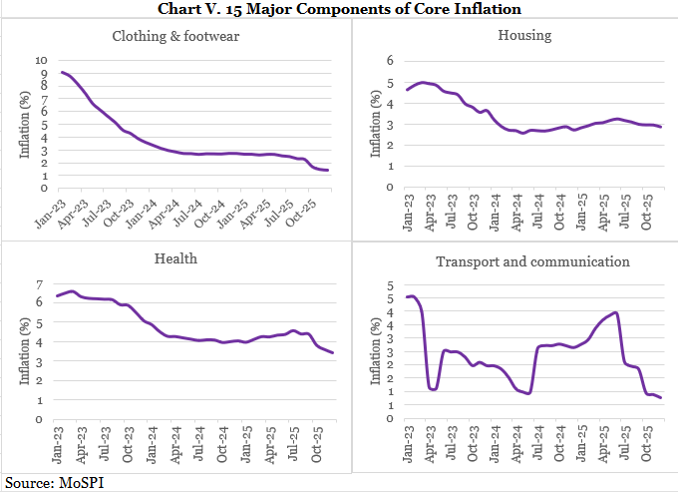

 |  |  |  |  |  |  | Jul-23 | Aug-23 | Sep-23 | Oct-23 | Nov-23 | Dec-23 | Jan-24 | Feb-24 | Mar-24 | Apr-24 | May-24 | Jun-24 | Jul-24 | Aug-24 | Sep-24 | Oct-24 | Nov-24 | Dec-24 | Jan-25 | Feb-25 | Mar-25
 |  |  |  |  |  |  | 8 | 7 | 5 | 5 | 6 | 6 | 5 | 5 | 6 | 5 | 5 | 6 | 4 | 4 | 6 | 7 | 6 | 6 | 5 | 4 | 3
 |  |  |  |  |  |  | 7 | 7 | 5 | 5 | 5 | 5 | 5 | 5 | 4 | 4 | 4 | 4 | 3 | 3 | 5 | 6 | 5 | 5 | 4 | 3 | 3

Chart V. 17 Headline Inflation: Rural and Urban
 | Rural | Urban
Jan-23 | 7 | 6
Feb-23 | 7 | 6
Mar-23 | 6 | 6
Apr-23 | 5 | 5
May-23 | 4 | 4
Jun-23 | 5 | 5
Jul-23 | 8 | 7
Aug-23 | 7 | 7
Sep-23 | 5 | 5
Oct-23 | 5 | 5
Nov-23 | 6 | 5
Dec-23 | 6 | 5
Jan-24 | 5 | 5
Feb-24 | 5 | 5
Mar-24 | 6 | 4
Apr-24 | 5 | 4
May-24 | 5 | 4
Jun-24 | 6 | 4
Jul-24 | 4 | 3
Aug-24 | 4 | 3
Sep-24 | 6 | 5
Oct-24 | 7 | 6
Nov-24 | 6 | 5
Dec-24 | 6 | 5
Jan-25 | 5 | 4
Feb-25 | 4 | 3
Mar-25 | 3 | 3
Apr-25 | 3 | 3
May-25 | 3 | 3
Jun-25 | 2 | 3
Jul-25 | 1 | 2
Aug-25 | 2 | 2
Sep-25 | 1 | 2
Oct-25 | 0 | 1
Nov-25 | 0 | 1

 | Jan-23 | Feb-23 | Mar-23 | Apr-23 | May-23 | Jun-23 | Jul-23 | Aug-23 | Sep-23 | Oct-23 | Nov-23 | Dec-23 | Jan-24 | Feb-24 | Mar-24 | Apr-24 | May-24 | Jun-24 | Jul-24 | Aug-24 | Sep-24 | Oct-24 | Nov-24 | Dec-24 | Jan-25 | Feb-25 | Mar-25
Rural | 6 | 6 | 6 | 5 | 5 | 5 | 5 | 5 | 5 | 4 | 4 | 4 | 4 | 3 | 3 | 3 | 3 | 3 | 4 | 4 | 4 | 4 | 4 | 4 | 4 | 4 | 4
Urban | 6 | 6 | 6 | 5 | 5 | 5 | 5 | 5 | 4 | 4 | 4 | 4 | 4 | 3 | 3 | 3 | 3 | 3 | 3 | 3 | 3 | 4 | 4 | 3 | 4 | 4 | 4
Chart V. 18 Core Inflation: Rural and Urban
 | Rural | Urban
Jan-23 | 6 | 6
Feb-23 | 6 | 6
Mar-23 | 6 | 6
Apr-23 | 5 | 5
May-23 | 5 | 5
Jun-23 | 5 | 5
Jul-23 | 5 | 5
Aug-23 | 5 | 5
Sep-23 | 5 | 4
Oct-23 | 4 | 4
Nov-23 | 4 | 4
Dec-23 | 4 | 4
Jan-24 | 4 | 4
Feb-24 | 3 | 3
Mar-24 | 3 | 3
Apr-24 | 3 | 3
May-24 | 3 | 3
Jun-24 | 3 | 3
Jul-24 | 4 | 3
Aug-24 | 4 | 3
Sep-24 | 4 | 3
Oct-24 | 4 | 4
Nov-24 | 4 | 4
Dec-24 | 4 | 3
Jan-25 | 4 | 4
Feb-25 | 4 | 4
Mar-25 | 4 | 4
Apr-25 | 4 | 4
May-25 | 4 | 4
Jun-25 | 5 | 4
Jul-25 | 4 | 4
Aug-25 | 4 | 4
Sep-25 | 5 | 4
Oct-25 | 5 | 4
Nov-25 | 5 | 4

Chart V.16
 | Terms of Trade of Manufacturing sector with Agriculture and Services: FY05-FY25 (Base Year 2011-12)
Annual GVA/GDP at Constant Prices | (Rupees in Crores)
GVA at Constant basic prices from | FY05 | FY06 | FY07 | FY08 | FY09 | FY10 | FY11 | FY12 | FY13 | FY14 | FY15 | FY16 | FY17 | FY18 | FY19 | FY20 | FY21 | FY22
GVA industry Current /Constant | 0.60 | 0.63 | 0.68 | 0.73 | 0.79 | 0.84 | 0.92 | 1.00 | 1.07 | 1.13 | 1.14 | 1.14 | 1.15 | 1.20 | 1.26 | 1.26 | 1.28 | 1.43
GVA manufacturing Current /Constant | 0.64 | 0.67 | 0.72 | 0.76 | 0.82 | 0.86 | 0.95 | 1.00 | 1.06 | 1.10 | 1.12 | 1.13 | 1.14 | 1.16 | 1.21 | 1.20 | 1.20 | 1.32
GVA Agl current /Constant | 0.49 | 0.53 | 0.57 | 0.63 | 0.71 | 0.82 | 0.92 | 1.00 | 1.10 | 1.20 | 1.30 | 1.38 | 1.46 | 1.54 | 1.61 | 1.69 | 1.79 | 1.89
Ratio of Manufacturing deflator to Agricultural deflator | 1.29 | 1.26 | 1.25 | 1.21 | 1.17 | 1.05 | 1.03 | 1.00 | 0.96 | 0.92 | 0.86 | 0.82 | 0.78 | 0.76 | 0.75 | 0.71 | 0.67 | 0.70
GVA of Services Current /Constant | 0.59 | 0.62 | 0.67 | 0.72 | 0.79 | 0.84 | 0.92 | 1.00 | 1.07 | 1.13 | 1.17 | 1.18 | 1.22 | 1.27 | 1.33 | 1.38 | 1.42 | 1.54
Ratio of Manufacturing deflator to Service deflator | 1.08 | 1.08 | 1.07 | 1.05 | 1.04 | 1.02 | 1.04 | 1.00 | 0.99 | 0.97 | 0.95 | 0.95 | 0.93 | 0.92 | 0.91 | 0.87 | 0.85 | 0.86

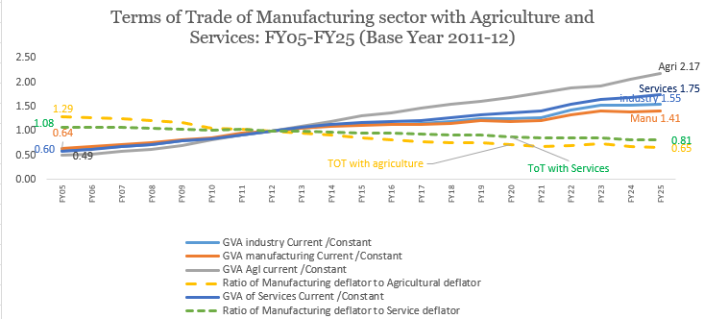

ChartV.17
 | Chart V. 17 Headline Inflation: Rural and Urban
 | Jan-23 | Feb-23 | Mar-23 | Apr-23 | May-23 | Jun-23 | Jul-23 | Aug-23 | Sep-23 | Oct-23 | Nov-23 | Dec-23 | Jan-24 | Feb-24 | Mar-24 | Apr-24 | May-24 | Jun-24 | Jul-24
Rural | 7 | 7 | 6 | 5 | 4 | 5 | 8 | 7 | 5 | 5 | 6 | 6 | 5 | 5 | 6 | 5 | 5 | 6 | 4
Urban | 6 | 6 | 6 | 5 | 4 | 5 | 7 | 7 | 5 | 5 | 5 | 5 | 5 | 5 | 4 | 4 | 4 | 4 | 3

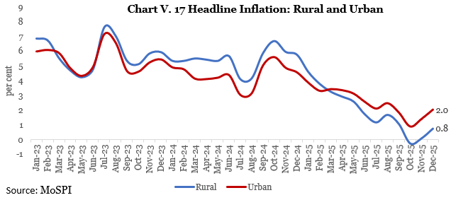

ChartV.18
 | Chart V. 18 Core Inflation: Rural and Urban
 | Jan-23 | Feb-23 | Mar-23 | Apr-23 | May-23 | Jun-23 | Jul-23 | Aug-23 | Sep-23 | Oct-23 | Nov-23 | Dec-23 | Jan-24 | Feb-24 | Mar-24 | Apr-24 | May-24 | Jun-24 | Jul-24 | Aug-24 | Sep-24 | Oct-24
Rural | 6 | 6 | 6 | 5 | 5 | 5 | 5 | 5 | 5 | 4 | 4 | 4 | 4 | 3 | 3 | 3 | 3 | 3 | 4 | 4 | 4 | 4
Urban | 6 | 6 | 6 | 5 | 5 | 5 | 5 | 5 | 4 | 4 | 4 | 4 | 4 | 3 | 3 | 3 | 3 | 3 | 3 | 3 | 3 | 4

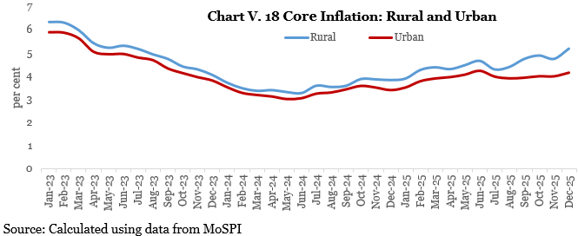

ChartV.19
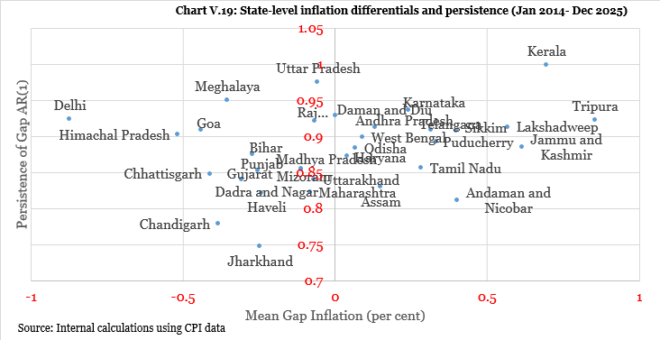
 | Chart V.19: State-level inflation differentials and persistence (Jan 2014- Dec 2025)
States | Mean Gap | Slope
Andaman and Nicobar Islands | 0.40336074187 | 0.81113572324
Andhra Pradesh | 0.13237309099 | 0.91239902923

Assam | 0.15070975793 | 0.82920002687
Bihar | -0.26957274495 | 0.87400043876
Chandigarh | -0.38344297986 | 0.77854777961
Chhattisgarh | -0.41057825998 | 0.84767178876
Dadra and Nagar Haveli | -0.24202398342 | 0.82123577607
Daman and Diu | 0.002746754833 | 0.92893870573
Delhi | -0.8720878307 | 0.92351975654
Goa | -0.44108679173 | 0.90895298976
Gujarat | -0.30533694987 | 0.83937796298
Haryana | 0.040940909479 | 0.87166490666
Himachal Pradesh | -0.51586818055 | 0.9025411795
Jammu and Kashmir | 0.6147923765 | 0.8846345614
Jharkhand | -0.24604311167 | 0.74706110667
Karnataka | 0.24200838155 | 0.93602400753
Kerala | 0.69545818993 | 0.99851704685
Lakshadweep | 0.56823784216 | 0.9126318959
Madhya Pradesh | -0.10929178988 | 0.85518473762
Maharashtra | -0.082176860029 | 0.82188287947

Meghalaya | -0.3541361853 | 0.94966267174
Mizoram | -0.11079183976 | 0.85316140335

Odisha | 0.067858990235 | 0.88285362457
Puducherry | 0.33306888855 | 0.89209044763
Punjab | -0.25268489998 | 0.85255939052
Rajasthan | -0.065619712604 | 0.92084830093
Sikkim | 0.39910975863 | 0.90769663073
...

Chart V.20
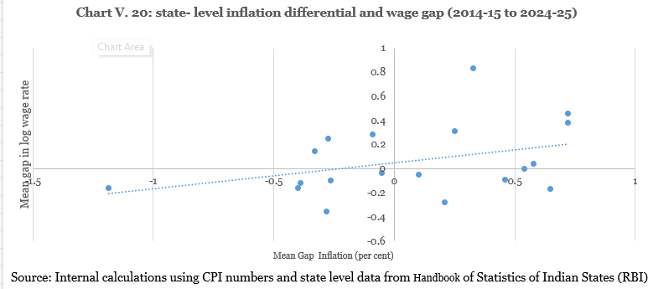
 | Chart V. 20: state- level inflation differential and wage gap (2014-15 to 2024-25)
States | Inflation | Aver wage | Log wage | Infl_diff | Wage_ln_diff
Andhra Pradesh | 5.4152907575 | 311.018 | 5.7398507883 | 0.57904132976 | 0.044436563332
Assam | 4.9376106822 | 282.964 | 5.6453196811 | 0.10136125443 | -0.050094543915
Bihar | 4.5728124442 | 269.463 | 5.5964310896 | -0.26343698356 | -0.098983135342
Gujarat | 5.0444983196 | 224.659 | 5.414583697 | 0.20824889192 | -0.28083052795
Haryana | 4.7448522595 | 395.909 | 5.9811843869 | -0.091397168174 | 0.28577016188
Himachal Pradesh | 4.5606024956 | 381.972 | 5.9453473075 | -0.27564693211 | 0.24993308251
Jammu and Kashmir | 5.5573187549 | 470.418 | 6.1536216612 | 0.72106932714 | 0.45820743617
Karnataka | 5.3756228174 | 296.505 | 5.6920640817 | 0.53937338963 | -0.0033501432837
Kerala | 5.1655162844 | 685.409 | 6.5300157404 | 0.32926685667 | 0.83460151539
Madhya Pradesh | 4.5547134335 | 208.655 | 5.3406821703 | -0.2815359942 | -0.35473205466
Maharashtra | 4.4366816609 | 252.631 | 5.5319299261 | -0.39956776687 | -0.16348429893
Meghalaya | 3.6518550424 | 253.495 | 5.535344099 | -1.1843943853 | -0.16007012601
Odisha | 5.4841040013 | 251.991 | 5.5293933726 | 0.6478545736 | -0.1660208524
Punjab | 4.5073578725 | 344.014 | 5.8406823542 | -0.32889155526 | 0.14526812923
Rajasthan | 5.0867594787 | 405.85 | 6.0059836332 | 0.25051005099 | 0.31056940822
Tamil Nadu | 5.5555367806 | 435.205 | 6.0758171844 | 0.71928735283 | 0.38040295946
Tripura | 4.4460258739 | 265.127 | 5.5802089565 | -0.39022355383 | -0.11520526852
Uttar Pradesh | 5.2979077742 | 271.154 | 5.6026869252 | 0.46165834643 | -0.092727299825
West Bengal | 4.7843395053 | 287.027 | 5.659576288 | -0.051909922446 | -0.035837936996
All India | 4.8362494277 | 297.5 | 5.695414225

