Chart IV.1
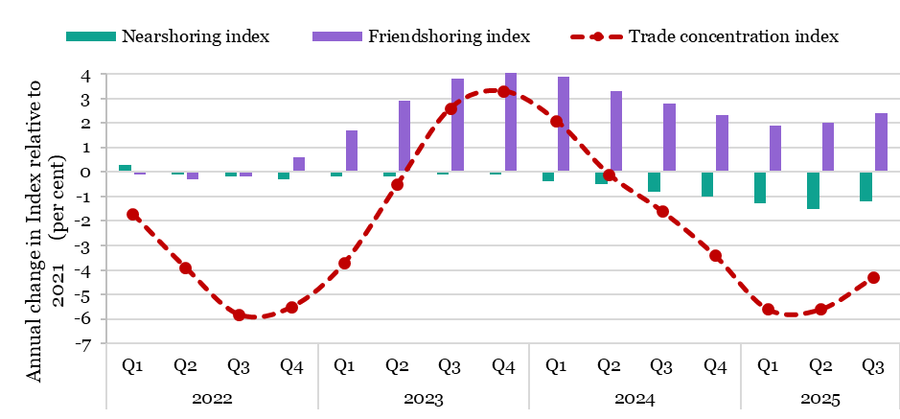
 |  | Nearshoring index | Friendshoring index | Trade concentration index
2022 | Q1 | 0.3 | -0.1 | -1.7
 | Q2 | -0.1 | -0.3 | -3.9
 | Q3 | -0.2 | -0.2 | -5.8
 | Q4 | -0.3 | 0.6 | -5.5
2023 | Q1 | -0.2 | 1.7 | -3.7
 | Q2 | -0.2 | 2.9 | -0.5
 | Q3 | -0.1 | 3.8 | 2.6
 | Q4 | -0.1 | 4.1 | 3.3
2024 | Q1 | -0.4 | 3.9 | 2.1
 | Q2 | -0.5 | 3.3 | -0.1
 | Q3 | -0.8 | 2.8 | -1.6
 | Q4 | -1 | 2.3 | -3.4
2025 | Q1 | -1.3 | 1.9 | -5.6
 | Q2 | -1.5 | 2 | -5.6
 | Q3 | -1.2 | 2.4 | -4.3
Source: UNCTAD estimates based on national statistics

Chart IV.2
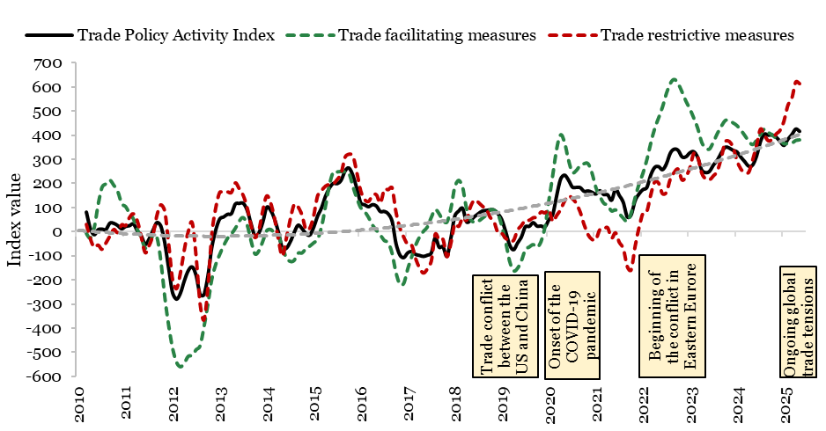
Chart IV.2: Developments in the Global Trade Policy Activity Index
Date | Trade Policy Activity Index | Trade facilitating measures | Trade restrictive measures
Jan-10
Feb-10
Mar-10 | 81.20 | -8.21 | 32.03
Apr-10 | 12.99 | -26.92 | -27.67
May-10 | -12.81 | 16.35 | -63.11
Jun-10 | 8.33 | 111.83 | -54.27
Jul-10 | 10.34 | 183.46 | -71.47
Aug-10 | 9.12 | 197.83 | -44.76
Sep-10 | 35.40 | 212.89 | -16.46
Oct-10 | 34.27 | 191.33 | 10.68
Nov-10 | 25.35 | 166.22 | -1.97
Dec-10 | 11.70 | 115.57 | 29.58
Jan-11 | 21.59 | 103.11 | 27.07
Feb-11 | 24.75 | 75.57 | 60.48
Mar-11 | 32.15 | 51.86 | 75.69
Apr-11 | 3.63 | 8.24 | 46.25
May-11 | -17.43 | -26.39 | -19.91
Jun-11 | -53.09 | -68.73 | -85.10
Jul-11 | -30.09 | -54.22 | -56.07
Aug-11 | 5.77 | -16.00 | -10.45
Sep-11 | 37.78 | -24.56 | 69.39
Oct-11 | 23.29 | -122.39 | 113.09
Nov-11 | -46.93 | -271.32 | 86.60
Dec-11 | -153.47 | -390.66 | -50.86
Jan-12 | -253.93 | -484.88 | -197.75
Feb-12 | -280.06 | -542.10 | -235.01
Mar-12 | -255.19 | -560.89 | -168.88
Apr-12 | -203.32 | -545.31 | -71.92
May-12 | -161.63 | -517.37 | 2.49
Jun-12 | -146.35 | -513.97 | 38.12
Jul-12 | -181.59 | -490.01 | -102.25
Aug-12 | -260.41 | -474.49 | -296.77
Sep-12 | -261.28 | -395.66 | -364.42
Oct-12 | -184.37 | -301.72 | -229.90
Nov-12 | -65.36 | -197.79 | -9.57
Dec-12 | 6.16 | -136.92 | 99.41
Jan-13 | 52.48 | -95.46 | 164.09
Feb-13 | 60.91 | -59.54 | 162.92
Mar-13 | 71.92 | -28.46 | 166.59
Apr-13 | 74.69 | -9.80 | 164.42
May-13 | 114.41 | 12.88 | 203.83
Jun-13 | 117.17 | 42.51 | 179.29
Jul-13 | 117.88 | 57.84 | 152.18
Aug-13 | 89.53 | 28.49 | 102.43
Sep-13 | 33.96 | -37.65 | 27.85
Oct-13 | -18.90 | -92.28 | -22.58
Nov-13 | -5.65 | -80.34 | 6.18
Dec-13 | 39.08 | -40.87 | 89.17
Jan-14 | 100.51 | 2.60 | 149.25
Feb-14 | 88.59 | 8.48 | 121.55
Mar-14 | 52.52 | -6.44 | 57.01
Apr-14 | -2.44 | -19.11 | -30.45
May-14 | -69.66 | -64.81 | -99.71
Jun-14 | -69.12 | -108.63 | -27.36
Jul-14 | -43.15 | -123.84 | 50.97
Aug-14 | -4.48 | -120.02 | 113.70
Sep-14 | 26.80 | -89.98 | 104.56
Oct-14 | 13.19 | -89.07 | 70.54
Nov-14 | -7.75 | -71.40 | 11.57
Dec-14 | -13.93 | -60.61 | 15.51
Jan-15 | 18.56 | -47.09 | 68.68
Feb-15 | 65.19 | -31.65 | 150.74
Mar-15 | 98.98 | 19.26 | 172.10
Apr-15 | 146.15 | 104.50 | 190.30
May-15 | 180.94 | 191.74 | 197.69
Jun-15 | 200.36 | 246.93 | 199.74
Jul-15 | 199.08 | 247.08 | 218.04
Aug-15 | 213.19 | 248.95 | 243.22
Sep-15 | 251.77 | 247.28 | 310.15
Oct-15 | 264.09 | 241.66 | 322.67
Nov-15 | 233.03 | 186.94 | 316.86
Dec-15 | 179.87 | 138.00 | 247.02
Jan-16 | 119.13 | 98.72 | 170.32
Feb-16 | 111.40 | 82.83 | 135.03
Mar-16 | 103.36 | 58.02 | 126.89
Apr-16 | 112.09 | 26.31 | 152.16
May-16 | 106.22 | 4.76 | 154.36
Jun-16 | 83.45 | -14.03 | 120.12
Jul-16 | 83.84 | -37.16 | 176.52
Aug-16 | 74.04 | -46.52 | 175.51
Sep-16 | 43.62 | -90.61 | 183.52
Oct-16 | -48.80 | -170.70 | 82.09
Nov-16 | -97.17 | -219.49 | 16.95
Dec-16 | -107.68 | -214.59 | -21.68
Jan-17 | -87.58 | -154.15 | -52.16
Feb-17 | -82.36 | -104.82 | -54.88
Mar-17 | -94.21 | -56.86 | -110.05
Apr-17 | -98.60 | -23.08 | -148.64
May-17 | -102.81 | 0.31 | -170.12
Jun-17 | -97.80 | 19.13 | -152.38
Jul-17 | -88.90 | 58.48 | -120.56
Aug-17 | -25.46 | 91.13 | -9.79
Sep-17 | -64.61 | 73.38 | -33.28
Oct-17 | -62.89 | 46.15 | -30.75
Nov-17 | -101.99 | 39.18 | -101.99
Dec-17 | -26.72 | 95.34 | -45.82
Jan-18 | 64.92 | 184.42 | 33.56
Feb-18 | 85.18 | 212.04 | 23.47
Mar-18 | 96.52 | 182.81 | 59.49
Apr-18 | 40.79 | 94.84 | 49.38
May-18 | 46.95 | 50.31 | 104.80
Jun-18 | 62.11 | 38.21 | 132.48
Jul-18 | 74.55 | 42.38 | 123.34
Aug-18 | 85.56 | 54.81 | 107.54
Sep-18 | 88.22 | 67.77 | 95.77
Oct-18 | 90.62 | 89.02 | 61.79
Nov-18 | 89.89 | 87.98 | 43.10
Dec-18 | 74.61 | 72.67 | -2.74
Jan-19 | 48.97 | 23.01 | -5.35
Feb-19 | -0.92 | -45.38 | -26.52
Mar-19 | -55.87 | -123.85 | -36.84
Apr-19 | -75.20 | -162.93 | -34.55
May-19 | -47.70 | -152.62 | 7.59
Jun-19 | -21.91 | -121.65 | 27.12
Jul-19 | 20.19 | -75.19 | 49.24
Aug-19 | 21.71 | -64.31 | 49.12
Sep-19 | 37.45 | -54.02 | 59.26
Oct-19 | 22.85 | -65.58 | 62.08
Nov-19 | 23.52 | -41.68 | 83.04
Dec-19 | 19.54 | 18.56 | 79.59
Jan-20 | 49.30 | 127.99 | 91.59
Feb-20 | 71.60 | 233.58 | 44.00
Mar-20 | 150.08 | 342.64 | 69.29
Apr-20 | 217.91 | 400.63 | 92.90
May-20 | 234.58 | 369.14 | 128.21
Jun-20 | 214.27 | 297.33 | 150.90
Jul-20 | 184.72 | 244.92 | 138.64
Aug-20 | 183.60 | 252.83 | 118.97
Sep-20 | 182.71 | 273.99 | 82.77
Oct-20 | 167.07 | 281.12 | 30.40
Nov-20 | 168.92 | 281.11 | -10.29
Dec-20 | 163.48 | 242.99 | -30.22
Jan-21 | 155.84 | 181.84 | -31.32
Feb-21 | 169.75 | 146.02 | 10.34
Mar-21 | 153.98 | 117.44 | 12.34
Apr-21 | 152.97 | 108.71 | 17.97
May-21 | 130.05 | 84.98 | -24.94
Jun-21 | 175.73 | 89.81 | -3.28
Jul-21 | 149.66 | 73.35 | -43.35
Aug-21 | 121.01 | 55.09 | -68.54
Sep-21 | 61.15 | 41.62 | -142.75
Oct-21 | 69.34 | 76.49 | -157.06
Nov-21 | 127.92 | 139.38 | -60.02
Dec-21 | 156.29 | 196.06 | 17.92
Jan-22 | 174.51 | 241.14 | 77.90
Feb-22 | 183.02 | 296.70 | 85.76
Mar-22 | 235.13 | 366.14 | 154.28
Apr-22 | 266.29 | 426.29 | 207.42
May-22 | 269.96 | 470.96 | 202.76
Jun-22 | 256.94 | 516.22 | 158.85
Jul-22 | 281.29 | 572.36 | 164.98
Aug-22 | 326.41 | 613.99 | 220.16
Sep-22 | 342.22 | 630.56 | 247.80
Oct-22 | 337.11 | 612.23 | 260.56
Nov-22 | 310.16 | 578.14 | 215.82
Dec-22 | 310.80 | 539.54 | 230.87
Jan-23 | 327.47 | 507.64 | 266.97
Feb-23 | 331.30 | 469.37 | 327.16
Mar-23 | 307.08 | 427.30 | 310.01
Apr-23 | 255.78 | 369.82 | 245.33
May-23 | 245.08 | 346.37 | 220.47
Jun-23 | 250.28 | 341.98 | 216.69
Jul-23 | 276.60 | 372.30 | 233.33
Aug-23 | 297.18 | 406.40 | 253.73
Sep-23 | 326.77 | 435.99 | 308.66
Oct-23 | 350.02 | 459.75 | 374.64
Nov-23 | 347.27 | 460.50 | 375.95
Dec-23 | 337.33 | 450.36 | 351.36
Jan-24 | 330.82 | 438.95 | 295.81
Feb-24 | 309.00 | 420.23 | 261.33
Mar-24 | 290.11 | 397.67 | 246.35
Apr-24 | 271.54 | 374.70 | 247.78
May-24 | 276.34 | 360.28 | 299.41
Jun-24 | 313.20 | 378.52 | 359.68
Jul-24 | 374.02 | 401.89 | 426.71
Aug-24 | 404.50 | 425.00 | 401.50
Sep-24 | 400.12 | 410.15 | 378.33
Oct-24 | 401.11 | 400.09 | 384.96
Nov-24 | 392.00 | 386.26 | 406.52
Dec-24 | 374.44 | 378.40 | 422.02
Jan-25 | 357.88 | 363.73 | 460.87
Feb-25 | 383.54 | 365.44 | 525.87
Mar-25 | 402.81 | 366.23 | 554.82
Apr-25 | 425.52 | 377.28 | 621.93
May-25 | 415.91 | 379.79 | 614.98
Source: Centorrino, S., Diakantoni, A., Keck, A., Ruta, M., Sztajerowska, M., & Wei, Y. (2025). Measuring global trade policy activity

Chart IV.3
Chart IV.3: Rise in global uncertainty
 | Trade Policy Uncertainty Index | TPU Index YoY growth | Global Economic Policy Uncertainty Index | GEPU Index YoY growth
Jan-23 | 52.7 |  | 229.4
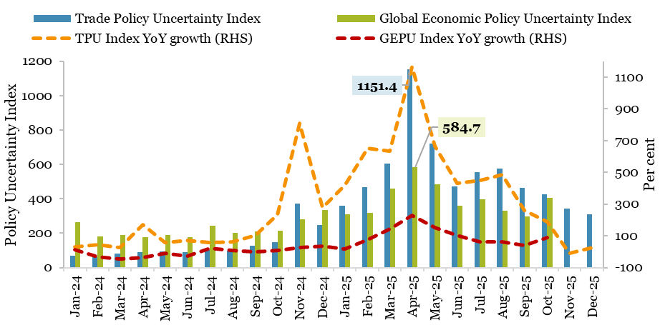
Feb-23 | 43.7 |  | 263.6
Mar-23 | 65.4 |  | 340.0
Apr-23 | 33.9 |  | 284.5
May-23 | 59.7 |  | 214.1
Jun-23 | 52.3 |  | 238.5
Jul-23 | 63.3 |  | 203.3
Aug-23 | 60.0 |  | 188.6
Sep-23 | 63.6 |  | 213.4
Oct-23 | 44.5 |  | 199.5
Nov-23 | 40.9 |  | 221.2
Dec-23 | 65.3 |  | 250.1
Jan-24 | 69.6 | 32.0 | 263.2 | 14.7
Feb-24 | 62.6 | 43.3 | 182.0 | -30.9
Mar-24 | 82.2 | 25.6 | 189.9 | -44.1
Apr-24 | 91.0 | 168.4 | 178.1 | -37.4
May-24 | 94.5 | 58.4 | 191.4 | -10.6
Jun-24 | 89.1 | 70.2 | 175.6 | -26.4 | Note: The most recent data for the GEPU Index is available as of October 2025, as retrieved from the website on 15 January 2025.
Jul-24 | 101.4 | 60.1 | 244.9 | 20.5
Aug-24 | 98.1 | 63.7 | 202.2 | 7.2
Sep-24 | 128.6 | 102.3 | 211.6 | -0.8
Oct-24 | 147.9 | 232.7 | 215.3 | 7.9
Nov-24 | 373.3 | 811.7 | 282.0 | 27.5
Dec-24 | 247.7 | 279.2 | 336.7 | 34.6
Jan-25 | 360.9 | 418.5 | 309.7 | 17.6
Feb-25 | 469.8 | 650.7 | 320.0 | 75.8
Mar-25 | 603.1 | 633.8 | 459.4 | 141.9
Apr-25 | 1151.4 | 1165.6 | 584.7 | 228.2
May-25 | 723.1 | 665.4 | 484.7 | 153.2
Jun-25 | 472.5 | 430.6 | 358.6 | 104.2
Jul-25 | 554.9 | 447.4 | 395.3 | 61.5
Aug-25 | 575.8 | 486.8 | 332.1 | 64.2
Sep-25 | 465.3 | 261.7 | 297.6 | 40.6
...

Chart IV.4
...
2024 | 2025 | 2026
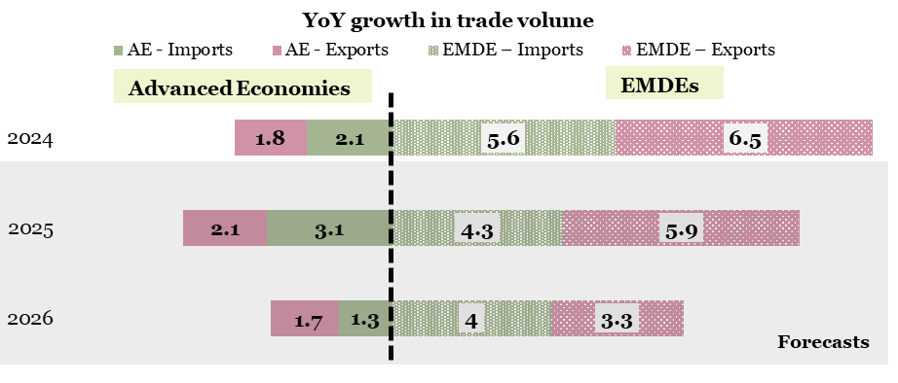
...
2.1 | 3.1 | 1.3
5.6 | 4.3 | 4
...
1.8 | 2.1 | 1.7
6.5 | 5.9 | 3.3
...

Chart IV.5
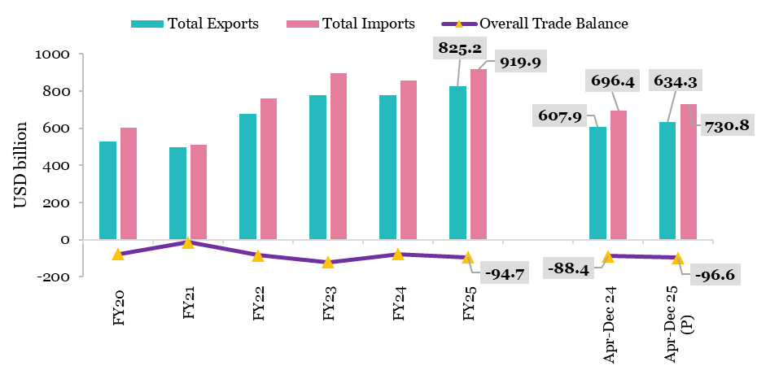
Chart IV.5: India’s total (merchandise and services) trade
 | Total Exports | Total Imports | Overall Trade Balance
FY20 | 526.6 | 603.0 | -76.4
FY21 | 497.9 | 512.0 | -14.1
FY22 | 676.5 | 760.1 | -83.5
FY23 | 776.4 | 898.0 | -121.6
FY24 | 778.1 | 856.5 | -78.4
FY25 | 825.2 | 919.9 | -94.7

Apr-Dec 24 | 607.9 | 696.4 | -88.4
Apr-Dec 25 (P) | 634.3 | 730.8 | -96.6
Source 1: FTPA, Department of Commerce
Source 2: DBIE, RBI

Chart IV.6
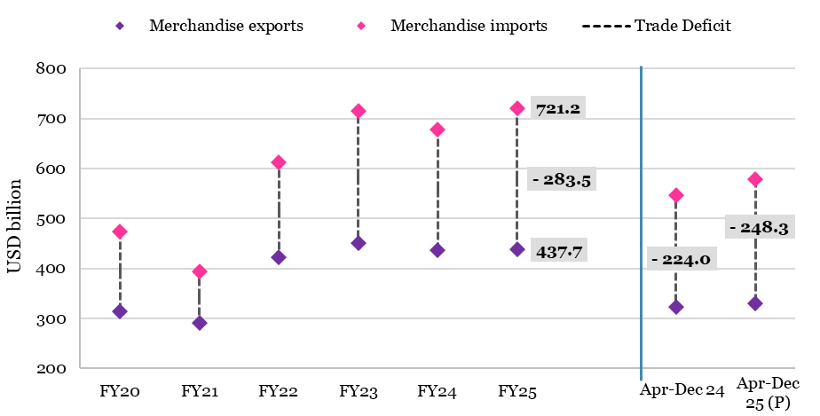
Chart IV.6: India’s merchandise trade performance
 | Merchandise exports | Merchandise imports | Merchandise Trade Deficit
FY20 | 313.4 | 474.7 | -161.3
FY21 | 291.8 | 394.4 | -102.6
FY22 | 422.0 | 613.1 | -191.0
FY23 | 451.1 | 716.0 | -264.9
FY24 | 437.1 | 678.2 | -241.1
FY25 | 437.7 | 721.2 | -283.5

Apr-Dec 24 | 322.4 | 546.4 | -224.0
Apr-Dec 25 (P) | 330.3 | 578.6 | -248.3
Source: FTPA, Department of Commerce

Chart IV.7
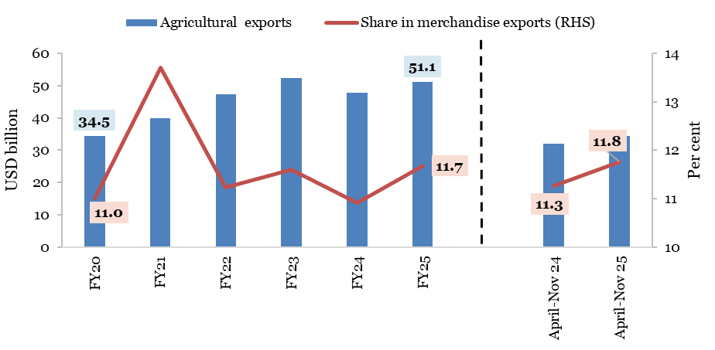
Table 1V.7: Trends in agricultural exports
 | Agricultural exports | YoY growth rate | Share in merchandise exports
 | USD billion | per cent
FY19 | 37.1 |  | 11.2
FY20 | 34.5 | -6.9 | 11.0
FY21 | 40.0 | 15.8 | 13.7
FY22 | 47.4 | 18.6 | 11.2
FY23 | 52.3 | 10.5 | 11.6
FY24 | 47.7 | -8.9 | 10.9
FY25 | 51.1 | 7.2 | 11.7

April-Nov 24 | 32.1 |  | 11.3
April-Nov 25 | 34.3 | 7.1 | 11.8
Source: FTPA, Department of Commerce

Chart IV.8
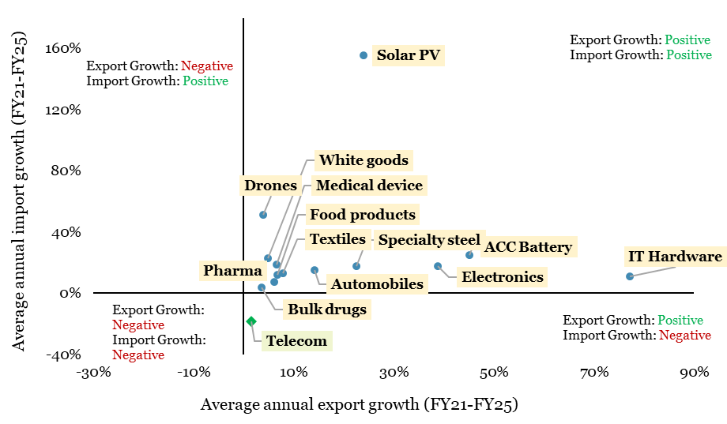
Chart IV.8: Trade performance of the PLI sectors
PLI Sector | Average annual growth rate in exports (FY21 - FY25) | Average annual growth rate in imports (FY21 - FY25)
Pharma | 6.0% | 7.39%
Electronics | 38.8% | 17.59%
Telecom | 1.5% | -18.51%
Food products | 6.7% | 12.06%
Bulk drugs | 3.5% | 3.55%
Medical device | 6.5% | 18.56%
White goods | 4.8% | 22.67%
Drones | 3.9% | 51.07%
IT Hardware | 77.2% | 11.05%
Automobiles | 14.1% | 15.13%
Textiles | 7.8% | 13.25%
Solar PV | 23.9% | 155.42%
ACC Battery | 45.0% | 24.86%
Specialty steel | 22.5% | 17.51%
Source: Department of Commerce

Chart IV.9
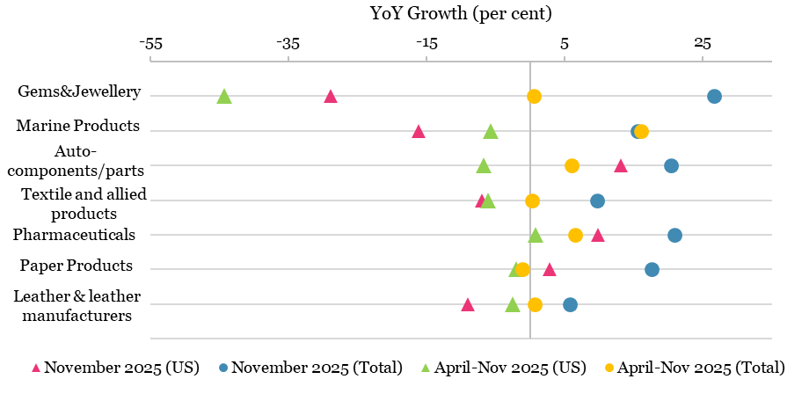
Chart IV.9: Exports from labour-intensive sectors to the US and India's total exports
Sector | November 2025 (US) | April-Nov 2025 (US) | November 2025 (Total) | April-Nov 2025 (Total)
Gems&Jewellery | -28.9 | -44.3 | 26.6 | 0.6
Marine Products | -16.2 | -5.7 | 15.5 | 16.1
Auto-components/parts | 13.1 | -6.8 | 20.4 | 6.0
Textile and allied products | -7.0 | -6.1 | 9.7 | 0.3
Pharmaceuticals | 9.8 | 0.8 | 20.9 | 6.5
Paper Products | 2.8 | -2.1 | 17.5 | -1.2
Leather & leather manufacturers | -9.1 | -2.6 | 5.7 | 0.6
Source : FTPA, Department of Commerce

Chart IV.10
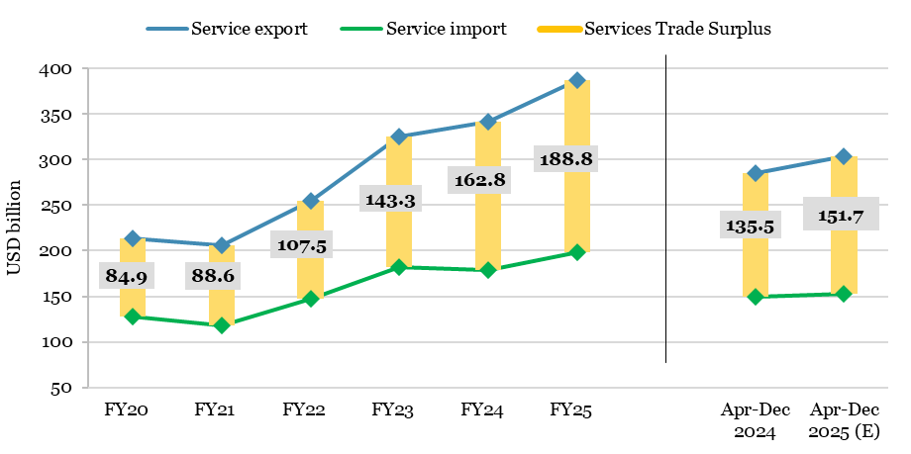
Chart IV.10: India’s service trade performance
Year | Service export | Service import | Net of Services
FY20 | 213.2 | 128.3 | 84.9
FY21 | 206.1 | 117.5 | 88.6
FY22 | 254.5 | 147.0 | 107.5
FY23 | 325.3 | 182.0 | 143.3
FY24 | 341.1 | 178.3 | 162.8
FY25 | 387.5 | 198.7 | 188.8

Apr-Dec 2024 | 285.5 | 150.0 | 135.5
Apr-Dec 2025 (E) | 304.0 | 152.2 | 151.7
Source 1: DBIE, RBI
Source 2: PIB press release of the Ministry of Commerce and Industry, dated 15 January 2026
Note: E – estimates.

Chart IV.11
Chart IV.11: Share of business and software service exports in India’s total service exports
 | 2021-22 |  |  |  | 2022-23 |  |  |  | 2023-24 (PR) |  |  |  | 2024-25 (P)
 | Q1 | Q2 | Q3 | Q4 | Q1 | Q2 | Q3 | Q4 | Q1 | Q2 | Q3 | Q4 | Q1 | Q2 | Q3 | Q4
Share of Software services in Services exports | 49.1 | 48.8 | 47.4 | 46.9 | 45.3 | 45.3 | 45.1 | 44.8 | 47.4 | 47.5 | 46.8 | 46.5 | 47.4 | 47.2 | 46.0 | 46.0
Share of Business services in Services exports | 23.1 | 22.6 | 22.8 | 24.1 | 23.3 | 23.9 | 25.4 | 25.9 | 27.1 | 25.8 | 25.8 | 25.3 | 26.0 | 26.9 | 28.6 | 28.8
Source: DBIE, RBI
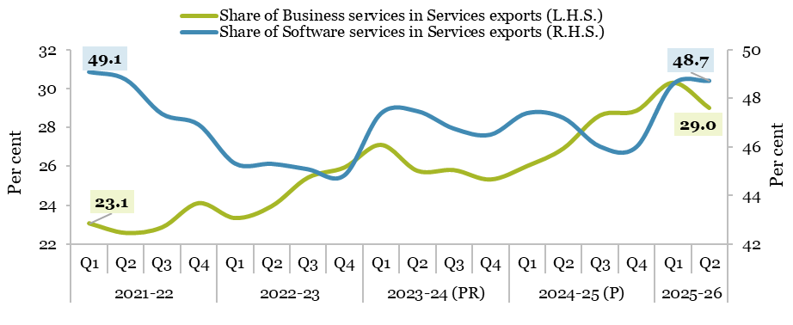

Chart IV.12
Chart IV.12: India’s current account balance
USD million
Year | CAB | Net Merchandise | Net Services | Net transfers | Net income
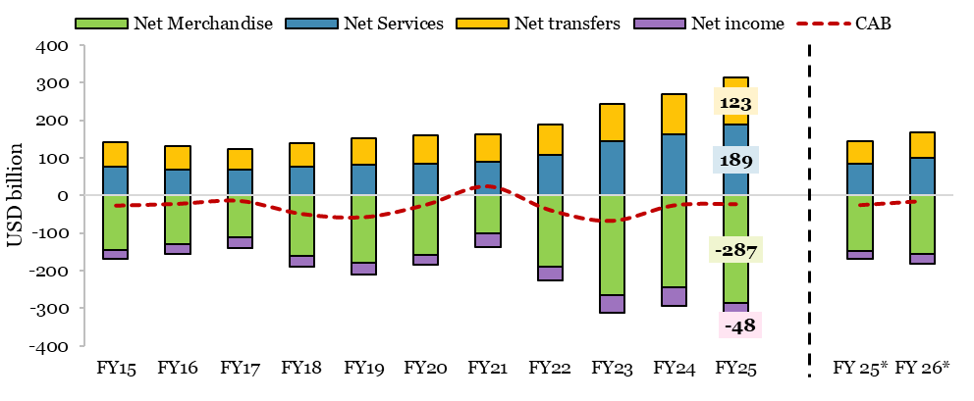
FY15 | -26.9 | -144.9 | 76.5 | 65.7 | -24.1
FY16 | -22.2 | -130.1 | 69.7 | 62.6 | -24.4
FY17 | -14.4 | -112.4 | 68.3 | 56.0 | -26.3
FY18 | -48.7 | -160.0 | 77.6 | 62.4 | -28.7
FY19 | -57.3 | -180.3 | 81.9 | 69.9 | -28.9
FY20 | -24.7 | -157.5 | 84.9 | 75.2 | -27.3
FY21 | 23.9 | -102.2 | 88.6 | 73.5 | -36.0
FY22 | -38.8 | -189.5 | 107.5 | 80.4 | -37.3
FY23 | -67.1 | -265.3 | 143.3 | 100.9 | -45.9
FY24 | -26.1 | -244.9 | 162.8 | 105.8 | -49.7
FY25 | -23.1 | -286.9 | 188.8 | 123.4 | -48.3
FY 25* | -25.3 | -148.3 | 84.3 | 58.7 | -20.0
FY 26* | -15.0 | -156.3 | 98.8 | 67.5 | -25.0
Notes : * - (April-September of FY)
1. Data for 2024-25 are preliminary estimates and 2023-24 are partially revised.
2.Total may not tally due to rounding off.
Source: Table 127 India’s Overall Balance of Payments, Handbook of Statistics on the Indian Economy, RBI and RBI’s Press release dated 1 December 2025.

Chart IV.13
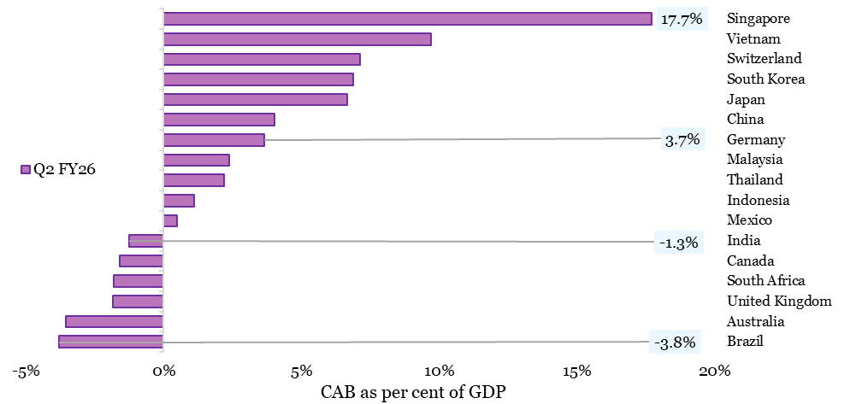
Chart IV.13: Current account balance (as per cent of GDP) (India vs select countries)
Region | Q2 FY26
Brazil | -3.8
Australia | -3.6
United Kingdom | -1.8
South Africa | -1.8
Canada | -1.6
India | -1.3
Mexico | 0.5
Indonesia | 1.1
Thailand | 2.2
Malaysia | 2.4
Germany | 3.7
China | 4.0
Japan | 6.7
South Korea | 6.9
Switzerland | 7.1
Vietnam | 9.7
Singapore | 17.7
Source: CEIC Data.

Chart IV.14
Chart IV.14: Role of remittance in external financing
USD billion
 | FY14 | FY15 | FY16 | FY17 | FY18 | FY19 | FY20 | FY21 | FY22 | FY23 | FY24 | FY25
Net Merchandise | -147.6 | -144.9 | -130.1 | -112.4 | -160.0 | -180.3 | -157.5 | -102.2 | -189.5 | -265.3 | -244.9 | -286.9
Net Transfers | 65.3 | 65.7 | 62.6 | 56.0 | 62.4 | 69.9 | 75.2 | 73.5 | 80.4 | 100.9 | 105.8 | 123.4

Private transfer inflows | 69.6 | 69.8 | 65.6 | 61.3 | 69.1 | 76.4 | 83.2 | 80.2 | 89.1 | 112.5 | 118.7 | 135.4
Gross FDI inflows | 36.0 | 45.1 | 55.6 | 60.2 | 61.0 | 62.0 | 74.4 | 82.0 | 84.8 | 71.4 | 71.3 | 80.6
Source: Table 127 India’s Overall Balance of Payments, Handbook of Statistics on the Indian Economy, RBI and RBI’s Press release dated 1 Dec 2025.

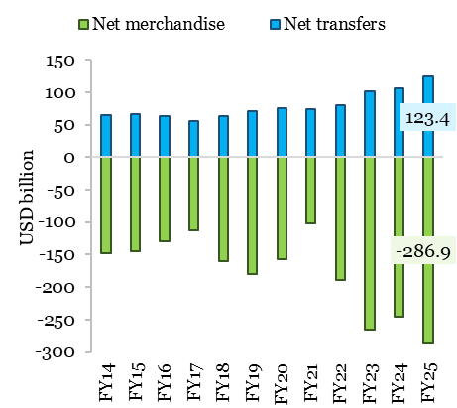
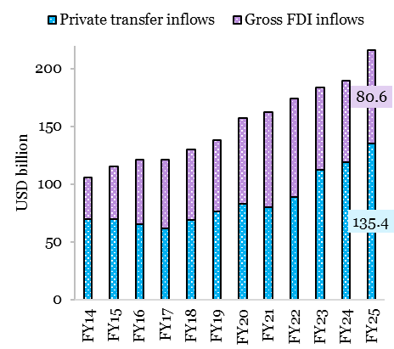

Chart IV.15
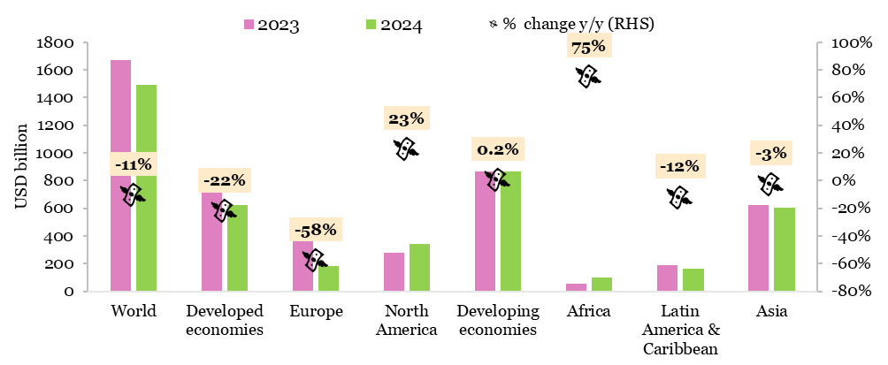
Chart IV.15: Trends in global FDI flows
 | 2023 (USD Billion) | 2024 (USD Billion) | % change y/y (RHS)
World | 1673 | 1493 | -11%
Developed economies | 807 | 626 | -22%
Europe | 439 | 182 | -58%
North America | 280 | 343 | 23%
Developing economies | 865 | 867 | 0.2%
Africa | 55 | 97 | 75%
Latin America & Caribbean | 187 | 164 | -12%
Asia | 622 | 605 | -3%
Source: World Investment Report, UNCTAD.

Chart IV.16
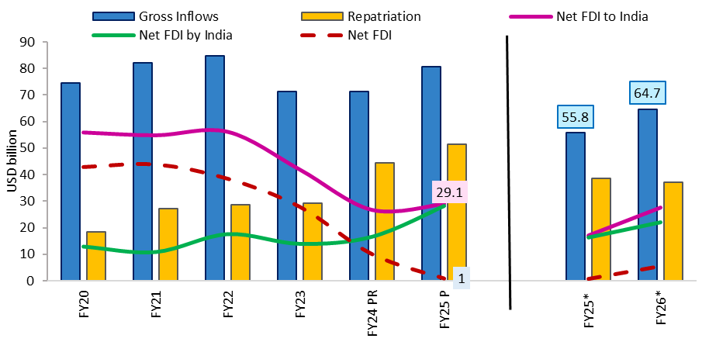
Chart IV.16: Trends in India’s FDI
USD billion
 | Gross Inflows | Repatriation | Net FDI to India | Net FDI by India | Net FDI
FY20 | 74.4 | 18.4 | 56.0 | 13.0 | 43.0
FY21 | 82.0 | 27.0 | 54.9 | 11.0 | 44.0
FY22 | 84.8 | 28.6 | 56.2 | 17.6 | 38.6
FY23 | 71.4 | 29.3 | 42.0 | 14.0 | 28.0
FY24 PR | 71.3 | 44.5 | 26.8 | 16.7 | 10.2
FY25 P | 80.6 | 51.5 | 29.1 | 28.2 | 1.0
(Apr-Nov)
FY25* | 55.8 | 38.6 | 17.2 | 16.4 | 0.8
FY26* | 64.7 | 37 | 27.7 | 22.1 | 5.6
Note: *: (April-November); P = Provisional; PR = Provisionally Revised.
Source: Table Foreign Investment Inflows, DBIE, RBI.

Chart IV.17
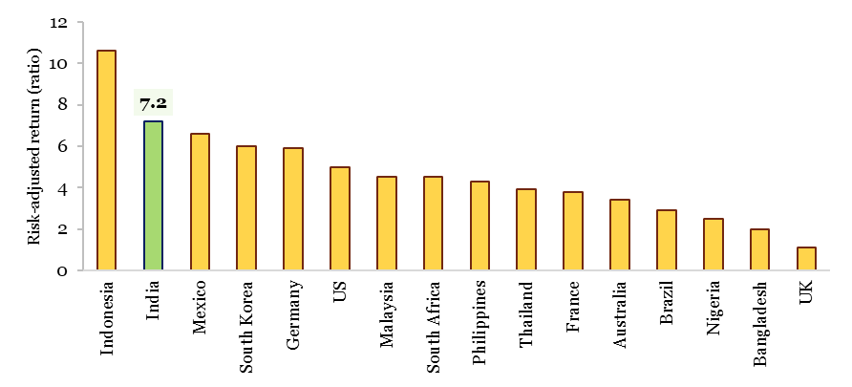
Chart IV.17: Risk-adjusted return on inward FDI (Average Return [2014-23] ÷ Standard Deviation)
Country | Risk-adjusted return (ratio)
Indonesia | 10.6
India | 7.2
Mexico | 6.6
South Korea | 6
Germany | 5.9
US | 5
Malaysia | 4.5
South Africa | 4.5
Philippines | 4.3
Thailand | 3.9
France | 3.8
Australia | 3.4
Brazil | 2.9
Nigeria | 2.5
Bangladesh | 2
UK | 1.1
Source: CareEdge.

Chart IV.18
Chart IV.18: Share of developed & developing economies in global OFDI flows, 2000-2024 (%)
 | 2000 | 2001 | 2002 | 2003 | 2004 | 2005 | 2006 | 2007 | 2008 | 2009 | 2010 | 2011 | 2012 | 2013 | 2014 | 2015 | 2016 | 2017
Developing economies | 7.2% | 8.1% | 7.3% | 6.8% | 11.8% | 12.3% | 13.9% | 11.7% | 14.9% | 17.8% | 23.4% | 20.9% | 23.9% | 25.0% | 28.5% | 20.8% | 25.0% | 26.0%
Developed economies | 92.8% | 91.9% | 92.7% | 93.2% | 88.2% | 87.7% | 86.1% | 88.3% | 85.1% | 82.2% | 76.6% | 79.1% | 76.1% | 75.0% | 71.5% | 79.2% | 75.0% | 74.0%
Source: World Investment Report, UNCTAD.

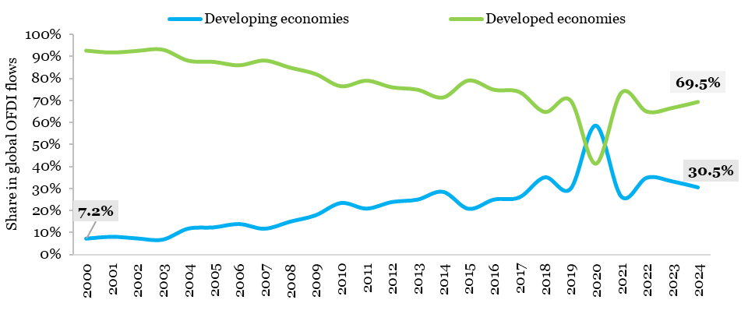

Chart IV.20
...
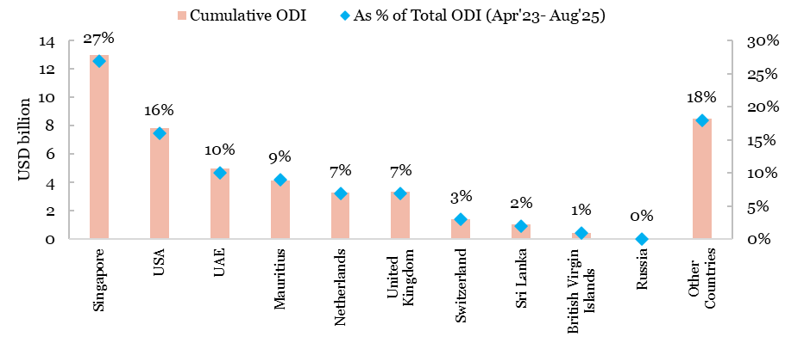
Cumulative ODI (USD million) | As % of Total ODI (Apr'23- Aug'25)
12984 | 0.27
7874 | 0.16
5002 | 0.1
4175 | 0.09
3307 | 0.07
3389 | 0.07
1439 | 0.03
1061 | 0.02
453 | 0.01
91 | 0
8508 | 0.18
...

Chart IV.21
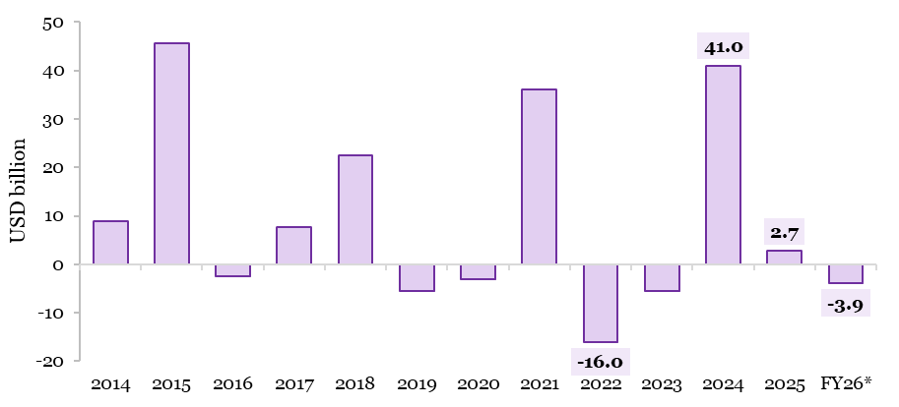
Chart IV.21: Net FPI inflows into India
 | FPI Investment (USD million)
FY14 | 8920.1
FY15 | 45697.9
FY16 | -2522.9
FY17 | 7599.7
FY18 | 22527.3
FY19 | -5498.7
FY20 | -3041.5
FY21 | 36180.3
FY22 | -16018.4
FY23 | -5510.2
FY24 | 41044.1
FY25 | 2704.8
FY26* | -3923.0
Source: NSDL
Note: FY26*: FY (April-December 2025).

Chart IV.22
Chart IV.22: Trends in FPI
(a) Composition of FPI
USD Million
Net Investment | Total | Equity | Debt | Hybrid | Mutual funds
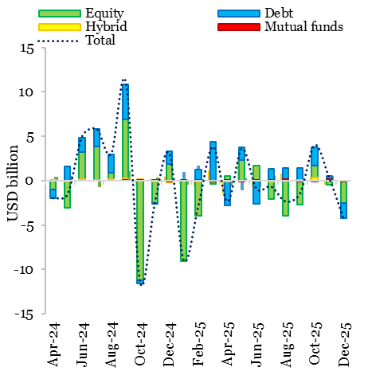
Apr-24 | -1,945 | -1,036 | -919 | 11
May-24 | -1,541 | -3,063 | 1,566 | -44
Jun-24 | 5,007 | 3,186 | 1,676 | 145
Jul-24 | 5,840 | 3,874 | 1,934 | 31
Aug-24 | 3,039 | 873 | 2,036 | 131 | 0
Sep-24 | 11,162 | 6,890 | 3,919 | 293 | 61
Oct-24 | -11,473 | -11,195 | -431 | 149 | 7
Nov-24 | -2,541 | -2,563 | -1 | -4 | 19
Dec-24 | 3,070 | 1,828 | 1,480 | -166 | -72
Jan-25 | -8,963 | -9,043 | 52 | 24 | 5
Feb-25 | -2,797 | -3,977 | 1,208 | -37 | 8
Mar-25 | 3,845 | -401 | 4,342 | -1 | -88
Apr-25 | -2,335 | 510 | -2,841 | -45 | 53
May-25 | 3,636 | 2,344 | 1,419 | -81 | -52
Jun-25 | -904 | 1,690 | -2,638 | 18 | 26
Jul-25 | -634 | -2,052 | 1,374 | -54 | 108
Aug-25 | -2,338 | -3,994 | 1,447 | 17 | 189
Sep-25 | -1,412 | -2,702 | 1,393 | 25 | -137
Oct-25 | 4,031 | 1,656 | 2,061 | 325 | -18
Nov-25 | 320 | -425 | 527 | 12 | 205
Dec-25 | -4,287 | -2,515 | -1,710 | -59 | -3
Source: NSDL

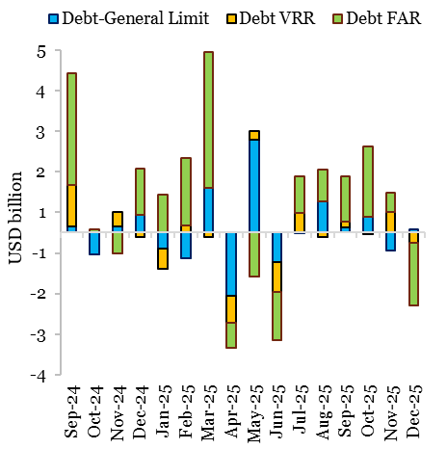
(b) Composition of debt FPI
USD million
 | Total Debt | Debt-General Limit | Debt VRR | Debt FAR
Sep-24 | 3918.5 | 155.5 | 1024.1 | 2738.9
Oct-24 | -431.1 | -524.3 | 11.7 | 81.5
Nov-24 | -1.8 | 145.0 | 360.7 | -507.4
Dec-24 | 1479.8 | 444.6 | -100.8 | 1136.0
Jan-25 | 51.9 | -399.0 | -496.0 | 947.0
Feb-25 | 1208.4 | -634.0 | 176.4 | 1666.1
Mar-25 | 4341.8 | 1112.8 | -111.2 | 3340.2
Apr-25 | -2841.2 | -1553.3 | -661.0 | -627.0
May-25 | 1418.8 | 2289.0 | 222.3 | -1092.4
Jun-25 | -2638.0 | -717.0 | -743.1 | -1178.0
Jul-25 | 1373.3 | -25.1 | 494.8 | 903.6
Aug-25 | 1446.7 | 773.3 | -99.3 | 772.7
Sep-25 | 1392.6 | 123.6 | 138.6 | 1130.5
Oct-25 | 2061.8 | 397.0 | -48.6 | 1713.5
Nov-25 | 527.4 | -447.0 | 505.0 | 469.4
Dec-25 | -1710.0 | 78.7 | -250.9 | -1537.8
Source: NSDL.

Chart IV.23
...
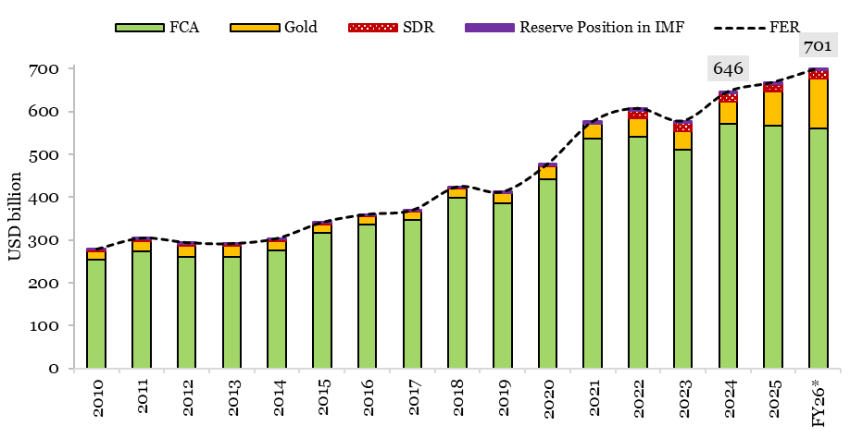
FER | FCA | Gold | SDR | Reserve Position in IMF
279057 | 254685 | 17986 | 5006 | 1380
304818 | 274330 | 22972 | 4569 | 2947
294398 | 260069 | 27023 | 4469 | 2836
292046 | 259725 | 25692 | 4328 | 2301
304223 | 276359 | 21567 | 4464 | 1834
341638 | 317324 | 19038 | 3985 | 1292
360176 | 336104 | 20115 | 1502 | 2456
369955 | 346319 | 19869 | 1447 | 2321
424545 | 399442 | 21484 | 1540 | 2079
412871 | 385357 | 23071 | 1457 | 2986
477807 | 442213 | 30578 | 1433 | 3583
576984 | 536693 | 33880 | 1486 | 4925
607309 | 540724 | 42551 | 18891 | 5143
578449 | 509691 | 45200 | 18392 | 5165
646419 | 570950 | 52675 | 18132 | 4662
668326 | 567557 | 78176 | 18169 | 4423
701360 | 560518 | 117454 | 18704 | 4684
...

Chart IV.24
...
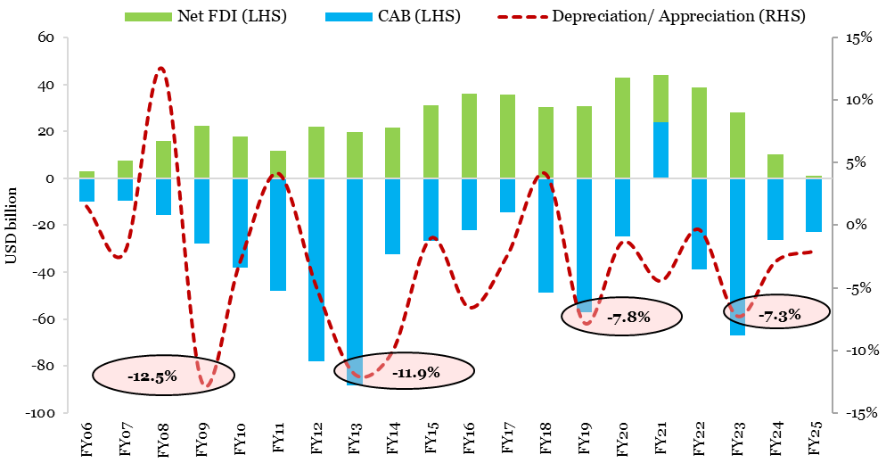
Net FDI (USD billion) | CAB (USD billion) | Depreciation/ Appreciation (RHS)
3.0 | -9.9 | 1.5%
7.7 | -9.6 | -2.2%
15.9 | -15.7 | 12.4%
22.4 | -27.9 | -12.5%
18.0 | -38.2 | -3.1%
11.8 | -48.1 | 4.1%
22.1 | -78.2 | -4.9%
19.8 | -88.2 | -11.9%
21.6 | -32.3 | -10.1%
31.3 | -26.9 | -1.0%
36.0 | -22.2 | -6.6%
35.6 | -14.4 | -2.4%
30.3 | -48.7 | 4.1%
30.7 | -57.3 | -7.8%
43.0 | -24.7 | -1.4%
44.0 | 23.9 | -4.5%
38.6 | -38.8 | -0.4%
28.0 | -67.1 | -7.3%
10.2 | -26.1 | -2.9%
1.0 | -23.4 | -2.1%
...

Chart IV.25
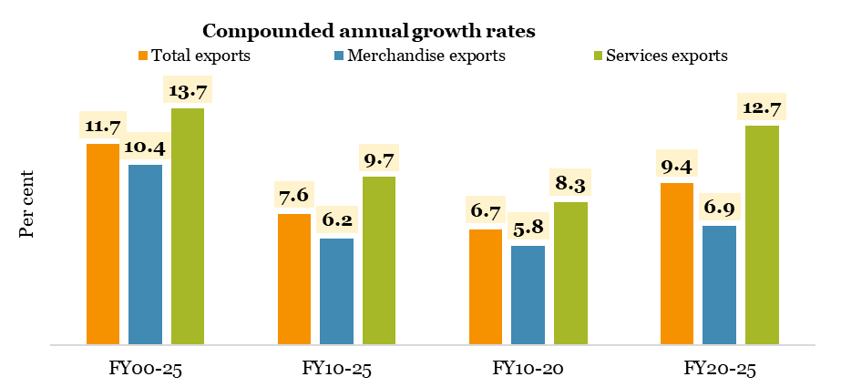
Chart IV.25: CAGR of merchandise exports, services exports and total exports
 | Total exports | Merchandise exports | Services exports
 | Per cent
FY00-25 | 11.7 | 10.4 | 13.7
FY10-25 | 7.6 | 6.2 | 9.7
FY10-20 | 6.7 | 5.8 | 8.3
FY20-25 | 9.4 | 6.9 | 12.7
Source 1: FTPA, Department of Commerce
Source 2: DBIE, RBI

Chart IV.26
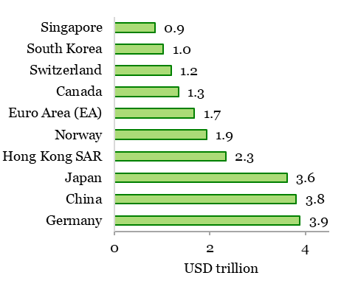
Chart IV.26: NIIP - Major net creditors and debtors to the world
(USD trillion)
COUNTRY | 2025-Q2
Net creditors to the world
Germany | 3.9
China | 3.8
Japan | 3.6
Hong Kong SAR* | 2.3
Norway | 1.9
Euro Area (EA) | 1.7
Canada | 1.3
Switzerland | 1.2
South Korea | 1.0
Singapore | 0.9
Net debtors to the world
India | -0.3
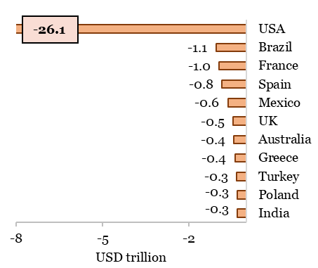
Poland | -0.3
Turkey | -0.3
Greece | -0.4
Australia | -0.4
UK | -0.5
Mexico | -0.6
Spain | -0.8
France | -1.0
Brazil | -1.1
USA | -26.1
Source: IMF
*Hong Kong Special Administrative Region, People's Republic of China.

Chart IV.27
External debt position of top 25 debtor countries (end-December 2024)
 | External Debt | External Debt to GDP (RHS)
 | USD billion | Per cent
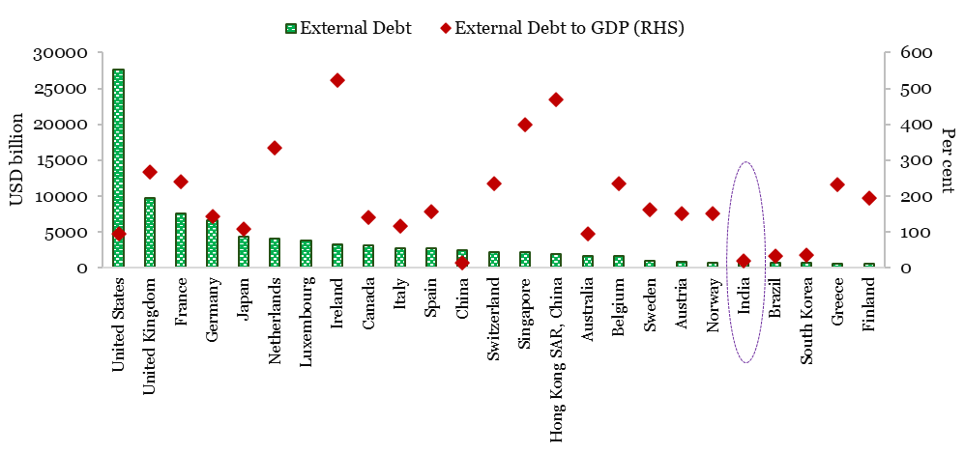
United States | 27704.4 | 94.6
United Kingdom | 9759.1 | 267.8
France | 7588.6 | 240.1
Germany | 6639.4 | 141.7
Japan | 4372.4 | 108.8
Netherlands | 4074.5 | 335.5
Luxembourg | 3714.4
Ireland | 3180.9 | 522.3
Canada | 3167.5 | 141.2
Italy | 2754.0 | 116.1
Spain | 2694.3 | 156.2
China | 2419.8 | 12.9
Switzerland | 2209.8 | 235.5
Singapore | 2188.8 | 399.9
Hong Kong SAR, China | 1910.1 | 469.5
Australia | 1675.2 | 93.3
Belgium | 1563.5 | 235.3
Sweden | 979.3 | 162.2
Austria | 793.1 | 151.4
Norway | 734.5 | 151.9
India | 718.2 | 18.4
Brazil | 717.9 | 32.9
Korea, Rep. | 672.9 | 35.9
Greece | 598.2 | 232.7
Finland | 583.6 | 195.4
Source: QEDS, World Bank and World Economic Outlook, IMF.
...

Chart IV.28
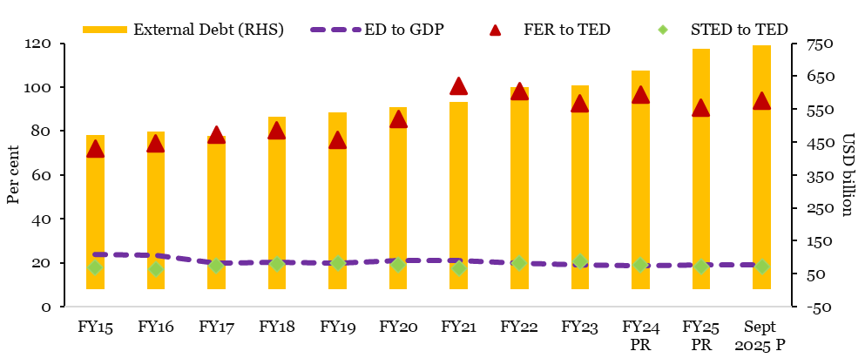
Chart IV.28: External debt position of India
 | External Debt (RHS) | ED to GDP | FER to TED | STED to TED
Year | USD billion | Per cent
FY15 | 474.7 | 23.8 | 72.0 | 18.0
FY16 | 484.8 | 23.4 | 74.3 | 17.2
FY17 | 471.0 | 19.8 | 78.5 | 18.7
FY18 | 529.3 | 20.1 | 80.2 | 19.3
FY19 | 543.1 | 19.9 | 76.0 | 20.0
FY20 | 558.3 | 20.9 | 85.6 | 19.1
FY21 | 573.4 | 21.1 | 100.6 | 17.6
FY22 | 618.8 | 19.9 | 98.1 | 19.7
FY23 | 623.9 | 19.1 | 92.7 | 20.6
FY24 PR | 668.8 | 18.5 | 96.6 | 19.1
FY25 PR | 736.3 | 19.1 | 90.8 | 18.3
Sept 2025 P | 746.0 | 19.2 | 93.8 | 18.4
Source: DEA press release: India's External Debt Report for Quarter ending September 2024.
Note: PR - Partially Revised, P-Provisional; ED – External Debt, FER-Foreign Exchange Reserves, TED – Total External Debt, STED – Short Term External Debt.

