Chart III.1
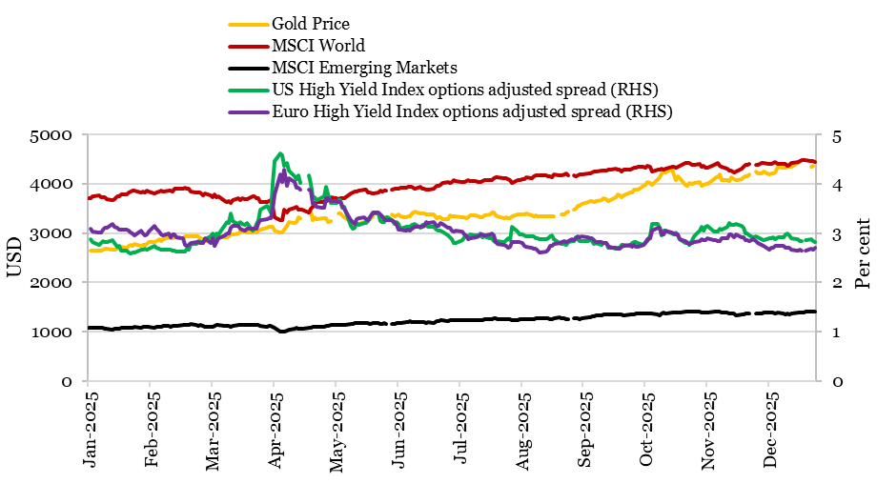
Chart III.1: Global equity market, gold and corporate bond performance for 2025
Date | US High Yield Index options adjusted spread | Euro High Yield Index options adjusted spread | Gold Price | MSCI World | MSCI Emerging Markets
 | Per cent |  | USD
2025-01-01 | #N/A | #N/A | #N/A | 3707.88 | 1076.52
2025-01-02 | 2.88 | 3.09 | 2646.30 | 3702.68 | 1071.00
2025-01-03 | 2.81 | 3.03 | 2646.80 | 3737.50 | 1073.21
2025-01-06 | 2.76 | 3.01 | 2633.35 | 3763.15 | 1078.89
2025-01-07 | 2.79 | 3.01 | 2650.85 | 3733.55 | 1080.07
2025-01-08 | 2.84 | 3.07 | 2659.65 | 3732.20 | 1070.79
2025-01-09 | 2.82 | 3.11 | 2674.60 | 3732.14 | 1066.47
2025-01-10 | 2.81 | 3.11 | 2687.45 | 3678.22 | 1057.10
2025-01-13 | 2.85 | 3.18 | 2669.50 | 3674.92 | 1039.11
2025-01-14 | 2.8 | 3.13 | 2667.00 | 3682.46 | 1053.05
2025-01-15 | 2.72 | 3.10 | 2677.70 | 3744.47 | 1055.80
2025-01-16 | 2.73 | 3.07 | 2716.50 | 3746.86 | 1066.67
2025-01-17 | 2.64 | 3.07 | 2715.20 | 3777.85 | 1070.12
2025-01-20 | 2.64 | 3.06 | 2707.70 | 3788.38 | 1080.50
2025-01-21 | 2.61 | 3.05 | 2737.80 | 3817.28 | 1081.11
2025-01-22 | 2.59 | 3.01 | 2751.80 | 3838.19 | 1082.34
2025-01-23 | 2.61 | 2.99 | 2744.25 | 3856.17 | 1081.34
2025-01-24 | 2.6 | 2.96 | 2776.80 | 3856.78 | 1090.02
2025-01-27 | 2.66 | 3.04 | 2742.40 | 3813.33 | 1087.54
2025-01-28 | 2.66 | 2.99 | 2751.90 | 3836.25 | 1089.13
2025-01-29 | 2.68 | 2.96 | 2756.30 | 3828.45 | 1092.31
2025-01-30 | 2.67 | 2.97 | 2787.25 | 3853.49 | 1095.75
2025-01-31 | 2.68 | 3.02 | 2812.05 | 3836.58 | 1093.37
2025-02-03 | 2.73 | 3.14 | 2826.10 | 3796.53 | 1073.72
2025-02-04 | 2.71 | 3.08 | 2843.55 | 3826.36 | 1092.93
2025-02-05 | 2.69 | 3.03 | 2871.15 | 3848.65 | 1095.79
2025-02-06 | 2.66 | 2.97 | 2838.95 | 3864.03 | 1102.25
2025-02-07 | 2.67 | 2.96 | 2874.65 | 3832.82 | 1108.48
2025-02-10 | 2.66 | 2.99 | 2904.45 | 3854.09 | 1108.46
2025-02-11 | 2.66 | 2.92 | 2895.40 | 3854.96 | 1104.63
2025-02-12 | 2.65 | 2.98 | 2891.50 | 3848.18 | 1111.01
2025-02-13 | 2.65 | 2.97 | 2915.30 | 3894.24 | 1113.25
2025-02-14 | 2.62 | 2.92 | 2921.25 | 3898.87 | 1125.23
2025-02-17 | 2.62 | 2.89 | 2900.55 | 3902.14 | 1130.61
2025-02-18 | 2.62 | 2.76 | 2927.10 | 3910.71 | 1138.92
2025-02-19 | 2.68 | 2.74 | 2936.85 | 3906.82 | 1136.87
2025-02-20 | 2.66 | 2.76 | 2932.05 | 3893.65 | 1132.45
2025-02-21 | 2.78 | 2.80 | 2934.15 | 3843.08 | 1147.30
2025-02-24 | 2.78 | 2.81 | 2931.90 | 3828.18 | 1135.74
2025-02-25 | 2.84 | 2.81 | 2933.25 | 3814.35 | 1122.38
2025-02-26 | 2.81 | 2.80 | 2901.00 | 3821.04 | 1135.41
2025-02-27 | 2.81 | 2.80 | 2880.80 | 3767.35 | 1124.03
2025-02-28 | 2.87 | 2.89 | 2834.55 | 3805.33 | 1097.25
2025-03-03 | 2.94 | 2.80 | 2880.70 | 3770.34 | 1097.37
2025-03-04 | 2.99 | 2.90 | 2905.90 | 3724.69 | 1093.00
2025-03-05 | 2.88 | 2.74 | 2913.25 | 3777.64 | 1115.55
2025-03-06 | 2.99 | 2.82 | 2922.20 | 3730.93 | 1131.26
2025-03-07 | 2.97 | 2.89 | 2931.15 | 3740.37 | 1128.55
2025-03-10 | 3.16 | 2.95 | 2910.20 | 3651.48 | 1113.06
2025-03-11 | 3.22 | 2.99 | 2916.90 | 3623.17 | 1109.16
2025-03-12 | 3.2 | 3.00 | 2924.80 | 3643.01 | 1111.13
2025-03-13 | 3.4 | 3.10 | 2974.05 | 3599.67 | 1106.07
2025-03-14 | 3.25 | 3.14 | 2978.05 | 3665.71 | 1119.61
2025-03-17 | 3.18 | 3.14 | 2996.50 | 3697.21 | 1131.44
2025-03-18 | 3.23 | 3.08 | 3025.80 | 3672.57 | 1145.17
2025-03-19 | 3.19 | 3.07 | 3027.55 | 3701.86 | 1143.29
2025-03-20 | 3.17 | 3.04 | 3038.15 | 3693.55 | 1140.69
2025-03-21 | 3.21 | 3.08 | 3013.70 | 3689.85 | 1131.38
2025-03-24 | 3.05 | 3.09 | 3007.75 | 3735.73 | 1136.01
2025-03-25 | 3.09 | 3.08 | 3025.20 | 3746.87 | 1129.41
2025-03-26 | 3.19 | 3.09 | 3013.25 | 3709.19 | 1131.54
2025-03-27 | 3.27 | 3.21 | 3056.55 | 3696.16 | 1130.54
2025-03-28 | 3.47 | 3.27 | 3071.60 | 3634.71 | 1120.72
2025-03-31 | 3.55 | 3.28 | 3115.10 | 3628.64 | 1101.40
2025-04-01 | 3.5 | 3.29 | 3133.70 | 3649.56 | 1110.66
2025-04-02 | 3.42 | 3.29 | 3119.75 | 3668.53 | 1111.68
2025-04-03 | 4.01 | 3.50 | 3118.10 | 3532.64 | 1102.78
2025-04-04 | 4.45 | 3.79 | 3054.50 | 3326.28 | 1087.59
2025-04-07 | 4.61 | 4.19 | 3014.75 | 3267.00 | 1001.49
2025-04-08 | 4.57 | 4.03 | 3015.40 | 3254.24 | 1002.60
2025-04-09 | 4.37 | 4.29 | 3075.50 | 3464.76 | 993.45
2025-04-10 | 4.42 | 3.95 | 3143.15 | 3421.91 | 1028.86
2025-04-11 | 4.26 | 4.12 | 3230.50 | 3471.27 | 1045.20
2025-04-14 | 4.14 | 4.04 | 3204.20 | 3514.16 | 1060.22
2025-04-15 | 4.09 | 3.92 | 3219.60 | 3522.80 | 1070.26
2025-04-16 | 4.16 | 3.91 | 3322.90 | 3468.47 | 1059.10
2025-04-17 | 4.02 | 3.87 | 3305.65 | 3474.06 | 1067.07
2025-04-18 |  |  | #N/A | 3476.06 | 1068.59
2025-04-21 | 4.16 | 3.87 | #N/A | 3424.33 | 1071.95
2025-04-22 | 3.99 | 3.86 | 3433.55 | 3487.99 | 1073.79
2025-04-23 | 3.75 | 3.58 | 3262.95 | 3537.97 | 1096.05
2025-04-24 | 3.73 | 3.60 | 3314.75 | 3596.16 | 1092.98
2025-04-25 | 3.67 | 3.54 | 3277.30 | 3618.48 | 1097.10
2025-04-28 | 3.73 | 3.51 | 3296.30 | 3628.48 | 1102.57
2025-04-29 | 3.74 | 3.52 | 3305.05 | 3647.21 | 1105.99
2025-04-30 | 3.94 | 3.70 | 3302.05 | 3655.52 | 1112.84
2025-05-01 | 3.78 | 3.70 | 3214.75 | 3663.74 | 1111.97
2025-05-02 | 3.6 | 3.65 | 3249.70 | 3724.62 | 1133.27
2025-05-05 | 3.6 | 3.65 | #N/A | 3707.38 | 1139.59
2025-05-06 | 3.66 | 3.63 | 3391.45 | 3687.16 | 1137.42
2025-05-07 | 3.67 | 3.62 | 3392.25 | 3697.54 | 1137.41
2025-05-08 | 3.51 | 3.55 | 3352.30 | 3707.89 | 1133.58
2025-05-09 | 3.53 | 3.49 | 3324.55 | 3711.68 | 1138.40
2025-05-12 | 3.15 | 3.27 | 3235.40 | 3793.70 | 1161.85
2025-05-13 | 3.09 | 3.23 | 3227.95 | 3823.07 | 1156.82
2025-05-14 | 3.1 | 3.19 | 3191.95 | 3830.71 | 1173.65
2025-05-15 | 3.2 | 3.28 | 3191.05 | 3842.19 | 1173.53
2025-05-16 | 3.16 | 3.30 | 3182.95 | 3863.29 | 1172.38
2025-05-19 | 3.21 | 3.32 | 3230.15 | 3874.12 | 1166.64
2025-05-20 | 3.2 | 3.28 | 3261.55 | 3870.03 | 1167.46
2025-05-21 | 3.25 | 3.26 | 3299.65 | 3829.82 | 1174.56
2025-05-22 | 3.32 | 3.31 | 3284.00 | 3818.90 | 1165.38
2025-05-23 | 3.4 | 3.42 | 3342.65 | 3802.77 | 1170.98
2025-05-26 | 3.4 | 3.41 | #N/A | 3813.89 | 1170.13
2025-05-27 | 3.24 | 3.37 | 3296.70 | 3869.06 | 1164.10
2025-05-28 | 3.23 | 3.33 | 3300.85 | 3845.70 | 1163.84
2025-05-29 | 3.22 | 3.28 | 3312.40 | 3862.34 | 1170.16
2025-05-30 | 3.31 | 3.26 | 3277.55 | 3863.48 | 1157.34
2025-05-31 | 3.32 | 3.27 | #N/A | #N/A | #N/A
2025-06-02 | 3.27 | 3.26 | 3370.85 | 3881.41 | 1153.77
2025-06-03 | 3.19 | 3.23 | 3334.75 | 3894.53 | 1158.13
2025-06-04 | 3.23 | 3.16 | 3364.60 | 3903.91 | 1172.45
2025-06-05 | 3.18 | 3.06 | 3374.60 | 3889.67 | 1182.68
2025-06-06 | 3.09 | 3.07 | 3339.90 | 3914.72 | 1182.93
2025-06-09 | 3.12 | 3.05 | 3319.30 | 3919.17 | 1193.78
2025-06-10 | 3.12 | 3.06 | 3337.70 | 3934.94 | 1201.13
2025-06-11 | 3.12 | 3.04 | 3329.70 | 3929.36 | 1208.98
2025-06-12 | 3.17 | 3.09 | 3391.40 | 3944.58 | 1202.74
2025-06-13 | 3.18 | 3.13 | 3435.35 | 3900.90 | 1190.03
2025-06-16 | 3.1 | 3.13 | 3397.60 | 3936.03 | 1198.18
2025-06-17 | 3.17 | 3.12 | 3388.45 | 3901.81 | 1196.96
2025-06-18 | 3.16 | 3.15 | 3391.50 | 3899.46 | 1193.45
2025-06-19 | 3.16 | 3.22 | 3368.90 | 3887.09 | 1177.31
2025-06-20 | 3.13 | 3.20 | 3368.25 | 3881.69 | 1189.85
2025-06-23 | 3.12 | 3.22 | 3380.55 | 3905.86 | 1182.25
2025-06-24 | 3.06 | 3.14 | 3302.50 | 3957.83 | 1211.84
2025-06-25 | 3.04 | 3.14 | 3318.25 | 3950.11 | 1220.72
2025-06-26 | 3.04 | 3.20 | 3318.70 | 3984.50 | 1226.95
2025-06-27 | 3.02 | 3.19 | 3271.75 | 4009.04 | 1228.53
2025-06-30 | 2.96 | 3.10 | 3287.45 | 4026.44 | 1222.78
2025-07-01 | 2.91 | 3.10 | 3349.00 | 4021.57 | 1229.25
2025-07-02 | 2.88 | 3.05 | 3335.70 | 4036.25 | 1230.24
2025-07-03 | 2.8 | 3.02 | 3332.15 | 4063.04 | 1236.97
...

Chart III.2
Chart III.2 Variations in EPU and model estimates of uncertainty (indexed to 100 for 2013)

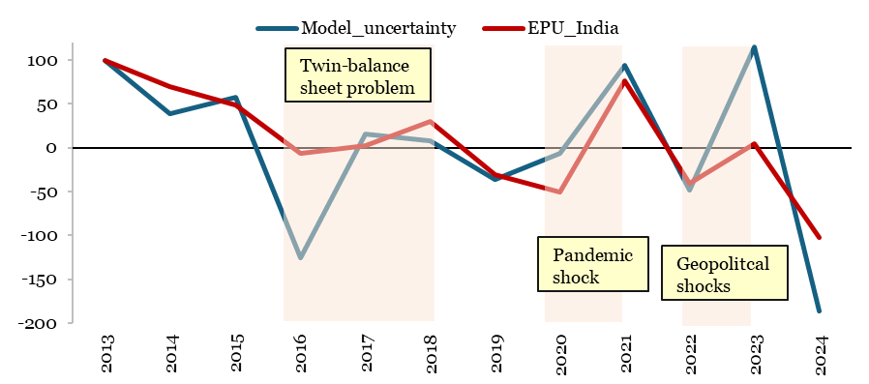
Year | EPU_India | Model_uncertainty
 | Index value
2013 | 100.0 | 100.0
2014 | 69.6 | 39.1
2015 | 49.2 | 57.0
2016 | -5.9 | -125.5
2017 | 2.4 | 15.7
2018 | 30.0 | 8.2
2019 | -30.7 | -35.7
2020 | -50.5 | -6.0
2021 | 75.9 | 93.6
2022 | -40.8 | -48.3
2023 | 4.4 | 114.6
2024 | -101.9 | -186.5
Source: Economic policy uncertainty website
and author's calculations

Chart III.3
...
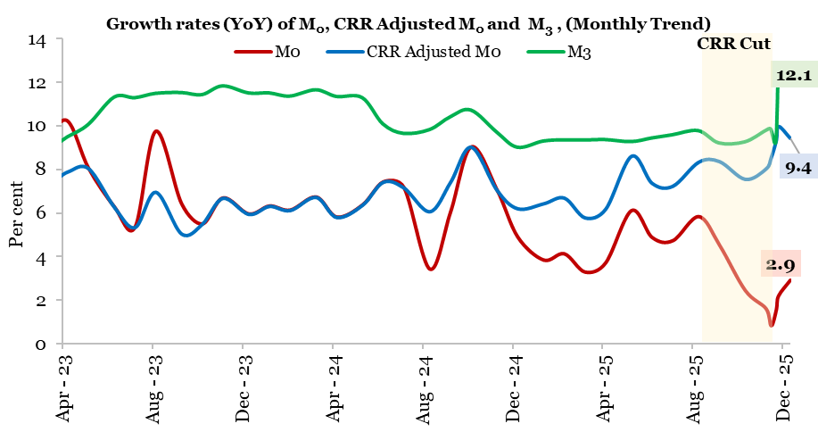
M0 | CRR Adjusted M0 |  | M3
Per cent |  |  | Per cent
10.2 | 7.9 | 2023-04-21 | 9.5
8.1 | 8.1 | 2023-05-19 | 10.1
6.3 | 6.3 | 2023-06-30 | 11.3
5.4 | 5.3 | 2023-07-28 | 11.3
9.8 | 7.0 | 2023-08-25 | 11.5
6.4 | 5.1 | 2023-09-22 | 11.5
5.5 | 5.5 | 2023-10-20 | 11.4
6.7 | 6.7 | 2023-11-17 | 11.8
6.0 | 6.0 | 2023-12-29 | 11.5
6.3 | 6.3 | 2024-01-26 | 11.5
6.1 | 6.1 | 2024-02-23 | 11.4
6.7 | 6.7 | 2024-03-22 | 11.7
5.8 | 5.8 | 2024-04-19 | 11.4
6.4 | 6.4 | 2024-05-31 | 11.3
7.4 | 7.4 | 2024-06-28 | 10.1
7.2 | 7.2 | 2024-07-26 | 9.7 | Note: M0 – Reserve Money, M3 – Broad Money.
3.4 | 6.1 | 2024-08-23 | 9.8
6.0 | 7.4 | 2024-09-20 | 10.4
9.0 | 9.0 | 2024-10-18 | 10.7
7.1 | 7.1 | 2024-11-29 | 9.7
4.9 | 6.2 | 2024-12-27 | 9.0
3.8 | 6.4 | 2025-01-24 | 9.3
4.1 | 6.7 | 2025-02-21 | 9.4
3.3 | 5.8 | 2025-03-21 | 9.4
3.7 | 6.2 | 2025-04-18 | 9.4
...

Chart III.4
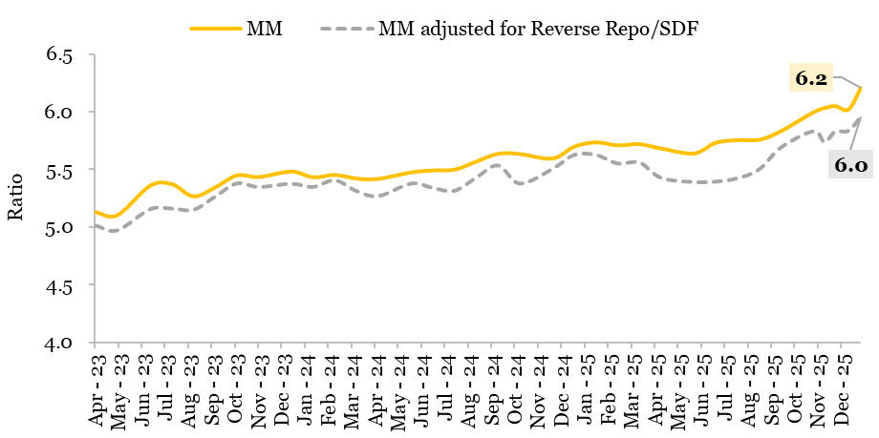
Chart III.4 Trends in the money multiplier
 | MM | MM adjusted for Reverse Repo/SDF
 | Per cent
2023-04-21 | 5.1 | 5.0
2023-05-19 | 5.1 | 5.0
2023-06-30 | 5.4 | 5.2
2023-07-28 | 5.4 | 5.2
2023-08-25 | 5.3 | 5.2
2023-09-22 | 5.3 | 5.3
2023-10-20 | 5.5 | 5.4
2023-11-17 | 5.4 | 5.3
2023-12-29 | 5.5 | 5.4
2024-01-26 | 5.4 | 5.3
2024-02-23 | 5.5 | 5.4
2024-03-22 | 5.4 | 5.3
2024-04-19 | 5.4 | 5.3
2024-05-31 | 5.5 | 5.4
2024-06-28 | 5.5 | 5.3 | Note: MM – Money Multiplier.
2024-07-26 | 5.5 | 5.3
2024-08-23 | 5.6 | 5.4
2024-09-20 | 5.6 | 5.5
2024-10-18 | 5.6 | 5.4
2024-11-29 | 5.6 | 5.5
2024-12-27 | 5.7 | 5.6
2025-01-24 | 5.7 | 5.6
2025-02-21 | 5.7 | 5.6
...

Chart III.5
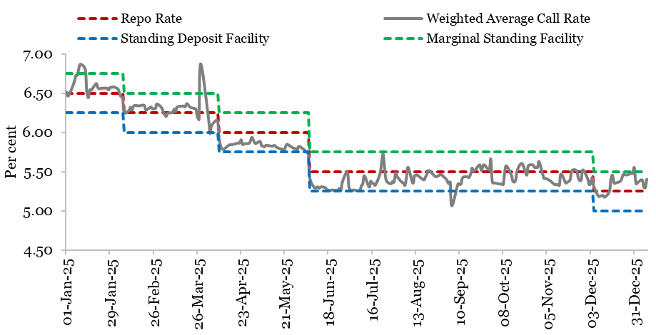
Chart III.5: Policy corridor and call rate
 | Repo Rate | Weighted Average Call Rate | Standing Deposit Facility | Marginal Standing Facility
 | Per cent
1-Jan-25 | 6.50 | 6.52 | 6.25 | 6.75
2-Jan-25 | 6.50 | 6.47 | 6.25 | 6.75
3-Jan-25 | 6.50 | 6.50 | 6.25 | 6.75
6-Jan-25 | 6.50 | 6.65 | 6.25 | 6.75
7-Jan-25 | 6.50 | 6.73 | 6.25 | 6.75
8-Jan-25 | 6.50 | 6.73 | 6.25 | 6.75
9-Jan-25 | 6.50 | 6.83 | 6.25 | 6.75
10-Jan-25 | 6.50 | 6.87 | 6.25 | 6.75
13-Jan-25 | 6.50 | 6.81 | 6.25 | 6.75
14-Jan-25 | 6.50 | 6.53 | 6.25 | 6.75
15-Jan-25 | 6.50 | 6.45 | 6.25 | 6.75
16-Jan-25 | 6.50 | 6.55 | 6.25 | 6.75
17-Jan-25 | 6.50 | 6.55 | 6.25 | 6.75
20-Jan-25 | 6.50 | 6.63 | 6.25 | 6.75
21-Jan-25 | 6.50 | 6.58 | 6.25 | 6.75
22-Jan-25 | 6.50 | 6.56 | 6.25 | 6.75
23-Jan-25 | 6.50 | 6.57 | 6.25 | 6.75
24-Jan-25 | 6.50 | 6.57 | 6.25 | 6.75
27-Jan-25 | 6.50 | 6.57 | 6.25 | 6.75
28-Jan-25 | 6.50 | 6.55 | 6.25 | 6.75
29-Jan-25 | 6.50 | 6.58 | 6.25 | 6.75
30-Jan-25 | 6.50 | 6.58 | 6.25 | 6.75
31-Jan-25 | 6.50 | 6.59 | 6.25 | 6.75
3-Feb-25 | 6.50 | 6.56 | 6.25 | 6.75
...

Chart III.6
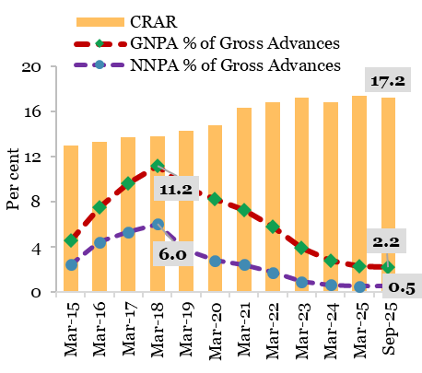
Chart III.6 Trends in GNPAs of SCBs and CRAR
 | GNPA % of Gross Advances | NNPA % of Gross Advances | CRAR
 | Per cent
Mar-15 | 4.6 | 2.4 | 13
Mar-16 | 7.5 | 4.4 | 13.3
Mar-17 | 9.6 | 5.3 | 13.7
Mar-18 | 11.2 | 6.0 | 13.8
Mar-19 | 9.2 | 3.7 | 14.3
Mar-20 | 8.2 | 2.8 | 14.8
Mar-21 | 7.3 | 2.4 | 16.3
Mar-22 | 5.8 | 1.7 | 16.8
Mar-23 | 3.9 | 0.9 | 17.2
Mar-24 | 2.8 | 0.6 | 16.8
Mar-25 | 2.3 | 0.5 | 17.4
Sep-25 | 2.2 | 0.5 | 17.2
Source: RBI's Financial Stability Report, various issues.

Chart III.7
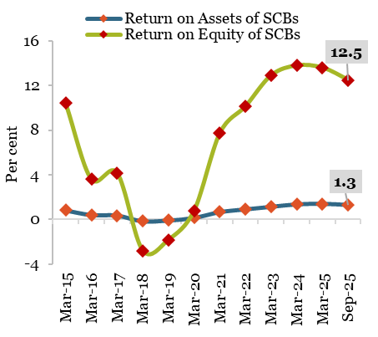
Chart III.7: Improvement in performance indicators of SCBs
 | Return on Assets of SCBs | Return on Equity of SCBs
 | Per cent
Mar-15 | 0.8 | 10.4
Mar-16 | 0.4 | 3.6
Mar-17 | 0.4 | 4.2
Mar-18 | -0.2 | -2.8
Mar-19 | -0.1 | -1.9
Mar-20 | 0.1 | 0.8
Mar-21 | 0.7 | 7.7
Mar-22 | 0.9 | 10.1
Mar-23 | 1.1 | 12.9
Mar-24 | 1.3 | 13.8
Mar-25 | 1.4 | 13.6
Sep-25 | 1.3 | 12.5
*For Mar-24, Mar-25 and Sep-25 the data is retrieved from from RBI's Financial Stability Report, various issues.
Source 1: RBI - Data Base on Indian Economy (DBIE), Table: Bank Group-wise Select Ratios of Scheduled Commercial Banks

Chart III.8
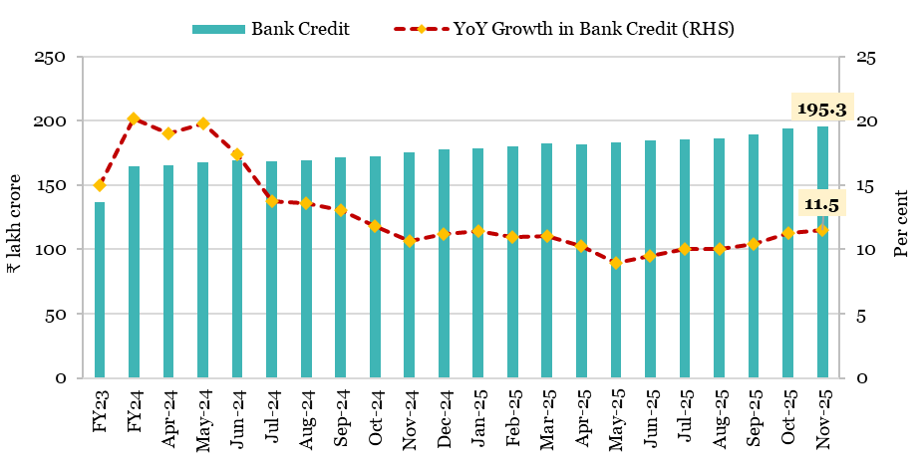
Chart III.8: Outstanding credit of SCBs
 | Bank Credit | YoY Growth in Bank Credit
 | (in ₹ lakh crore) | Per cent
FY23 | 136.8 | 15.0
FY24 | 164.3 | 20.2
Apr-24 | 164.9 | 19.0
May-24 | 167.8 | 19.8
Jun-24 | 168.8 | 17.4
Jul-24 | 168.1 | 13.7
Aug-24 | 169.5 | 13.6
Sep-24 | 171.3 | 13.0
Oct-24 | 174.2 | 11.8
Nov-24 | 175.1 | 10.6
Dec-24 | 177.4 | 11.2
Jan-25 | 178.7 | 11.4
Feb-25 | 179.9 | 11.0
Mar-25 | 182.4 | 11.0
Apr-25 | 181.9 | 10.3
May-25 | 182.9 | 9.0 | Note: Data since 28 July 2023 includes the impact of the merger of a non-bank with a bank.
Jun-25 | 184.8 | 9.5
Jul-25 | 185.0 | 10.0
Aug-25 | 186.4 | 10.0
Sep-25 | 189.0 | 10.4
Oct-25 | 193.9 | 11.3
Nov-25 | 195.3 | 11.5
Source: RBI

Chart III.9
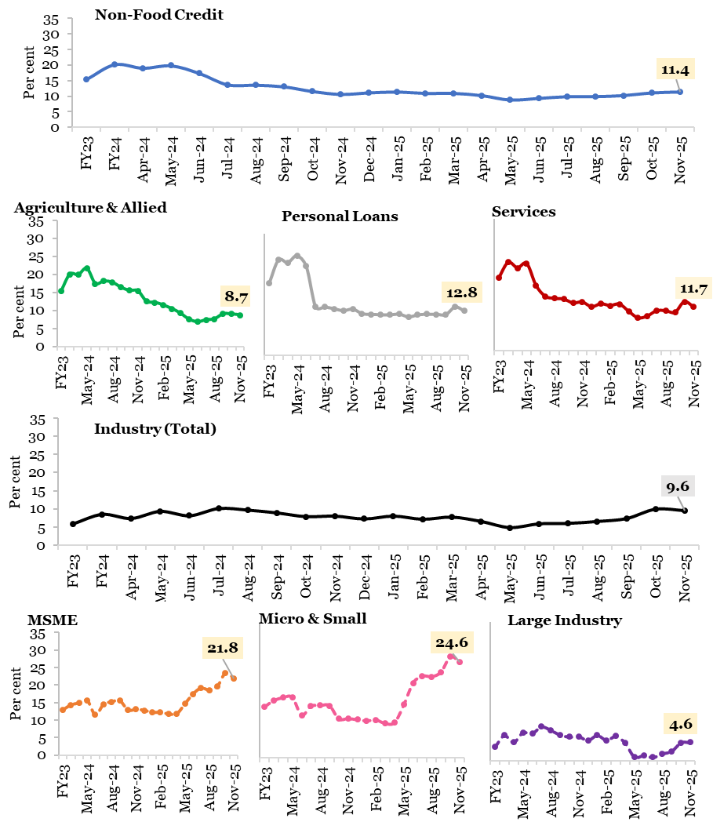
...
Industry | MSME | Micro & Small Enterprises | Large Industry | Services | Personal Loans
...
5.8 | 12.8 | 13.1 | 3.5 | 19.5 | 20.7
9.4 | 15.3 | 15.8 | 7.2 | 22.3 | 27.8
8.3 | 15.8 | 16.5 | 5.6 | 20.8 | 27.1
10.4 | 16.5 | 16.6 | 8.1 | 21.9 | 29.1
9.1 | 12.5 | 12.0 | 7.9 | 16.1 | 26.0
11.1 | 15.5 | 14.4 | 9.5 | 13.2 | 14.3
10.7 | 16.2 | 14.5 | 8.7 | 12.7 | 14.3
10.0 | 16.5 | 14.5 | 7.5 | 12.4 | 13.8
8.1 | 12.8 | 10.1 | 6.3 | 12.5 | 12.9
8.3 | 13.0 | 10.2 | 6.4 | 12.8 | 13.4
7.5 | 12.8 | 9.8 | 5.5 | 11.5 | 12.0
8.3 | 12.2 | 9.6 | 6.8 | 12.3 | 11.9
7.5 | 12.1 | 9.6 | 5.6 | 11.7 | 11.7
8.2 | 11.8 | 8.9 | 6.9 | 12.0 | 11.7
7.0 | 11.8 | 9.2 | 5.0 | 10.1 | 11.9
5.3 | 14.7 | 13.7 | 1.5 | 8.4 | 11.1
6.3 | 17.4 | 19.2 | 2.0 | 8.8 | 11.7
6.5 | 19.1 | 20.9 | 1.6 | 10.2 | 11.9
7.0 | 18.5 | 20.8 | 2.4 | 10.3 | 11.9
7.8 | 19.7 | 22.0 | 3.0 | 9.8 | 11.8
10.0 | 23.4 | 25.9 | 4.6 | 13.0 | 14.0
9.6 | 21.8 | 24.6 | 4.6 | 11.7 | 12.8
...

Chart III.10
Chart III.10: Overall flow of resources to the commercial sector in India
 | FY20 | FY21 | FY22 | FY23 | FY24 | FY25 | April-Dec FY25 | April-Dec FY26
 | ₹ lakh crore
Non-Food Bank Credit | 5.9 | 4.7 | 10.5 | 18.2 | 21.4 | 18.0 | 12.8 | 20.3
Non-Bank Sources | 7.7 | 11.4 | 10.9 | 9.0 | 12.6 | 17.1 | 8.5 | 10.6
Total Flow of Resources | 13.6 | 16.0 | 21.4 | 27.2 | 34.0 | 35.1 | 21.3 | 30.8
Source 1: RBI’s Handbook of Statistics on Indian Economy, Table 63: Flow of Resources to Commercial Sector in India
Source 2: RBI monthly bulletin (January) Table no. 18 (a): Flow of Resources to Commercial Sector in India

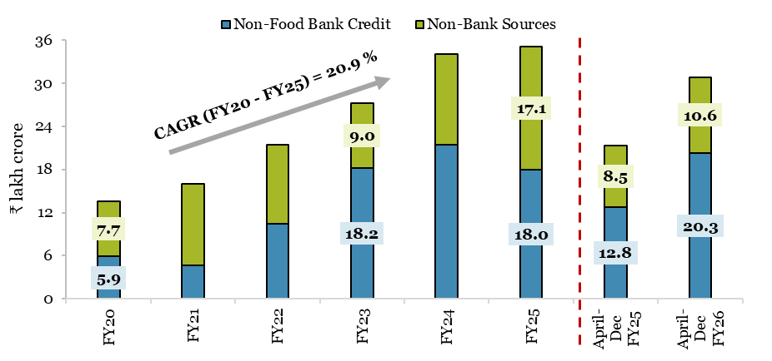

Note: Data for April-Dec FY26 is provisional.

Chart III.11
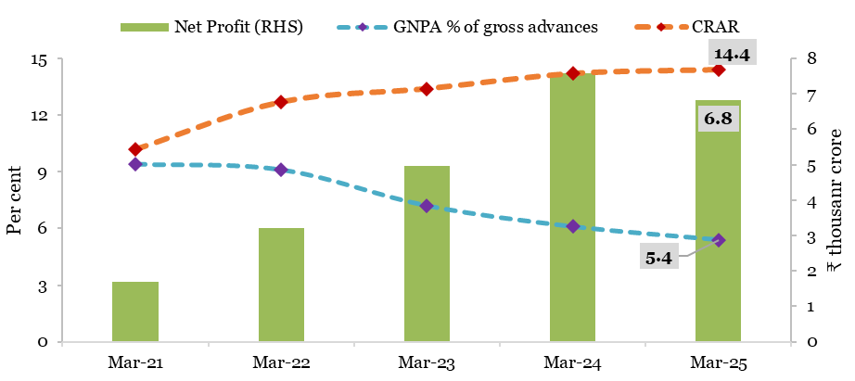
Chart III.11: Performance of the RRBs
 | GNPA % of gross advances | CRAR | Net Profit
 | Per cent |  | ₹ thousand crore
Mar-21 | 9.4 | 10.2 | 1.7
Mar-22 | 9.1 | 12.7 | 3.2
Mar-23 | 7.2 | 13.4 | 5.0
Mar-24 | 6.1 | 14.2 | 7.6
Mar-25 | 5.4 | 14.4 | 6.8
Source: DFS

Chart III.12
Chart III.12: Trend of Transition Time- Overdue Accounts
Year | Average no. of days for accounts to go from Overdue to Normal category | Average no. of days for accounts to go from Default to Normal
2019 | 344 | 356
2020 | 248 | 246
2021 | 178 | 180
2022 | 90 | 115
2023 | 87 | 70
2024 | 30 | 28
Source: Insolvency and Bankruptcy Board of India. (2025, May). Report on behavioural impact of IBC.

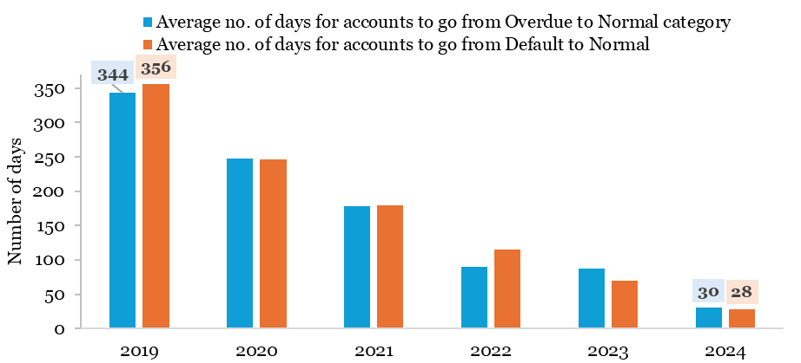

Chart III.13
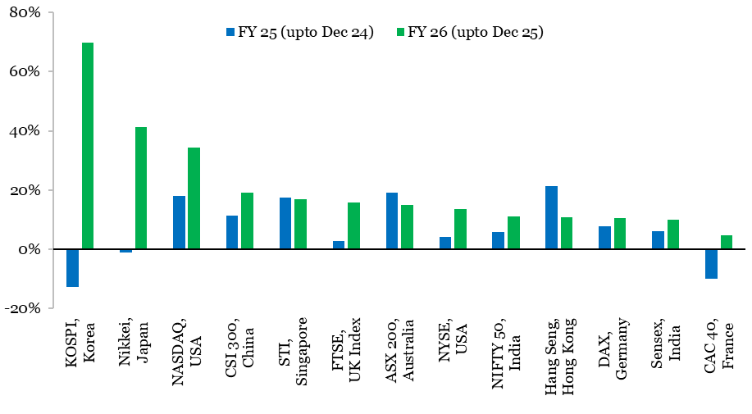
Chart III.13: Performance of major world indices
Index | FY 25 (upto Dec 24) | FY 26 (upto Dec 25)
KOSPI, Korea | -12.6% | 69.8%
Nikkei, Japan | -1.2% | 41.3%
NASDAQ, USA | 17.9% | 34.4%
CSI 300, China | 11.2% | 19.1%
STI, Singapore | 17.5% | 17.0%
FTSE, UK Index | 2.8% | 15.7%
ASX 200, Australia | 19.2% | 14.9%
NYSE, USA | 4.3% | 13.4%
NIFTY 50, India | 5.9% | 11.1%
Hang Seng, Hong Kong | 21.3% | 10.9%
DAX, Germany | 7.7% | 10.5%
Sensex, India | 6.1% | 10.1%
CAC 40, France | -10.1% | 4.6%
Source: Bloomberg

Chart III.14
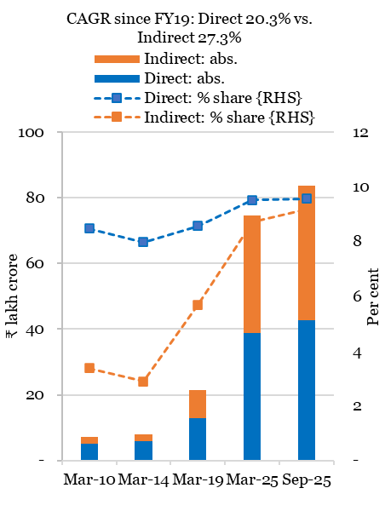
Chart III.14: Ownership trends of individual investors
 | Direct: % share {RHS} | Indirect: % share {RHS} | Direct: abs. | Indirect: abs.
 | % share |  | Absolute value (₹ lakh crore)
Mar-10 | 8.47 | 3.38 | 5.10 | 2.04
Mar-14 | 7.97 | 2.90 | 5.80 | 2.11
Mar-19 | 8.58 | 5.69 | 12.83 | 8.51
Mar-25 | 9.51 | 8.71 | 38.88 | 35.63
Sep-25 | 9.57 | 9.18 | 42.69 | 40.96
Source: NSE EPR, India Inc. Ownership Report

Chart III.15
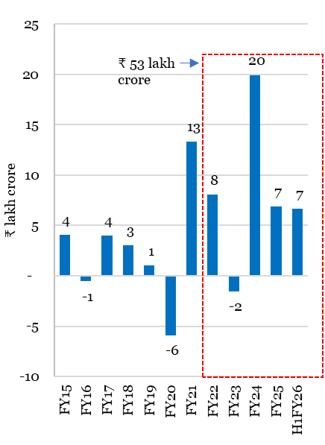
Chart III.15: Household wealth accretion in Indian equities
Financial year | Household wealth accretion (₹ lakh crore)
FY15 | 4.1
FY16 | -0.5
FY17 | 4.0
FY18 | 3.0
FY19 | 1.0
FY20 | -5.9
FY21 | 13.3
FY22 | 8.1
FY23 | -1.5
FY24 | 20.0
FY25 | 6.9
H1FY26 | 6.7
Source: NSE EPR, India Inc. Ownership Report

 |  | Note: NSE-listed companies considered for the analysis.

Chart III.16
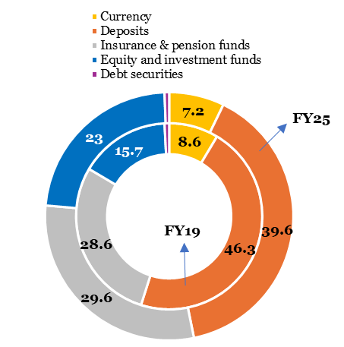
Chart III.16: Composition of financial assets in FY19 vs FY25
 | Mar-19 | Mar-25
 | Per cent
Currency | 8.6 | 7.2
Deposits | 46.3 | 39.6
Insurance & pension funds | 28.6 | 29.6
Equity and investment funds | 15.7 | 23
Debt securities | 0.8 | 0.6
Source: RBI

Chart III.17
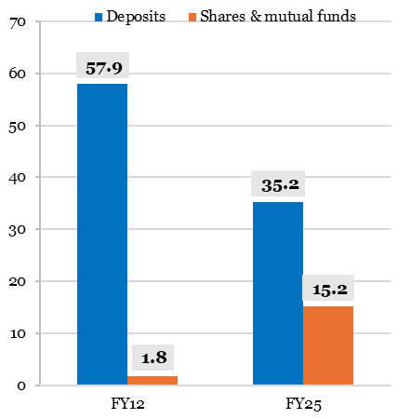
Chart III.17: Composition of annual financial savings for select products (% share)
 | FY12 | FY25
 | Per cent
Deposits | 57.9 | 35.2
Shares & mutual funds | 1.8 | 15.2
Source: RBI, MOSPI, NSE EPR

Chart III.18
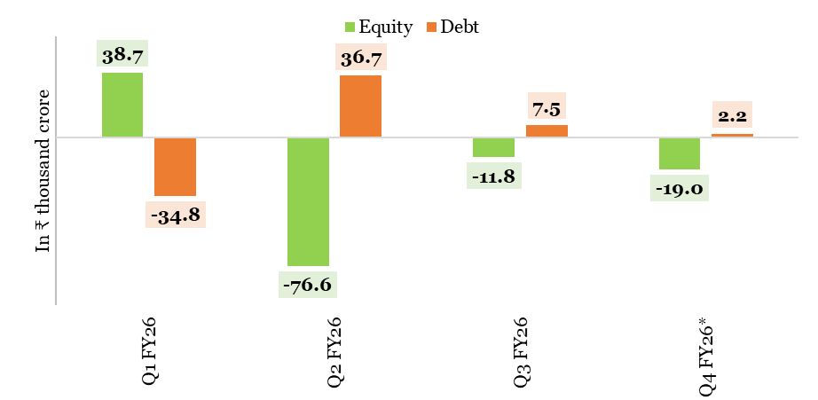
Chart III.18: Trend in net FPI investment in equity and debt segments
 | Equity | Debt
 | ₹ thousand crore
Q1 FY26 | 38.7 | -34.8
Q2 FY26 | -76.6 | 36.7
Q3 FY26 | -11.8 | 7.5
Q4 FY26* | -19.0 | 2.2
Source: NSDL
Q4 FY26*as of 13 January 2026.

Chart III.19
Chart III.19: Spread between 10-year US and Indian Government Bond Yield

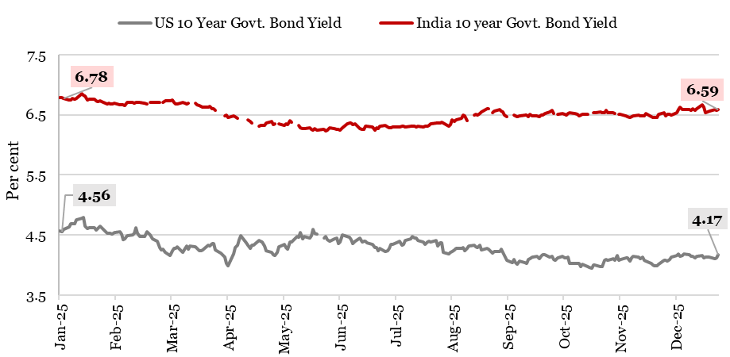
Date | US 10 Year Govt. Bond Yield | India 10 year Govt. Bond Yield
 | Per cent
2025-01-01 | 4.57 | 6.78
2025-01-02 | 4.56 | 6.79
2025-01-03 | 4.60 | 6.78
2025-01-06 | 4.63 | 6.75
2025-01-07 | 4.69 | 6.75
2025-01-08 | 4.69 | 6.77
2025-01-09 | 4.69 | 6.77
2025-01-10 | 4.76 | 6.77
2025-01-13 | 4.78 | 6.85
2025-01-14 | 4.79 | 6.82
2025-01-15 | 4.65 | 6.81
2025-01-16 | 4.61 | 6.75
2025-01-17 | 4.63 | 6.77
2025-01-20 | 4.63 | 6.76
2025-01-21 | 4.58 | 6.74
2025-01-22 | 4.61 | 6.72
2025-01-23 | 4.64 | 6.73
2025-01-24 | 4.62 | 6.72
2025-01-27 | 4.53 | 6.68
2025-01-28 | 4.53 | 6.69
2025-01-29 | 4.53 | 6.69
2025-01-30 | 4.52 | 6.68
2025-01-31 | 4.54 | 6.70
2025-02-03 | 4.56 | 6.67
2025-02-04 | 4.51 | 6.67
...

Chart III.20
Chart III.20: Net Purchases/Sales by FPIs and DIIs of assets

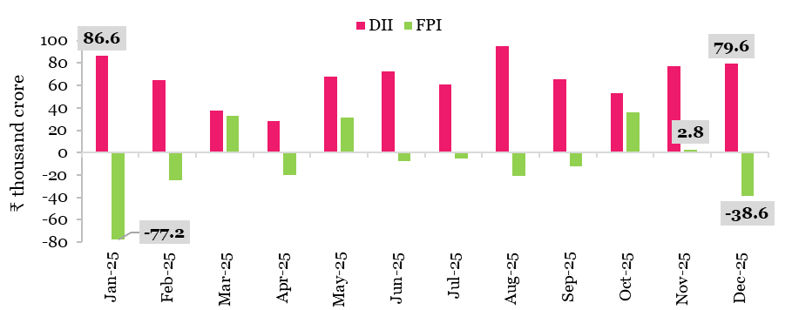
 | DII | FPI
 | ₹ thousand crore
Jan-25 | 86.6 | -77.2
Feb-25 | 64.9 | -24.3
Mar-25 | 37.6 | 33.0
Apr-25 | 28.2 | -20.2
May-25 | 67.6 | 31.0
Jun-25 | 72.7 | -7.6
Jul-25 | 60.9 | -5.5
Aug-25 | 94.8 | -20.5
Sep-25 | 65.3 | -12.5
Oct-25 | 52.8 | 35.6
Nov-25 | 77.1 | 2.8
Dec-25 | 79.6 | -38.6
Source 1: NSDL
Source 2: BSE

Chart III.21
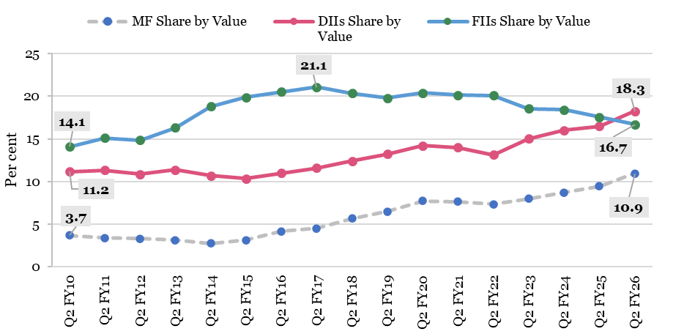
Chart III.21: Share of DIIs and FIIs by value of holdings
 | MF Share by Value | DIIs Share by Value | FIIs Share by Value
 | (Per cent)
Q2 FY10 | 3.7 | 11.2 | 14.1
Q2 FY11 | 3.4 | 11.3 | 15.1
Q2 FY12 | 3.3 | 10.9 | 14.9
Q2 FY13 | 3.1 | 11.4 | 16.3
Q2 FY14 | 2.8 | 10.7 | 18.8
Q2 FY15 | 3.1 | 10.3 | 19.9
Q2 FY16 | 4.2 | 11.0 | 20.5
Q2 FY17 | 4.5 | 11.6 | 21.1
Q2 FY18 | 5.7 | 12.4 | 20.3
Q2 FY19 | 6.5 | 13.2 | 19.8
Q2 FY20 | 7.8 | 14.2 | 20.4
Q2 FY21 | 7.7 | 14.0 | 20.1
Q2 FY22 | 7.4 | 13.2 | 20.1
Q2 FY23 | 8.0 | 15.0 | 18.5
Q2 FY24 | 8.7 | 16.0 | 18.4
Q2 FY25 | 9.5 | 16.5 | 17.6
Q2 FY26 | 10.9 | 18.3 | 16.7
Source:PRIME Infobase

Chart III.22
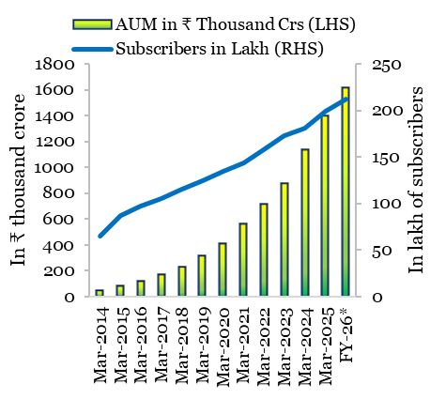
Chart III.22: NPS: AUM and subscribers
Year | AUM (₹ thousand Cr) | No. of subscribers (in Lakh)
Mar-14 | 48.1 | 65.06
Mar-15 | 80.85 | 87.49
Mar-16 | 118.3 | 97.5
Mar-17 | 172.68 | 105.75
Mar-18 | 230.76 | 115.64
Mar-19 | 311.35 | 124.01
Mar-20 | 406.94 | 134.13
Mar-21 | 562.34 | 143.91
Mar-22 | 715.67 | 157.44
Mar-23 | 871.64 | 173.08
Mar-24 | 1137 | 180.44
Mar-25 | 1398.73 | 198.57
FY-26* | 1612.54 | 211.77
Source: PFRDA website accessed on 17 January 2025.
Note: FY26* As of 31 December 2025.

Chart III.23
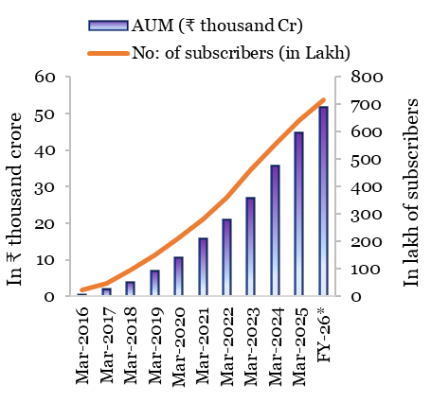
Chart III.23: APS: AUM and subscribers
Year | AUM (₹ thousand Cr) | No. of subscribers (in Lakh)
Mar-16 | 0.51 | 24.61
Mar-17 | 1.89 | 48.64
Mar-18 | 3.82 | 96.06
Mar-19 | 6.86 | 149.53
Mar-20 | 10.53 | 211.42
Mar-21 | 15.69 | 280.49
Mar-22 | 20.92 | 362.77
Mar-23 | 26.7 | 459.47
Mar-24 | 35.65 | 555.12
Mar-25 | 44.78 | 641.34
FY-26* | 51.62 | 715.6
Source: PFRDA website accessed on 17 January 2025.
Note: FY26* As of 31 December 2025.

Chart III.24
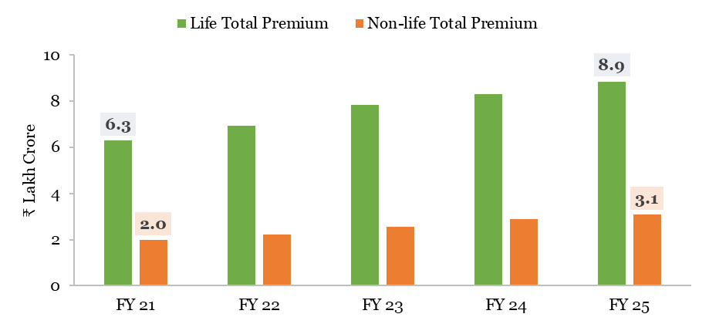
Chart III.24: Total amount of life and non-life insurance premiums
 | Life Total Premium | Non-life Total Premium
 | ₹ Lakh Crore
FY 21 | 6.3 | 2.0
FY 22 | 6.9 | 2.2
FY 23 | 7.8 | 2.6
FY 24 | 8.3 | 2.9
FY 25 | 8.9 | 3.1
Source: IRDAI Annual Reports

