II.1
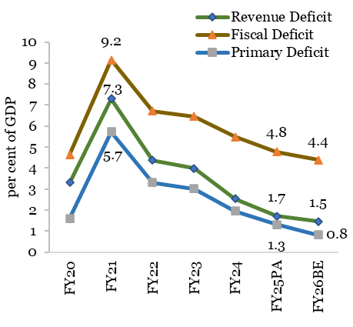
Chart II.1: Trends in deficit indicators of the Centre (as per cent of GDP)
Year | Revenue Deficit | Fiscal Deficit | Primary Deficit
FY20 | 3.3 | 4.6 | 1.6
FY21 | 7.3 | 9.2 | 5.7
FY22 | 4.4 | 6.7 | 3.3
FY23 | 4.0 | 6.5 | 3.0
FY24 | 2.5 | 5.5 | 2.0
FY25PA | 1.7 | 4.8 | 1.3
FY25BE | 1.5 | 4.4 | 0.8
Source: Union budget documents and Controller General of Accounts (CGA).

 |  |  |  | Q

II.2
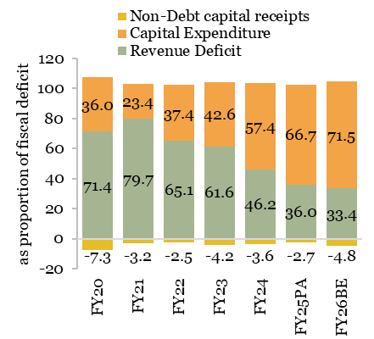
Chart II.2: Decomposition of the fiscal deficit of the Centre (as proportion of fiscal deficit)
Year | Revenue Deficit | Capital Expenditure | Non-Debt capital receipts
FY20 | 71.4 | 36.0 | -7.3
FY21 | 79.7 | 23.4 | -3.2
FY22 | 65.1 | 37.4 | -2.5
FY23 | 61.6 | 42.6 | -4.2
FY24 | 46.2 | 57.4 | -3.6
FY25PA | 36.0 | 66.7 | -2.7
FY25BE | 33.4 | 71.5 | -4.8
Source: Union budget documents and Controller General of Accounts (CGA).

II.3
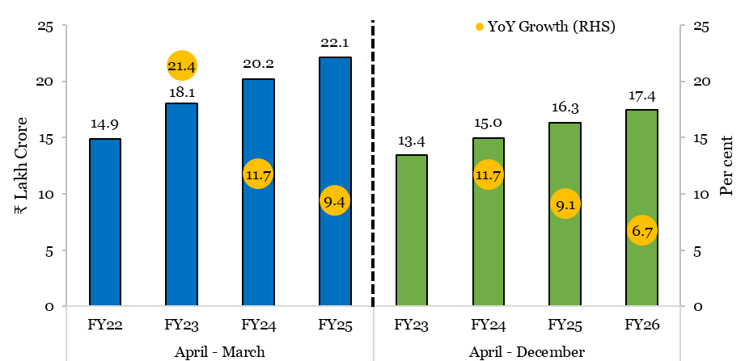
Chart II.3: Gross GST collections reach all-time highs, even as the growth tracks nominal GDP growth
Period | Year | Gross GST Collection (₹ lakh crore) | YoY Growth (RHS) (per cent)
April - March | FY22 | 14.9
 | FY23 | 18.1 | 21.4
 | FY24 | 20.2 | 11.7
 | FY25 | 22.1 | 9.4
April - December | FY23 | 13.4
 | FY24 | 15.0 | 11.7
 | FY25 | 16.3 | 9.1
 | FY26 | 17.4 | 6.7
Source: Ministry of Finance.

II.4a
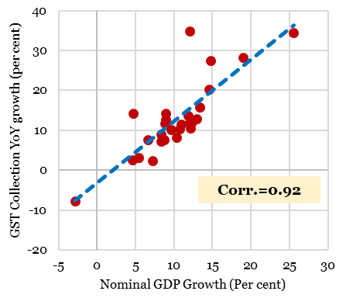
Chart II.4a: GST collection track nominal GDP growth
Period | GST Collection YoY growth (per cent) | Nominal GDP YoY growth (per cent)
Sep-18 | 34.8 | 12.0
Dec-18 | 12.1 | 12.3
Mar-19 | 14.3 | 4.7
Jun-19 | 7.2 | 8.4
Sep-19 | 2.6 | 4.6
Dec-19 | 3.1 | 5.4
Mar-20 | 2.4 | 7.2
Sep-20 | -7.8 | -2.9
Dec-20 | 7.7 | 6.6
Mar-21 | 13.7 | 11.8
Sep-21 | 28.2 | 19.0
Dec-21 | 20.3 | 14.5
Mar-22 | 15.9 | 13.3
Jun-22 | 34.5 | 25.5
Sep-22 | 27.5 | 14.8
Dec-22 | 14.2 | 8.9
Mar-23 | 12.6 | 8.9
Jun-23 | 11.6 | 11.0
Sep-23 | 10.6 | 12.1
Dec-23 | 12.9 | 12.9
Mar-24 | 11.9 | 12.0
Jun-24 | 10.1 | 9.7
Sep-24 | 8.9 | 8.3
Dec-24 | 8.3 | 10.3
Mar-25 | 10.4 | 10.8
Jun-25 | 11.8 | 8.8
Sep-25 | 7.7 | 8.7
Source: GSTN, MoSPI. Note: Quarterly data for GST and GDP has been used.

II.4b
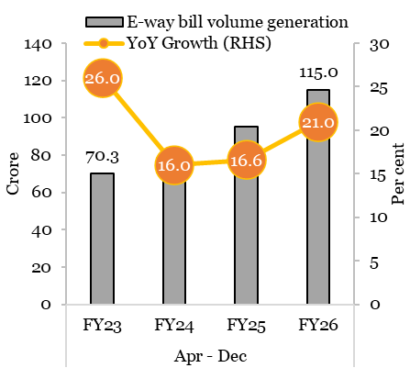
Chart II.4b: E-way bill volumes indicate robust transaction momentum under GST
Period | Year | E-way bill volume generation (crore) | YoY Growth (RHS) (per cent)
April - December | FY23 | 70.3 | 26.0
 | FY24 | 81.5 | 16.0
 | FY25 | 95.0 | 16.6
 | FY26 | 115.0 | 21.0
Source: GST Council, Ministry of Finance

II.5
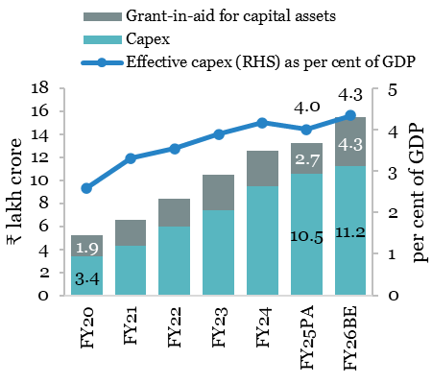
Chart II.5: Trends in effective capex
Year | Capex (in ₹ lakh crore) | Grant-in-aid for capital assets (in ₹ lakh crore) | Effective capex (RHS) as per cent of GDP
FY20 | 3.4 | 1.9 | 2.6
FY21 | 4.3 | 2.3 | 3.3
FY22 | 5.9 | 2.4 | 3.5
FY23 | 7.4 | 3.1 | 3.9
FY24 | 9.5 | 3.0 | 4.2
FY25PA | 10.5 | 2.7 | 4.0
FY26BE | 11.2 | 4.3 | 4.3
Source: Union budget documents, CGA and MoSPI.

II.6
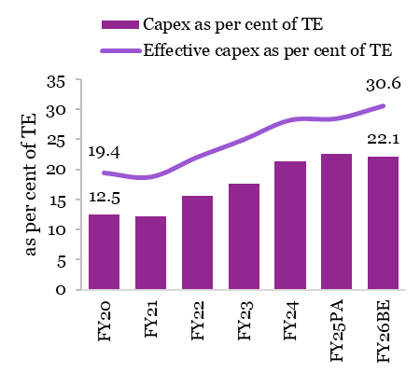
Chart II.6: Capex as a share of total expenditure
Year | Capex as per cent of TE | Effective capex as per cent of TE
FY20 | 12.5 | 19.4
FY21 | 12.1 | 18.7
FY22 | 15.6 | 22.0
FY23 | 17.6 | 25.0
FY24 | 21.4 | 28.2
FY25PA | 22.6 | 28.5
FY25BE | 22.1 | 30.6
Source: Union budget documents and CGA. Note: TE- Total expenditure

II.7
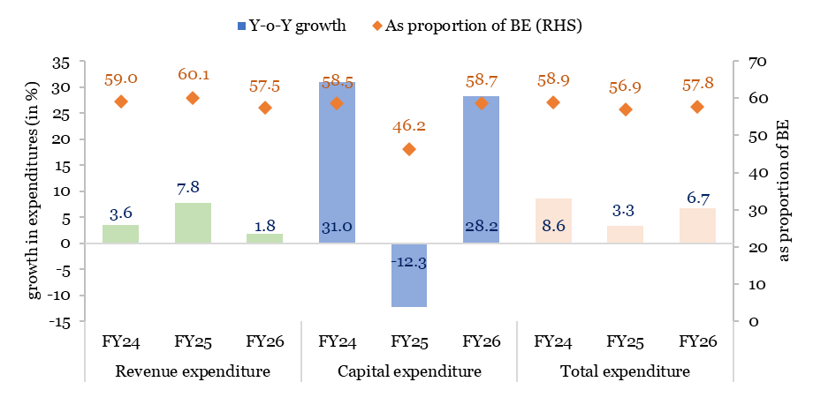
Chart II.7: Trends in expenditure of the Centre - April to November
 | Year | Y-o-Y growth (per cent) | As proportion of BE (RHS)
Revenue expenditure | FY24 | 3.6 | 59.0
 | FY25 | 7.8 | 60.1
 | FY26 | 1.8 | 57.5
Capital expenditure | FY24 | 31.0 | 58.5
 | FY25 | -12.3 | 46.2
 | FY26 | 28.2 | 58.7
Total expenditure | FY24 | 8.6 | 58.9
 | FY25 | 3.3 | 56.9
 | FY26 | 6.7 | 57.8
Source: CGA

II.8
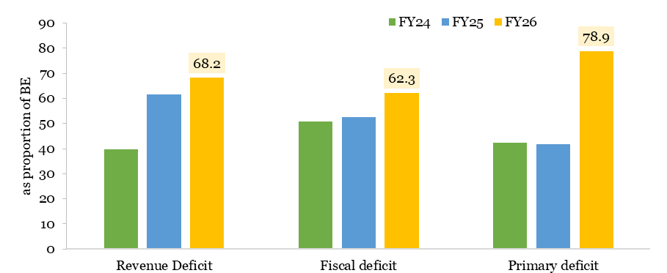
Chart II.8: Deficit indicators reflect prudent fiscal management-April to November (as proportion of BE)
Year | FY24 | FY25 | FY26
Revenue Deficit | 39.8 | 61.5 | 68.2
Fiscal deficit | 50.7 | 52.5 | 62.3
Primary deficit | 42.2 | 41.8 | 78.9
Source: CGA

II.9
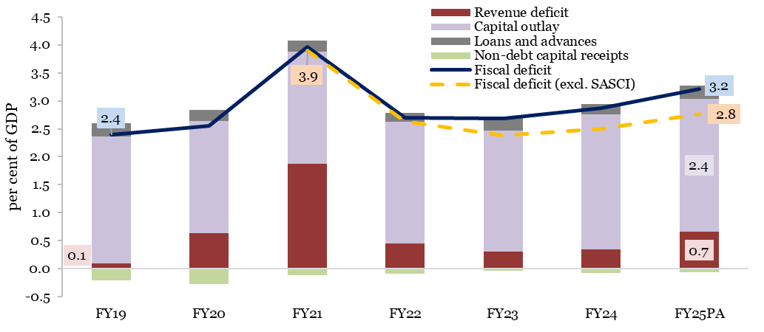
Chart II.9: Deficit indicators of States (as per cent of GDP)
 | FY19 | FY20 | FY21 | FY22 | FY23 | FY24 | FY25PA
Revenue deficit | 0.1 | 0.6 | 1.9 | 0.4 | 0.3 | 0.3 | 0.7
Capital outlay | 2.3 | 2.0 | 2.0 | 2.2 | 2.2 | 2.4 | 2.4
Loans and advances | 0.2 | 0.2 | 0.2 | 0.2 | 0.3 | 0.2 | 0.2
Non-debt capital receipts | -0.2 | -0.3 | -0.1 | -0.1 | 0.0 | -0.1 | -0.1
Fiscal deficit | 2.4 | 2.6 | 4.0 | 2.7 | 2.7 | 2.9 | 3.2
Fiscal deficit (excl. SASCI) | 2.4 | 2.6 | 3.9 | 2.6 | 2.4 | 2.5 | 2.8
RBI eSTATES database, States' Budget documents, Department of Expenditure and Comptroller and Auditor General of India (CAG) monthly provisional accounts. Note: For FY25, data for Goa is of revised estimates.

II.10
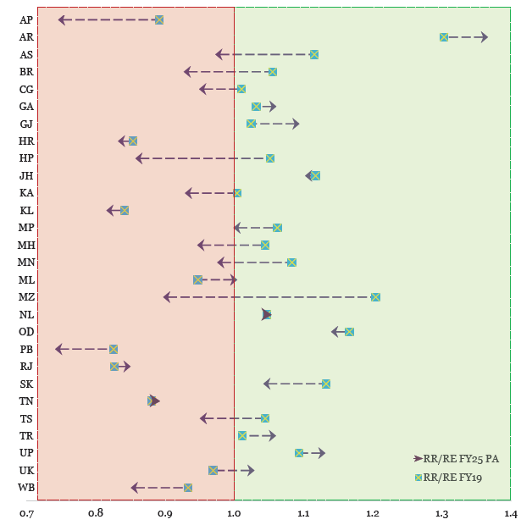
Chart II.10: Fiscal performance across States
 | RR/RE FY19 | RR/RE FY25PA
AP | 0.9 | 0.7
AR | 1.3 | 1.4
AS | 1.1 | 1.0
BR | 1.1 | 0.9
CH | 1.0 | 0.9
GA | 1.0 | 1.1
GJ | 1.0 | 1.1
HR | 0.9 | 0.8
HP | 1.1 | 0.9
JH | 1.1 | 1.1
KA | 1.0 | 0.9
KL | 0.8 | 0.8
MP | 1.1 | 1.0
MH | 1.0 | 0.9
MN | 1.1 | 1.0
ML | 0.9 | 1.0
MZ | 1.2 | 0.9
NL | 1.0 | 1.0
OD | 1.2 | 1.1
PB | 0.8 | 0.7
RJ | 0.8 | 0.9
SK | 1.1 | 1.0
TN | 0.9 | 0.9
TS | 1.0 | 1.0
TR | 1.0 | 1.1
UP | 1.1 | 1.1
UK | 1.0 | 1.0
WB | 0.9 | 0.9
Source: RBI eSTATES database and CAG monthly provisional accounts.
Note: Data for GA are revised estimates for FY25. 1. RR- revenue receipts, RE- revenue expenditure. 2. A ratio of greater than 1 indicates a revenue surplus and less than 1 indicates a revenue deficit. 3. Andhra Pradesh (AP), Arunachal Pradesh (AR), Assam (AS), Bihar (BR), Chhattisgarh (CG), Goa (GA), Gujarat (GJ), Haryana (HR), Himachal Pradesh (HP), Jharkhand (JH), Karnataka (KA), Kerala (KL), Madhya Pradesh (MP), Maharashtra (MH), Manipur (MN), Meghalaya (ML), Mizoram (MZ), Nagaland (NL), Odisha (OD), Punjab (PB), Rajasthan (RJ), Sikkim (SK), Tamil Nadu (TN), Telangana (TS), Tripura (TR), Uttar Pradesh (UP), Uttarakhand (UK) and West Bengal (WB).

II.11
Chart II.11: Trend in revenue receipts of States
In ₹ lakh crore |  |  |  |  |  |  |  | as per cent of GDP
 | FY19 | FY20 | FY21 | FY22 | FY23 | FY24 | FY25PA |  | FY19 | FY20 | FY21 | FY22 | FY23 | FY24 | FY25PA
SOTR | 11.7 | 11.8 | 11.3 | 14.2 | 17.0 | 18.8 | 20.2 | SOTR | 6.2 | 5.8 | 5.7 | 6.0 | 6.3 | 6.2 | 6.1
SCT | 7.3 | 6.4 | 6.0 | 8.5 | 9.5 | 11.3 | 12.9 | SCT | 3.9 | 3.2 | 3.0 | 3.6 | 3.5 | 3.7 | 3.9
SONTR | 2.1 | 2.5 | 1.7 | 2.7 | 2.7 | 3.1 | 3.3 | SONTR | 1.1 | 1.3 | 0.9 | 1.1 | 1.0 | 1.0 | 1.0
GIA | 4.1 | 4.9 | 5.9 | 5.4 | 5.9 | 4.7 | 4.0 | GIA | 2.2 | 2.4 | 3.0 | 2.3 | 2.2 | 1.6 | 1.2
TRR | 25.2 | 25.6 | 24.9 | 30.7 | 35.1 | 37.9 | 40.4 | TRR | 13.3 | 12.8 | 12.5 | 13.0 | 13.1 | 12.6 | 12.2
Source: RBI eSTATES database, States' Budget documents, CAG monthly provisional accounts and CGA. Notes: 1. SOTR stands for States’ Own Tax Revenue, SCT- Share in Central Taxes, SONTR- States’ Own Non-Tax Revenue, GIA- Grants-in-Aid from the Centre, TRR- Total Revenue Receipts 2. For FY25PA, data for Mizoram, Sikkim and Goa are FY25 Revised Estimates (RE). 3. For FY25PA, SOTR is calculated as total tax revenue minus share in central taxes. 4. Grants-in-aid also include GST compensation to States.

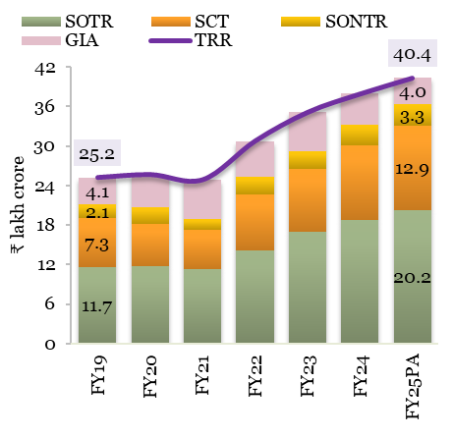
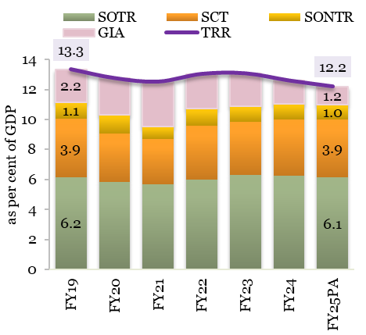

II.12
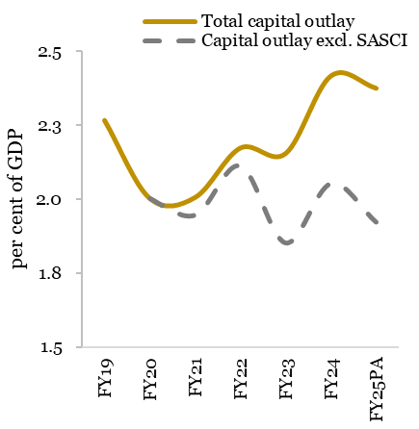
Chart II.12: Capital outlay sourced from the States’ own resources (as per cent of GDP)
 | FY19 | FY20 | FY21 | FY22 | FY23 | FY24 | FY25PA
Total capital outlay | 2.3 | 2.0 | 2.0 | 2.2 | 2.2 | 2.4 | 2.4
Capital outlay excl. SASCI |  | 2.0 | 1.9 | 2.1 | 1.9 | 2.1 | 1.9
Source: MoSPI, RBI eSTATES database, States' Budget documents, CAG monthly provisional accounts and Department of Expenditure. Note: For FY25, data for Goa is of revised estimates.

II.13
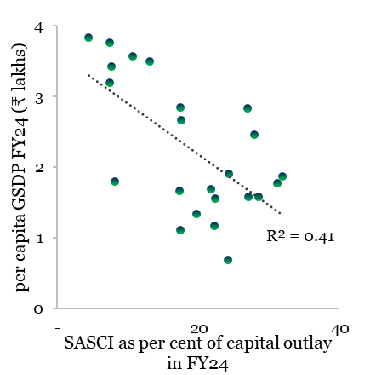
Chart II.13: Correlation of reliance on SASCI with per capita GSDP
 | SASCI as per cent of capital outlay in FY24 | Per capita GSDP FY24 (₹ lakhs)
Andhra Pradesh | 17.5 | 2.7
Arunachal Pradesh | 27.9 | 2.5
Assam | 27.1 | 1.6
Bihar | 24.2 | 0.7
Chhattisgarh | 21.8 | 1.7
Gujarat | 7.6 | 3.4
Haryana | 10.7 | 3.6
Himachal Pradesh | 26.9 | 2.8
Jharkhand | 22.3 | 1.2
Karnataka | 7.4 | 3.8
Madhya Pradesh | 22.3 | 1.6
Maharashtra | 7.4 | 3.2
Manipur | 19.7 | 1.3
Meghalaya | 28.5 | 1.6
Nagaland | 31.2 | 1.8
Odisha | 8.2 | 1.8
Rajasthan | 32.0 | 1.9
Tamil Nadu | 13.2 | 3.5
Telangana | 4.4 | 3.8
Tripura | 24.2 | 1.9
Uttar Pradesh | 17.4 | 1.1
Uttarakhand | 17.4 | 2.8
West Bengal | 17.3 | 1.7
Source: States' Budget documents, Department of Expenditure, MoSPI. Note: Excludes Goa, Kerala, Mizoram, Punjab and Sikkim.

II.14
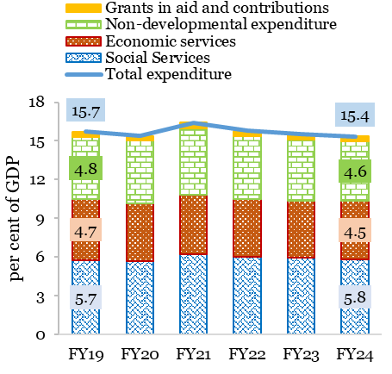
Chart II.14: Composition of States’ Total Expenditure (per cent of GDP)
 | FY19 | FY20 | FY21 | FY22 | FY23 | FY24
Social Services | 5.7 | 5.7 | 6.2 | 6.0 | 6.0 | 5.8
Economic services | 4.7 | 4.5 | 4.6 | 4.4 | 4.4 | 4.5
Non-developmental expenditure | 4.8 | 4.8 | 5.2 | 4.9 | 4.8 | 4.6
Grants in aid and contributions | 0.4 | 0.4 | 0.4 | 0.4 | 0.4 | 0.4
Total expenditure | 15.7 | 15.4 | 16.4 | 15.8 | 15.5 | 15.4
Source: RBI eSTATES databse, States' Budget Documents and MoSPI. Note: Total expenditure excludes loans and advances disbursed by States.

II.15
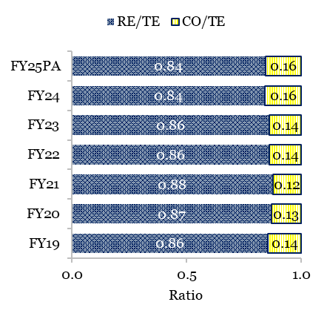
Chart II.15: Quality of Expenditure of States
 | FY19 | FY20 | FY21 | FY22 | FY23 | FY24 | FY25PA
RE/TE | 0.86 | 0.87 | 0.88 | 0.86 | 0.86 | 0.84 | 0.84
CO/TE | 0.14 | 0.13 | 0.12 | 0.14 | 0.14 | 0.16 | 0.16
Source: RBI eSTATES database, States' Budget documents and CAG monthly provisional accounts.
Note: 1. For FY25PA, data for Goa is revised estimates. 2. RE- Revenue expenditure, TE- Total expenditure, CO- capital outlay. 3. Total expenditure excludes loans and advances disbursed by States.

II.16
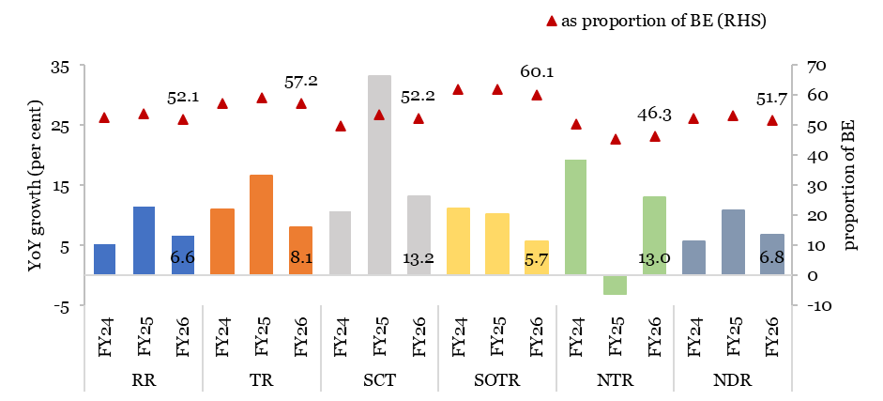
Chart II.16: Performance of States’ receipts during April-November
 | Year | YoY growth (per cent) | as proportion of BE (RHS)
RR | FY24 | 5.2 | 52.4
 | FY25 | 11.5 | 53.7
 | FY26 | 6.6 | 53.7
TR | FY24 | 11.0 | 57.3
 | FY25 | 16.7 | 59.0
 | FY26 | 8.1 | 57.2
SCT | FY24 | 10.7 | 49.9
 | FY25 | 33.2 | 53.5
 | FY26 | 13.2 | 52.2
SOTR | FY24 | 11.1 | 61.9
 | FY25 | 10.2 | 62.0
 | FY26 | 5.7 | 60.1
NTR | FY24 | 19.3 | 50.4
 | FY25 | -3.1 | 45.4
 | FY26 | 13.0 | 46.3
NDR | FY24 | 5.7 | 52.3
 | FY25 | 10.9 | 53.3
 | FY26 | 6.8 | 51.7
Source: CAG monthly provisional accounts of 27 States.
Note: 1. AP, AS, BR, CG, GJ, HR, HP, JH, KA, KL, MP, MH, ML, MZ, OD, PB, RJ, SK, TN, TS, TR, UP, UK, WB – April to November; BR, SK – April to October; MN, NL- April to September; AR- April to August. 2. RR stands for Revenue Receipts, TR- Tax Receipts (SCT plus SOTR), SCT- Share in Central Taxes, SOTR- States’ Own Tax Revenue, NTR- Non Tax Revenue, NDR- Non debt receipts. 3. For Mizoram and Sikkim, SCT is included in SOTR.

II.17
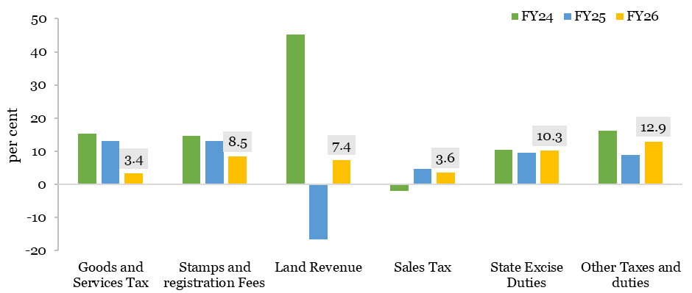
Chart II.17: Decomposing performance of own tax revenues during April-November
 | FY24 | FY25 | FY26
Goods and Service Tax | 15.3 | 13.0 | 3.4
Stamps and registration Fees | 14.6 | 13.1 | 8.5
Land Revenue | 45.3 | -16.5 | 7.4
Sales Tax | -2.0 | 4.6 | 3.6
State Excise Duties | 10.5 | 9.5 | 10.3
Other Taxes and duties | 16.2 | 8.8 | 12.9
Source: CAG monthly provisional accounts of 27 States.
Note: 1. AP, AS, BR, CG, GJ, HR, HP, JH, KA, KL, MP, MH, ML, MZ, OD, PB, RJ, SK, TN, TS, TR, UP, UK, WB – April to November; BR, SK – April to October; MN, NL- April to September; AR- April to August. 2. For Himachal Pradesh, land revenue included 'other taxes and duties'.

II.18
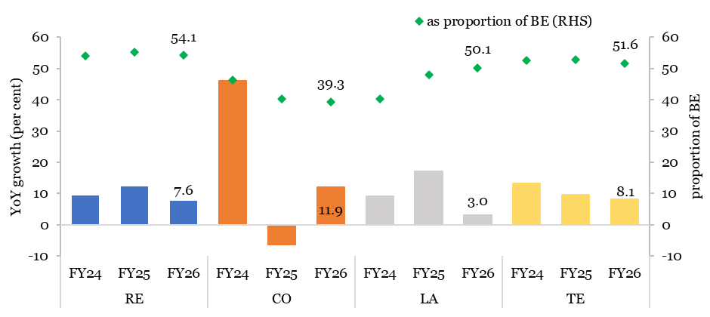
Chart II.18: Performance of States’ expenditure during April-November
 | Year | YoY growth (per cent) | as proportion of BE (RHS)
RE | FY24 | 9.3 | 53.9
 | FY25 | 12.2 | 55.2
 | FY26 | 7.6 | 55.2
CO | FY24 | 46.0 | 46.3
 | FY25 | -6.2 | 40.3
 | FY26 | 11.9 | 39.3
LA | FY24 | 9.2 | 40.2
 | FY25 | 17.0 | 48.0
 | FY26 | 3.0 | 50.1
TE | FY24 | 13.4 | 52.5
 | FY25 | 9.6 | 52.7
 | FY26 | 8.1 | 51.6
Source: CAG monthly provisional accounts of 27 States.
Note: 1. AP, AS, BR, CG, GJ, HR, HP, JH, KA, KL, MP, MH, ML, MZ, OD, PB, RJ, SK, TN, TS, TR, UP, UK, WB – April to November; BR, SK – April to October; MN, NL- April to September; AR- April to August. 2. RE stands for Revenue Expenditure, CO- Capital Outlay, LA- Loans and Advances, TE- Total Expenditure.

II.19
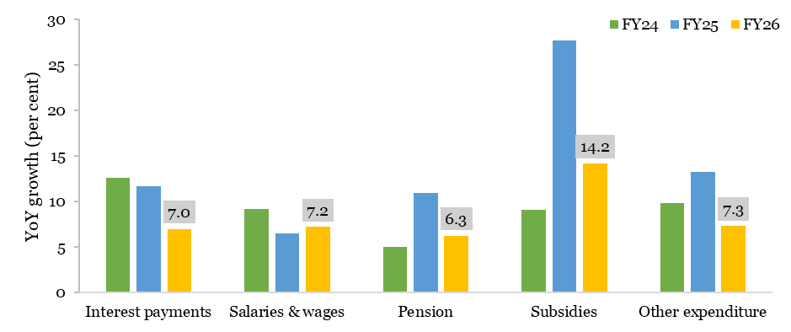
Chart II.19: Decomposing performance of revenue expenditure during April-November
 | FY24 | FY25 | FY26
Interest payments | 12.6 | 11.7 | 7.0
Salaries & wages | 9.2 | 6.5 | 7.2
Pension | 5.1 | 10.9 | 6.3
Subsidies | 9.1 | 27.7 | 14.2
Other expenditure | 9.9 | 13.3 | 7.3
Source: CAG monthly provisional accounts of 27 States.
Note: 1. AP, AS, BR, CG, GJ, HR, HP, JH, KA, KL, MP, MH, ML, MZ, OD, PB, RJ, SK, TN, TS, TR, UP, UK, WB – April to November; BR, SK – April to October; MN, NL- April to September; AR- April to August. 2. For Mizoram and Sikkim, expenditure on pension and subsidy; for Karnataka and Tamil Nadu, expenditure on salaries & wages and subsidies; and for Arunachal Pradesh, expenditure on subsidies included in ‘other expenditure on revenue account’.

II.20
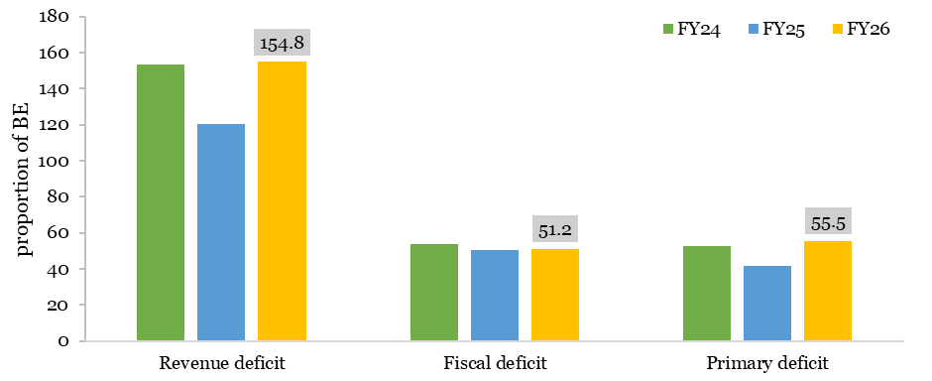
Chart II.20: Deficit indicators as on end November
as proportion of BE | FY24 | FY25 | FY26
Revenue deficit | 153.2 | 120.3 | 154.8
Fiscal deficit | 53.5 | 50.2 | 51.2
Primary deficit | 52.7 | 41.5 | 55.5
Source: CAG monthly provisional accounts of 27 States.
Note: AP, AS, BR, CG, GJ, HR, HP, JH, KA, KL, MP, MH, ML, MZ, OD, PB, RJ, SK, TN, TS, TR, UP, UK, WB – April to November; BR, SK – April to October; MN, NL- April to September; AR- April to August.

II.21
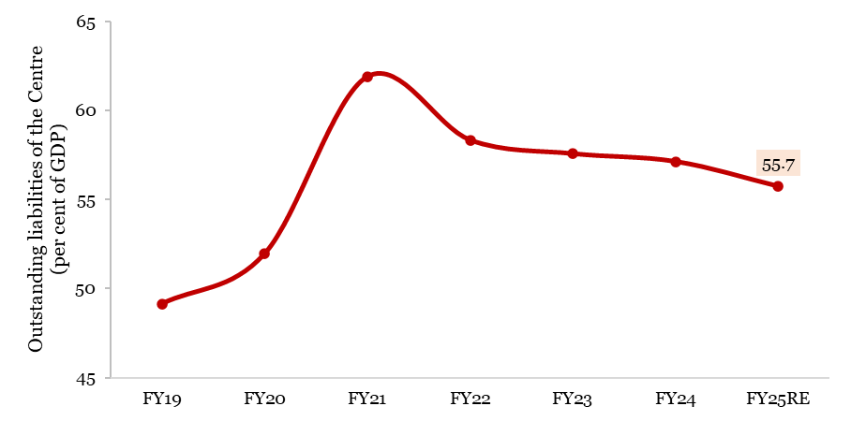
Year | Outstanding Liabilities of the Central Government (per cent of GDP)
FY19 | 49.1
FY20 | 51.9
FY21 | 61.9
FY22 | 58.3
FY23 | 57.6
FY24 | 57.1
FY25RE | 55.7
Source: Department of Economic Affairs and MoSPI.

II.22
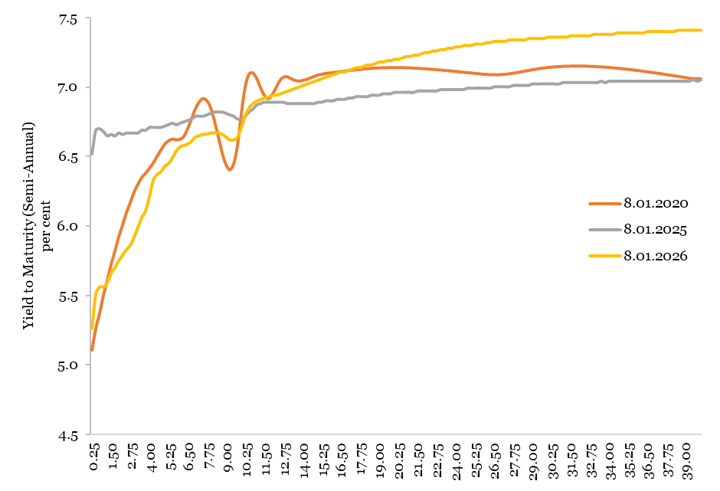
Chart II.22: Yield curve of government securities
Tenor (Year) | Yield to maturity (semi-annual) (per cent)
 | 8.01.2020 | 8.01.2025 | 8.01.2026
0.25 | 5.11 | 6.52 | 5.26
0.50 | 5.26 | 6.69 | 5.51
0.75 | 5.37 | 6.70 | 5.56
1.00 | 5.50 | 6.68 | 5.56
1.25 | 5.61 | 6.65 | 5.59
1.50 | 5.72 | 6.66 | 5.66
1.75 | 5.82 | 6.65 | 5.70
2.00 | 5.92 | 6.67 | 5.75
2.25 | 6.01 | 6.66 | 5.79
2.50 | 6.10 | 6.67 | 5.83
2.75 | 6.17 | 6.67 | 5.86
3.00 | 6.24 | 6.67 | 5.92
3.25 | 6.30 | 6.67 | 5.99
3.50 | 6.35 | 6.69 | 6.06
3.75 | 6.38 | 6.69 | 6.11
4.00 | 6.41 | 6.71 | 6.21
4.25 | 6.45 | 6.71 | 6.33
4.50 | 6.50 | 6.71 | 6.37
4.75 | 6.55 | 6.71 | 6.39
5.00 | 6.59 | 6.72 | 6.43
5.25 | 6.61 | 6.73 | 6.45
5.50 | 6.62 | 6.74 | 6.49
5.75 | 6.62 | 6.73 | 6.54
6.00 | 6.62 | 6.74 | 6.57
6.25 | 6.64 | 6.75 | 6.58
6.50 | 6.70 | 6.76 | 6.59
6.75 | 6.77 | 6.77 | 6.61
7.00 | 6.84 | 6.79 | 6.64
7.25 | 6.89 | 6.79 | 6.65
7.50 | 6.91 | 6.79 | 6.66
7.75 | 6.90 | 6.80 | 6.66
8.00 | 6.85 | 6.81 | 6.67
8.25 | 6.75 | 6.82 | 6.67
8.50 | 6.64 | 6.82 | 6.67
8.75 | 6.52 | 6.82 | 6.66
9.00 | 6.44 | 6.81 | 6.64
9.25 | 6.40 | 6.80 | 6.62
9.50 | 6.45 | 6.79 | 6.62
9.75 | 6.58 | 6.77 | 6.64
10.00 | 6.80 | 6.77 | 6.71
10.25 | 7.00 | 6.79 | 6.79
10.50 | 7.09 | 6.82 | 6.85
10.75 | 7.10 | 6.84 | 6.88
11.00 | 7.06 | 6.87 | 6.90
11.25 | 6.99 | 6.88 | 6.91
11.50 | 6.94 | 6.89 | 6.92
11.75 | 6.92 | 6.89 | 6.93
12.00 | 6.94 | 6.89 | 6.94
12.25 | 6.99 | 6.89 | 6.94
12.50 | 7.04 | 6.89 | 6.95
12.75 | 7.07 | 6.89 | 6.96
13.00 | 7.07 | 6.88 | 6.97
13.25 | 7.06 | 6.88 | 6.98
13.50 | 7.05 | 6.88 | 6.99
13.75 | 7.04 | 6.88 | 7.00
14.00 | 7.04 | 6.88 | 7.01
14.25 | 7.05 | 6.88 | 7.02
14.50 | 7.06 | 6.88 | 7.03
14.75 | 7.07 | 6.88 | 7.04
15.00 | 7.08 | 6.89 | 7.05
15.25 | 7.09 | 6.89 | 7.06
15.50 | 7.10 | 6.90 | 7.07
15.75 | 7.10 | 6.90 | 7.08
16.00 | 7.10 | 6.90 | 7.09
16.25 | 7.11 | 6.91 | 7.10
16.50 | 7.11 | 6.91 | 7.11
16.75 | 7.11 | 6.91 | 7.11
17.00 | 7.12 | 6.92 | 7.12
17.25 | 7.12 | 6.92 | 7.13
17.50 | 7.12 | 6.93 | 7.14
17.75 | 7.12 | 6.93 | 7.14
18.00 | 7.13 | 6.93 | 7.15
18.25 | 7.13 | 6.93 | 7.16
18.50 | 7.13 | 6.94 | 7.16
18.75 | 7.13 | 6.94 | 7.17
19.00 | 7.14 | 6.94 | 7.18
19.25 | 7.14 | 6.95 | 7.18
19.50 | 7.14 | 6.95 | 7.19
19.75 | 7.14 | 6.95 | 7.19
20.00 | 7.14 | 6.96 | 7.20
20.25 | 7.14 | 6.96 | 7.20
20.50 | 7.14 | 6.96 | 7.21
20.75 | 7.14 | 6.96 | 7.22
21.00 | 7.14 | 6.96 | 7.22
21.25 | 7.13 | 6.96 | 7.23
21.50 | 7.13 | 6.97 | 7.23
21.75 | 7.13 | 6.97 | 7.24
22.00 | 7.13 | 6.97 | 7.25
22.25 | 7.13 | 6.97 | 7.25
22.50 | 7.13 | 6.97 | 7.26
22.75 | 7.12 | 6.97 | 7.26
23.00 | 7.12 | 6.98 | 7.27
23.25 | 7.12 | 6.98 | 7.27
23.50 | 7.12 | 6.98 | 7.28
23.75 | 7.11 | 6.98 | 7.28
24.00 | 7.11 | 6.98 | 7.29
24.25 | 7.11 | 6.98 | 7.29
24.50 | 7.11 | 6.98 | 7.30
24.75 | 7.10 | 6.99 | 7.30
25.00 | 7.10 | 6.99 | 7.30
25.25 | 7.10 | 6.99 | 7.31
25.50 | 7.09 | 6.99 | 7.31
25.75 | 7.09 | 6.99 | 7.31
26.00 | 7.09 | 6.99 | 7.32
26.25 | 7.09 | 6.99 | 7.32
26.50 | 7.09 | 7.00 | 7.33
26.75 | 7.09 | 7.00 | 7.33
27.00 | 7.09 | 7.00 | 7.33
27.25 | 7.09 | 7.00 | 7.33
27.50 | 7.09 | 7.00 | 7.34
27.75 | 7.10 | 7.01 | 7.34
28.00 | 7.10 | 7.01 | 7.34
28.25 | 7.11 | 7.01 | 7.34
28.50 | 7.11 | 7.01 | 7.34
28.75 | 7.12 | 7.01 | 7.35
29.00 | 7.12 | 7.02 | 7.35
29.25 | 7.13 | 7.02 | 7.35
29.50 | 7.13 | 7.02 | 7.35
29.75 | 7.13 | 7.02 | 7.35
30.00 | 7.14 | 7.02 | 7.36
30.25 | 7.14 | 7.02 | 7.36
30.50 | 7.14 | 7.02 | 7.36
30.75 | 7.14 | 7.02 | 7.36
31.00 | 7.15 | 7.03 | 7.36
31.25 | 7.15 | 7.03 | 7.36
31.50 | 7.15 | 7.03 | 7.37
31.75 | 7.15 | 7.03 | 7.37
32.00 | 7.15 | 7.03 | 7.37
32.25 | 7.15 | 7.03 | 7.37
32.50 | 7.15 | 7.03 | 7.37
32.75 | 7.15 | 7.03 | 7.37
33.00 | 7.15 | 7.03 | 7.38
33.25 | 7.14 | 7.03 | 7.38
33.50 | 7.14 | 7.04 | 7.38
33.75 | 7.14 | 7.03 | 7.38
34.00 | 7.14 | 7.04 | 7.38
34.25 | 7.14 | 7.04 | 7.38
34.50 | 7.13 | 7.04 | 7.39
34.75 | 7.13 | 7.04 | 7.39
35.00 | 7.13 | 7.04 | 7.39
35.25 | 7.12 | 7.04 | 7.39
35.50 | 7.12 | 7.04 | 7.39
35.75 | 7.12 | 7.04 | 7.39
36.00 | 7.12 | 7.04 | 7.39
36.25 | 7.11 | 7.04 | 7.39
36.50 | 7.11 | 7.04 | 7.40
36.75 | 7.10 | 7.04 | 7.40
37.00 | 7.10 | 7.04 | 7.40
37.25 | 7.10 | 7.04 | 7.40
37.50 | 7.09 | 7.04 | 7.40
37.75 | 7.09 | 7.04 | 7.40
38.00 | 7.08 | 7.04 | 7.40
38.25 | 7.08 | 7.04 | 7.40
38.50 | 7.08 | 7.04 | 7.41
38.75 | 7.07 | 7.04 | 7.41
39.00 | 7.07 | 7.04 | 7.41
39.25 | 7.06 | 7.04 | 7.41
39.50 | 7.06 | 7.05 | 7.41
39.75 | 7.06 | 7.04 | 7.41
40.00 | 7.06 | 7.05 | 7.41
Source: Financial Benchmarks India Pvt. Ltd. (FBIL).

II.23
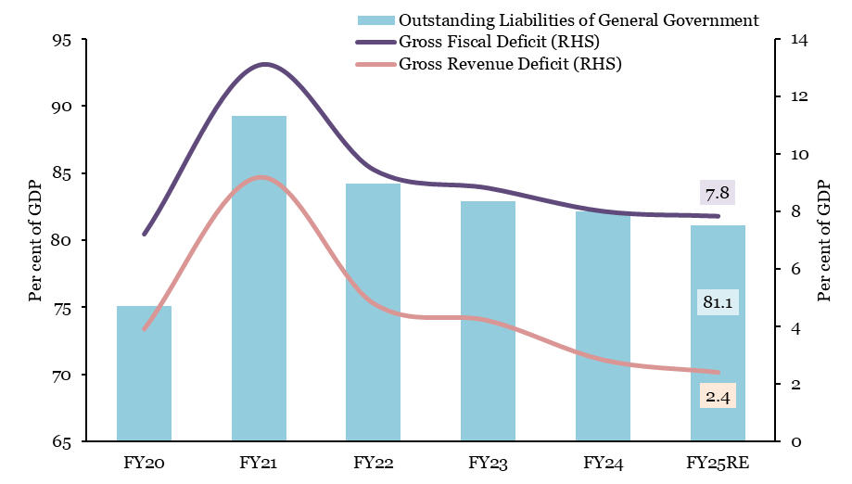
Chart II.23: General government liabilities to GDP ratio
Year | Outstanding Liabilities of General Government (as per cent of GDP) | Gross Fiscal Deficit (RHS) (as per cent of GDP) | Gross Revenue Deficit (RHS) (as per cent of GDP)
FY20 | 75.1 | 7.2 | 3.9
FY21 | 89.2 | 13.1 | 9.2
FY22 | 84.2 | 9.5 | 4.8
FY23 | 82.9 | 8.8 | 4.2
FY24 | 82.1 | 8.0 | 2.9
FY25RE | 81.1 | 7.8 | 2.4
Source: RBI.

II.24
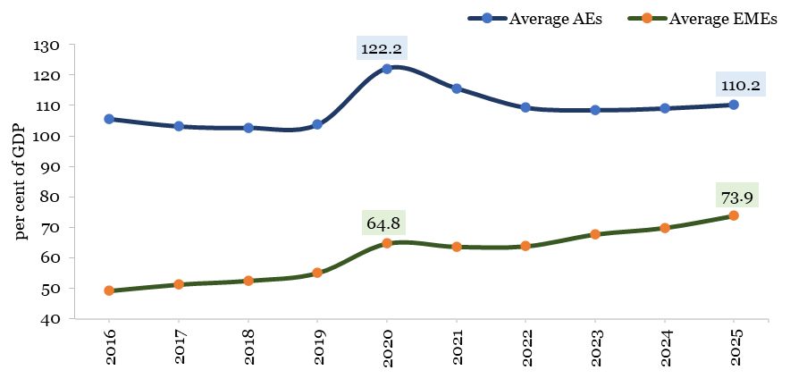
Chart II.24: Trends in general government gross debt across the world
Year | General government gross debt (as per cent of GDP)
 | Average AEs | Average EMEs
2016 | 105.6 | 49.3
2017 | 103.2 | 51.3
2018 | 102.7 | 52.6
2019 | 103.8 | 55.1
2020 | 122.2 | 64.8
2021 | 115.6 | 63.7
2022 | 109.3 | 63.9
2023 | 108.5 | 67.8
2024 | 109.1 | 69.9
2025 | 110.2 | 73.9
Country | General government gross debt in 2025 | Change in general government gross debt since 2020 (RHS)
USA | 125.0 | -7.5
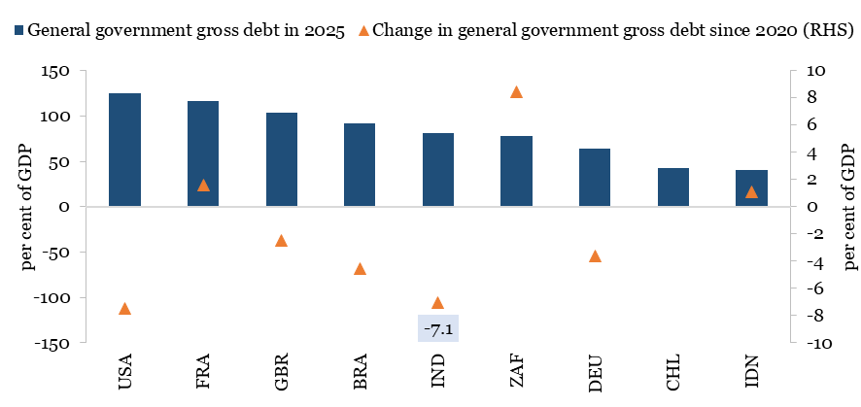
FRA | 116.5 | 1.6
GBR | 103.4 | -2.5
BRA | 91.4 | -4.6
IND | 81.4 | -7.1
ZAF | 77.3 | 8.4
DEU | 64.4 | -3.6
CHL | 42.7 | 10.3
IDN | 40.8 | 1.1
Source: IMF Fiscal Monitor (October 2025)
Note: 1. AEs- Advanced Economies, EMEs- Emerging Market Economies 2. BRA-Brazil, CHL-Chile, FRA-France, DEU-Germany, IND-India, IDN-Indonesia, ZAF-South Africa, GBR-United Kingdom, USA-United States of America.

II.25
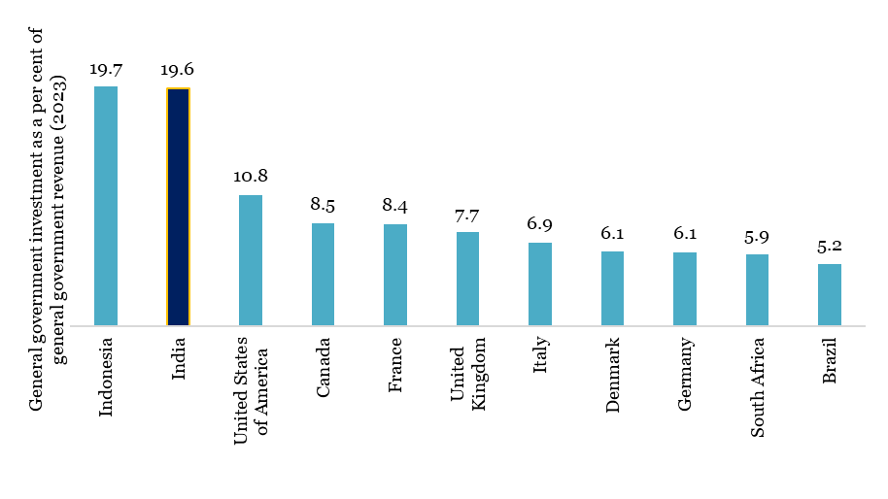
Chart II.25: General government - investment allocation from revenues
Country | General government investment as a per cent of general government revenue (2023)
Indonesia | 19.7
India | 19.6
United States | 10.8
Canada | 8.5
France | 8.4
United Kingdom | 7.7
Italy | 6.9
Denmark | 6.1
Germany | 6.1
South Africa | 5.9
Brazil | 5.2
Source: MoSPI, IMF Fiscal Monitor (October 2025), IMF Government Finance Statistics and OECD. Note: General government investment for India is of FY24.

