Chart XV.2
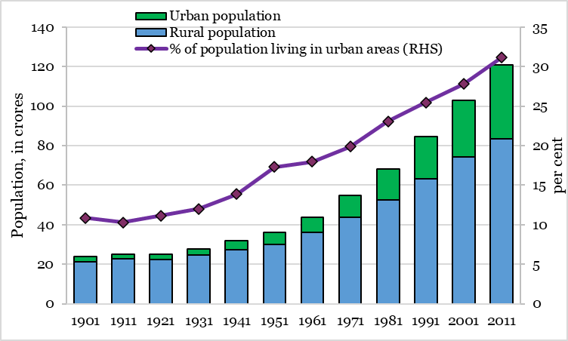
 | Evolution of the rural and urban population in India urban population in India
 | Rural population | Urban population | Total Population | % of population living in urban areas (RHS)
1901 | 21.3 | 2.6 | 23.8 | 10.8
1911 | 22.6 | 2.6 | 25.2 | 10.3
1921 | 22.3 | 2.8 | 25.1 | 11.2
1931 | 24.6 | 3.3 | 27.9 | 12.0
1941 | 27.4 | 4.4 | 31.9 | 13.9
1951 | 29.9 | 6.2 | 36.1 | 17.3
1961 | 36.0 | 7.9 | 43.9 | 18.0
1971 | 43.9 | 10.9 | 54.8 | 19.9
1981 | 52.6 | 15.8 | 68.3 | 23.1
1991 | 63.1 | 21.6 | 84.6 | 25.5
2001 | 74.3 | 28.6 | 102.9 | 27.8
2011 | 83.4 | 37.7 | 121.1 | 31.1
Census of India (2011)

Chart XV.3
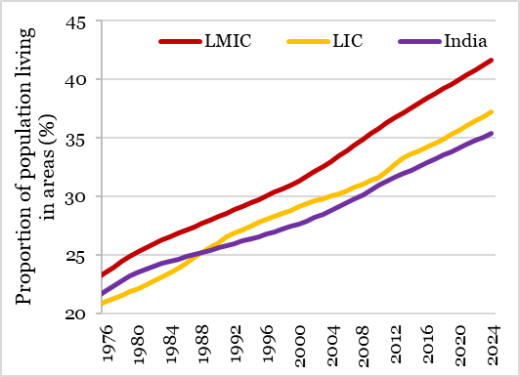
 | Urban populations - India vs LMICs and LICs
 | LMIC | LIC | India
1975-12-31 | 23.0 | 20.7 | 21.5
1976-12-31 | 23.5 | 21.0 | 21.9
1977-12-31 | 24.0 | 21.3 | 22.4
1978-12-31 | 24.4 | 21.6 | 22.8
1979-12-31 | 24.9 | 21.8 | 23.2
1980-12-31 | 25.3 | 22.1 | 23.5
1981-12-31 | 25.6 | 22.5 | 23.8
1982-12-31 | 26.0 | 22.8 | 24.0
1983-12-31 | 26.3 | 23.1 | 24.3
1984-12-31 | 26.5 | 23.5 | 24.5
1985-12-31 | 26.8 | 23.9 | 24.7
1986-12-31 | 27.1 | 24.3 | 24.8
1987-12-31 | 27.4 | 24.7 | 25.0
1988-12-31 | 27.7 | 25.2 | 25.2
1989-12-31 | 27.9 | 25.6 | 25.4
1990-12-31 | 28.3 | 26.1 | 25.6
1991-12-31 | 28.6 | 26.5 | 25.8
1992-12-31 | 28.8 | 26.9 | 26.0
1993-12-31 | 29.1 | 27.1 | 26.2
1994-12-31 | 29.4 | 27.5 | 26.4
1995-12-31 | 29.7 | 27.8 | 26.6
1996-12-31 | 30.0 | 28.0 | 26.8
1997-12-31 | 30.3 | 28.3 | 27.0
1998-12-31 | 30.6 | 28.5 | 27.2
1999-12-31 | 31.0 | 28.8 | 27.4
2000-12-31 | 31.3 | 29.1 | 27.6
2001-12-31 | 31.7 | 29.3 | 27.9
2002-12-31 | 32.1 | 29.6 | 28.2
2003-12-31 | 32.5 | 29.8 | 28.5
2004-12-31 | 33.0 | 30.0 | 28.8
2005-12-31 | 33.4 | 30.2 | 29.1
2006-12-31 | 33.9 | 30.5 | 29.4
2007-12-31 | 34.4 | 30.8 | 29.8
2008-12-31 | 34.8 | 31.1 | 30.1
2009-12-31 | 35.3 | 31.3 | 30.5
2010-12-31 | 35.8 | 31.6 | 30.9
2011-12-31 | 36.2 | 32.1 | 31.3
2012-12-31 | 36.7 | 32.7 | 31.6
2013-12-31 | 37.1 | 33.3 | 31.9
2014-12-31 | 37.5 | 33.6 | 32.2
2015-12-31 | 37.9 | 33.9 | 32.5
2016-12-31 | 38.4 | 34.2 | 32.9
2017-12-31 | 38.8 | 34.5 | 33.2
2018-12-31 | 39.2 | 34.9 | 33.5
2019-12-31 | 39.6 | 35.3 | 33.8
2020-12-31 | 40.0 | 35.6 | 34.1
2021-12-31 | 40.4 | 36.0 | 34.4
2022-12-31 | 40.8 | 36.4 | 34.8
2023-12-31 | 41.2 | 36.8 | 35.1
2024-12-31 | 41.6 | 37.2 | 35.4
Source: World Bank World Development Indicators

Chart XV.4
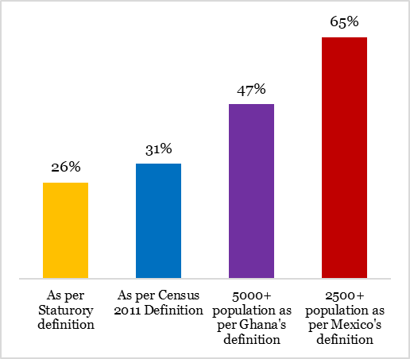
India could be far more urban
 | Urbanisation rate
As per Staturory definition | 26%
As per Census 2011 Definition | 31%
5000+ population as per Ghana's definition | 47%
2500+ population as per Mexico's definition | 65%

Chart XV.5
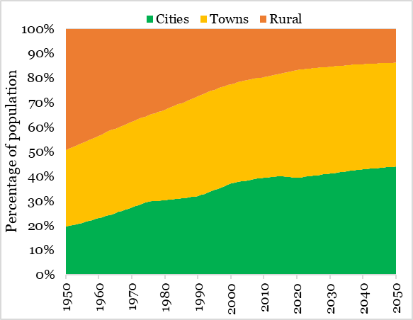
 | Percentage of India's population living in
 | Cities | Towns | Rural
1950-12-31 | 19.517 | 31.23 | 49.252
1951-12-31 | 19.882 | 31.489 | 48.63
1952-12-31 | 20.229 | 31.736 | 48.035
1953-12-31 | 20.561 | 31.972 | 47.467
1954-12-31 | 20.878 | 32.197 | 46.924
1955-12-31 | 21.182 | 32.413 | 46.404
1956-12-31 | 21.584 | 32.664 | 45.752
1957-12-31 | 21.967 | 32.902 | 45.131
1958-12-31 | 22.331 | 33.129 | 44.539
1959-12-31 | 22.68 | 33.346 | 43.974
1960-12-31 | 23.013 | 33.554 | 43.433
1961-12-31 | 23.463 | 33.753 | 42.784
1962-12-31 | 23.891 | 33.943 | 42.166
1963-12-31 | 24.3 | 34.124 | 41.576
1964-12-31 | 24.69 | 34.297 | 41.013
1965-12-31 | 25.063 | 34.462 | 40.475
1966-12-31 | 25.56 | 34.539 | 39.901
1967-12-31 | 26.036 | 34.612 | 39.352
1968-12-31 | 26.491 | 34.682 | 38.827
1969-12-31 | 26.928 | 34.749 | 38.323
1970-12-31 | 27.347 | 34.813 | 37.84
1971-12-31 | 27.871 | 34.882 | 37.247
1972-12-31 | 28.372 | 34.947 | 36.681
1973-12-31 | 28.85 | 35.01 | 36.14
1974-12-31 | 29.308 | 35.069 | 35.623
1975-12-31 | 29.745 | 35.126 | 35.128
1976-12-31 | 29.874 | 35.488 | 34.637
1977-12-31 | 29.997 | 35.833 | 34.17
1978-12-31 | 30.113 | 36.162 | 33.724
1979-12-31 | 30.225 | 36.476 | 33.299
1980-12-31 | 30.331 | 36.777 | 32.892
1981-12-31 | 30.504 | 37.211 | 32.285
1982-12-31 | 30.669 | 37.624 | 31.707
1983-12-31 | 30.826 | 38.018 | 31.156
1984-12-31 | 30.976 | 38.395 | 30.629
1985-12-31 | 31.119 | 38.755 | 30.126
1986-12-31 | 31.294 | 39.178 | 29.527
1987-12-31 | 31.462 | 39.582 | 28.956
1988-12-31 | 31.622 | 39.968 | 28.409
1989-12-31 | 31.775 | 40.338 | 27.887
1990-12-31 | 31.922 | 40.691 | 27.387
1991-12-31 | 32.479 | 40.724 | 26.797
1992-12-31 | 33.014 | 40.755 | 26.231
1993-12-31 | 33.526 | 40.785 | 25.689
1994-12-31 | 34.017 | 40.814 | 25.169
1995-12-31 | 34.489 | 40.841 | 24.67
1996-12-31 | 35.054 | 40.772 | 24.174
1997-12-31 | 35.597 | 40.706 | 23.697
1998-12-31 | 36.119 | 40.642 | 23.239
1999-12-31 | 36.622 | 40.58 | 22.798
2000-12-31 | 37.106 | 40.521 | 22.373
2001-12-31 | 37.4 | 40.562 | 22.038
2002-12-31 | 37.683 | 40.602 | 21.716
2003-12-31 | 37.956 | 40.64 | 21.404
2004-12-31 | 38.22 | 40.677 | 21.103
2005-12-31 | 38.475 | 40.713 | 20.812
2006-12-31 | 38.695 | 40.771 | 20.533
2007-12-31 | 38.909 | 40.828 | 20.263
2008-12-31 | 39.116 | 40.883 | 20.001
2009-12-31 | 39.317 | 40.937 | 19.746
2010-12-31 | 39.513 | 40.989 | 19.499
2011-12-31 | 39.643 | 41.137 | 19.22
2012-12-31 | 39.77 | 41.282 | 18.949
2013-12-31 | 39.893 | 41.422 | 18.684
2014-12-31 | 40.014 | 41.559 | 18.427
2015-12-31 | 40.131 | 41.693 | 18.176
2016-12-31 | 39.993 | 42.159 | 17.849
2017-12-31 | 39.858 | 42.614 | 17.528
2018-12-31 | 39.725 | 43.06 | 17.215
2019-12-31 | 39.596 | 43.496 | 16.908
2020-12-31 | 39.469 | 43.922 | 16.608
2021-12-31 | 39.634 | 43.897 | 16.469
2022-12-31 | 39.796 | 43.871 | 16.332
2023-12-31 | 39.956 | 43.846 | 16.198
2024-12-31 | 40.112 | 43.822 | 16.066
2025-12-31 | 40.266 | 43.798 | 15.936
2026-12-31 | 40.458 | 43.736 | 15.806
2027-12-31 | 40.647 | 43.675 | 15.678
2028-12-31 | 40.833 | 43.614 | 15.553
2029-12-31 | 41.016 | 43.555 | 15.429
2030-12-31 | 41.196 | 43.497 | 15.307
2031-12-31 | 41.386 | 43.427 | 15.188
2032-12-31 | 41.573 | 43.358 | 15.069
2033-12-31 | 41.758 | 43.289 | 14.953
2034-12-31 | 41.94 | 43.222 | 14.838
2035-12-31 | 42.12 | 43.156 | 14.724
2036-12-31 | 42.287 | 43.082 | 14.631
2037-12-31 | 42.453 | 43.009 | 14.539
2038-12-31 | 42.616 | 42.936 | 14.448
2039-12-31 | 42.778 | 42.865 | 14.357
2040-12-31 | 42.938 | 42.794 | 14.268
2041-12-31 | 43.056 | 42.746 | 14.198
2042-12-31 | 43.172 | 42.699 | 14.128
2043-12-31 | 43.288 | 42.653 | 14.059
2044-12-31 | 43.403 | 42.606 | 13.991
2045-12-31 | 43.517 | 42.56 | 13.923
2046-12-31 | 43.62 | 42.514 | 13.866
2047-12-31 | 43.723 | 42.468 | 13.808
2048-12-31 | 43.826 | 42.423 | 13.752
2049-12-31 | 43.927 | 42.377 | 13.695
2050-12-31 | 44.029 | 42.332 | 13.639
Source: UN World Urbanisation Prospects 2025

Chart XV.8
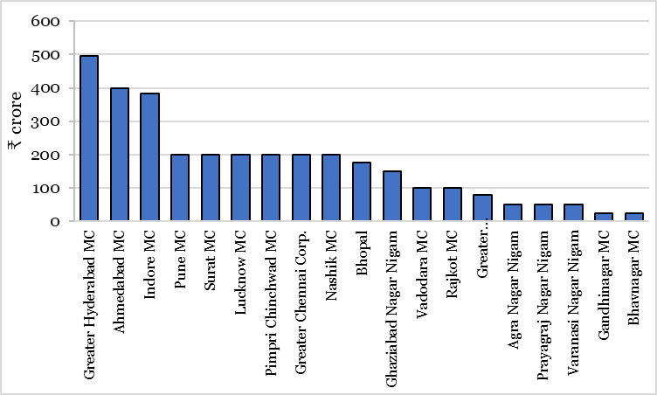
As on 30th September 2025 | Municipal bond Issuances
 | ₹ crore
Greater Hyderabad MC | 495
Ahmedabad MC | 400
Indore MC | 383.9
Pune MC | 200
Surat MC | 200
Lucknow MC | 200
Pimpri Chinchwad MC | 200
Greater Chennai Corp. | 200
Nashik MC | 200
Bhopal | 175
Ghaziabad Nagar Nigam | 150
Vadodara MC | 100
Rajkot MC | 100
Greater Visakhapatnam MC | 80
Agra Nagar Nigam | 50
Prayagraj Nagar Nigam | 50
Varanasi Nagar Nigam | 50
Gandhinagar MC | 25
Bhavnagar MC | 25
Source: SEBI (https://www.sebi.gov.in/statistics/municipalbonds.html)

Chart XV.9
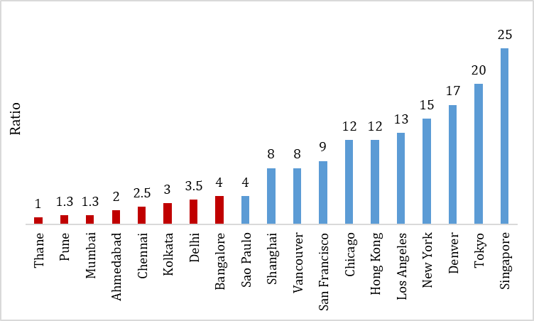
 | Free Floor Space Index (FSI) across cities
Thane | 1
Pune | 1.3
Mumbai | 1.3
Ahmedabad | 2
Chennai | 2.5
Kolkata | 3
Delhi | 3.5
Bangalore | 4
Sao Paulo | 4
Shanghai | 8
Vancouver | 8
San Francisco | 9
Chicago | 12
Hong Kong | 12
Los Angeles | 13
New York | 15
Denver | 17
Tokyo | 20
Singapore | 25
Source: Knight Frank research (https://naredco.in/sites/default/files/2025-07/17th%20National%20Convention/AFH_2025.pdf)

