Chart XII.1
Chart XII. 1 Labour market dynamics for H1 FY26
 | April | May | June | July | August | September | October | November | December
LFPR | 55.6 | 54.8 | 54.2 | 54.9 | 55.0 | 55.3 | 55.4 | 55.8 | 56.1
Q1 FY26 | 55.0 | 55.0 | 55.0
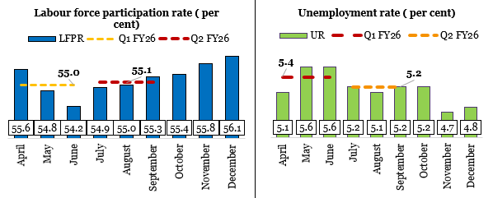
Q2 FY26 |  |  |  | 55.1 | 55.1 | 55.1

 | April | May | June | July | August | September | October | November | December
UR | 5.1 | 5.6 | 5.6 | 5.2 | 5.1 | 5.2 | 5.2 | 4.7 | 4.8
Q1 FY26 | 5.4 | 5.4 | 5.4
Q2 FY26 |  |  |  | 5.2 | 5.2 | 5.2
Source: Monthly PLFS and Quarterly PLFS

Chart XII.2
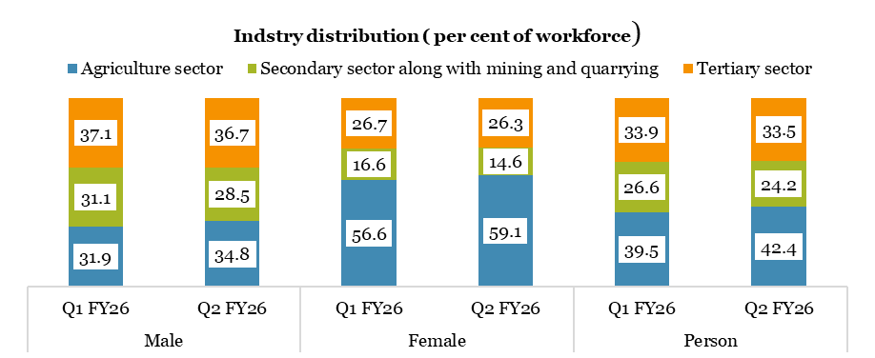
Chart XII. 2 Labour market dynamics in H1 FY26: Industry distribution
 |  | Agriculture sector | Secondary sector along with mining and quarrying | Tertiary sector
Male | Q1 FY26 | 31.9 | 31.1 | 37.1
 | Q2 FY26 | 34.8 | 28.5 | 36.7
Female | Q1 FY26 | 56.6 | 16.6 | 26.7
 | Q2 FY26 | 59.1 | 14.6 | 26.3
Person | Q1 FY26 | 39.5 | 26.6 | 33.9
 | Q2 FY26 | 42.4 | 24.2 | 33.5
Source: Quarterly PLFS

Chart XII.3
Chart XII. 3 Labour market dynamics in H1 FY26: Status
 |  | Self-employment |  |  | Regular wage/ salary | Casual labour
 |  | Own account worker and employer | Helper in household enterprise | All self employed
Male | Q1 FY26 | 41.3 | 7.5 | 50.3 | 27.3 | 22.4
 | Q2 FY26 | 43.2 | 7.8 | 52.0 | 27.2 | 20.8
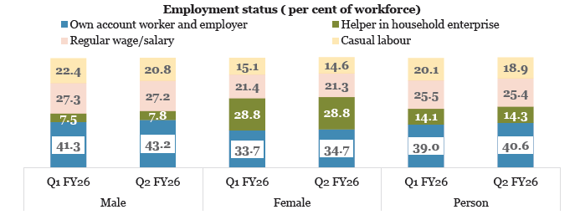
Female | Q1 FY26 | 33.7 | 28.8 | 63.5 | 21.4 | 15.1
 | Q2 FY26 | 34.7 | 28.8 | 64.1 | 21.3 | 14.6
Person | Q1 FY26 | 39.0 | 14.1 | 54.4 | 25.5 | 20.1
 | Q2 FY26 | 40.6 | 14.3 | 55.8 | 25.4 | 18.9
Source: Quarterly PLFS

Chart XII.4
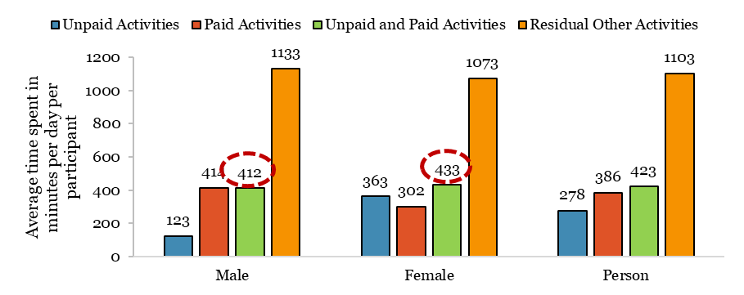
Chart XII.4: Average Time Spent in a Day per Participant in Unpaid and Paid Activities (in minutes)
Description of the Activity | Male | Female | Person
Unpaid Activities | 123 | 363 | 278
Paid Activities | 414 | 302 | 386
Unpaid and Paid Activities | 412 | 433 | 423
Residual Other Activities | 1133 | 1073 | 1103
Source: Time Use Survey 2024

Chart XII.5
Chart XII.5 Rise in overall factory employment
 | 2010-11 | 2011-12 | 2012-13 | 2013-14 | 2014-15 | 2015-16 | 2016-17 | 2017-18 | 2018-19 | 2019-20 | 2020-21 | 2021-22 | 2022-23 | 2023-24
Number of Workers (in lakhs) | 99.0 | 104.4 | 100.5 | 104.4 | 107.6 | 111.4 | 116.6 | 122.2 | 128.0 | 130.6 | 125.9 | 136.1 | 146.2 | 155.2
Total Persons Engaged (in lakhs) | 126.9 | 134.3 | 129.5 | 135.4 | 138.8 | 143.0 | 149.1 | 156.1 | 162.8 | 166.2 | 160.9 | 172.2 | 184.9 | 195.9
Source : ASI 2023-24

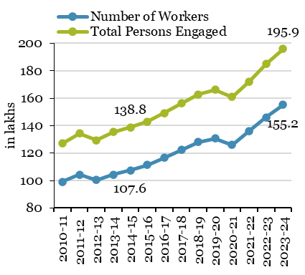

Chart XII.6
Chart XII.6 Trends in employment per factory
Numbers | 2010-11 | 2011-12 | 2012-13 | 2013-14 | 2014-15 | 2015-16 | 2016-17 | 2017-18 | 2018-19 | 2019-20 | 2020-21 | 2021-22 | 2022-23 | 2023-24
Total persons engaged per factory in operation | 74 | 76 | 72 | 73 | 73 | 75 | 77 | 80 | 83 | 84 | 80 | 86 | 90 | 92
Workers per factory in operation | 58 | 59 | 56 | 56 | 57 | 58 | 60 | 63 | 65 | 66 | 63 | 68 | 71 | 73
Source: ASI report 2023-24, MoSPI
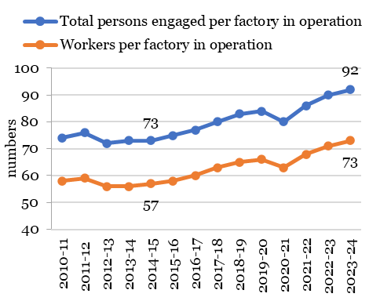

Chart XII.7
Chart XII.7 Emolument and net value added per person engaged
In ₹ Lakhs | 2017-18 | 2018-19 | 2019-20 | 2020-21 | 2021-22 | 2022-23 | 2023-24
Net Value Added per Person Engaged | 7.9 | 7.8 | 7.3 | 8.3 | 10.2 | 10.2 | 10.7
Emoluments per Persons Engaged | 0.0 | 0.0 | 3.0 | 3.0 | 3.3 | 3.5 | 3.7
Source: ASI report 2023-24, MoSPI

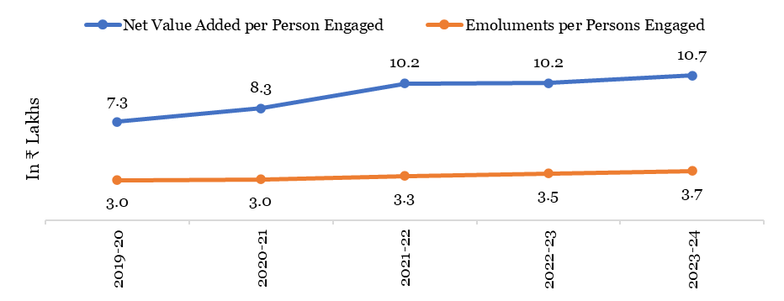

Chart XII.8
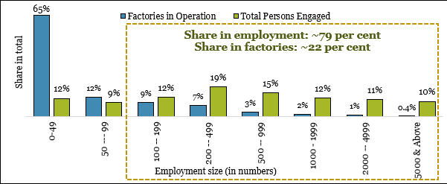
Chart XII.8 Prevalence of small factories with concentration of employment in large units
Employment Range (number) | Factories in Operation (% share of total) | Total Persons Engaged (% share of total)
0-49 | 65% | 12%
50 --- 99 | 12% | 9%
100 -- 199 | 9% | 12%
200 -- 499 | 7% | 19%
500 -- 999 | 3% | 15%
1000 - 1999 | 2% | 12%
2000 -- 4999 | 1% | 11%
5000 & Above | 0.4% | 10%
Source: ASI 2023-24; MoSPI

Chart XII.9
Chart XII.9 Large factories pay higher wages
Employment Range | Yearly wages per worker (in ₹ lakhs)
0 --- 14 | 1.4
15 --- 19 | 1.5
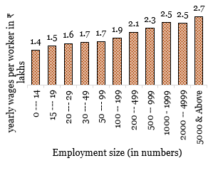
20 --- 29 | 1.6
30 --- 49 | 1.7
50 --- 99 | 1.7
100 -- 199 | 1.9
200 -- 499 | 2.1
500 -- 999 | 2.3
1000 - 1999 | 2.5
2000 -- 4999 | 2.5
5000 & Above | 2.7
Source: ASI 2023-24; MoSPI

Chart XII.10
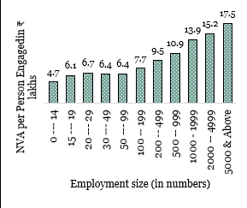
Chart XII.10 Large factories have higher labour productivity
Employment Range | Net value added per Person Engagedin ₹ lakhs
0 --- 14 | 4.7
15 --- 19 | 6.1
20 --- 29 | 6.7
30 --- 49 | 6.4
50 --- 99 | 6.4
100 -- 199 | 7.7
200 -- 499 | 9.5
500 -- 999 | 10.9
1000 - 1999 | 13.9
2000 -- 4999 | 15.2
5000 & Above | 17.5
Source: ASI 2023-24; MoSPI

Chart XI.11
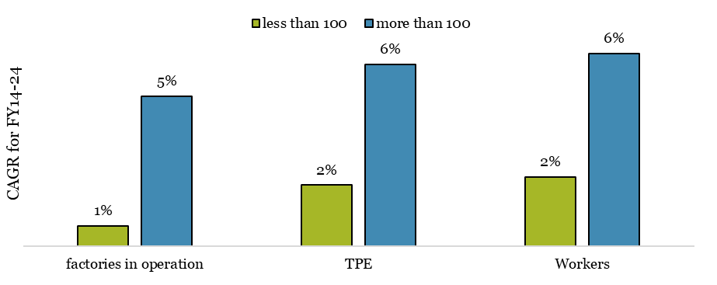
Chart XII.11 Factories employing more than 100 people have shown higher growth in employment in the past decade (between FY14 and FY24)
 | factories in operation | TPE | Workers
less than 100 | 1% | 2% | 2%
more than 100 | 5% | 6% | 6%
Source: ASI 2023-24; MoSPI

Chart XII.12
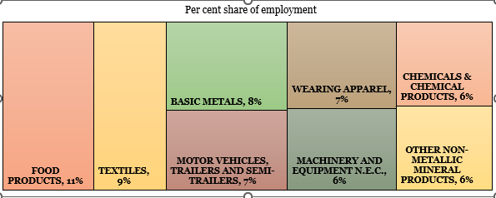
Chart XII. 12 Eight major industry groups in terms of employment.
Industry | Share in employment
Food products | 11%
Textiles | 9%
Basic metals | 8%
Motor vehicles, trailers and semi-trailers | 7%
Wearing apparel | 7%
Machinery and equipment n.e.c. | 6%
Chemicals & chemical products | 6%
Other non-metallic mineral products | 6%
Source: ASI 2023-24; MoSPI

Chart XII.13
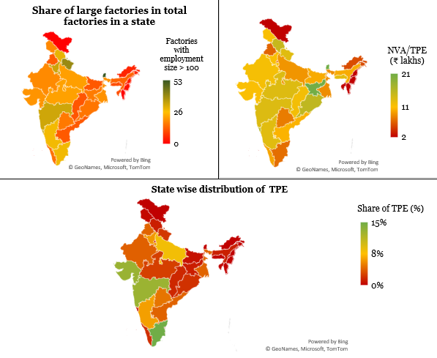
Chart XII.13 States with a higher share of large factories have higher TPE and productivity
State/UT | Share of factories with employment size > 100 (% share) | Total Persons Engaged (% share) | NVA/TPE (₹ lakhs)
A&N | 0 | 0% | 2.7
Andhra Pradesh | 12 | 4% | 10.4
Arunachal Pradesh | 5 | 0% | 5.6
Assam | 14 | 1% | 10.0
Bihar | 12 | 1% | 10.0
Chandigarh | 14 | 0% | 8.9
Chattisgarh | 12 | 2% | 11.8
Dadra & Nagar Haveli and Daman & Diu | 38 | 1% | 10.7
Delhi | 16 | 1% | 6.5
Goa | 35 | 0% | 16.0
Gujarat | 20 | 13% | 11.4
Haryana | 33 | 6% | 11.4
Himachal Pradesh | 29 | 1% | 15.0
Jammu & Kashmir | 19 | 0% | 11.4
Jharkhand | 17 | 1% | 20.8
Karnataka | 28 | 6% | 13.1
Kerala | 15 | 2% | 9.7
Ladakh | 0 | 0% | 1.6
Lakshadweep | 0 | 0% | 1.5
Madhya Pradesh | 22 | 3% | 13.4
Maharashtra | 33 | 13% | 13.5
Manipur | 2 | 0% | 1.6
Meghalaya | 11 | 0% | 12.9
Mizoram | 0 | 0% | 1.3
Nagaland | 4 | 0% | 1.6
Odisha | 16 | 2% | 15.5
Puducherry | 23 | 0% | 13.5
Punjab | 13 | 4% | 6.7
Rajasthan | 19 | 4% | 11.7
Sikkim | 53 | 0% | 59.1
Tamil Nadu | 28 | 15% | 7.2
Telangana | 17 | 5% | 7.8
Tripura | 11 | 0% | 1.6
Uttar Pradesh | 22 | 8% | 9.0
Uttarakhand | 40 | 2% | 13.2
West Bengal | 20 | 4% | 8.6
Source: ASI 2023-24; MoSPI

Chart XII.14
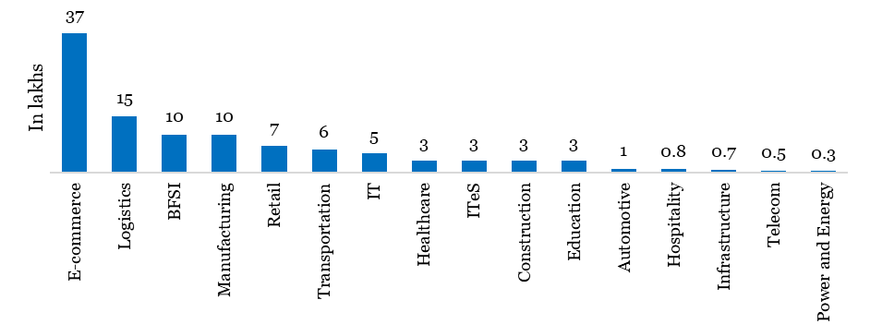
Chart XII.14: Sector-wise distribution of gig workforce
Sector | Gig workforce (in lakhs)
E‑commerce | 37
Logistics | 15
BFSI | 10
Manufacturing | 10
Retail | 7
Transportation | 6
IT | 5
Healthcare | 3
ITeS | 3
Construction | 3
Education | 3
Automotive | 1
Hospitality | 0.8
Infrastructure | 0.7
Telecom | 0.5
Power and Energy | 0.3
Source: Indian Staffing Federation (as of end of March 2025)

