Table I.1
Table I.1: Revisions in IMF's global growth and inflation projections vis-a-vis Jan' 25 forecasts
Growth
 |  | Jan '25 | Apr '25 | Jul'25 | Oct'25 | Jan'26
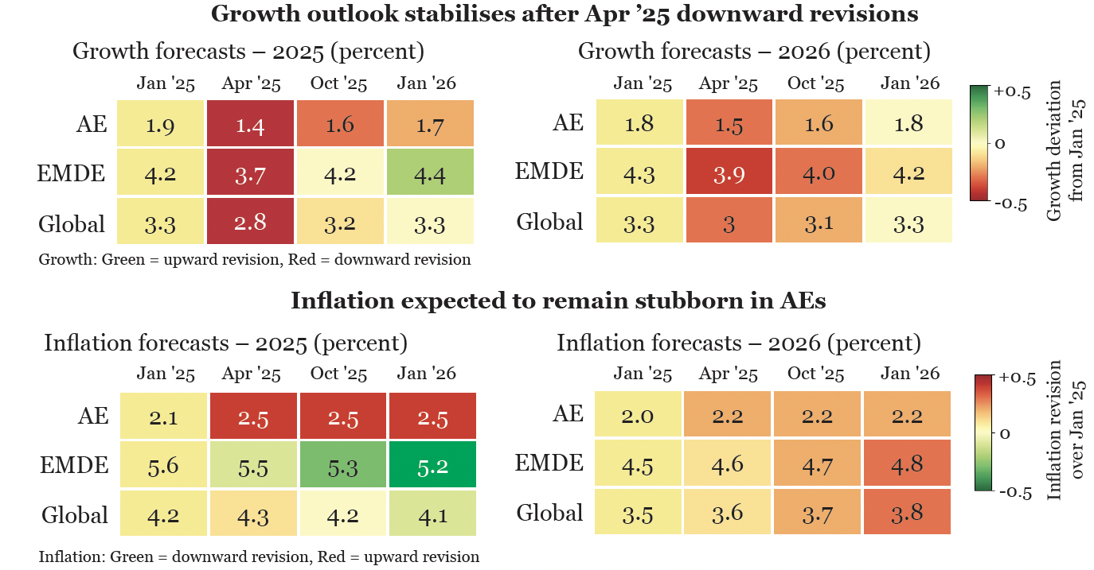
2025 | AE | 1.9 | 1.4 | 1.5 | 1.6 | 1.7
 | EMDE | 4.2 | 3.7 | 4.1 | 4.2 | 4.4
 | Global | 3.3 | 2.8 | 3 | 3.2 | 3.3
2026 | AE | 1.8 | 1.5 | 1.6 | 1.6 | 1.8
 | EMDE | 4.3 | 3.9 | 4 | 4 | 4.2
 | Global | 3.3 | 3 | 3.1 | 3.1 | 3.3

Inflation
 |  | Jan '25 | Apr '25 | Jul'25 | Oct'25 | Jan'26
2025 | AE | 2.1 | 2.5 | 2.5 | 2.5 | 2.5
 | EMDE | 5.6 | 5.5 | 5.4 | 5.3 | 5.2
 | Global | 4.2 | 4.3 | 4.2 | 4.2 | 4.1
2026 | AE | 2 | 2.2 | 2.1 | 2.2 | 2.2
 | EMDE | 4.5 | 4.6 | 4.5 | 4.7 | 4.8
 | Global | 3.5 | 3.6 | 3.6 | 3.7 | 3.8
Source: Various editions of the IMF WEO (https://www.imf.org/en/publications/weo)
Note: The colour coding is based on deviation from the Jan 2025 forecasts.

Chart I.25
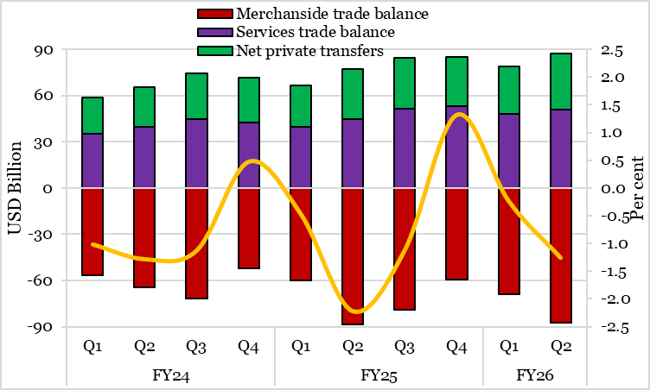
Chart I.25: Current account balance remains stable
 |  | USD Billion |  |  | ₹ crore |  | %
 |  | Merchandise trade balance | Services trade balance | Net private transfers | CAB | GDP | CAB as % of GDP (RHS)
FY24 | Q1 | -56.7 | 35.1 | 23.6 | -73501.21494 | 7211628 | -1.0
 | Q2 | -64.5 | 39.9 | 25.3 | -93094.418143 | 7240697 | -1.3
 | Q3 | -71.6 | 45.0 | 29.2 | -86729.378594 | 7709665 | -1.1
 | Q4 | -52.0 | 42.7 | 29.0 | 38077.481003 | 7960966 | 0.5
FY25 | Q1 | -59.8 | 39.9 | 26.7 | -37159.259012 | 7907894 | -0.5
 | Q2 | -88.5 | 44.5 | 32.6 | -174504.80825 | 7840345 | -2.2
 | Q3 | -79.3 | 51.2 | 33.2 | -95565.938894 | 8502372 | -1.1
 | Q4 | -59.3 | 53.3 | 31.8 | 116803.90139 | 8817534 | 1.3
FY26 | Q1 | -68.9 | 47.9 | 31.1 | -20116.58805 | 8605365 | -0.2
 | Q2 | -87.4 | 50.9 | 36.4 | -107335.70379 | 8525070 | -1.3
Source: dbie.rbi.org.in (Publications -> Handbook of Statistics on Indian Economy -> Quarterly/Monthly Series -> External Sector -> Table 196), and MoSPI

