Chart III.1
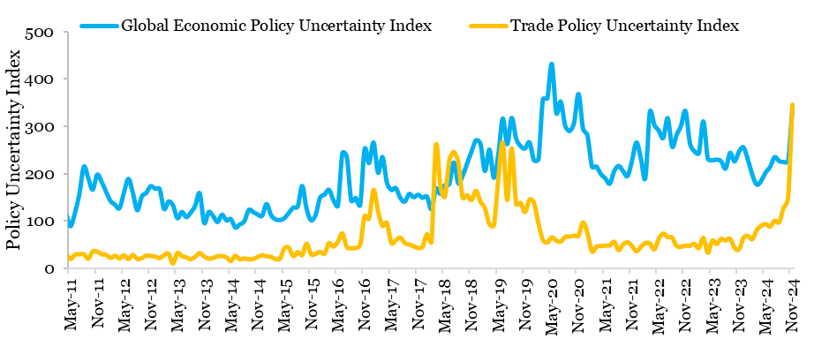
Chart III.1: Rise in global uncertainty
 | Global Economic Policy Uncertainty Index | Trade Policy Uncertainty Index
Jan-11 | 110.5 | 30.2
Feb-11 | 94.0 | 25.0
Mar-11 | 127.3 | 29.9
Apr-11 | 115.9 | 31.7
May-11 | 89.2 | 20.8
Jun-11 | 117.5 | 29.8
Jul-11 | 156.8 | 30.6
Aug-11 | 215.0 | 30.8
Sep-11 | 190.5 | 21.2
Oct-11 | 166.4 | 36.8
Nov-11 | 198.1 | 36.4
Dec-11 | 182.8 | 31.0
Jan-12 | 162.0 | 29.7
Feb-12 | 142.6 | 23.3
Mar-12 | 134.7 | 27.7
Apr-12 | 127.6 | 21.9
May-12 | 160.5 | 28.6
Jun-12 | 189.3 | 20.7
Jul-12 | 160.2 | 29.4
Aug-12 | 123.0 | 21.0
Sep-12 | 152.1 | 22.7
Oct-12 | 159.6 | 27.8
Nov-12 | 173.7 | 27.6
Dec-12 | 168.5 | 25.9
Jan-13 | 167.9 | 22.9
Feb-13 | 125.6 | 28.6
Mar-13 | 141.6 | 31.9
Apr-13 | 133.6 | 11.3
May-13 | 106.3 | 33.6
Jun-13 | 119.5 | 26.9
Jul-13 | 108.4 | 24.5
Aug-13 | 118.4 | 20.3
Sep-13 | 132.7 | 25.6
Oct-13 | 158.7 | 33.4
Nov-13 | 96.4 | 26.0
Dec-13 | 119.3 | 21.5
Jan-14 | 111.0 | 23.0
Feb-14 | 98.2 | 26.8
Mar-14 | 113.6 | 27.1
Apr-14 | 101.7 | 24.5
May-14 | 104.2 | 16.8
Jun-14 | 86.7 | 27.6
Jul-14 | 93.2 | 20.2
Aug-14 | 99.6 | 22.2
Sep-14 | 123.6 | 19.9
Oct-14 | 119.3 | 21.0
Nov-14 | 114.1 | 25.0
Dec-14 | 111.5 | 28.7
Jan-15 | 136.2 | 26.6
Feb-15 | 113.1 | 25.2
Mar-15 | 103.9 | 20.9
Apr-15 | 102.1 | 21.4
May-15 | 106.4 | 43.4
Jun-15 | 117.4 | 44.5
Jul-15 | 128.6 | 26.5
Aug-15 | 130.8 | 35.4
Sep-15 | 174.4 | 29.2
Oct-15 | 125.2 | 53.3
Nov-15 | 101.8 | 30.7
Dec-15 | 113.1 | 31.8
Jan-16 | 149.6 | 36.0
Feb-16 | 155.9 | 32.2
Mar-16 | 166.2 | 54.3
Apr-16 | 144.6 | 46.9
May-16 | 132.8 | 57.4
Jun-16 | 243.5 | 74.7
Jul-16 | 236.6 | 46.1
Aug-16 | 143.5 | 43.7
Sep-16 | 149.1 | 44.2
Oct-16 | 134.1 | 50.5
Nov-16 | 251.4 | 111.3
Dec-16 | 222.4 | 105.8
Jan-17 | 265.9 | 166.4
Feb-17 | 202.2 | 122.7
Mar-17 | 235.4 | 90.6
Apr-17 | 181.3 | 97.1
May-17 | 166.0 | 54.5
Jun-17 | 169.7 | 60.1
Jul-17 | 149.3 | 66.0
Aug-17 | 141.0 | 54.8
Sep-17 | 157.4 | 51.3
Oct-17 | 150.6 | 47.7
Nov-17 | 155.8 | 44.0
Dec-17 | 149.5 | 46.8
Jan-18 | 151.6 | 73.2
Feb-18 | 124.8 | 57.0
Mar-18 | 168.5 | 260.6
Apr-18 | 157.7 | 174.2
May-18 | 175.9 | 152.2
Jun-18 | 178.4 | 228.6
Jul-18 | 223.7 | 246.4
Aug-18 | 180.0 | 225.8
Sep-18 | 196.0 | 150.1
Oct-18 | 221.8 | 155.2
Nov-18 | 247.3 | 144.8
Dec-18 | 270.9 | 164.6
Jan-19 | 263.3 | 141.7
Feb-19 | 205.7 | 127.5
Mar-19 | 251.0 | 94.1
Apr-19 | 191.6 | 91.2
May-19 | 241.5 | 189.8
Jun-19 | 316.5 | 266.0
Jul-19 | 262.2 | 145.1
Aug-19 | 317.8 | 254.2
Sep-19 | 273.8 | 136.9
Oct-19 | 258.4 | 139.3
Nov-19 | 253.4 | 119.8
Dec-19 | 266.1 | 146.3
Jan-20 | 228.0 | 139.6
Feb-20 | 230.5 | 95.7
Mar-20 | 357.0 | 61.2
Apr-20 | 359.0 | 55.5
May-20 | 431.8 | 66.5
Jun-20 | 328.8 | 59.9
Jul-20 | 352.3 | 57.4
Aug-20 | 301.7 | 67.2
Sep-20 | 290.0 | 67.8
Oct-20 | 307.7 | 70.2
Nov-20 | 368.3 | 69.9
Dec-20 | 295.6 | 98.0
Jan-21 | 280.6 | 75.4
Feb-21 | 215.4 | 36.9
Mar-21 | 215.3 | 46.8
Apr-21 | 199.4 | 48.0
May-21 | 190.3 | 49.3
Jun-21 | 178.9 | 49.3
Jul-21 | 205.6 | 57.2
Aug-21 | 216.4 | 39.5
Sep-21 | 205.4 | 51.5
Oct-21 | 195.2 | 56.1
Nov-21 | 227.9 | 48.5
Dec-21 | 266.1 | 37.1
Jan-22 | 232.0 | 46.6
Feb-22 | 191.9 | 54.3
Mar-22 | 330.1 | 53.6
Apr-22 | 303.0 | 41.2
May-22 | 291.3 | 63.3
Jun-22 | 275.4 | 74.5
Jul-22 | 317.3 | 67.0
Aug-22 | 257.1 | 65.9
Sep-22 | 281.9 | 48.5
Oct-22 | 301.2 | 46.6
Nov-22 | 332.3 | 49.3
Dec-22 | 263.4 | 48.8
Jan-23 | 247.3 | 52.7
Feb-23 | 243.4 | 43.7
Mar-23 | 310.7 | 65.4
Apr-23 | 231.7 | 33.9
May-23 | 228.5 | 59.7
Jun-23 | 229.8 | 52.3
Jul-23 | 226.4 | 63.3
Aug-23 | 211.0 | 60.0
Sep-23 | 244.0 | 63.6
Oct-23 | 226.0 | 44.5
Nov-23 | 246.6 | 40.9
Dec-23 | 255.8 | 65.3
Jan-24 | 229.7 | 69.6
Feb-24 | 197.4 | 62.6
Mar-24 | 177.0 | 82.2
Apr-24 | 185.7 | 91.0
May-24 | 203.1 | 94.5
Jun-24 | 214.8 | 89.1
Jul-24 | 235.2 | 101.4
Aug-24 | 226.7 | 98.1
Sep-24 | 225.0 | 128.6
Oct-24 | 226.2 | 147.9
Nov-24 | 339.4 | 345.9
Source: 1. GEPU Index
Source: 2. TPU Index website

Chart III.2
Chart III.2: Friend shoring and trade concentration trends continue to shape global trade
 |  | Nearshoring index | Friendshoring index | Trade concentration index
2022 | Q1 | 0.0% | -0.1% | -1.2%
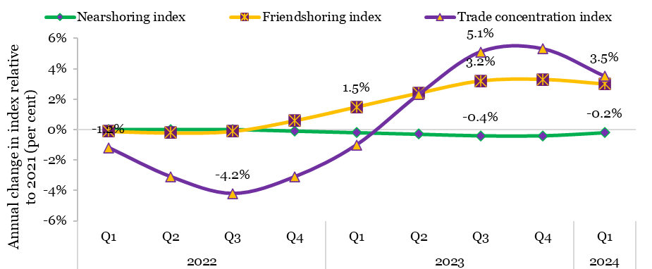
 | Q2 | 0.0% | -0.2% | -3.1%
 | Q3 | 0.0% | -0.1% | -4.2%
 | Q4 | -0.1% | 0.6% | -3.1%
2023 | Q1 | -0.2% | 1.5% | -1.0%
 | Q2 | -0.3% | 2.4% | 2.3%
 | Q3 | -0.4% | 3.2% | 5.1%
 | Q4 | -0.4% | 3.3% | 5.3%
2024 | Q1 | -0.2% | 3.0% | 3.5%
Source: UNCTAD estimates based on national statistics

Chart III.3
Chart III.3: Rebound in global trade in 2024
Year | Quarter | Merchandise export volume growth | Merchandise import volume growth
 |  | Per cent
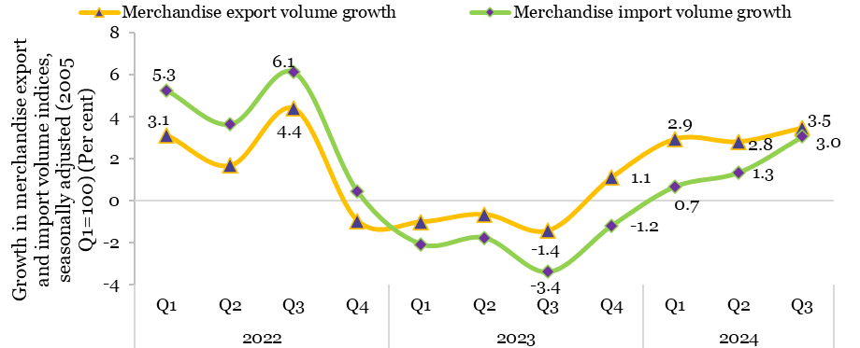
2022 | Q1 | 3.1 | 5.3
 | Q2 | 1.7 | 3.6
 | Q3 | 4.4 | 6.1
 | Q4 | -1.0 | 0.4
2023 | Q1 | -1.0 | -2.1
 | Q2 | -0.7 | -1.8
 | Q3 | -1.4 | -3.4
 | Q4 | 1.1 | -1.2
2024 | Q1 | 2.9 | 0.7
 | Q2 | 2.8 | 1.3
 | Q3 | 3.5 | 3.0
Source: WTO Stats

Chart III.4
Chart III.4: Classification of NTMs based on coverage and frequency
Category | Frequency index | Coverage ratio
Finance measures | 1.0 | 3.5
Quantity control measures | 4.5 | 6.1
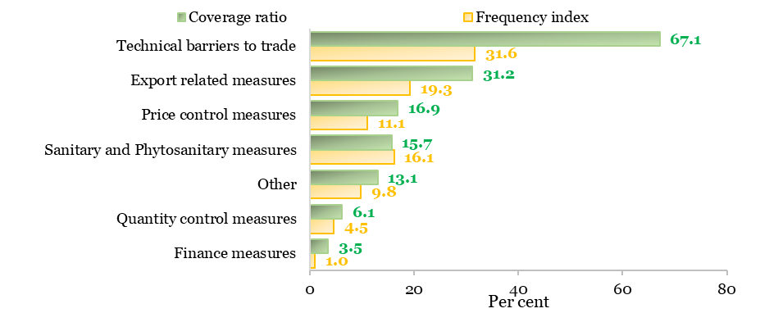
Other | 9.8 | 13.1
Sanitary and Phytosanitary measures | 16.1 | 15.7
Price control measures | 11.1 | 16.9
Export related measures | 19.3 | 31.2
Technical barriers to trade | 31.6 | 67.1
Source: UNCTAD TRAINS Database
Note: Other includes ‘Pre-shipment inspection and other formalities, contingent trade protective measures, non-automatic import licensing, quotas, prohibitions, quantity-control measures and other restrictions not including sanitary and phytosanitary measures or measures relating to technical barriers to trade, measures affecting competition, trade-related investment measures, distribution restrictions, restrictions on post-sales services, subsidies and other forms of supports, government procurement restrictions, intellectual property and rules of origin. The frequency index is defined as the percentage of HS 6-digit lines covered. The coverage ratio is defined as the percentage of trade that is subject to NTMs

Chart III.5
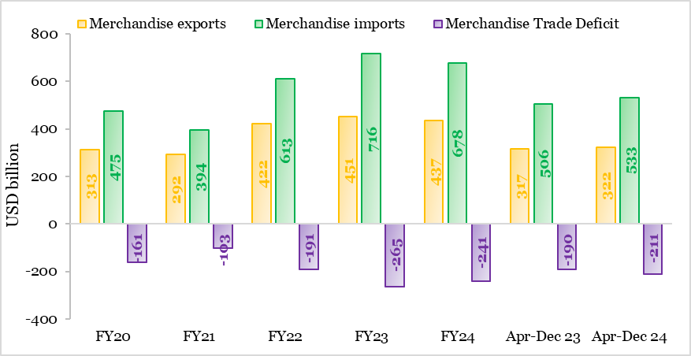
Chart III.5: Trends in merchandise trade
 | USD billion
 | Merchandise exports | Merchandise imports | Merchandise Trade Deficit
FY20 | 313.4 | 474.7 | -161.3
FY21 | 291.8 | 394.4 | -102.6
FY22 | 422.0 | 613.1 | -191.0
FY23 | 451.1 | 716.0 | -264.9
FY24 | 437.1 | 678.2 | -241.1
Apr-Dec 23 | 316.7 | 506.4 | -189.7
Apr-Dec 24 | 321.7 | 532.5 | -210.8
Source: DGCIS, M/o Commerce & Industry

Chart III.6
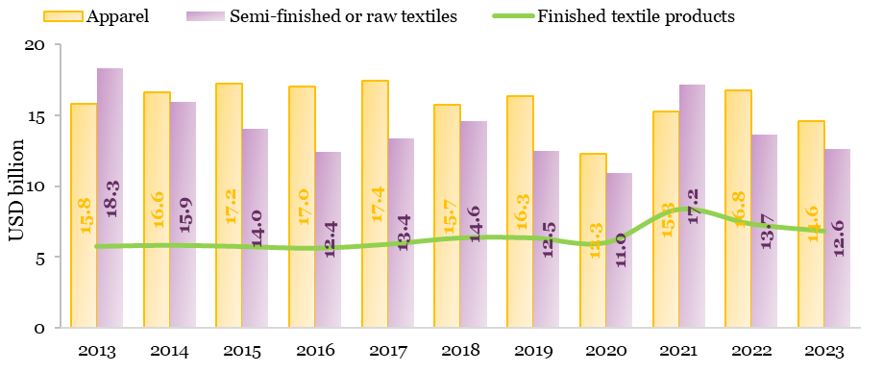
Chart III. 6: India's textile exports over the past decade
 | USD billion
Type | 2012 | 2013 | 2014 | 2015 | 2016 | 2017 | 2018 | 2019 | 2020 | 2021 | 2022 | 2023
Apparel | 13.0 | 15.8 | 16.6 | 17.2 | 17.0 | 17.4 | 15.7 | 16.3 | 12.3 | 15.3 | 16.8 | 14.6
Finished Product | 5.4 | 6.0 | 6.0 | 5.9 | 5.8 | 6.1 | 6.5 | 6.5 | 6.2 | 8.5 | 7.5 | 7.0
Semi-finished or raw textiles | 14.3 | 17.8 | 15.3 | 13.4 | 11.9 | 12.8 | 13.9 | 11.8 | 10.2 | 16.3 | 12.8 | 11.7
Source: Based on analysis at the HS-6 product level, data sourced from ITC Trademap

Chart III.7
Chart III.7: World consumption of major textile fibres
000 Tonnes
 | Cotton | Man-Made Fibre | Wool
1960 | 10356 | 3302 | 1495
1961 | 10085 | 3512 | 1505
1962 | 9902 | 3936 | 1501
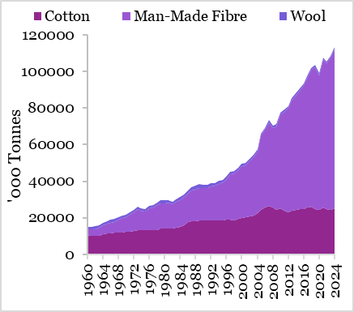
1963 | 10147 | 4381 | 1475
1964 | 10830 | 4966 | 1460
1965 | 11318 | 5391 | 1473
1966 | 11539 | 5712 | 1545
1967 | 11695 | 6044 | 1473
1968 | 11763 | 7106 | 1565
1969 | 11911 | 7733 | 1604
1970 | 12105 | 8136 | 1500
1971 | 12493 | 9064 | 1480
1972 | 12903 | 9936 | 1578
1973 | 13288 | 11300 | 1443
1974 | 12986 | 11019 | 1262
1975 | 13047 | 10312 | 1358
1976 | 13211 | 11811 | 1515
1977 | 13117 | 12430 | 1478
1978 | 13415 | 13350 | 1481
1979 | 13897 | 13985 | 1558
1980 | 14295 | 13718 | 1567
1981 | 14124 | 14031 | 1576
1982 | 14248 | 13091 | 1556
1983 | 14547 | 14006 | 1612
1984 | 14829 | 14800 | 1621
1985 | 15767 | 15420 | 1625
1986 | 17461 | 15786 | 1708
1987 | 18225 | 16566 | 1754
1988 | 18207 | 17313 | 1904
1989 | 18695 | 17690 | 1861
1990 | 18598 | 17652 | 1628
1991 | 18547 | 17706 | 1801
1992 | 18589 | 18488 | 1757
1993 | 18538 | 18916 | 1649
1994 | 18434 | 20242 | 1723
1995 | 18401 | 20813 | 1554
1996 | 18779 | 22035 | 1440
1997 | 18980 | 24666 | 1361
1998 | 18729 | 25481 | 1293
1999 | 19222 | 26560 | 1393
2000 | 19895 | 28434 | 1380
2001 | 20379 | 28326 | 1361
2002 | 20882 | 30143 | 1268
2003 | 21359 | 31710 | 1227
2004 | 22380 | 33929 | 1221
2005 | 24196 | 40694 | 1219
2006 | 25668 | 42289 | 1236
2007 | 26623 | 45594 | 1204
2008 | 25456 | 43777 | 1197
2009 | 24396 | 45629 | 1099
2010 | 25097 | 51285 | 1104
2011 | 23798 | 54254 | 1112
2012 | 22827 | 57064 | 1143
2013 | 23712 | 60498 | 1163
2014 | 24295 | 62473 | 1171
2015 | 24510 | 65026 | 1132
2016 | 24615 | 67830 | 1139
2017 | 25501 | 70626 | 1154
2018 | 26206 | 74529 | 1123
2019 | 24626 | 77684 | 1061
2020 | 24159 | 73828 | 1018
2021 | 25765 | 80801 | 1034
2022 | 24925 | 79392 | 1060
2023 | 24199 | 83225 | 1061
2024 | 25351 | 86842 | 1069
Source: International Cotton Association (ICA)

Chart III.8
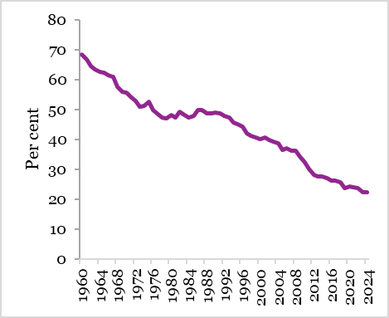
Chart III.8: Cotton’s market share in the global market for fibres
 | Market Share of Cotton
 | Per cent
1960 | 68.3
1961 | 66.8
1962 | 64.6
1963 | 63.4
1964 | 62.8
1965 | 62.2
1966 | 61.4
1967 | 60.9
1968 | 57.6
1969 | 56.1
1970 | 55.7
1971 | 54.2
1972 | 52.8
1973 | 51.0
1974 | 51.4
1975 | 52.8
1976 | 49.8
1977 | 48.5
1978 | 47.5
1979 | 47.2
1980 | 48.3
1981 | 47.5
1982 | 49.3
1983 | 48.2
1984 | 47.5
1985 | 48.1
1986 | 50.0
1987 | 49.9
1988 | 48.7
1989 | 48.9
1990 | 49.1
1991 | 48.7
1992 | 47.9
1993 | 47.4
1994 | 45.6
1995 | 45.1
1996 | 44.4
1997 | 42.2
1998 | 41.2
1999 | 40.7
2000 | 40.0
2001 | 40.7
2002 | 39.9
2003 | 39.3
2004 | 38.9
2005 | 36.6
2006 | 37.1
2007 | 36.3
2008 | 36.1
2009 | 34.3
2010 | 32.4
2011 | 30.1
2012 | 28.2
2013 | 27.8
2014 | 27.6
2015 | 27.0
2016 | 26.3
2017 | 26.2
2018 | 25.7
2019 | 23.8
2020 | 24.4
2021 | 23.9
2022 | 23.7
2023 | 22.3
2024 | 22.4
Source: International Cotton Association (ICA)

Chart III.9
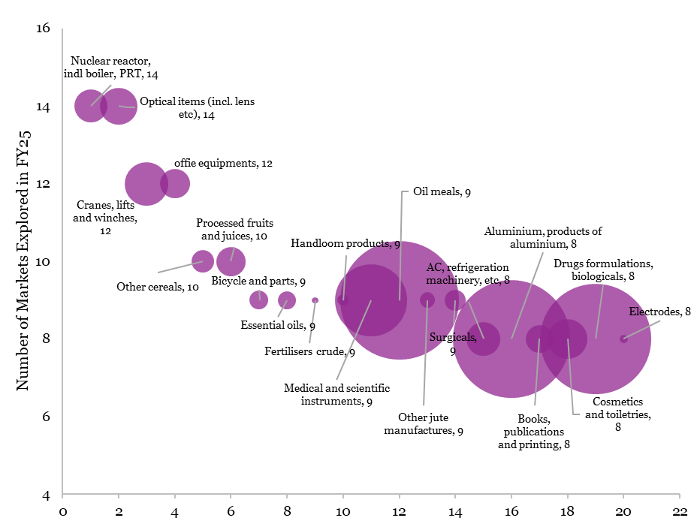
Chart III.9: Number of New Markets Explored for Key Principal Commodities (April – November 2024)
 | Number | USD million
Principal Commodities | Count | Apr- Nov 2024
Nuclear reactor, indl boiler, PRT | 14 | 13.5
Optical items (incl. lens etc) | 14 | 16.6
Cranes, lifts and winches | 12 | 23.1
offie equipments | 12 | 10.7
Other cereals | 10 | 6.3
Processed fruits and juices | 10 | 10.5
Bicycle and parts | 9 | 4.4
Essential oils | 9 | 4.1
Fertilisers crude | 9 | 0.5
Handloom products | 9 | 1.5
Medical and scientific instruments | 9 | 62.7
Oil meals | 9 | 171.7
Other jute manufactures | 9 | 2.9
Surgicals | 9 | 5.4
AC, refrigeration machinery, etc | 8 | 14.3
Aluminium, products of aluminium | 8 | 168.1
Books, publications and printing | 8 | 9.7
Cosmetics and toiletries | 8 | 19.1
Drugs formulations, biologicals | 8 | 148.8
Electrodes | 8 | 0.8
Source: DGCIS

Chart III.10
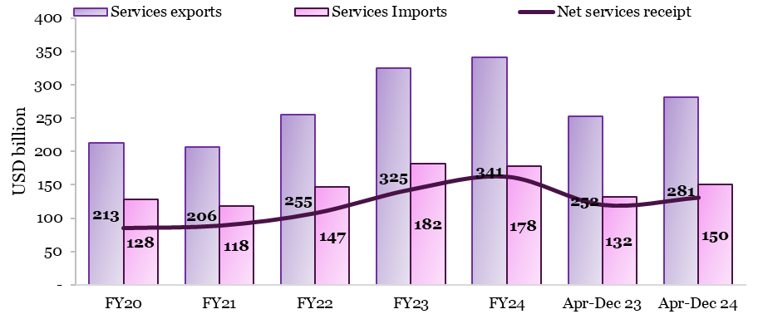
Chart III.10: Rise in net services receipts in the first nine months of FY25
 | USD billion
 | Services exports | Services Imports | Net services receipt
FY20 | 213 | 128 | 85
FY21 | 206 | 118 | 89
FY22 | 255 | 147 | 108
FY23 | 325 | 182 | 143
FY24 | 341 | 178 | 163
Apr-Dec 23 | 252 | 132 | 120
Apr-Dec 24 | 281 | 150 | 131
Source: India's International Trade in Services, RBI

Chart III.11
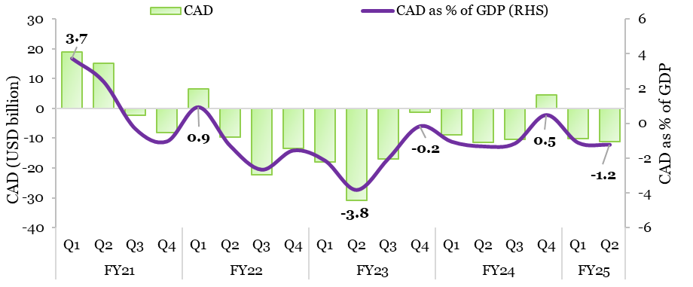
Chart III. 11: Trend in current account deficit
Year | Quarter | USD billion | Per cent
 |  | CAD | CAD as % of GDP (RHS)
FY21 | Q1 | 19.1 | 3.7
 | Q2 | 15.3 | 2.4
 | Q3 | -2.2 | -0.3
 | Q4 | -8.2 | -1.0
FY22 | Q1 | 6.6 | 0.9
 | Q2 | -9.7 | -1.3
 | Q3 | -22.2 | -2.6
 | Q4 | -13.4 | -1.5
FY23 | Q1 | -18.0 | -2.1
 | Q2 | -30.9 | -3.8
 | Q3 | -16.8 | -2.0
 | Q4 | -1.4 | -0.2
FY24 | Q1 | -9.0 | -1.0
 | Q2 | -11.3 | -1.3
 | Q3 | -10.4 | -1.1
 | Q4 | 4.6 | 0.5
FY25 | Q1 | -10.2 | -1.1
 | Q2 | -11.2 | -1.2
Source: Table No. 198, Standard representation of India's Balance of Payments as per BPM6-US Dollars, Handbook of Statistics on Indian Economy, RBI

Chart III.12
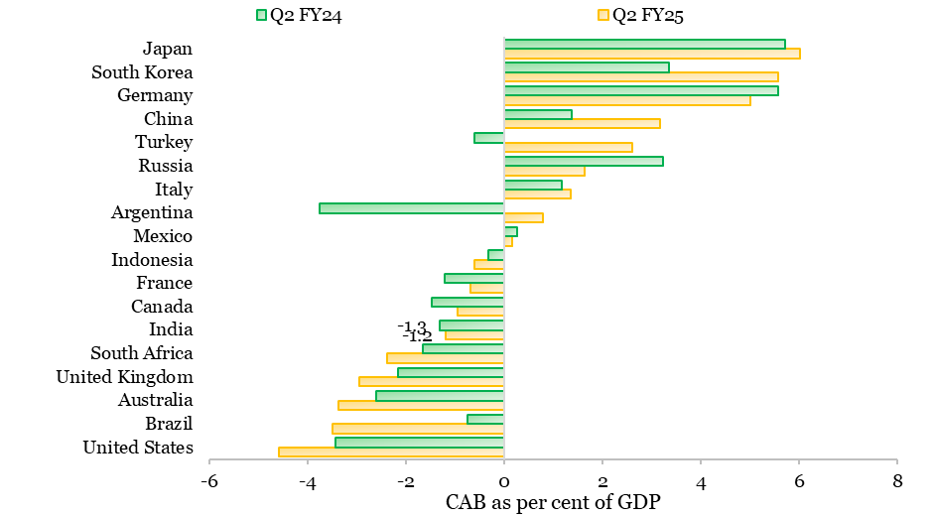
Chart III. 12: Current account balance as a per cent of GDP (India vs select countries)
 | CAB as % of GDP
 | Q2 FY25 | Q2 FY24
United States | -4.6 | -3.4
Brazil | -3.5 | -0.7
Australia | -3.4 | -2.6
United Kingdom | -3.0 | -2.2
South Africa | -2.4 | -1.7
India | -1.2 | -1.3
Canada | -0.9 | -1.5
France | -0.7 | -1.2
Indonesia | -0.6 | -0.3
Mexico | 0.2 | 0.3
Argentina | 0.8 | -3.8
Italy | 1.4 | 1.2
Russia | 1.6 | 3.2
Turkey | 2.6 | -0.6
China | 3.2 | 1.4
Germany | 5.0 | 5.6
South Korea | 5.6 | 3.4
Japan | 6.0 | 5.7
Source: CEIC Data

Chart III.13
Chart III.13: Quarterly Trends in Net Capital inflows
Year | Quarter | USD billion
 |  | Net Capital Inflows
FY21 | Q1 | 1.4
 | Q2 | 15.9
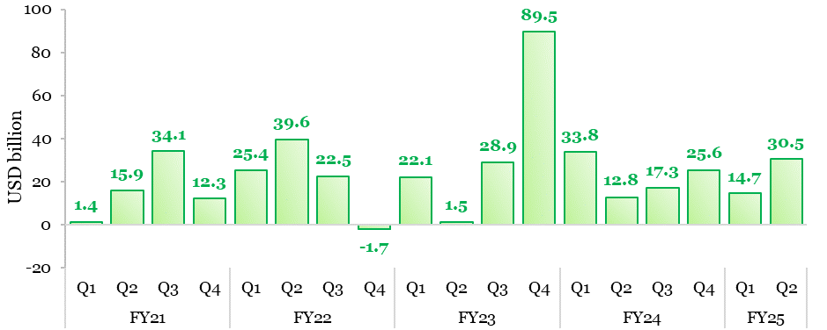
 | Q3 | 34.1
 | Q4 | 12.3
FY22 | Q1 | 25.4
 | Q2 | 39.6
 | Q3 | 22.5
 | Q4 | -1.7
FY23 | Q1 | 22.1
 | Q2 | 1.5
 | Q3 | 28.9
 | Q4 | 89.5
FY24 | Q1 | 33.8
 | Q2 | 12.8
 | Q3 | 17.3
 | Q4 | 25.6
FY25 | Q1 | 14.7
 | Q2 | 30.5
Source: Table No. 198, Standard representation of India's Balance of Payments as per BPM6-US Dollars, Handbook of Statistics on Indian Economy, RBI

Chart III.14
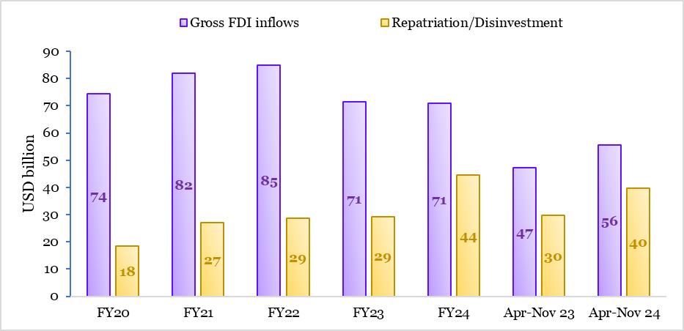
Chart III.14: Trends in gross FDI inflows
Year | USD billion
 | Gross FDI inflows | Repatriation/Disinvestment
FY20 | 74.4 | 18.4
FY21 | 82.0 | 27.0
FY22 | 84.8 | 28.6
FY23 | 71.4 | 29.3
FY24 | 70.9 | 44.5
Apr-Nov 23 | 47.2 | 29.7
Apr-Nov 24 | 55.6 | 39.6
Source: External Sector Statistics, Monthly Foreign Investment Inflows, RBI

Chart III.15
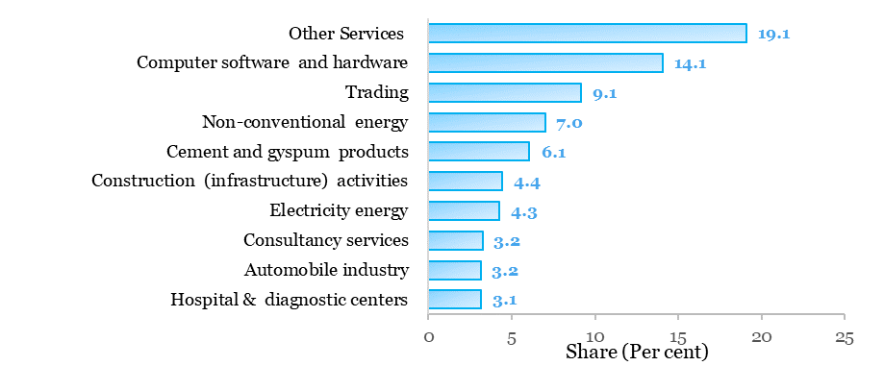
Chart III.15: Sectoral trends in FDI (H1 of FY25)-share in total FDI equity inflows
Sectors | Per cent
Other Services | 19.1
Computer software and hardware | 14.1
Trading | 9.1
Non-conventional energy | 7.0
Cement and gyspum products | 6.1
Construction (infrastructure) activities | 4.4
Electricity energy | 4.3
Consultancy services | 3.2
Automobile industry | 3.2
Hospital & diagnostic centers | 3.1
Source: FDI Statistics, DPIIT

Chart III.16
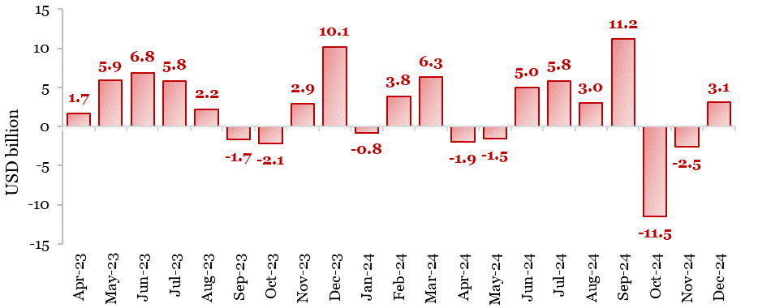
Chart III.16: Trends in foreign portfolio investment flows
 | USD billion
Apr-23 | 1.7
May-23 | 5.9
Jun-23 | 6.8
Jul-23 | 5.8
Aug-23 | 2.2
Sep-23 | -1.7
Oct-23 | -2.1
Nov-23 | 2.9
Dec-23 | 10.1
Jan-24 | -0.8
Feb-24 | 3.8
Mar-24 | 6.3
Apr-24 | -1.9
May-24 | -1.5
Jun-24 | 5.0
Jul-24 | 5.8
Aug-24 | 3.0
Sep-24 | 11.2
Oct-24 | -11.5
Nov-24 | -2.5
Dec-24 | 3.1
Source: FPI Net Investment Details, NSDL

Chart III.17
Chart III.17: Net Flows by FPIs into debt segment
Month | ₹ crore | Per cent
 | Net FPI inflows | India-US yield gap (RHS)
Apr-23 | 2041 | 3.7
May-23 | 4790 | 3.4
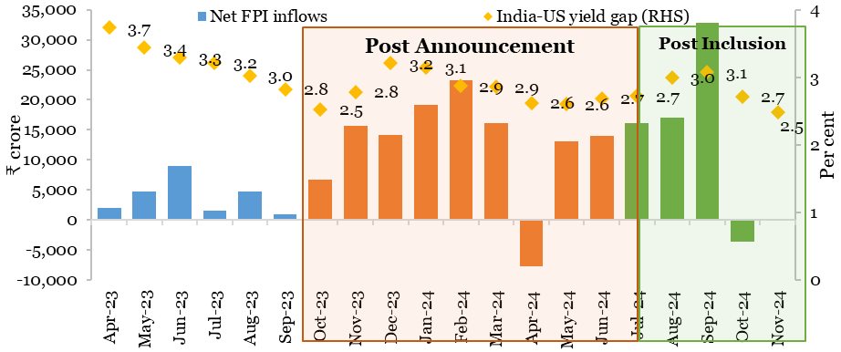
Jun-23 | 8936 | 3.3
Jul-23 | 1499 | 3.2
Aug-23 | 4800 | 3.0
Sep-23 | 992 | 2.8
Oct-23 | 6788 | 2.5
Nov-23 | 15597 | 2.8
Dec-23 | 14156 | 3.2
Jan-24 | 19127 | 3.1
Feb-24 | 23281 | 2.9
Mar-24 | 16080 | 2.9
Apr-24 | -7682 | 2.6
May-24 | 13044 | 2.6
Jun-24 | 13982 | 2.7
Jul-24 | 16174 | 2.7
Aug-24 | 17075 | 3.0
Sep-24 | 32850 | 3.1
Oct-24 | -3632 | 2.7
Nov-24 | -36 | 2.5
Source: Monthly Bulletin, SEBI

Chart III.18
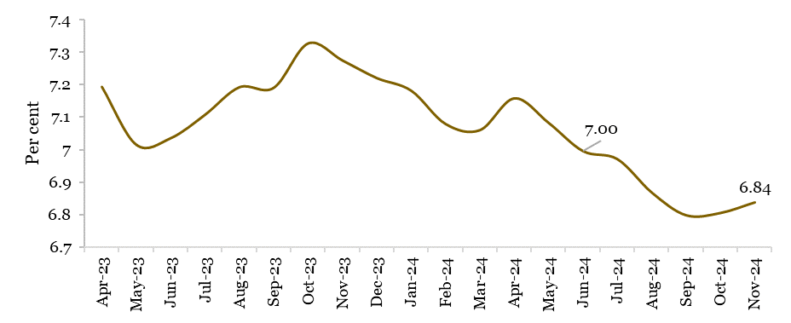
Chart III.18: Trends in average monthly yield of 10Y G-sec
Month | Per cent
 | India G-Sec yield
Apr-23 | 7.2
May-23 | 7.0
Jun-23 | 7.0
Jul-23 | 7.1
Aug-23 | 7.2
Sep-23 | 7.2
Oct-23 | 7.3
Nov-23 | 7.3
Dec-23 | 7.2
Jan-24 | 7.2
Feb-24 | 7.1
Mar-24 | 7.1
Apr-24 | 7.2
May-24 | 7.1
Jun-24 | 7.0
Jul-24 | 7.0
Aug-24 | 6.9
Sep-24 | 6.8
Oct-24 | 6.8
Nov-24 | 6.8
Source: Monthly Bulletin, SEBI

Chart III.19
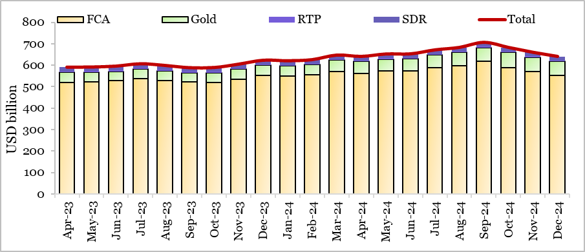
Chart III.19: Movements in foreign exchange reserves
 | USD billion
Month | FCA | Gold | RTP | SDR | Total
Apr-23 | 520.9 | 45.6 | 5.2 | 18.4 | 590.1
May-23 | 522.4 | 45.0 | 5.1 | 18.2 | 590.7
Jun-23 | 528.0 | 43.8 | 5.0 | 18.2 | 595.1
Jul-23 | 537.2 | 45.1 | 5.2 | 18.4 | 605.8
Aug-23 | 529.9 | 45.1 | 5.1 | 18.2 | 598.2
Sep-23 | 521.4 | 43.3 | 5.0 | 18.0 | 587.7
Oct-23 | 519.3 | 46.4 | 4.8 | 17.9 | 588.5
Nov-23 | 533.4 | 47.6 | 4.9 | 18.3 | 604.2
Dec-23 | 551.2 | 48.0 | 4.9 | 18.4 | 622.5
Jan-24 | 548.9 | 48.0 | 4.8 | 18.2 | 620.0
Feb-24 | 554.2 | 48.0 | 4.8 | 18.2 | 625.2
Mar-24 | 571.0 | 52.7 | 4.7 | 18.1 | 646.4
Apr-24 | 561.8 | 55.9 | 4.5 | 18.0 | 640.2
May-24 | 572.6 | 56.5 | 4.3 | 18.1 | 651.5
Jun-24 | 572.9 | 56.5 | 4.6 | 18.0 | 652.0
Jul-24 | 589.3 | 58.5 | 4.6 | 18.2 | 670.6
Aug-24 | 597.4 | 61.7 | 4.6 | 18.5 | 682.2
Sep-24 | 617.1 | 65.7 | 4.4 | 18.6 | 705.8
Oct-24 | 589.8 | 69.8 | 4.3 | 18.2 | 682.1
Nov-24 | 570.0 | 67.2 | 4.3 | 18.0 | 659.4
Dec-24 | 551.9 | 66.3 | 4.2 | 17.9 | 640.3
Source: External Sector Statistics, Monthly Foreign Exchange Reserves, RBI

Chart III.20
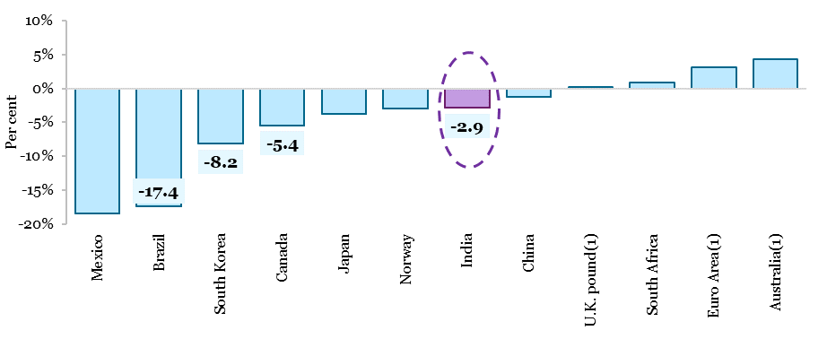
Chart III.20: Changes in the bilateral exchange rates of the major countries against USD from April to December 2024
Currency | Per cent
 | % app (+)/ dep (-) of currency against USD
Mexico | -18.5
Brazil | -17.4
South Korea | -8.2
Canada | -5.4
Japan | -3.8
Norway | -3.0
India | -2.9
China | -1.3
U.K. pound(1) | 0.2
South Africa | 0.9
Euro Area(1) | 3.1
Australia(1) | 4.3
Malaysia | 5.2
Thailand | 5.9
Source: Representative exchange rate for selected countries, IMF
Source: Representative exchange rate for selected countries, IMF Note: The euro (€) is the official currency of 20 out of 27 EU member countries constituting the Eurozone, officially called the euro area. To determine currency appreciation or depreciation, the representative exchange rates of major countries are expressed in currency units per U.S. dollar. Exceptions, marked with (1), are presented as U.S. dollars per currency unit.

Chart III.21
Chart III.21: Trend in REER and NEER
Month | 40-Currency Basket Base (2015-16=100)
 | Trade-Weighted NEER | Trade-Weighted REER
Apr-22 | 93.1 | 103.7
May-22 | 93.1 | 105.0
Jun-22 | 92.4 | 104.2
Jul-22 | 91.8 | 103.8
Aug-22 | 92.0 | 104.0
Sep-22 | 92.8 | 104.9
Oct-22 | 91.7 | 104.1
Nov-22 | 91.4 | 103.5
Dec-22 | 89.3 | 100.4
Jan-23 | 89.1 | 100.2
Feb-23 | 88.5 | 99.4
Mar-23 | 89.3 | 100.1
Apr-23 | 89.1 | 99.0
May-23 | 89.2 | 100.4
Jun-23 | 90.3 | 103.0
Jul-23 | 90.7 | 106.2
Aug-23 | 90.9 | 105.4
Sep-23 | 91.3 | 104.1
Oct-23 | 91.7 | 105.1
Nov-23 | 90.8 | 104.7
Dec-23 | 90.2 | 103.5
Jan-24 | 90.7 | 103.7
Feb-24 | 91.9 | 104.7
Mar-24 | 92.1 | 104.5
Apr-24 | 92.0 | 103.2
May-24 | 92.0 | 104.4
Jun-24 | 92.1 | 106.3
Jul-24 | 91.9 | 107.4
Aug-24 | 90.8 | 105.5
Sep-24 | 90.4 | 105.3
Oct-24 | 90.9 | 107.2
Nov-24 | 91.8 | 108.1
Dec-24 | 91.8 | 107.2
Source: External Sector Statistics, Indices of Real Effective Exchange Rate (REER) and Nominal Effective Exchange Rate (NEER) of the Indian Rupee, RBI

Chart III.22
Chart III.22: India’s stable external debt position
 | USD billion | Per cent
 | External Debt (RHS) | ED to GDP | FER to TD | STED to TED
2015 | 474.7 | 23.8 | 72.0 | 18.0
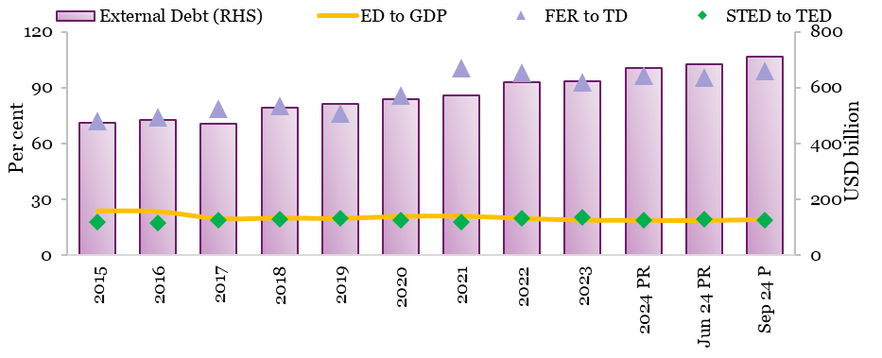
2016 | 484.8 | 23.4 | 74.3 | 17.2
2017 | 471.0 | 19.8 | 78.5 | 18.7
2018 | 529.3 | 20.1 | 80.2 | 19.3
2019 | 543.1 | 19.9 | 76.0 | 20.0
2020 | 558.3 | 20.9 | 85.6 | 19.1
2021 | 573.4 | 21.1 | 100.6 | 17.6
2022 | 618.8 | 19.9 | 98.1 | 19.7
2023 | 623.9 | 19.0 | 92.7 | 20.6
2024 PR | 668.9 | 18.9 | 96.6 | 19.1
Jun 24 PR | 682.2 | 18.8 | 95.6 | 19.4
Sep 24 P | 711.8 | 19.4 | 99.2 | 18.8
Source: DEA press release: India's External Debt Report for Quarter ending September 2024
Source: DEA press release: India's External Debt Report for Quarter ending September 2024 Note: PR - Partially Revised, P-Provisional; ED – External Debt, FER-Foreign Exchange Reserves, TED – Total External Debt, STED – Short Term External Debt

