Chart VIII.1(a)
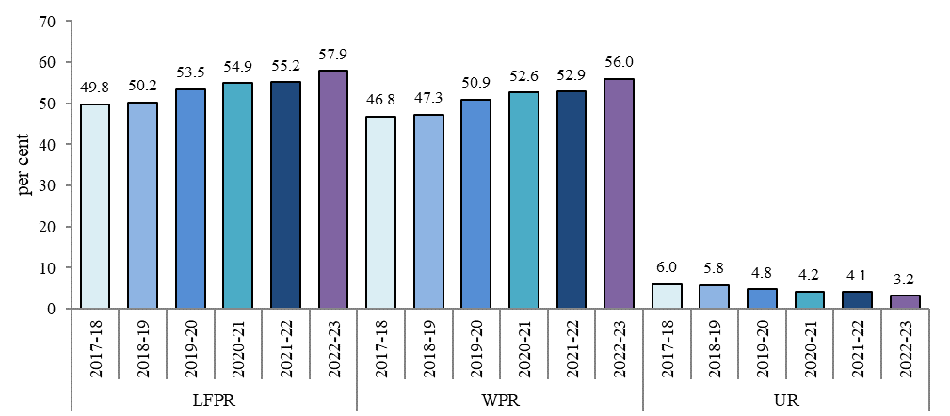
Chart VIII.1: Improving annual labour market indicators (July-June period)
(a) Usual status, aged 15 years and above
LFPR | 2017-18 | 49.8
 | 2018-19 | 50.2
 | 2019-20 | 53.5
 | 2020-21 | 54.9
 | 2021-22 | 55.2
 | 2022-23 | 57.9
WPR | 2017-18 | 46.8
 | 2018-19 | 47.3
 | 2019-20 | 50.9
 | 2020-21 | 52.6
 | 2021-22 | 52.9
 | 2022-23 | 56.0
UR | 2017-18 | 6.0
 | 2018-19 | 5.8
 | 2019-20 | 4.8
 | 2020-21 | 4.2
 | 2021-22 | 4.1
 | 2022-23 | 3.2
Source: PLFS annual reports
https://dge.gov.in/dge/reference-publication-reports-annual

Chart VIII.1(b)
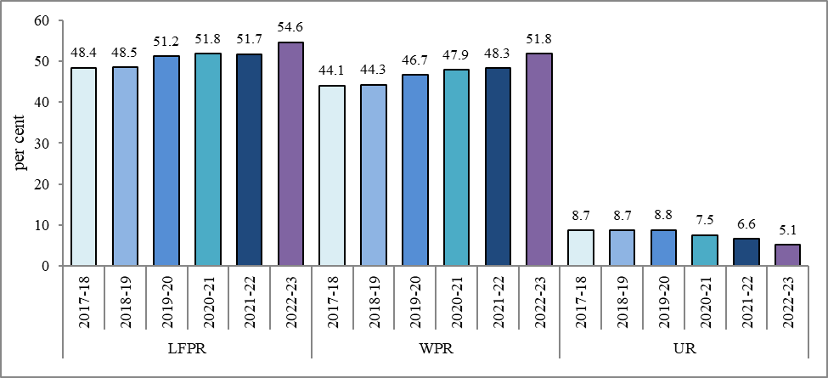
Chart VIII.1: Improving annual labour market indicators (July-June period)
(b)Current Weekly status, aged 15 years and above
LFPR | 2017-18 | 48.4
 | 2018-19 | 48.5
 | 2019-20 | 51.2
 | 2020-21 | 51.8
 | 2021-22 | 51.7
 | 2022-23 | 54.6
WPR | 2017-18 | 44.1
 | 2018-19 | 44.3
 | 2019-20 | 46.7
 | 2020-21 | 47.9
 | 2021-22 | 48.3
 | 2022-23 | 51.8
UR | 2017-18 | 8.7
 | 2018-19 | 8.7
 | 2019-20 | 8.8
 | 2020-21 | 7.5
 | 2021-22 | 6.6
 | 2022-23 | 5.1
Source: PLFS annual reports
https://dge.gov.in/dge/reference-publication-reports-annual

Chart VIII.2
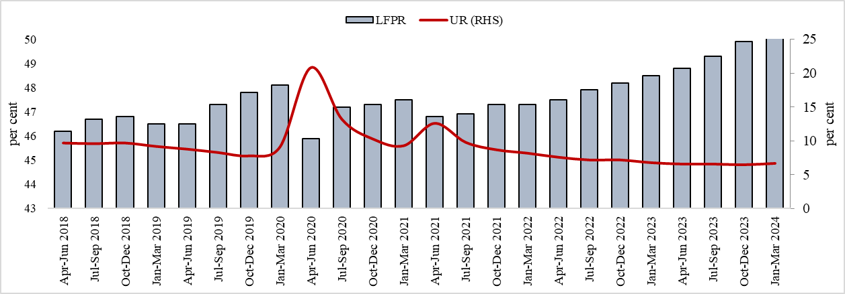
Chart VIII.2: Declining quarterly urban unemployment rate
(age 15 years and above, in per cent)
Quarters | LFPR | Worker Population Ratio | UR (RHS)
Apr-Jun 2018 | 46.2 | 41.8 | 9.7
Jul-Sep 2018 | 46.7 | 42.2 | 9.6
Oct-Dec 2018 | 46.8 | 42.2 | 9.7
Jan-Mar 2019 | 46.5 | 42.2 | 9.2
Apr-Jun 2019 | 46.5 | 42.4 | 8.8
Jul-Sep 2019 | 47.3 | 43.4 | 8.3
Oct-Dec 2019 | 47.8 | 44.1 | 7.8
Jan-Mar 2020 | 48.1 | 43.7 | 9.1
Apr-Jun 2020 | 45.9 | 36.4 | 20.8
Jul-Sep 2020 | 47.2 | 40.9 | 13.2
Oct-Dec 2020 | 47.3 | 42.4 | 10.3
Jan-Mar 2021 | 47.5 | 43.1 | 9.3
Apr-Jun 2021 | 46.8 | 40.9 | 12.6
Jul-Sep 2021 | 46.9 | 42.3 | 9.8
Oct-Dec 2021 | 47.3 | 43.2 | 8.7
Jan-Mar 2022 | 47.3 | 43.4 | 8.2
Apr-Jun 2022 | 47.5 | 43.9 | 7.6
Jul-Sep 2022 | 47.9 | 44.5 | 7.2
Oct-Dec 2022 | 48.2 | 44.7 | 7.2
Jan-Mar 2023 | 48.5 | 45.2 | 6.8
Apr-Jun 2023 | 48.8 | 45.5 | 6.6
Jul-Sep 2023 | 49.3 | 46.0 | 6.6
Oct-Dec 2023 | 49.9 | 46.6 | 6.5
Jan-Mar 2024 | 50.2 | 46.9 | 6.7
Source: PLFS Quarterly reports for urban areas
https://dge.gov.in/dge/reference-publication-reports-quarterly-plfs

Chart VIII.3
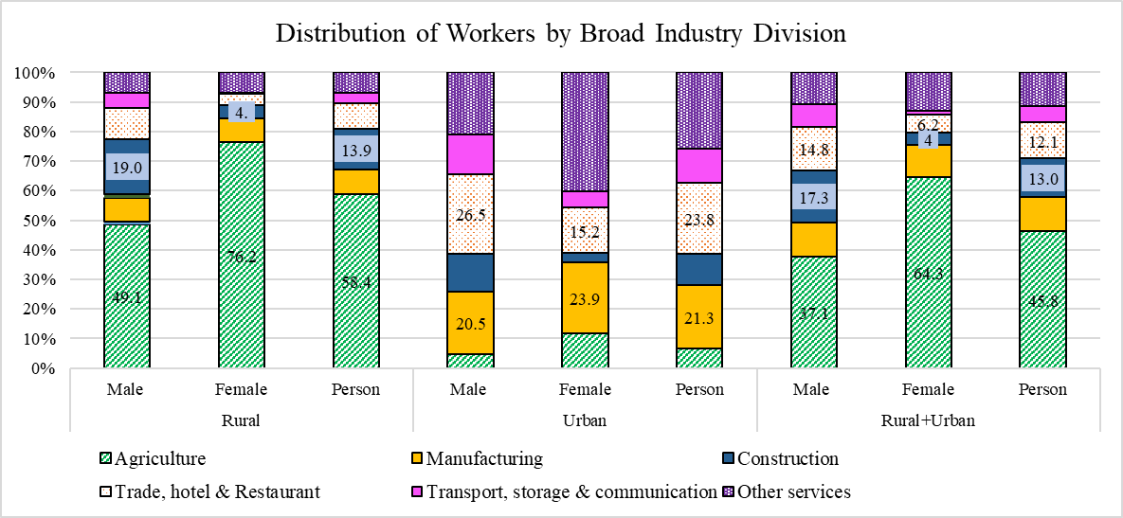
Chart VIII.3: Distribution of workers by broad industry divisions, 2022-2
 | Rural |  |  | Urban |  |  | Rural+Urban
 | Male | Female | Person | Male | Female | Person | Male | Female | Person
Agriculture | 49.1 | 76.2 | 58.4 | 4.7 | 11.7 | 6.4 | 37.1 | 64.3 | 45.8
Manufacturing | 8.2 | 8.3 | 8.2 | 20.5 | 23.9 | 21.3 | 11.6 | 11.1 | 11.4
Construction | 19.0 | 4.2 | 13.9 | 12.6 | 3.1 | 10.3 | 17.3 | 4.0 | 13.0
Trade, hotel & Restaurant | 10.5 | 4.1 | 8.3 | 26.5 | 15.2 | 23.8 | 14.8 | 6.2 | 12.1
Transport, storage & communication | 5.3 | 0.2 | 3.5 | 13.2 | 5.5 | 11.4 | 7.4 | 1.2 | 5.4
Other services | 7.0 | 6.9 | 7.0 | 20.6 | 40.1 | 25.3 | 10.7 | 13.0 | 11.4
Source: PLFS Annual Reports
https://dge.gov.in/dge/reference-publication-reports-annual

Chart VIII.4
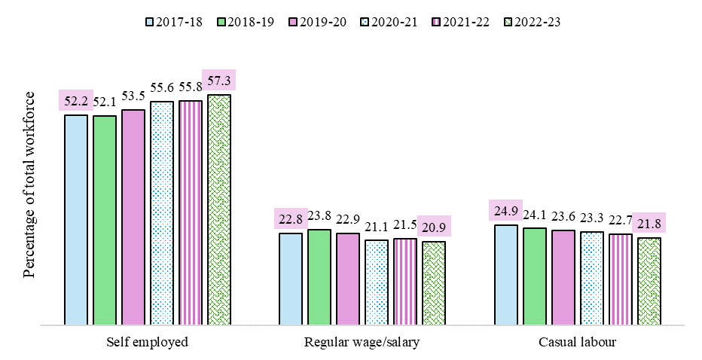
Chart VIII.4: Trend in broad category wise employment status
 |  | Rural+urban
 |  | Self-employment
 |  | Own account worker and employer | Helper in household enterprise | All self employed | Regular wage/salary | Casual labour
2022-23 | Male | 44.3 | 9.3 | 53.6 | 23.2 | 23.2
 | Female | 27.8 | 37.5 | 65.3 | 15.9 | 18.8
 | Person | 39.0 | 18.3 | 57.3 | 20.9 | 21.8
2021-22 | Male | 43.8 | 9.4 | 53.2 | 23.6 | 23.2
 | Female | 25.4 | 36.7 | 62.1 | 16.5 | 21.4
 | Person | 38.3 | 17.5 | 55.8 | 21.5 | 22.7
2020-21 | Male | 44.8 | 9.2 | 53.9 | 22.7 | 23.3
 | Female | 22.8 | 36.6 | 59.4 | 17.4 | 23.2
 | Person | 38.2 | 17.3 | 55.6 | 21.1 | 23.3
2019-20 | Male | 43.9 | 8.5 | 52.4 | 24.0 | 23.6
 | Female | 21.3 | 35.0 | 56.3 | 20.0 | 23.7
 | Person | 37.6 | 15.9 | 53.5 | 22.9 | 23.6
2018-19 | Male | 44.0 | 7.6 | 51.7 | 24.4 | 24.0
 | Female | 22.5 | 30.9 | 53.4 | 21.9 | 24.7
 | Person | 38.8 | 13.3 | 52.1 | 23.8 | 24.1
2017-18 | Male | 44.1 |  | 52.3 | 23.4 | 24.3
 | Female | 20.2 | 31.7 | 51.9 | 21.0 | 27.0
 | Person | 38.6 | 13.6 | 52.2 | 22.8 | 24.9
Source: PLFS annual reports
https://dge.gov.in/dge/reference-publication-reports-annual

Chart VIII.5
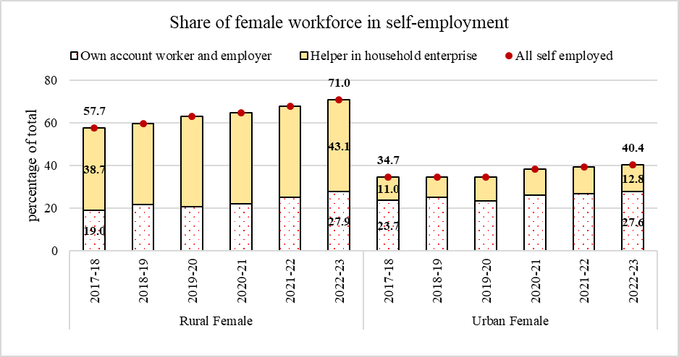
Chart VIII.5: Share of female workforce in self-employment
 |  | Own account worker and employer | Helper in household enterprise | All self employed
Rural Female | 2017-18 | 19.0 | 38.7 | 57.7
 | 2018-19 | 21.8 | 37.9 | 59.6
 | 2019-20 | 20.6 | 42.3 | 63.0
 | 2020-21 | 21.9 | 42.8 | 64.8
 | 2021-22 | 25.1 | 42.7 | 67.8
 | 2022-23 | 27.9 | 43.1 | 71.0
Urban Female | 2017-18 | 23.7 | 11.0 | 34.7
 | 2018-19 | 24.9 | 9.6 | 34.5
 | 2019-20 | 23.5 | 11.1 | 34.6
 | 2020-21 | 26.0 | 12.4 | 38.4
 | 2021-22 | 26.7 | 12.7 | 39.4
 | 2022-23 | 27.6 | 12.8 | 40.4
Source: PLFS annual reports
https://dge.gov.in/dge/reference-publication-reports-annual

Chart VII.6
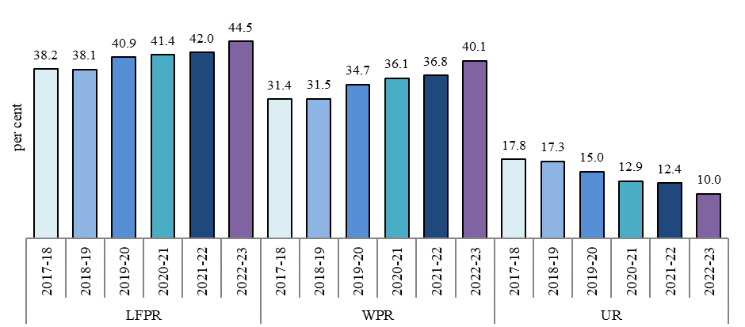
Chart VIII.6: Youth employment indicators
aged 15-29 years
LFPR | 2017-18 | 38.2
 | 2018-19 | 38.1
 | 2019-20 | 40.9
 | 2020-21 | 41.4
 | 2021-22 | 42.0
 | 2022-23 | 44.5
WPR | 2017-18 | 31.4
 | 2018-19 | 31.5
 | 2019-20 | 34.7
 | 2020-21 | 36.1
 | 2021-22 | 36.8
 | 2022-23 | 40.1
UR | 2017-18 | 17.8
 | 2018-19 | 17.3
 | 2019-20 | 15.0
 | 2020-21 | 12.9
 | 2021-22 | 12.4
 | 2022-23 | 10.0
Source: PLFS annual reports
https://dge.gov.in/dge/reference-publication-reports-annual

Chart VIII.7
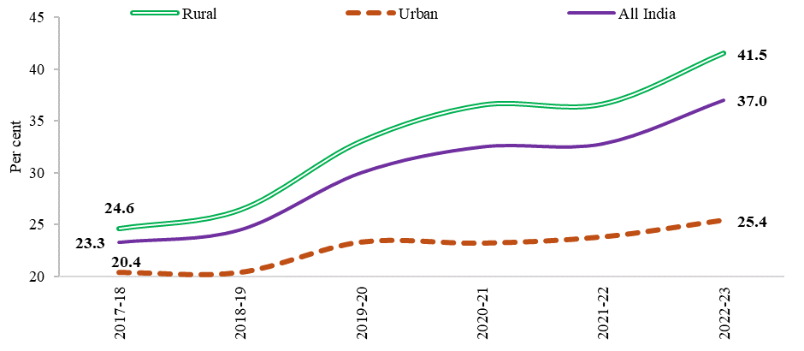
Chart VIII.7: Rural India drives the rise in female LFPR
Female LFPR % | 2017-18 | 2018-19 | 2019-20 | 2020-21 | 2021-22 | 2022-23
Rural | 24.6 | 26.4 | 33.0 | 36.5 | 36.3 | 41.5
Urban | 20.4 | 20.4 | 23.3 | 23.2 | 23.8 | 25.4
Rural+Urban | 23.3 | 24.5 | 30.0 | 32.5 | 32.8 | 37.0
Source: PLFS annual reports

Chart VIII.8
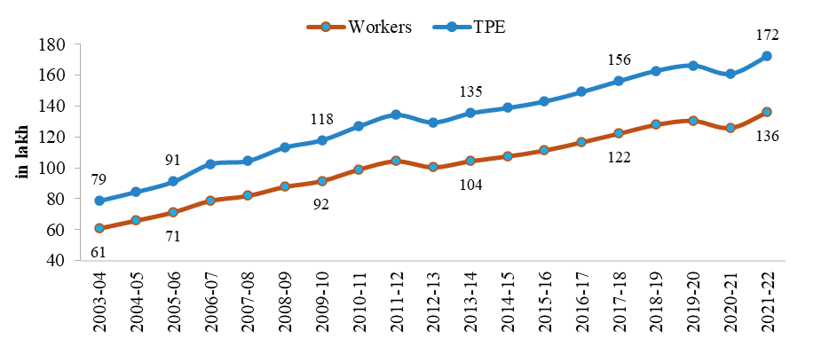
Chart VIII.8: Trend in employment in organised manufacturing sector
 | Numbers |  | IN LAKH
 | Workers | TPE | Workers | TPE
2003-04 | 6,086,908 | 7,870,081 | 61 | 79
2004-05 | 6,599,298 | 8,453,624 | 66 | 85
2005-06 | 7,136,097 | 9,111,680 | 71 | 91
2006-07 | 7,880,536 | 10,252,148 | 79 | 103
2007-08 | 8,198,110 | 10,452,535 | 82 | 105
2008-09 | 8,776,745 | 11,327,485 | 88 | 113
2009-10 | 9,157,802 | 11,792,055 | 92 | 118
2010-11 | 9,901,970 | 12,694,853 | 99 | 127
2011-12 | 10,438,365 | 13,429,956 | 104 | 134
2012-13 | 10,051,626 | 12,950,025 | 101 | 130
2013-14 | 10,444,404 | 13,538,114 | 104 | 135
2014-15 | 10,755,288 | 13,881,386 | 108 | 139
2015-16 | 11,136,133 | 14,299,710 | 111 | 143
2016-17 | 11,662,947 | 14,911,189 | 117 | 149
2017-18 | 12,224,422 | 15614621 | 122 | 156
2018-19 | 12,798,588 | 16280212 | 128 | 163
2019-20 | 13,058,156 | 16624289 | 131 | 166
2020-21 | 12,594,563 | 16089701 | 126 | 161
2021-22 | 13,609,931 | 17215348 | 136 | 172
Source: Annual Survey of Industries

Chart VIII.9
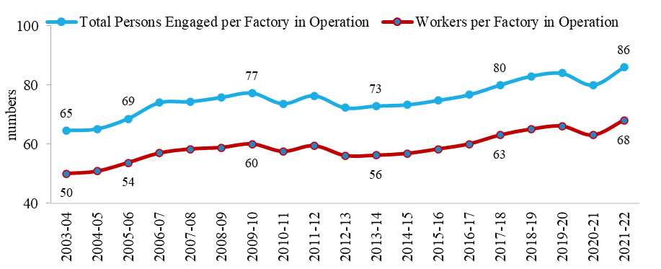
Chart VIII.9: Trend in employment per factory

Year | Total Persons Engaged per Factory in Operation | Workers per Factory in Operation
2003-04 | 65 | 50
2004-05 | 65 | 51
2005-06 | 69 | 54
2006-07 | 74 | 57
2007-08 | 74 | 58
2008-09 | 76 | 59
2009-10 | 77 | 60
2010-11 | 74 | 58
2011-12 | 76 | 59
2012-13 | 72 | 56
2013-14 | 73 | 56
2014-15 | 73 | 57
2015-16 | 75 | 58
2016-17 | 77 | 60
2017-18 | 80 | 63
2018-19 | 83 | 65
2019-20 | 84 | 66
2020-21 | 80 | 63
2021-22 | 86 | 68
Source: Annual Survey of Industries

Chart VIII.10
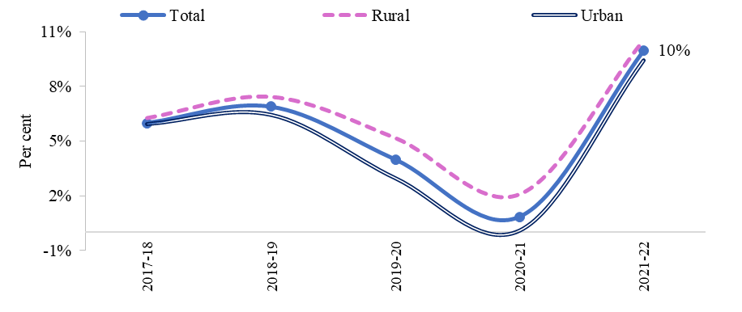
Chart VIII.10: YoY growth in wages per worker
Year | Total | Rural | Urban
2017-18 | 6.0% | 6.3% | 5.9%
2018-19 | 6.9% | 7.4% | 6.4%
2019-20 | 4.0% | 5.2% | 3.0%
2020-21 | 0.8% | 2.1% | 0.1%
2021-22 | 10.0% | 10.5% | 9.4%
Source: Annual Survey of Industries

Chart VIII.11
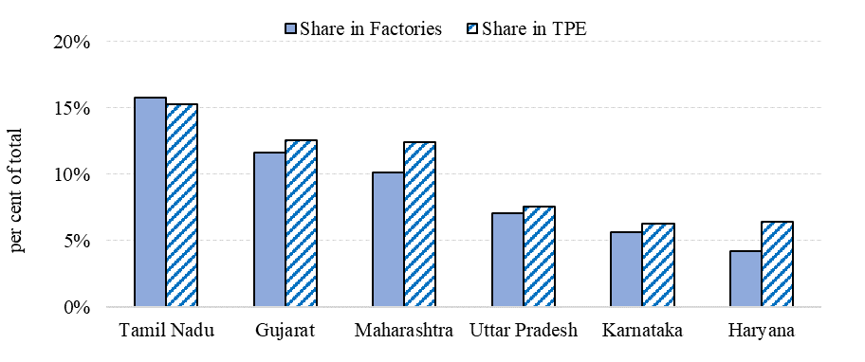
Chart VIII.11: Top six states in the number of factories and employment

States | Share in Factories | Share in TPE
Tamil Nadu | 16% | 15%
Gujarat | 12% | 13%
Maharashtra | 10% | 12%
Uttar Pradesh | 7% | 8%
Karnataka | 6% | 6%
Haryana | 4% | 6%
Source: Annual Survey of Industries

Chart VIII.12
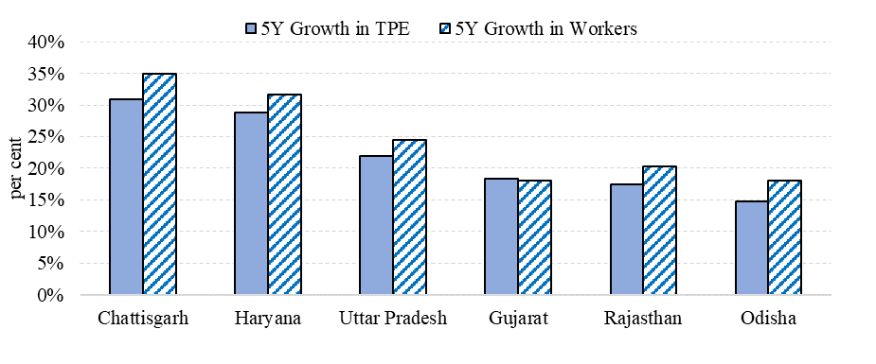
Chart VIII.12: Top six states in five years (FY18-FY22) growth in employment in factories
States | 5Y Growth in TPE | 5Y Growth in Workers
Chattisgarh | 31% | 35%
Haryana | 29% | 32%
Uttar Pradesh | 22% | 24%
Gujarat | 18% | 18%
Rajasthan | 17% | 20%
Odisha | 15% | 18%
Source: Annual Survey of Industries

Chart VIII.13
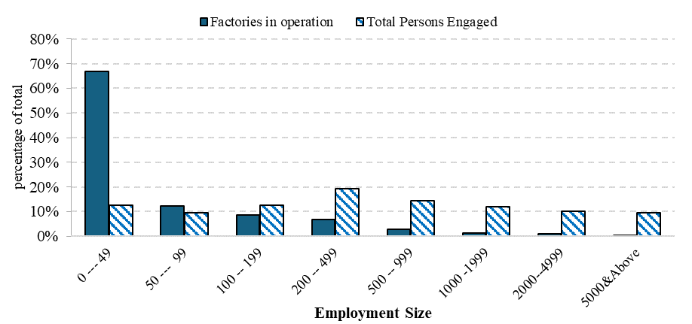
 | ASI for MER March 2024 |  | Chart VIII.13: Predominance of smaller factories while larger factories generate greater employment
 | TPE |  | Employment Range | Factories in operation | Total Persons Engaged
 |  | 2017-18 | 0 --- 49 | 67% | 13%
 | 0 --- 49 | 14% | 50 --- 99 | 12% | 10%
 | 50 --- 99 | 10% | 100 -- 199 | 9% | 13%
 | 100 -- 199 | 13% | 200 -- 499 | 7% | 19%
 | 200 -- 499 | 19% | 500 -- 999 | 3% | 14%
 | 500 -- 999 | 14% | 1000 -1999 | 1% | 12%
 | 1000 -1999 | 12% | 2000--4999 | 1% | 10%
 | 2000--4999 | 10% | 5000&Above | 0% | 10%
 | 5000&Above | 9% | Source: Annual Survey of Industries

 | Wages per worker (in lakhs)
0 --- 14 | 1.2
15 --- 19 | 1.4
20 --- 29 | 1.5
30 --- 49 | 1.5
50 --- 99 | 1.5
100 -- 199 | 1.7
200 -- 499 | 1.9
500 -- 999 | 2.1
1000 -1999 | 2.2
2000--4999 | 2.3
5000&Above | 2.6

 | share in TPE
Food products | 11.1%
Textiles | 9.6%
Basic Metals | 7.4%
Wearing Apparel | 6.9%
Motor Vehicles | 6.8%
Other non-metallic mineral products | 6.0%
Chemicals | 6.0%
Machinery | 6.0%
Rubber and Plastic | 5.5%
Pharma | 5.2%
Others | #REF!
 | 70%

 | Growth in 5 years
Food products | 7%
Motor Vehicles | 15%
Pharmaceuticals | 21%
Machinery | 21%
Basic Metals | 23%
Chemicals | 24%
Rubber & Plastic Products | 34%
Computer, Electronics etc. | 66%

 | Share in Factories | Share in TPE
Tamil Nadu | 16% | 15%
Gujarat | 12% | 13%
Maharashtra | 10% | 12%
Uttar Pradesh | 7% | 8%
Karnataka | 6% | 6%
Haryana | 4% | 6%
 |  | 40.2%

total persons engaged
 | 2021-22 | 2017-18
Jammu & Kashmir | 58,005 | 49133
Tripura | 23,393 | 19745
Manipur | 7,334 | 5616
Andaman & N. Island | 249 | 149
Arunachal Pradesh | 2,671 | 11
Andhra Pradesh | 486,846 | 452

Chart VIII.14
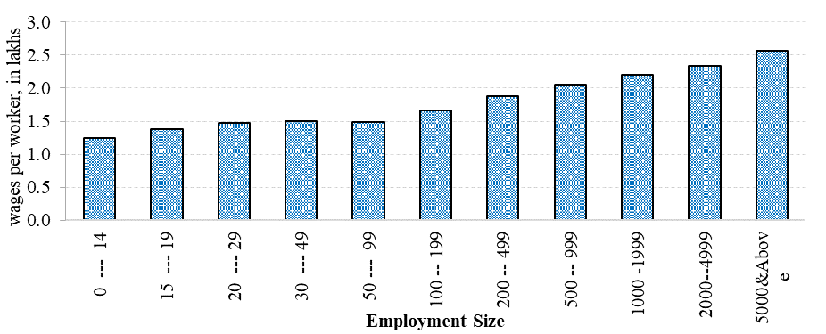
Chart VIII.14: Larger factories pay better wages
Employment Range | Wages per worker (in lakhs)
0 --- 14 | 1.2
15 --- 19 | 1.4
20 --- 29 | 1.5
30 --- 49 | 1.5
50 --- 99 | 1.5
100 -- 199 | 1.7
200 -- 499 | 1.9
500 -- 999 | 2.1
1000 -1999 | 2.2
2000--4999 | 2.3
5000&Above | 2.6
Source: Annual Survey of Industries

Chart VIII.15
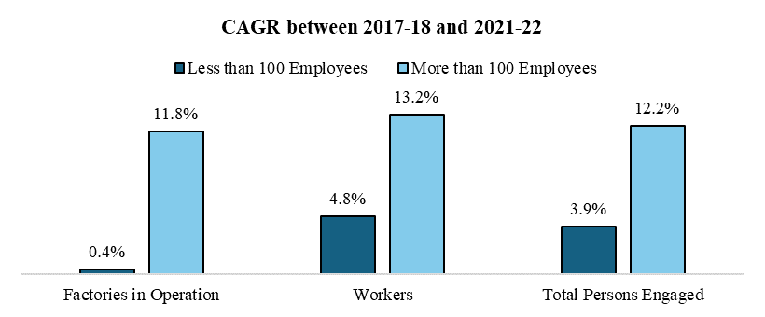
Chart VIII.15: Higher employment growth in larger factories
 | Factories in Operation | Workers | Total Persons Engaged
Less than 100 Employees | 0.4% | 4.8% | 3.9%
More than 100 Employees | 11.8% | 13.2% | 12.2%
Source: Annual Survey of Industries

Chart VIII.16
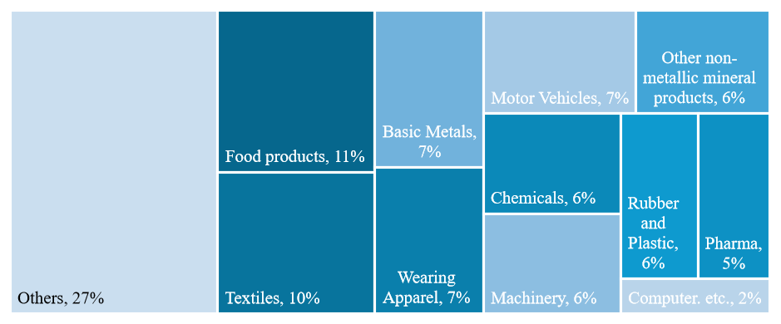
Chart VIII.16: Share in factory employment in FY22
Industries | share in TPE
Food products | 11%
Textiles | 10%
Wearing Apparel | 7%
Chemicals | 6%
Pharma | 5%
Rubber and Plastic | 6%
Other non-metallic mineral products | 6%
Basic Metals | 7%
Machinery | 6%
Motor Vehicles | 7%
Computer. etc. | 2%
Others | 27%
Source: Annual Survey of Industries

Chart VIII.17
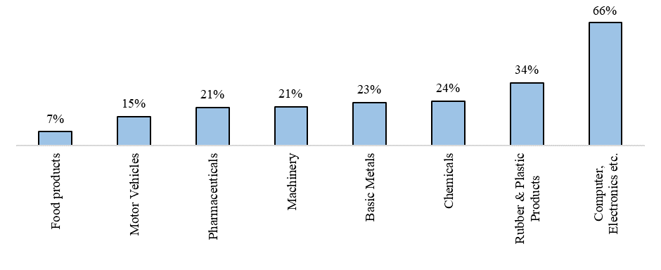
Chart VIII.17: Total growth in employment in 5 years: FY18 to FY22
Industries | Growth in 5 years
Food products | 7%
Motor Vehicles | 15%
Pharmaceuticals | 21%
Machinery | 21%
Basic Metals | 23%
Chemicals | 24%
Rubber & Plastic Products | 34%
Computer, Electronics etc. | 66%
Source: Annual Survey of Industries

Chart VIII.18
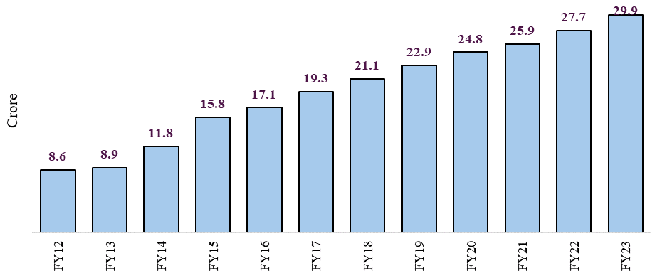
Chart VIII.18: Rising EPFO membership
FY | No. of Members | No. of Members (in crore)
2013 | 88761983 | 8.9
2014 | 117813454 | 11.8
2015 | 158470437 | 15.8
2016 | 171413981 | 17.1
2017 | 193391860 | 19.3
2018 | 210811048 | 21.1
2019 | 229193593 | 22.9
2020 | 247664359 | 24.8
2021 | 258786358 | 25.9
2022 | 277371185 | 27.7
Source: EPFO Annual Reports

Chart VIII.19
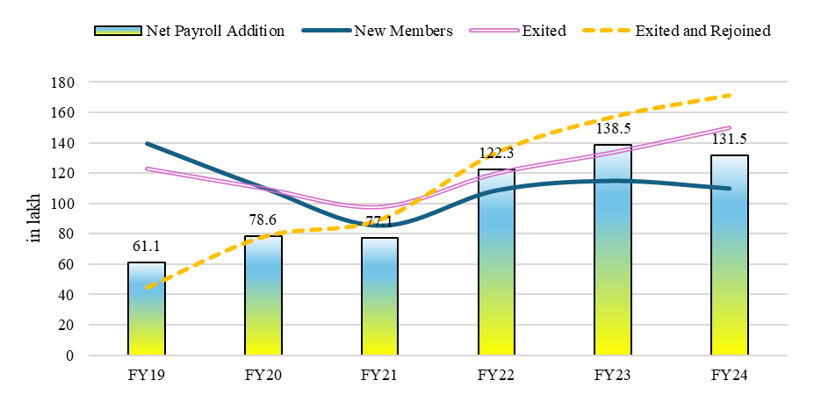
Chart VIII.19: Net payroll addition in EPFO
in lakhs | New Members | Exited | Exited and Rejoined | Net Payroll Addition
FY19 | 139.4 | 123.0 | 44.6 | 61.1
FY20 | 110.4 | 110.0 | 78.1 | 78.6
FY21 | 85.5 | 97.8 | 89.4 | 77.1
FY22 | 108.7 | 119.9 | 133.6 | 122.3
FY23 | 115.0 | 133.7 | 157.2 | 138.5
FY24 | 109.9 | 149.9 | 171.4 | 131.5

Chart VIII.20
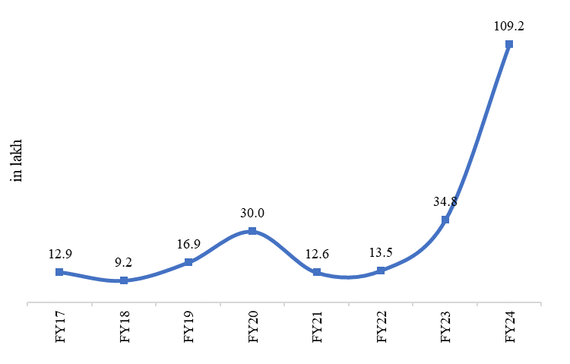
Chart VIII.20: Vacancies mobilised under NCS
Fin Year | Vacancies Mobilized | in lakh | Vacancies Mobilized
2016-2017 | 1285017 | FY17 | 12.9
2017-2018 | 920972 | FY18 | 9.2
2018-2019 | 1687801 | FY19 | 16.9
2019-2020 | 3000492 | FY20 | 30.0
2020-2021 | 1261066 | FY21 | 12.6
2021-2022 | 1346765 | FY22 | 13.5
2022-2023 | 3481944 | FY23 | 34.8
2023-2024 | 10924161 | FY24 | 109.2
Source: Inputs from MoLE

Chart VIII.21
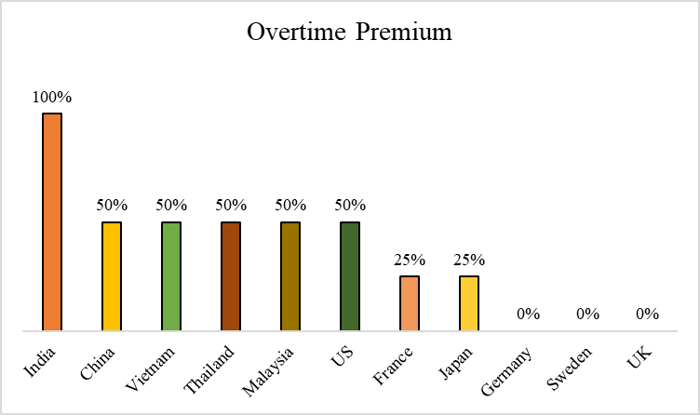
Chart VIII.21: India has a higher overtime wage premium
Country | Overtime Premium
India | 100%
China | 50%
Vietnam | 50%
Thailand | 50%
Malaysia | 50%
US | 50%
France | 25%
Japan | 25%
Germany | 0%
Sweden | 0%
UK | 0%
Source: Dandekar and Roy (2023)

Chart VIII.22
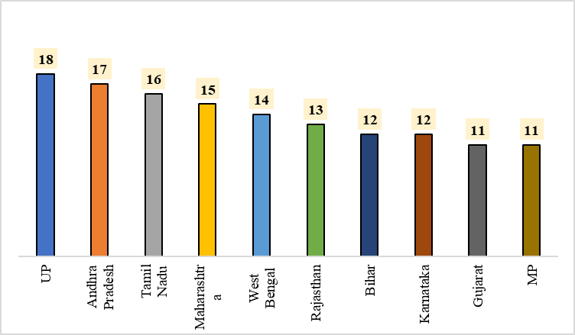
Chart VIII.22: Number of activities restricted for women across states
States | Number of Activities
UP | 18
Andhra Pradesh | 17
Tamil Nadu | 16
Maharashtra | 15
West Bengal | 14
Rajasthan | 13
Bihar | 12
Karnataka | 12
Gujarat | 11
MP | 11
Source: Singh (2023)

Chart VIII.23
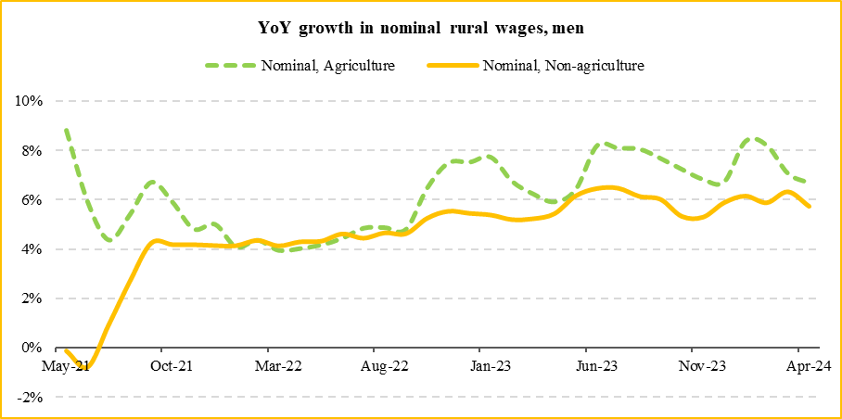
Chart VIII.23 (a): YoY growth in nominal rural wages, Men |  |  | Chart VIII.23 (b): YoY growth in real rural wages, Men
 | Nominal, Agriculture | Nominal, Non-agriculture |  | Real, Agriculture | Real, Non-agriculture
May-21 | 8.8% | -0.1% | May-21 | 2.1% | -6.3%
Jun-21 | 5.9% | -0.8% | Jun-21 | -0.2% | -6.5%
Jul-21 | 4.4% | 0.9% | Jul-21 | -1.1% | -4.3%
Aug-21 | 5.4% | 2.7% | Aug-21 | 0.1% | -2.4%
Sep-21 | 6.7% | 4.3% | Sep-21 | 2.5% | 0.1%
Oct-21 | 5.9% | 4.2% | Oct-21 | 1.8% | 0.1%
Nov-21 | 4.8% | 4.2% | Nov-21 | 0.5% | -0.1%
Dec-21 | 5.0% | 4.2% | Dec-21 | -0.3% | -1.1%
Jan-22 | 4.1% | 4.1% | Jan-22 | -1.9% | -1.9%
Feb-22 | 4.4% | 4.4% | Feb-22 | -1.9% | -1.9%
Mar-22 | 3.9% | 4.1% | Mar-22 | -3.5% | -3.3%
Apr-22 | 4.0% | 4.3% | Apr-22 | -4.0% | -3.8%
May-22 | 4.2% | 4.3% | May-22 | -2.7% | -2.5%
Jun-22 | 4.4% | 4.6% | Jun-22 | -2.5% | -2.3%
Jul-22 | 4.8% | 4.5% | Jul-22 | -1.8% | -2.2%
Aug-22 | 4.9% | 4.7% | Aug-22 | -2.1% | -2.3%
Sep-22 | 4.8% | 4.6% | Sep-22 | -2.6% | -2.7%
Oct-22 | 6.5% | 5.3% | Oct-22 | -0.5% | -1.6%
Nov-22 | 7.5% | 5.6% | Nov-22 | 1.3% | -0.5%
Dec-22 | 7.5% | 5.5% | Dec-22 | 1.4% | -0.5%
Jan-23 | 7.7% | 5.4% | Jan-23 | 0.8% | -1.4%
Feb-23 | 6.7% | 5.2% | Feb-23 | 0.0% | -1.4%
Mar-23 | 6.2% | 5.2% | Mar-23 | 0.7% | -0.3%
Apr-23 | 5.9% | 5.5% | Apr-23 | 1.2% | 0.7%
May-23 | 6.4% | 6.2% | May-23 | 2.1% | 1.9%
Jun-23 | 8.2% | 6.5% | Jun-23 | 3.3% | 1.6%
Jul-23 | 8.1% | 6.5% | Jul-23 | 0.4% | -1.1%
Aug-23 | 8.1% | 6.2% | Aug-23 | 1.0% | -0.8%
Sep-23 | 7.7% | 6.0% | Sep-23 | 2.2% | 0.7%
Oct-23 | 7.2% | 5.3% | Oct-23 | 2.0% | 0.2%
Nov-23 | 6.8% | 5.3% | Nov-23 | 1.9% | 0.5%
Dec-23 | 6.7% | 5.9% | Dec-23 | 0.8% | 0.0%
Jan-24 | 8.4% | 6.2% | Jan-24 | 2.9% | 0.8%
Feb-24 | 8.2% | 5.9% | Feb-24 | 2.7% | 0.5%
Mar-24 | 7.1% | 6.3% | Mar-24 | 1.5% | 0.8%
Apr-24 | 6.7% | 5.8% | Apr-24 | 1.2% | 0.3%
Source: Monthly Rural Wage Rates by Labour Bureau
Note: For calculating real wages, nominal wages are divided from CPI-Rural Labour

Chart VIII.24
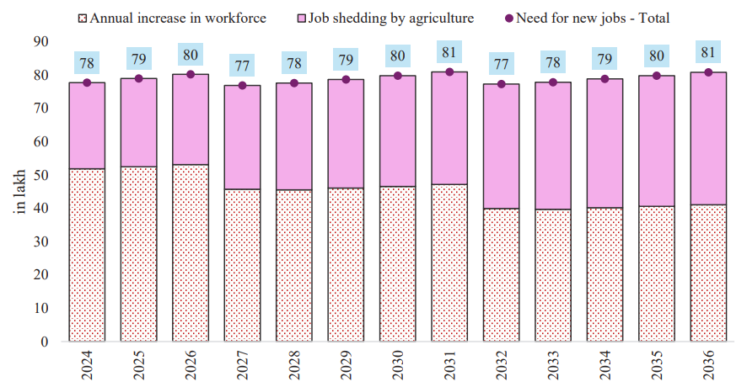
Chart VIII.24-Calculating Annual need for job creation until 2036, with rise in population as projected, rise in female workforce participation and job shedding by agriculture
(numbers in lakhs) | male population | female population | Annual rise in male population | Annual rise in female population | Male WPR (all ages) | Female WPR (all ages) | Annual increase in workforce | Total workforce (in lakh) | agricultural employment (in lakh) | share of agri | Job shedding by agriculture | Need for new jobs - Total
2023 | 7127 | 6744 | - | - | 0.544 | 0.27 | - | 5647 | 2587 | 45.8% | - | -
2024 | 7190 | 6807 | 63 | 63 | 0.544 | 0.28 | 52 | 5699 | 2561 | 44.9% | 26 | 78
2025 | 7253 | 6870 | 63 | 63 | 0.544 | 0.29 | 52 | 5752 | 2534 | 44.1% | 26 | 79
2026 | 7316 | 6933 | 63 | 63 | 0.544 | 0.30 | 53 | 5805 | 2507 | 43.2% | 27 | 80
2027 | 7369 | 6987 | 53 | 54 | 0.544 | 0.31 | 46 | 5851 | 2476 | 42.3% | 31 | 77
2028 | 7421 | 7041 | 52 | 54 | 0.544 | 0.32 | 46 | 5896 | 2444 | 41.5% | 32 | 78
2029 | 7473 | 7095 | 52 | 54 | 0.544 | 0.33 | 46 | 5942 | 2411 | 40.6% | 33 | 79
2030 | 7525 | 7148 | 52 | 54 | 0.544 | 0.34 | 47 | 5989 | 2378 | 39.7% | 33 | 80
2031 | 7577 | 7202 | 52 | 54 | 0.544 | 0.35 | 47 | 6036 | 2344 | 38.8% | 34 | 81
2032 | 7621 | 7246 | 44 | 45 | 0.544 | 0.36 | 40 | 6076 | 2307 | 38.0% | 37 | 77
2033 | 7664 | 7290 | 43 | 44 | 0.544 | 0.37 | 40 | 6115 | 2269 | 37.1% | 38 | 78
2034 | 7707 | 7334 | 43 | 44 | 0.544 | 0.38 | 40 | 6156 | 2230 | 36.2% | 39 | 79
2035 | 7750 | 7378 | 43 | 44 | 0.544 | 0.39 | 41 | 6196 | 2191 | 35.4% | 39 | 80
2036 | 7793 | 7422 | 43 | 44 | 0.544 | 0.40 | 41 | 6237 | 2151 | 34.5% | 40 | 81
Source: MoHFW population projections & PLFS
 |  |  |  |  |  | Assuming a one percentage point rise in female WPR every year post 2023 |  | Estimated separately by multiplying WPR (rural, urban, male, female) from PLFS with MoHFW's population projection. | Estimated by multiplying total employment by share of agriculture | initial share at 45.8% is from PLFS
 |  |  |  |  |  |  |  | Later numbers are estimated by multiplying overall male and female WPR with projected population |  | decline by 0.87 pp every year to reach one-fourth of employment in 2047

Chart VIII.25
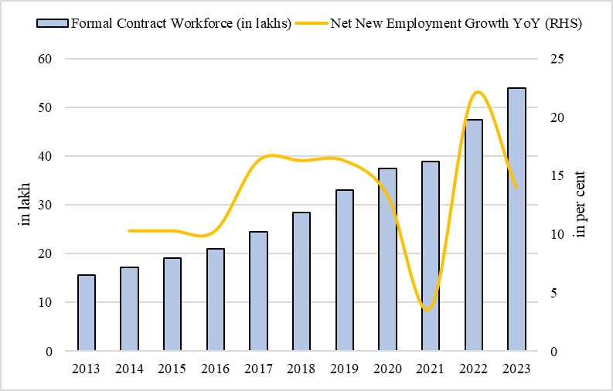
Chart VIII.25: Growth contract staffing workforce in past 10 years
Year | Formal Contract Workforce (numbers) | Net New Employment Growth (YoY) | Year | Formal Contract Workforce (in lakhs) | Net New Employment Growth YoY (RHS)
2013 | 1564000 |  | 2013 | 15.6
2014 | 1725000 | 10.3 | 2014 | 17.3 | 10.3
2015 | 1903040 | 10.3 | 2015 | 19.0 | 10.3
2016 | 2100000 | 10.3 | 2016 | 21.0 | 10.3
2017 | 2441500 | 16.3 | 2017 | 24.4 | 16.3
2018 | 2838500 | 16.3 | 2018 | 28.4 | 16.3
2019 | 3300000 | 16.3 | 2019 | 33.0 | 16.3
2020 | 3750000 | 13.36 | 2020 | 37.5 | 13.36
2021 | 3890000 | 3.7 | 2021 | 38.9 | 3.7
2022 | 4740000 | 21.9 | 2022 | 47.4 | 21.9
2023 | 5400000 | 14 | 2023 | 54.0 | 14
Source: Indian Staffing Federation

Chart VIII.26
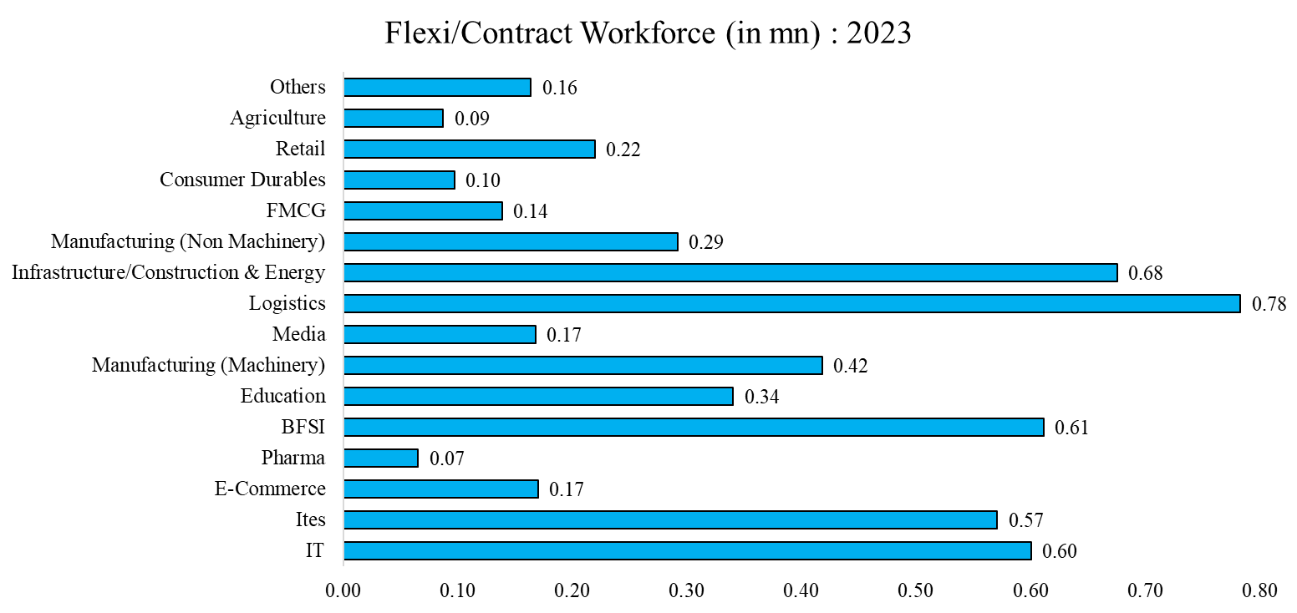
Chart VIII.26: Sectoral distribution of flexi workforce in 2023
Sectors | Flexi Contract workers in mn
IT | 0.60
ITES | 0.57
E-commerce | 0.17
Pharma | 0.07
BFSI | 0.61
Education | 0.34
Manufacturing (Machinery) | 0.42
Media | 0.17
Logistics | 0.78
Infrastructure/Construction & Energy | 0.68
Manufacturing (Non-machinery) | 0.29
FMCG | 0.14
Consumer Durables | 0.10
Retail | 0.22
Agriculture | 0.09
Others | 0.16
Source: Indian Staffing Federation

Chart VIII.27
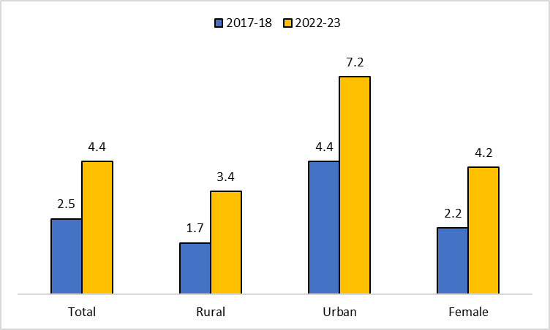
Chart VIII.28: Rise in the percentage of persons aged 15-29 years who received formal vocational/technical training
 | 2017-18 | 2022-23
Total | 2.5 | 4.4
Rural | 1.7 | 3.4
Urban | 4.4 | 7.2
Female | 2.2 | 4.2
Source: PLFS Annual Reports

Chart VIII.28
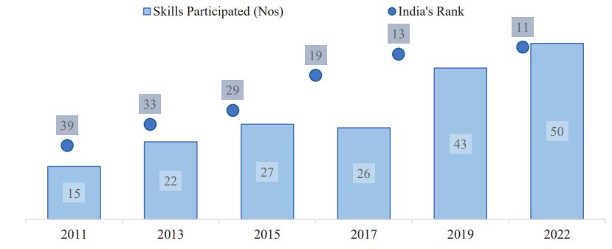
Chart VIII.29: India at WorldSkills competition
 | Skills Participated | India's Rank
2011 | 15 | 39
2013 | 22 | 33
2015 | 27 | 29
2017 | 26 | 19
2019 | 43 | 13
2022 | 50 | 11
Source: MSDE Annual Report 2022-23

