Chart IV.1
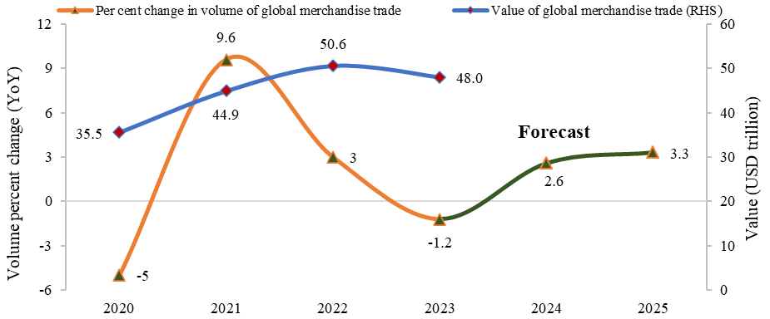
Chart IV.1: Growth in Global Merchandise Trade: Actual and Forecast
 | USD trillion | Per cent
 | Value of global merchandise trade (RHS) | Per cent change in volume of global merchandise trade
2020 | 35.5 | -5
2021 | 44.9 | 9.6
2022 | 50.6 | 3
2023 | 48.0 | -1.2
2024 |  | 2.6
2025 |  | 3.3
Source: WTO, UNCTAD (https://unctadstat.unctad.org/datacentre/dataviewer/US.TermsOfTrade) (https://www.wto.org/english/res_e/booksp_e/trade_outlook24_e.pdf)

Chart IV.2
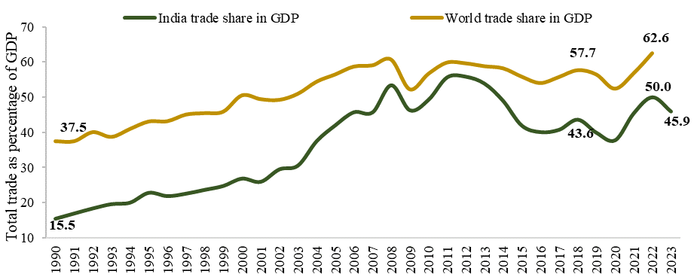
Chart IV.2: Rising trade openness indicator
 | Per cent of GDP
 | India trade share in GDP | World trade share in GDP
1990 | 15.5 | 37.5
1991 | 17.0 | 37.5
1992 | 18.4 | 40.1
1993 | 19.7 | 38.7
1994 | 20.1 | 41.0
1995 | 22.9 | 43.1
1996 | 21.9 | 43.2
1997 | 22.6 | 45.1
1998 | 23.7 | 45.5
1999 | 24.8 | 45.9
2000 | 26.9 | 50.5
2001 | 26.0 | 49.5
2002 | 29.5 | 49.3
2003 | 30.6 | 51.0
2004 | 37.5 | 54.4
2005 | 42.0 | 56.5
2006 | 45.7 | 58.7
2007 | 45.7 | 59.1
2008 | 53.4 | 60.7
2009 | 46.3 | 52.3
2010 | 49.3 | 56.7
2011 | 55.6 | 59.9
2012 | 55.8 | 59.7
2013 | 53.8 | 58.8
2014 | 48.9 | 58.3
2015 | 41.9 | 55.9
2016 | 40.1 | 54.1
2017 | 40.7 | 55.8
2018 | 43.6 | 57.7
2019 | 39.9 | 56.5
2020 | 37.8 | 52.4
2021 | 45.4 | 56.8
2022 | 50.0 | 62.6
2023 | 45.9
Source: World Bank database, MoSPI for India
Note: Data for World is as of 2022, and for India is as of 2023

Chart IV.3
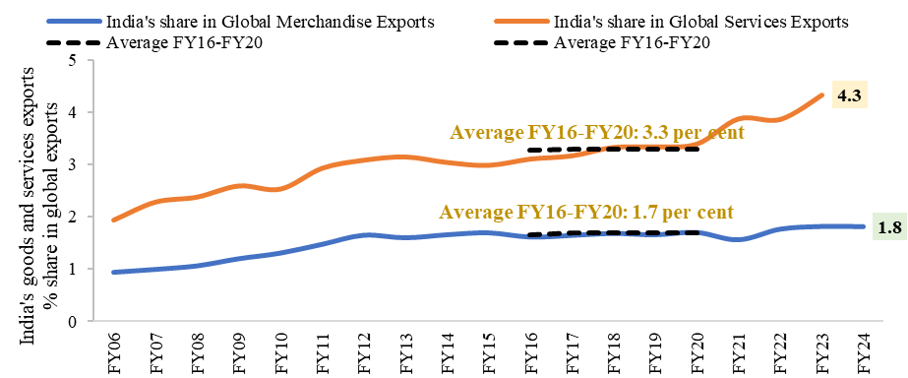
Chart IV.3: India’s rising share in global goods and services exports
 | Share in global exports (Per cent)
 | India's share in Global Merchandise Exports | India's share in Global Services Exports | Average FY16-FY20 | Average FY16-FY20
FY06 | 0.9 | 1.9
FY07 | 1.0 | 2.3
FY08 | 1.1 | 2.4
FY09 | 1.2 | 2.6
FY10 | 1.3 | 2.5
FY11 | 1.5 | 2.9
FY12 | 1.7 | 3.1
FY13 | 1.6 | 3.2
FY14 | 1.7 | 3.0
FY15 | 1.7 | 3.0
FY16 | 1.6 | 3.1 | 1.7 | 3.3
FY17 | 1.6 | 3.2 | 1.7 | 3.3
FY18 | 1.7 | 3.3 | 1.7 | 3.3
FY19 | 1.7 | 3.3 | 1.7 | 3.3
FY20 | 1.7 | 3.4 | 1.7 | 3.3
FY21 | 1.6 | 3.9
FY22 | 1.8 | 3.9
FY23 | 1.8 | 4.3
FY24 | 1.8
Source: UNCTAD (https://unctadstat.unctad.org/datacentre/dataviewer/US.TradeMerchTotal) (https://unctadstat.unctad.org/datacentre/dataviewer/US.TradeServCatTotal)

Chart IV.4
Chart IV.4: India’s Overall Trade Performance in last 10 years
 | Exports | Imports | Trade balance
 | USD billion
FY15 | 468.4 | 529.6 | -61.2
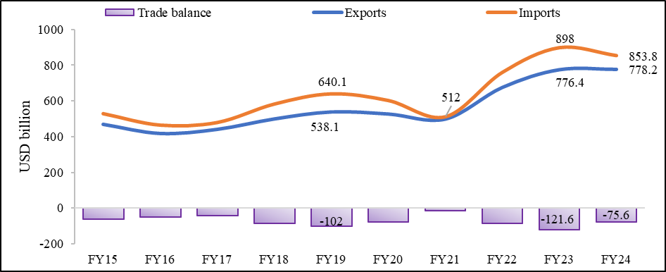
FY16 | 416.6 | 465.6 | -49
FY17 | 440 | 480.2 | -40.2
FY18 | 498.6 | 583.1 | -84.5
FY19 | 538.1 | 640.1 | -102
FY20 | 526.6 | 603 | -76.4
FY21 | 497.9 | 512 | -14.1
FY22 | 676.5 | 760.1 | -83.6
FY23 | 776.4 | 898 | -121.6
FY24 | 778.2 | 853.8 | -75.6
Source: Export Import Data Bank (Annual), Trade Statistics, Ministry of Commerce and Industry (https://tradestat.commerce.gov.in/eidb/default.asp) Source: India’s International Trade in Services, RBI (https://m.rbi.org.in/Scripts/Pr_DataRelease.aspx?SectionID=352&DateFilter=Year)

Chart IV.5
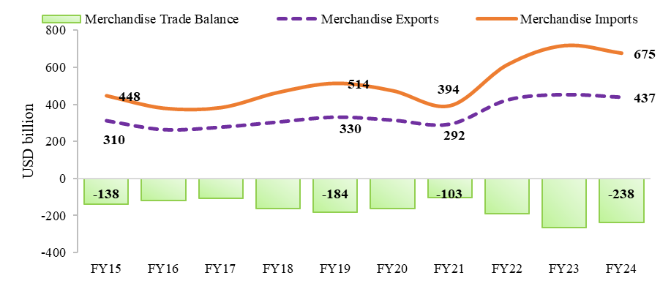
Chart IV.5: India’s merchandise trade performance
 | USD billion
 | Merchandise Exports | Merchandise Imports | Merchandise Trade Balance
FY15 | 310.3 | 448 | -137.7
FY16 | 262.3 | 381 | -118.7
FY17 | 275.9 | 384.4 | -108.5
FY18 | 303.5 | 465.6 | -162.1
FY19 | 330.1 | 514.1 | -184
FY20 | 313.4 | 474.7 | -161.3
FY21 | 291.8 | 394.4 | -102.6
FY22 | 422 | 613.1 | -191.1
FY23 | 451.1 | 716 | -264.9
FY24 | 437.1 | 675.4 | -238.3
Source: Export Import Data Bank (Annual), Trade Statistics, Ministry of Commerce and Industry (https://tradestat.commerce.gov.in/eidb/default.asp)

Chart IV.6
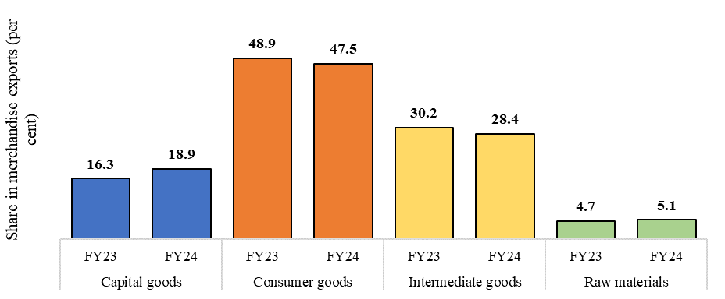
Chart IV.6: Composition of merchandise exports across various classifications
Share in merchandise exports (Per cent)
Capital goods | FY23 | 16.3
 | FY24 | 18.9
Consumer goods | FY23 | 48.9
 | FY24 | 47.5
Intermediate goods | FY23 | 30.2
 | FY24 | 28.4
Raw materials | FY23 | 4.7
 | FY24 | 5.1
Source: DGCI&S

Chart IV.7
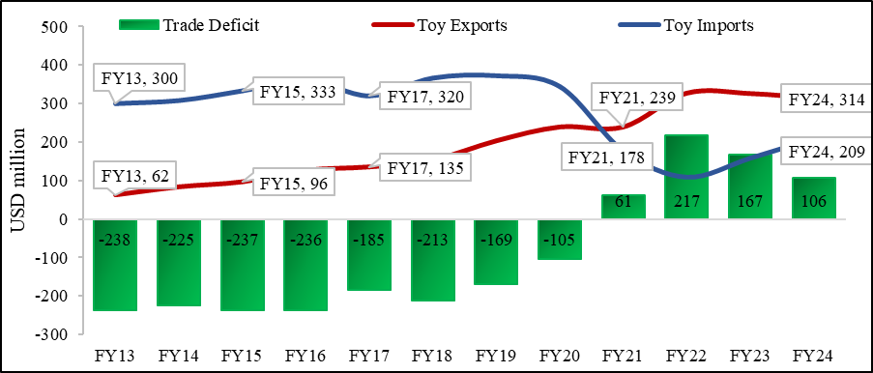
Chart IV.7: Trend in India’s exports and imports of toys
 | USD million
 | Toy Exports | Toy Imports | Trade Deficit
FY13 | 62 | 300 | -238
FY14 | 83 | 308 | -225
FY15 | 96 | 333 | -237
FY16 | 126 | 362 | -236
FY17 | 135 | 320 | -185
FY18 | 153 | 366 | -213
FY19 | 203 | 372 | -169
FY20 | 239 | 344 | -105
FY21 | 239 | 178 | 61
FY22 | 327 | 110 | 217
FY23 | 326 | 159 | 167
FY24 | 314 | 209 | 106
Source: Export Import Data Bank (Annual), Trade Statistics, Ministry of Commerce and Industry (https://tradestat.commerce.gov.in/eidb/default.asp)

Chart IV.8
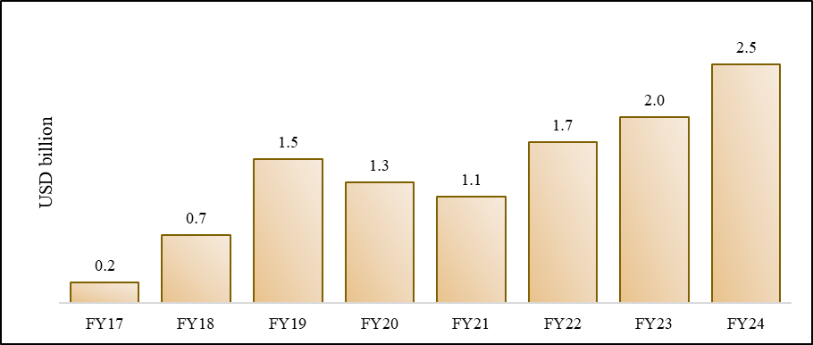
Chart IV.8: Rising Defence Exports
 | USD billion
 | Defence Exports
FY17 | 0.23
FY18 | 0.73
FY19 | 1.54
FY20 | 1.29
FY21 | 1.14
FY22 | 1.72
FY23 | 1.98
FY24 | 2.55
Source: Ministry of Defence (https://mod.gov.in/sites/default/files/E-%20BOOK_English_021123.pdf)

Chart IV.9
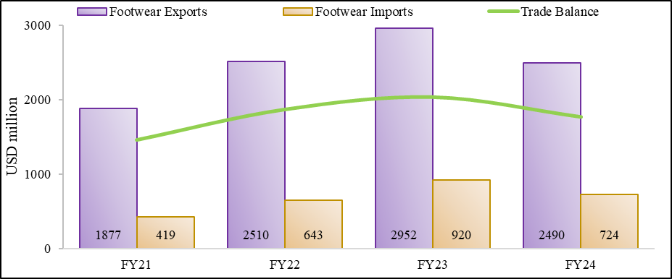
Chart IV.9: Trend in footwear exports
 | USD million
 | Footwear Exports | Footwear Imports | Trade Balance
FY21 | 1877 | 419 | 1458
FY22 | 2510 | 643 | 1867
FY23 | 2952 | 920 | 2032
FY24 | 2490 | 724 | 1766
Source: Export Import Data Bank (Annual), Trade Statistics, Ministry of Commerce and Industry (https://tradestat.commerce.gov.in/eidb/default.asp)

Chart IV.10
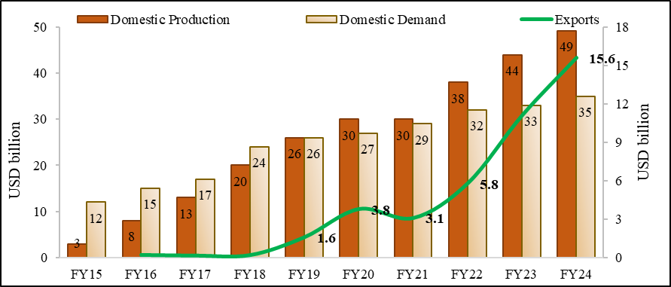
Chart IV.10: Rising domestic production, domestic demand and exports of smartphones
 | USD billion
 | Domestic Production | Domestic Demand | Exports (RHS)
FY15 | 3 | 12
FY16 | 8 | 15 | 0.22
FY17 | 13 | 17 | 0.17
FY18 | 20 | 24 | 0.21
FY19 | 26 | 26 | 1.6
FY20 | 30 | 27 | 3.8
FY21 | 30 | 29 | 3.1
FY22 | 38 | 32 | 5.8
FY23 | 44 | 33 | 11.1
FY24 | 49 | 35 | 15.6
Source: ICEA, Export Import Data Bank (Annual), Trade Statistics, Ministry of Commerce and Industry (https://tradestat.commerce.gov.in/eidb/default.asp)

Chart IV.11
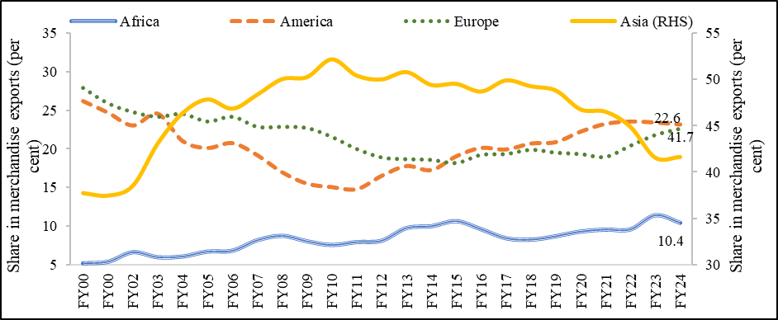
Chart IV.11: India’s export destination
 | Share in merchandise exports (Per cent)
Year | Africa | America | Europe | Asia (RHS)
FY00 | 5.2 | 26.2 | 27.9 | 37.8
FY00 | 5.4 | 24.7 | 25.9 | 37.5
FY02 | 6.6 | 23.0 | 24.8 | 38.5
FY03 | 5.9 | 24.5 | 24.2 | 43.1
FY04 | 6.0 | 21.0 | 24.5 | 46.4
FY05 | 6.7 | 20.1 | 23.6 | 47.9
FY06 | 6.8 | 20.7 | 24.2 | 46.9
FY07 | 8.1 | 19.2 | 22.9 | 48.4
FY08 | 8.7 | 17.0 | 22.9 | 50.1
FY09 | 8.0 | 15.5 | 22.7 | 50.3
FY10 | 7.5 | 15.0 | 21.6 | 52.2
FY11 | 7.9 | 14.8 | 20.0 | 50.4
FY12 | 8.1 | 16.5 | 18.9 | 50.0
FY13 | 9.7 | 17.8 | 18.7 | 50.8
FY14 | 9.9 | 17.2 | 18.6 | 49.4
FY15 | 10.6 | 19.0 | 18.2 | 49.6
FY16 | 9.5 | 20.1 | 19.2 | 48.7
FY17 | 8.4 | 19.9 | 19.3 | 49.9
FY18 | 8.2 | 20.7 | 19.9 | 49.3
FY19 | 8.6 | 20.9 | 19.5 | 48.8
FY20 | 9.3 | 22.2 | 19.3 | 46.8
FY21 | 9.5 | 23.2 | 19.0 | 46.5
FY22 | 9.5 | 23.5 | 20.4 | 44.9
FY23 | 11.4 | 23.4 | 21.8 | 41.6
FY24 | 10.4 | 23.2 | 22.6 | 41.7
Source: Export Import Data Bank (Annual), Trade Statistics, Ministry of Commerce and Industry (https://tradestat.commerce.gov.in/eidb/default.asp)

Chart IV.12
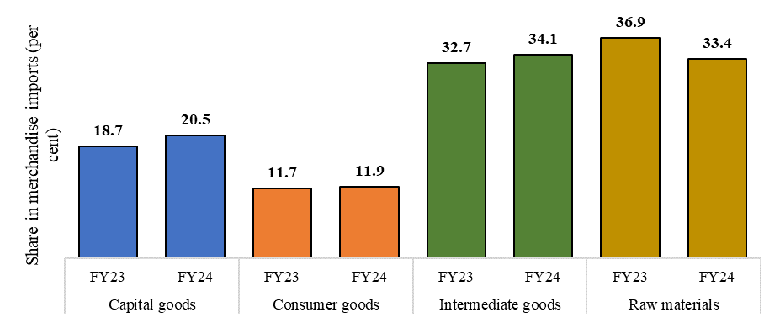
Chart IV.12: Composition of merchandise imports across various classifications
Share in merchandise imports (Per cent)
Capital goods | FY23 | 18.7
 | FY24 | 20.5
Consumer goods | FY23 | 11.7
 | FY24 | 11.9
Intermediate goods | FY23 | 32.7
 | FY24 | 34.1
Raw materials | FY23 | 36.9
 | FY24 | 33.4
Source: DGCI&S

Chart IV.13
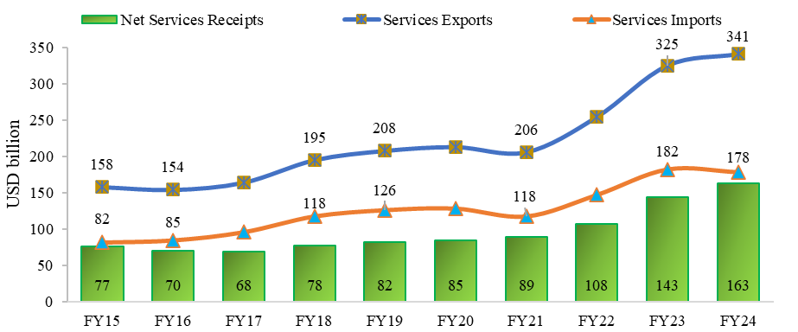
Chart IV.13: Remarkable performance of India’s Services Trade in the last ten years
 | USD billion
 | Services Exports | Services Imports | Net Services Receipts
FY15 | 158.1 | 81.6 | 76.5
FY16 | 154.3 | 84.6 | 69.7
FY17 | 164.3 | 95.9 | 68.4
FY18 | 195.1 | 117.5 | 77.6
FY19 | 208 | 126.1 | 81.9
FY20 | 213.2 | 128.3 | 84.9
FY21 | 206.1 | 117.5 | 88.6
FY22 | 254.5 | 147 | 107.5
FY23 | 325.3 | 182 | 143.3
FY24 | 341.1 | 178.3 | 162.8
Source: India’s International Trade in Services, RBI (https://m.rbi.org.in/Scripts/Pr_DataRelease.aspx?SectionID=352&DateFilter=Year)

Chart IV.14
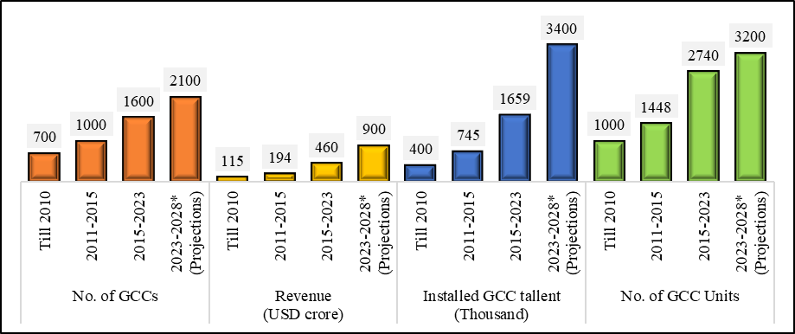
Chart IV.14:Remarkable growth of GCCs in India
No. of GCCs | Till 2010 | 700
 | 2011-2015 | 1000
 | 2015-2023 | 1600
 | 2023-2028* (Projections) | 2100
Revenue (USD crore) | Till 2010 | 115
 | 2011-2015 | 194
 | 2015-2023 | 460
 | 2023-2028* (Projections) | 900
Installed GCC tallent (Thousand) | Till 2010 | 400
 | 2011-2015 | 745
 | 2015-2023 | 1659
 | 2023-2028* (Projections) | 3400
No. of GCC Units | Till 2010 | 1000
 | 2011-2015 | 1448
 | 2015-2023 | 2740
 | 2023-2028* (Projections) | 3200
Source: Report by NASSCOM and Zinnov, June 2023, ‘GCC 4.0: India Redefining the Globalisation Blueprint’

Chart IV.15
Chart IV.15: Rising share of GVC-related trade in gross trade
 | USD billion |  | Per cent of Gross trade
 | GVC related Trade | Traditional Trade | GVC related Trade as % of Gross Trade (RHS) | Traditional Trade as % of Gross Trade (RHS)
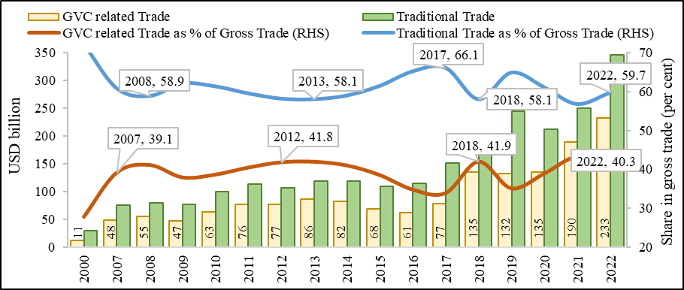
2000 | 11,337 | 29,447 | 27.8 | 72.2
2007 | 48,379 | 75,212 | 39.1 | 60.9
2008 | 55,025 | 78,835 | 41.1 | 58.9
2009 | 47,246 | 77,379 | 37.9 | 62.1
2010 | 62,902 | 99,899 | 38.6 | 61.4
2011 | 76,493 | 112,652 | 40.4 | 59.6
2012 | 76,911 | 107,105 | 41.8 | 58.2
2013 | 85,662 | 118,620 | 41.9 | 58.1
2014 | 82,016 | 118,148 | 41.0 | 59.0
2015 | 68,013 | 108,602 | 38.5 | 61.5
2016 | 61,194 | 114,733 | 34.8 | 65.2
2017 | 77,445 | 151,073 | 33.9 | 66.1
2018 | 135,076 | 186,942 | 41.9 | 58.1
2019 | 132,432 | 244,745 | 35.1 | 64.9
2020 | 135,052 | 212,139 | 38.9 | 61.1
2021 | 189,519 | 249,431 | 43.2 | 56.8
2022 | 233,071 | 345,749 | 40.3 | 59.7
Source: WTO WITS database (https://wits.worldbank.org/gvc/gvc-output-table.html)

Chart IV.16
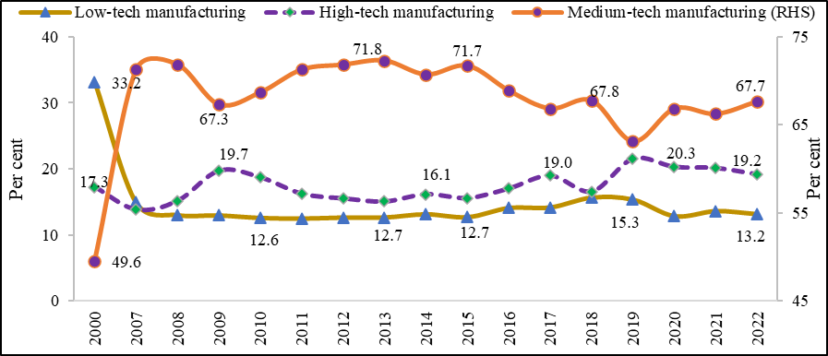
Chart IV.16: Share of different manufacturing sub-sectors in GVC-related trade
 | Per cent
 | Low-tech manufacturing | Medium-tech manufacturing (RHS) | High-tech manufacturing
2000 | 33.2 | 49.6 | 17.3
2007 | 14.9 | 71.3 | 13.8
2008 | 13.0 | 71.9 | 15.1
2009 | 13.0 | 67.3 | 19.7
2010 | 12.6 | 68.7 | 18.7
2011 | 12.5 | 71.3 | 16.2
2012 | 12.6 | 71.8 | 15.5
2013 | 12.7 | 72.3 | 15.0
2014 | 13.1 | 70.7 | 16.1
2015 | 12.7 | 71.7 | 15.6
2016 | 14.1 | 68.9 | 17.0
2017 | 14.2 | 66.9 | 19.0
2018 | 15.7 | 67.8 | 16.6
2019 | 15.3 | 63.1 | 21.5
2020 | 12.8 | 66.9 | 20.3
2021 | 13.6 | 66.2 | 20.1
2022 | 13.2 | 67.7 | 19.2
Source: World Integrated Trade Solution (WITS) (https://wits.worldbank.org/gvc/gvc-output-table.html)

Chart IV.17
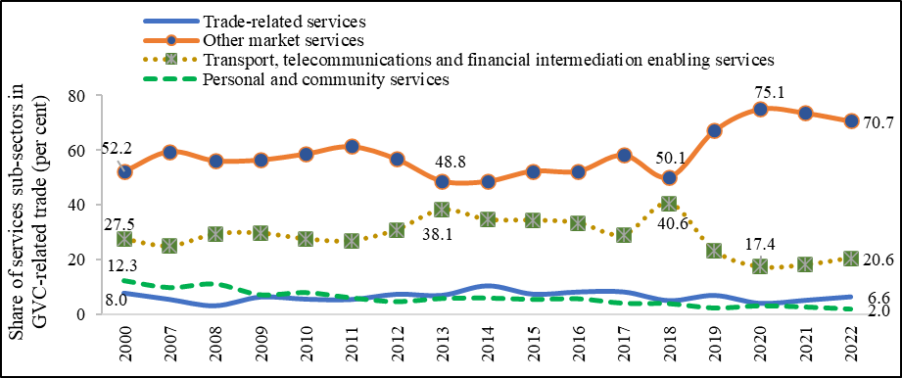
Chart IV.17: Share of different services sub-sectors in GVC-related trade
 | Per cent
 | Trade-related services | Other market services | Transport, telecommunications and financial intermediation enabling services | Personal and community services
2000 | 8.0 | 52.2 | 27.5 | 12.3
2007 | 5.7 | 59.6 | 25.0 | 9.8
2008 | 3.4 | 56.2 | 29.3 | 11.1
2009 | 6.5 | 56.5 | 29.7 | 7.2
2010 | 5.8 | 58.7 | 27.5 | 8.0
2011 | 5.6 | 61.4 | 26.9 | 6.1
2012 | 7.6 | 56.8 | 30.9 | 4.7
2013 | 7.2 | 48.8 | 38.1 | 5.8
2014 | 10.7 | 48.6 | 34.6 | 6.0
2015 | 7.6 | 52.4 | 34.4 | 5.5
2016 | 8.4 | 52.4 | 33.4 | 5.7
2017 | 8.4 | 58.3 | 29.1 | 4.1
2018 | 5.2 | 50.1 | 40.6 | 3.9
2019 | 7.2 | 67.2 | 23.2 | 2.4
2020 | 4.3 | 75.1 | 17.4 | 3.2
2021 | 5.4 | 73.7 | 18.1 | 2.8
2022 | 6.6 | 70.7 | 20.6 | 2.0
Source: World Integrated Trade Solution (WITS) (https://wits.worldbank.org/gvc/gvc-output-table.html)

Chart IV.18
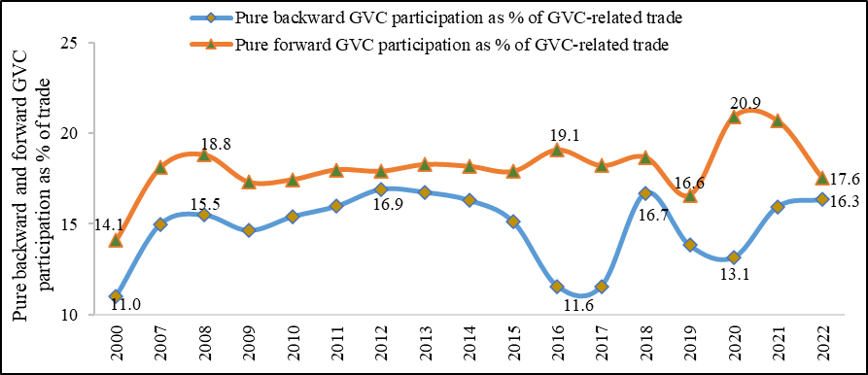
Chart IV.18: Rise in the share of pure backward GVC participation
 | Per cent
 | Pure backward GVC participation as % of GVC-related trade | Pure forward GVC participation as % of GVC-related trade
2000 | 11.0 | 14.1
2007 | 15.0 | 18.1
2008 | 15.5 | 18.8
2009 | 14.6 | 17.3
2010 | 15.4 | 17.5
2011 | 16.0 | 18.0
2012 | 16.9 | 17.9
2013 | 16.7 | 18.3
2014 | 16.3 | 18.2
2015 | 15.1 | 17.9
2016 | 11.6 | 19.1
2017 | 11.6 | 18.2
2018 | 16.7 | 18.7
2019 | 13.8 | 16.6
2020 | 13.1 | 20.9
2021 | 16.0 | 20.7
2022 | 16.3 | 17.6
Source: World Integrated Trade Solution (WITS) ((https://wits.worldbank.org/gvc/gvc-output-table.html)

Chart IV.19
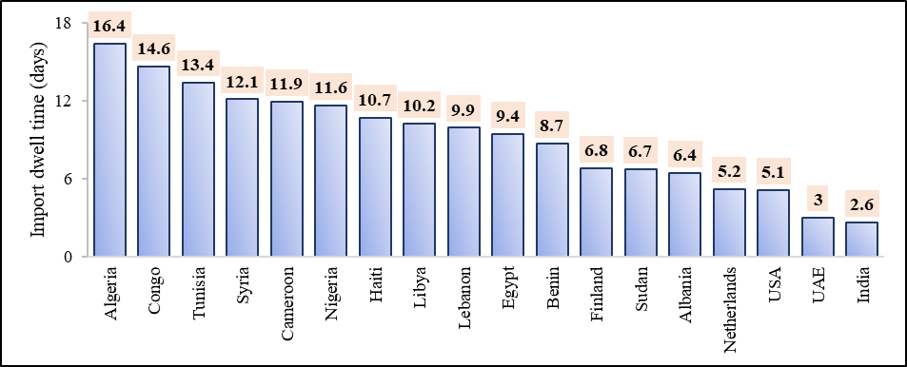
Chart IV.19: Decline in dwell time for India
 | Number of Days
Algeria | 16.4
Congo | 14.6
Tunisia | 13.4
Syria | 12.1
Cameroon | 11.9
Nigeria | 11.6
Haiti | 10.7
Libya | 10.2
Lebanon | 9.9
Egypt | 9.4
Benin | 8.7
Finland | 6.8
Sudan | 6.7
Albania | 6.4
Netherlands | 5.2
USA | 5.1
UAE | 3
India | 2.6
Source: World Bank Logistics Performance Report: 2023 (https://lpi.worldbank.org/sites/default/files/2023-04/LPI_2023_report_with_layout.pdf)

Chart IV.20
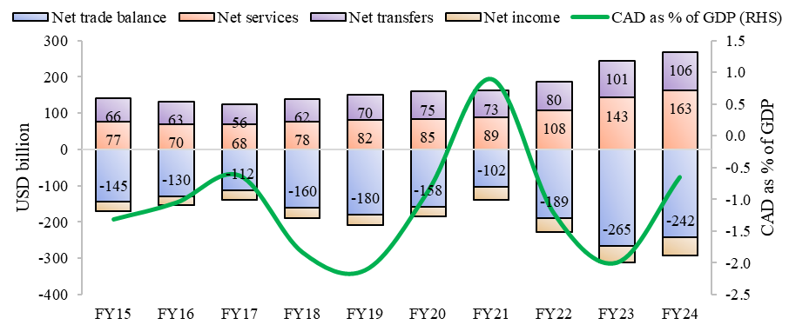
Chart IV.20: Improvement in CAD during Apr-Dec FY24
 | USD billion |  |  |  | Per cent of GDP
 | Net trade balance | Net services | Net transfers | Net income | CAD as % of GDP (RHS)
FY15 | -144.9 | 76.5 | 65.7 | -24.1 | -1.3
FY16 | -130.1 | 69.7 | 62.6 | -24.4 | -1.1
FY17 | -112.4 | 68.3 | 56.0 | -26.3 | -0.6
FY18 | -160.0 | 77.6 | 62.4 | -28.7 | -1.8
FY19 | -180.3 | 81.9 | 69.9 | -28.9 | -2.1
FY20 | -157.5 | 84.9 | 75.2 | -27.3 | -0.9
FY21 | -102.2 | 88.6 | 73.5 | -36.0 | 0.9
FY22 | -189.5 | 107.5 | 80.4 | -37.3 | -1.2
FY23 | -265.3 | 143.3 | 100.9 | -45.9 | -2.0
FY24 | -242.1 | 162.8 | 105.8 | -49.8 | -0.7
Source: Table No. 196, ‘India’s Overall Balance of Payments-Quarterly-USD Dollars’, External Sector, Handbook of Statistics on the Indian Economy, RBI (https://cimsdbie.rbi.org.in/BOE/OpenDocument/2311211338/OpenDocument/opendoc/openDocument.jsp?logonSuccessful=true&shareId=0)

Chart IV.21
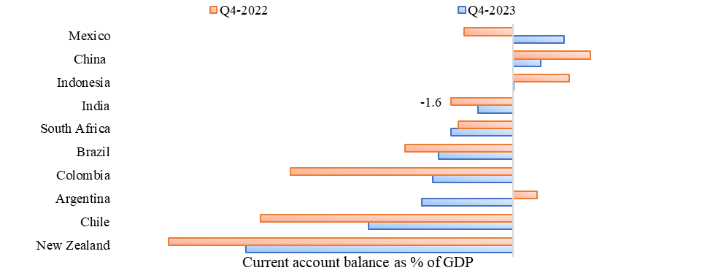
Chart IV.21: Current account balance as a percentage of GDP: India vs select countries
 | Per cent of GDP
 | Q4-2023 | Q4-2022
New Zealand | -6.8 | -8.8
Chile | -3.7 | -6.5
Argentina | -2.3 | 0.6
Colombia | -2.1 | -5.7
Brazil | -1.9 | -2.8
South Africa | -1.6 | -1.4
India | -0.9 | -1.6
Indonesia | 0.0 | 1.4
China | 0.7 | 2.0
Mexico | 1.3 | -1.3
Source : OECD Economic Outlook 115 database (https://stats.oecd.org/index.aspx?DataSetCode=EO)

Chart IV.22
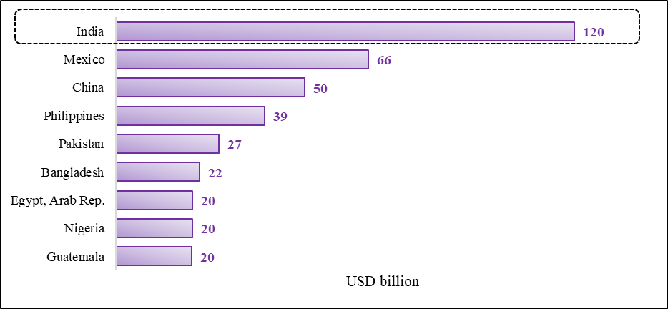
Chart IV.22: India emerged as the top remittance recipient in the World in 2023
 | USD billion
 | Remittance inflows in 2023
Ukraine | 15
Guatemala | 20
Nigeria | 20
Egypt, Arab Rep. | 20
Bangladesh | 22
Pakistan | 27
Philippines | 39
China | 50
Mexico | 66
India | 120
Source : World Bank (https://www.worldbank.org/en/news/press-release/2023/12/18/remittance-flows-grow-2023-slower-pace-migration-development-brief#:~:text=The%20top%20five%20remittance%20recipient,and%20Egypt%20(%2424%20billion).

Chart IV.23
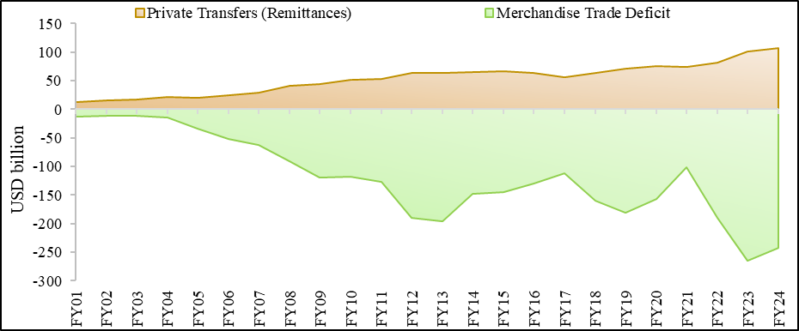
Chart IV.23: Higher remittances offsetting the goods trade deficit and stabilising CAD
 | USD billion
Year | Private Transfers (Remittances) | Merchandise Trade Deficit
FY01 | 12,854 | -12,460
FY02 | 15,398 | -11,574
FY03 | 16,387 | -10,690
FY04 | 21,608 | -13,718
FY05 | 20,525 | -33,702
FY06 | 24,493 | -51,904
FY07 | 29,825 | -61,782
FY08 | 41,707 | -91,468
FY09 | 44,567 | -119,519
FY10 | 51,791 | -118,203
FY11 | 53,125 | -127,322
FY12 | 63,469 | -189,759
FY13 | 64,342 | -195,656
FY14 | 65,481 | -147,609
FY15 | 66,264 | -144,940
FY16 | 63,139 | -130,079
FY17 | 56,573 | -112,442
FY18 | 62,949 | -160,036
FY19 | 70,601 | -180,283
FY20 | 76,217 | -157,506
FY21 | 74,439 | -102,152
FY22 | 81,230 | -189,459
FY23 | 101,776 | -265,291
FY24 | 106600 | -242100
Source: Table No. 196, ‘India’s Overall Balance of Payments-Quarterly-USD Dollars’, External Sector, Handbook of Statistics on the Indian Economy, RBI (https://cimsdbie.rbi.org.in/BOE/OpenDocument/2311211338/OpenDocument/opendoc/openDocument.jsp?logonSuccessful=true&shareId=0) Table No. 192, ‘India’s Foreign Trade-USD Dollars’, External Sector, Handbook of Statistics on the Indian Economy, RBI (https://cimsdbie.rbi.org.in/BOE/OpenDocument/2311211338/OpenDocument/opendoc/openDocument.jsp?logonSuccessful=true&shareId=1) Note: Private transfers are assumed as remittances in BoP data released by RBI Data for Private Transfers is from April to December for FY24

Chart IV.24
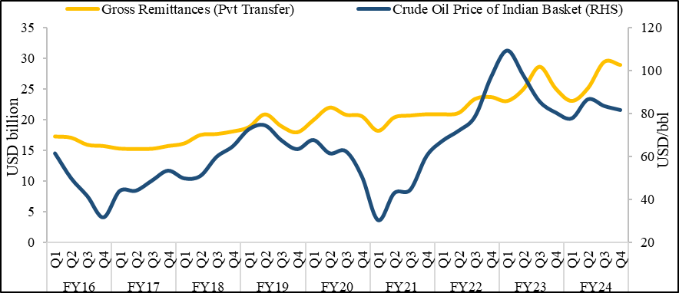
Chart IV.24: Association between gross remittances and crude oil price of Indian Basket
 |  | USD billion | USD/bbl
Year | Quarter | Gross Remittances (Pvt Transfer) | Crude Oil Price of Indian Basket (RHS)
FY16 | Q1 | 17.3 | 61.5
 | Q2 | 17.1 | 49.9
 | Q3 | 15.9 | 41.6
 | Q4 | 15.7 | 31.7
FY17 | Q1 | 15.3 | 43.9
 | Q2 | 15.2 | 44.1
 | Q3 | 15.3 | 48.8
 | Q4 | 15.7 | 53.5
FY18 | Q1 | 16.1 | 49.9
 | Q2 | 17.5 | 51.0
 | Q3 | 17.7 | 59.9
 | Q4 | 18.1 | 64.8
FY19 | Q1 | 18.8 | 72.8
 | Q2 | 20.9 | 74.6
 | Q3 | 19.0 | 67.8
 | Q4 | 18.0 | 63.5
FY20 | Q1 | 20.0 | 67.8
 | Q2 | 22.0 | 61.6
 | Q3 | 20.8 | 62.6
 | Q4 | 20.6 | 50.8
FY21 | Q1 | 18.2 | 30.4
 | Q2 | 20.4 | 43.0
 | Q3 | 20.7 | 44.6
 | Q4 | 20.9 | 60.2
FY22 | Q1 | 20.9 | 67.4
 | Q2 | 21.1 | 72.2
 | Q3 | 23.4 | 78.7
 | Q4 | 23.7 | 97.2
FY23 | Q1 | 23.1 | 109.5 | 23,065
 | Q2 | 25.0 | 97.9 | 24,991
 | Q3 | 28.6 | 85.8 | 28,641
 | Q4 | 25.1 | 80.6 | 25,080
FY24 | Q1 | 23.1 | 77.9 | 23,073
 | Q2 | 25.2 | 86.8 | 25,170
 | Q3 | 29.4 | 83.7 | 29,438
 | Q4 | 28.9 | 81.8 | 28,950
Source: Table No. 196, ‘India’s Overall Balance of Payments-Quarterly-USD Dollars’, External Sector, Handbook of Statistics on the Indian Economy, RBI (https://cimsdbie.rbi.org.in/BOE/OpenDocument/2311211338/OpenDocument/opendoc/openDocument.jsp?logonSuccessful=true&shareId=0) Crude Oil FOB Price (Indian Basket), Petroleum Planning and Analysis Cell (PPAC) (https://ppac.gov.in/prices/international-prices-of-crude-oil) Note: Data for Private Transfers is from April to December for FY24

Chart IV.25
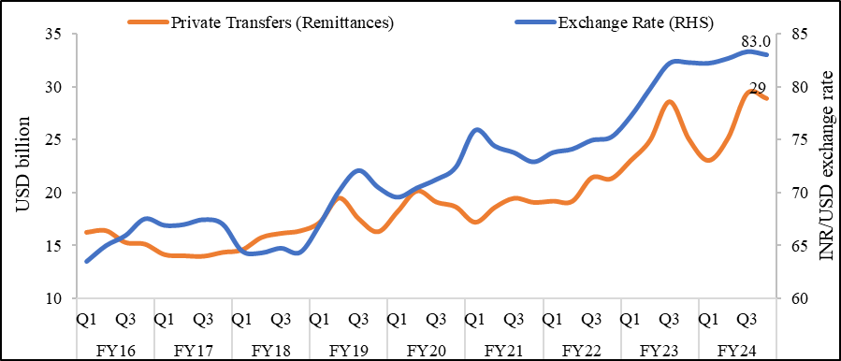
Chart IV.25: Positive association of INR/USD and Remittances
 |  | INR/USD | USD billion
Year | Quarter | Exchange Rate (RHS) | Private Transfers (Remittances)
FY16 | Q1 | 63.5 | 16,267
 | Q2 | 65.0 | 16,421
 | Q3 | 65.9 | 15,305
 | Q4 | 67.5 | 15,146
FY17 | Q1 | 66.9 | 14,161
 | Q2 | 67.0 | 14,048
 | Q3 | 67.4 | 13,996
 | Q4 | 67.0 | 14,368
FY18 | Q1 | 64.5 | 14,603
 | Q2 | 64.3 | 15,776
 | Q3 | 64.7 | 16,167
 | Q4 | 64.3 | 16,402
FY19 | Q1 | 67.0 | 17,216
 | Q2 | 70.2 | 19,511
 | Q3 | 72.1 | 17,558
 | Q4 | 70.5 | 16,317
FY20 | Q1 | 69.5 | 18,224
 | Q2 | 70.4 | 20,188
 | Q3 | 71.2 | 19,132
 | Q4 | 72.4 | 18,673
FY21 | Q1 | 75.9 | 17,217
 | Q2 | 74.4 | 18,619
 | Q3 | 73.8 | 19,494
 | Q4 | 72.9 | 19,108
FY22 | Q1 | 73.8 | 19,222
 | Q2 | 74.1 | 19,212
 | Q3 | 74.9 | 21,447
 | Q4 | 75.2 | 21,350
FY23 | Q1 | 77.2 | 23,065
 | Q2 | 79.8 | 24,991
 | Q3 | 82.2 | 28,641
 | Q4 | 82.3 | 25,080
FY24 | Q1 | 82.2 | 23,073
 | Q2 | 82.7 | 25,170
 | Q3 | 83.3 | 29,438
 | Q4 | 83.0 | 28,950
Source: Table No. 196, ‘India’s Overall Balance of Payments-Quarterly-USD Dollars’, External Sector, Handbook of Statistics on the Indian Economy, RBI (https://cimsdbie.rbi.org.in/BOE/OpenDocument/2311211338/OpenDocument/opendoc/openDocument.jsp?logonSuccessful=true&shareId=0) Table No. 200, ‘Exchange Rate of the Indian rupee vis-à-vis the SDR, US Dollar, Pound Sterling, Euro and Japanese Yen, External Sector, Handbook of Statistics on the Indian Economy, RBI (https://cimsdbie.rbi.org.in/BOE/OpenDocument/2311211338/OpenDocument/opendoc/openDocument.jsp?logonSuccessful=true&shareId=2)

Chart IV.26a
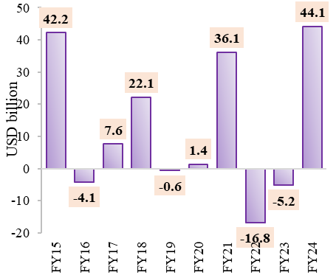
Chart IV.26a: Net FPI inflows into India
 | USD billion
Year | FPI
FY15 | 42,205
FY16 | -4,130
FY17 | 7,612
FY18 | 22,115
FY19 | -618
FY20 | 1,403
FY21 | 36,137
FY22 | -16,777
FY23 | -5,152
FY24 | 44,081
Source: Balance of Payments statistcs, RBI

Chart IV.26b
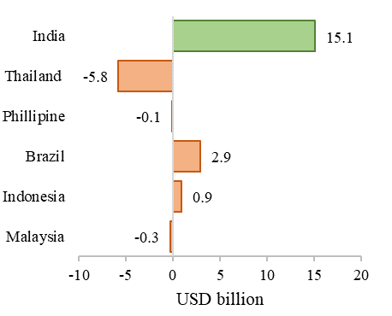
Chart IV.26b: Net Equity inflows among emerging market peers during FY24
 | USD billion
 | Net equity inflows
Malaysia | -278
Indonesia | 887
Brazil | 2913
Phillipines | -80
Thailand | -5787
India | 15106
Source: Bloomberg

Chart IV.27a
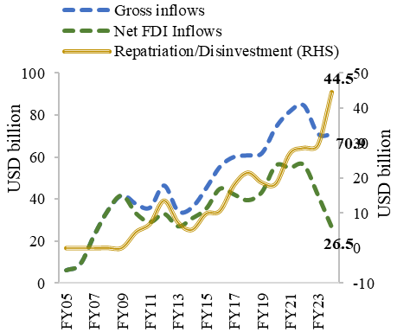
Chart IV.27a: Moderation in net FDI inflows in FY24 owing to a rise in repatriation
 | USD billion
Year | Gross inflows | Repatriation/Disinvestment (RHS) | Net FDI Inflows
FY05 | 6.1 | 0.1 | 6.0
FY06 | 9.0 | 0.1 | 8.9
FY07 | 22.8 | 0.1 | 22.7
FY08 | 34.8 | 0.1 | 34.7
FY09 | 41.9 | 0.2 | 41.7
FY10 | 37.7 | 4.6 | 33.1
FY11 | 36.0 | 7.0 | 29.0
FY12 | 46.6 | 13.6 | 33.0
FY13 | 34.3 | 7.3 | 27.0
FY14 | 36.0 | 5.3 | 30.8
FY15 | 45.1 | 9.9 | 35.3
FY16 | 55.6 | 10.7 | 44.9
FY17 | 60.2 | 18.0 | 42.2
FY18 | 61.0 | 21.5 | 39.4
FY19 | 62.0 | 18.7 | 43.3
FY20 | 74.4 | 18.4 | 56.0
FY21 | 82.0 | 27.0 | 54.9
FY22 | 84.8 | 28.6 | 56.2
FY23 | 71.4 | 29.3 | 42.0
FY24 | 70.9 | 44.5 | 26.5
Source: RBI Balance of Payments statistics

Chart IV.27b
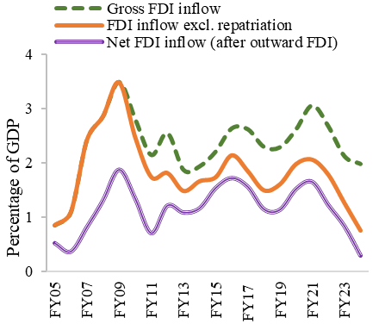
Chart IV.27b: Decline in net FDI inflows as per cent of GDP
 | Per cent of GDP
Year | Gross FDI inflow | FDI inflow excl. repatriation | Net FDI inflow (after outward FDI)
FY05 | 0.9 | 0.8 | 0.5
FY06 | 1.1 | 1.1 | 0.4
FY07 | 2.4 | 2.4 | 0.8
FY08 | 2.9 | 2.9 | 1.3
FY09 | 3.5 | 3.5 | 1.9
FY10 | 2.8 | 2.5 | 1.3
FY11 | 2.2 | 1.7 | 0.7
FY12 | 2.6 | 1.8 | 1.2
FY13 | 1.9 | 1.5 | 1.1
FY14 | 1.9 | 1.7 | 1.2
FY15 | 2.2 | 1.7 | 1.5
FY16 | 2.6 | 2.1 | 1.7
FY17 | 2.6 | 1.8 | 1.6
FY18 | 2.3 | 1.5 | 1.1
FY19 | 2.3 | 1.6 | 1.1
FY20 | 2.6 | 2.0 | 1.5
FY21 | 3.1 | 2.1 | 1.6
FY22 | 2.7 | 1.8 | 1.2
FY23 | 2.1 | 1.3 | 0.8
FY24 | 2.0 | 0.7 | 0.3
Source: RBI Balance of Payments Statistics, MoSPI

Chart IV.28
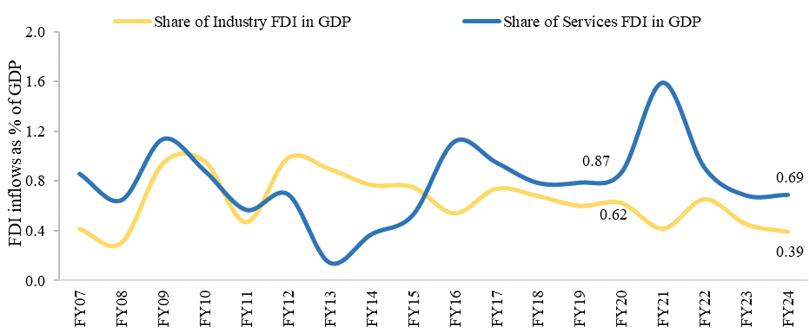
Chart IV.28: Trend in FDI equity inflows to both Industry and Services
 | Per cent of GDP
Year | Share of Industry FDI in GDP | Share of Services FDI in GDP
FY07 | 0.41 | 0.86
FY08 | 0.30 | 0.64
FY09 | 0.94 | 1.14
FY10 | 0.96 | 0.88
FY11 | 0.47 | 0.57
FY12 | 0.98 | 0.69
FY13 | 0.90 | 0.14
FY14 | 0.77 | 0.37
FY15 | 0.75 | 0.53
FY16 | 0.54 | 1.12
FY17 | 0.74 | 0.95
FY18 | 0.68 | 0.79
FY19 | 0.60 | 0.79
FY20 | 0.62 | 0.87
FY21 | 0.42 | 1.59
FY22 | 0.65 | 0.91
FY23 | 0.45 | 0.68
FY24 | 0.39 | 0.69
Source: FDI Statistics, DPIIT (https://dpiit.gov.in/publications/fdi-statistics)

Chart IV.29a
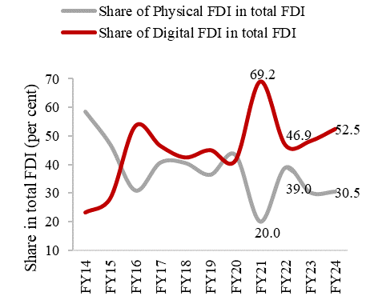
Chart IV.29: Share of Physical and Digital FDI in total FDI
 | Share in total FDI (Per cent)
Year | Share of Physical FDI in total FDI | Share of Digital FDI in total FDI
FY14 | 58.6 | 23.2
FY15 | 47.0 | 28.3
FY16 | 30.9 | 53.6
FY17 | 40.7 | 46.6
FY18 | 40.6 | 42.5
FY19 | 36.4 | 45.1
FY20 | 43.4 | 41.4
FY21 | 20.0 | 69.2
FY22 | 39.0 | 46.9
FY23 | 30.2 | 48.3
FY24 | 30.5 | 52.5
Source: FDI Statistics, DPIIT (https://dpiit.gov.in/publications/fdi-statistics)

Chart IV.29b
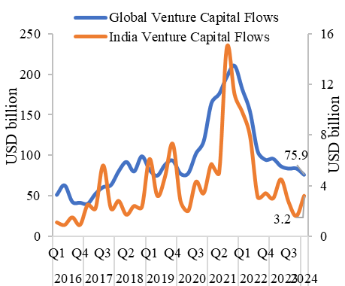
Chart IV.29b: Global capital flows in tech Start-ups
 |  | USD billion
Year | Quarter | Global Venture Capital Flows | India Venture Capital Flows (RHS)
2016 | Q1 | 51.1 | 1.1
 | Q2 | 63 | 0.9
 | Q3 | 42.6 | 1.5
 | Q4 | 41.5 | 0.9
2017 | Q1 | 40.2 | 2.5
 | Q2 | 52.5 | 2.2
 | Q3 | 60.7 | 5.6
 | Q4 | 63.2 | 2.2
2018 | Q1 | 80.2 | 2.8
 | Q2 | 91.8 | 1.7
 | Q3 | 80.1 | 2.4
 | Q4 | 98.8 | 2.3
2019 | Q1 | 82 | 6.1
 | Q2 | 74.9 | 3.2
 | Q3 | 88.3 | 4.7
 | Q4 | 93.5 | 7.3
2020 | Q1 | 77.3 | 2.8
 | Q2 | 77.7 | 2
 | Q3 | 101.9 | 4.3
 | Q4 | 117.3 | 3.4
2021 | Q1 | 164.2 | 5.7
 | Q2 | 175.7 | 5
 | Q3 | 196.9 | 14.9
 | Q4 | 210.7 | 11.2
2022 | Q1 | 181.7 | 9.8
 | Q2 | 154 | 7.9
 | Q3 | 104.8 | 3.1
 | Q4 | 94.5 | 3.4
2023 | Q1 | 95.7 | 3
 | Q2 | 86.5 | 4.5
 | Q3 | 83.5 | 2.7
 | Q4 | 83.8 | 1.6
2024 | Q1 | 75.9 | 3.2
Source: KPMG Venture Pulse Report (https://assets.kpmg.com/content/dam/kpmg/xx/pdf/2024/04/venture-pulse-q1-2024.pdf)

Chart IV.30a
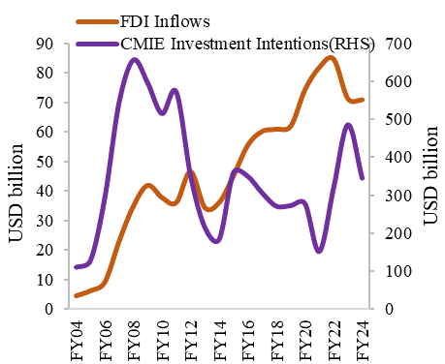
Chart IV.30a: Investment intention as a predictor of future FDI Inflows
 | USD billion
 | FDI Inflows | CMIE Investment Intentions (RHS)
FY04 | 4,322 | 108951
FY05 | 6,052 | 126913
FY06 | 8,962 | 292204
FY07 | 22,826 | 543690
FY08 | 34,844 | 656035
FY09 | 41,903 | 595379
FY10 | 37,746 | 514697
FY11 | 36,047 | 571455
FY12 | 46,556 | 350802
FY13 | 34,298 | 213916
FY14 | 36,045 | 182934
FY15 | 45,150 | 359191
FY16 | 55,558 | 348818
FY17 | 60,221 | 305376
FY18 | 60,975 | 270328
FY19 | 62,001 | 271686
FY20 | 74,390 | 277022
FY21 | 81,973 | 150537
FY22 | 84,837 | 318198
FY23 | 71,356 | 484968
FY24 | 70953 | 344209
Source: CMIE, RBI

Chart IV.30b
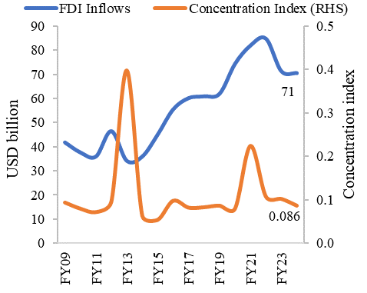
Chart IV.30b: Positive correlation between FDI inflows and concentration of FDI across sectors
 | USD billion | Index
 | FDI Inflows | Concentration Index (RHS)
FY09 | 41903 | 0.093
FY10 | 37746 | 0.079
FY11 | 36047 | 0.071
FY12 | 46552 | 0.095
FY13 | 34298 | 0.398
FY14 | 36047 | 0.063
FY15 | 45147 | 0.053
FY16 | 55559 | 0.097
FY17 | 60220 | 0.081
FY18 | 60974 | 0.082
FY19 | 62001 | 0.086
FY20 | 74390 | 0.079
FY21 | 81973 | 0.224
FY22 | 84835 | 0.107
FY23 | 71355 | 0.102
FY24 | 70549 | 0.086
Source: DPIIT and own calculations

Chart IV.31
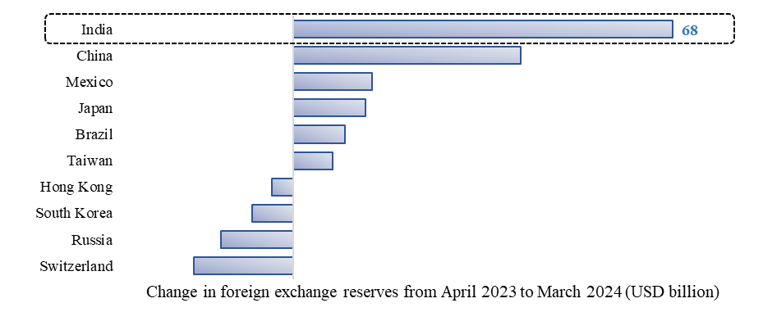
Chart IV.31: India witnessed the most significant increase in foreign exchange reserves holdings in FY24
 | USD billion
 | Change in foreign excahnge reserves (USD billion)
Switzerland | -17.9
Russia | -13
South Korea | -7.45
Hong Kong | -3.8
Taiwan | 6.98
Brazil | 9.3
Japan | 12.9
Mexico | 14.1
China | 40.8
India | 68
Source: Bloomberg, RBI for India (Handbook of Statistics on Indian Economy, Foreign Exchange Reserves, Weekly, RBI) (https://cimsdbie.rbi.org.in/BOE/OpenDocument/2311211739/OpenDocument/opendoc/openDocument.jsp?logonSuccessful=true&shareId=0)

Chart IV.32
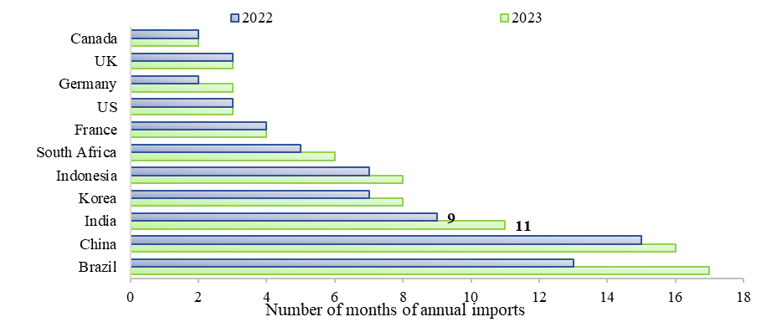
Chart IV.32: Adequacy of India’s Forex Reserves (as a percentage of Annual Imports): A Cross-country perspective
 | Number
 | Number of months of annual imports
Country | 2022 | 2023
Brazil | 13 | 17
China | 15 | 16
India | 9 | 11
Korea | 7 | 8
Indonesia | 7 | 8
South Africa | 5 | 6
France | 4 | 4
US | 3 | 3
Germany | 2 | 3
UK | 3 | 3
Canada | 2 | 2
Source: IMF (forex reserves) and WTO (for import data)

Chart IV.33
Chart IV.33: Volatility of Rupee/USD exchange rate
 | Per cent
 | Coefficient of Variation of INR/USD
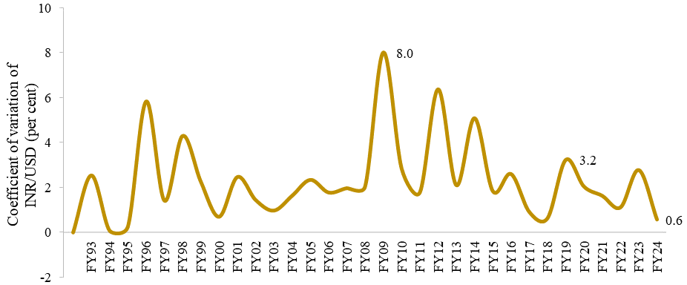
FY93 | 2.5
FY94 | 0.1
FY95 | 0.3
FY96 | 5.8
FY97 | 1.4
FY98 | 4.3
FY99 | 2.3
FY00 | 0.7
FY01 | 2.5
FY02 | 1.4
FY03 | 1.0
FY04 | 1.6
FY05 | 2.3
FY06 | 1.8
FY07 | 2.0
FY08 | 2.0
FY09 | 8.0
FY10 | 2.9
FY11 | 1.8
FY12 | 6.4
FY13 | 2.1
FY14 | 5.1
FY15 | 1.8
FY16 | 2.6
FY17 | 0.9
FY18 | 0.6
FY19 | 3.2
FY20 | 2.0
FY21 | 1.6
FY22 | 1.1
FY23 | 2.8
FY24 | 0.6
Source: Table No. 200, ‘Exchange Rate of the Indian rupee vis-à-vis the SDR, US Dollar, Pound Sterling, Euro and Japanese Yen, External Sector, Handbook of Statistics on the Indian Economy, RBI (https://cimsdbie.rbi.org.in/BOE/OpenDocument/2311211338/OpenDocument/opendoc/openDocument.jsp?logonSuccessful=true&shareId=2)

Chart IV.34
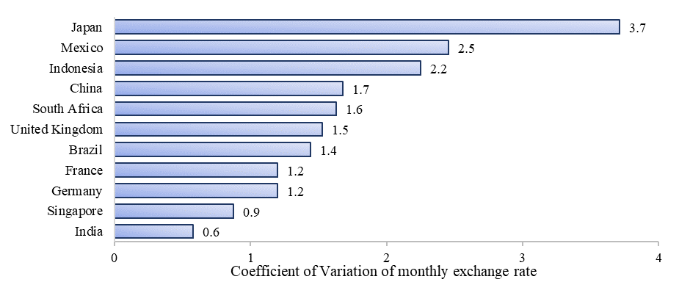
Chart IV.34: Rupee/USD exchange rate volatility and that of other countries w.r.t USD in FY24
 | Per cent
 | Coefficient of Variation
India | 0.58
Singapore | 0.88
Germany | 1.20
France | 1.20
Brazil | 1.44
United Kingdom | 1.53
South Africa | 1.63
China | 1.68
Indonesia | 2.25
Mexico | 2.45
Japan | 3.71
Source: Data on Bilateral Exchange Rate from BIS data portal and own calculations https://data.bis.org/topics/XRU/data Note: Exchange Rate volatility has been calculated using the Coefficient of Variation

Chart IV.35
Chart IV.35: Trends in net purchase (+) and sale (-) of foreign currencies by RBI during FY24
 | USD billion
 | Net purchanse/sale of foreign currencies by RBI
Apr | 7.7
2023-05-31 | 7.4
Jun | 4.5
Jul | 3.5
Aug | -3.9
Sep | -1.5
Oct | -0.3
Nov | -1.9
Dec | 2.1
Jan | 2.0
Feb | 8.6
Mar | 13.2
Source: Table No. 206, ‘Sale and Purchase of US Dollar by Reserve Bank of India’, External Sector, Handbook of Statistics on the Indian Economy, RBI (https://cimsdbie.rbi.org.in/BOE/OpenDocument/2311211338/OpenDocument/opendoc/openDocument.jsp?logonSuccessful=true&shareId=0)

Chart IV.36
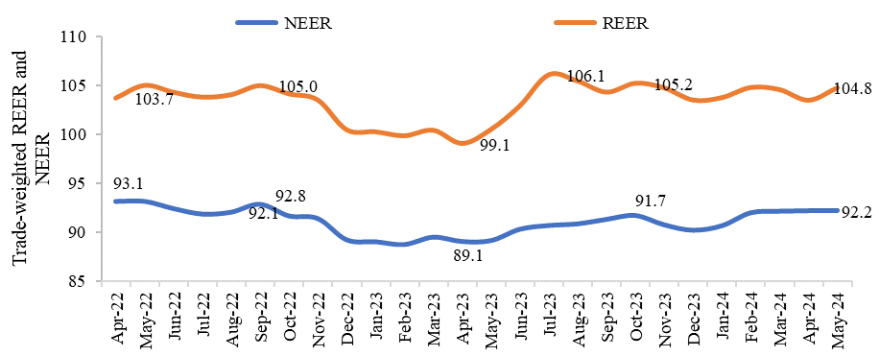
Chart IV.36: Movement of Index of 40-Currency NEER and REER (Trade-based weight) (Base Year 2015-16 = 100)
 | NEER | REER
Apr-22 | 93.1 | 103.7
May-22 | 93.1 | 105.0
Jun-22 | 92.4 | 104.3
Jul-22 | 91.9 | 103.8
Aug-22 | 92.1 | 104.0
Sep-22 | 92.8 | 105.0
Oct-22 | 91.7 | 104.1
Nov-22 | 91.4 | 103.5
Dec-22 | 89.3 | 100.4
Jan-23 | 89.1 | 100.2
Feb-23 | 88.8 | 99.8
Mar-23 | 89.5 | 100.4
Apr-23 | 89.1 | 99.1
May-23 | 89.2 | 100.5
Jun-23 | 90.3 | 102.9
Jul-23 | 90.7 | 106.1
Aug-23 | 90.9 | 105.4
Sep-23 | 91.3 | 104.3
Oct-23 | 91.7 | 105.2
Nov-23 | 90.8 | 104.7
Dec-23 | 90.2 | 103.5
Jan-24 | 90.7 | 103.7
Feb-24 | 92.0 | 104.8
Mar-24 | 92.1 | 104.6
Apr-24 | 92.2 | 103.5
May-24 | 92.2 | 104.8
Source: Table No. 202, ‘Indices of Real Effective Exchange Rate (REER) and Nominal Effective Exchange Rate (NEER) of the Indian Rupee (40-currency bilateral weights, monthly average), External Sector, Handbook of Statistics on the Indian Economy, RBI (https://cimsdbie.rbi.org.in/BOE/OpenDocument/2311211338/OpenDocument/opendoc/openDocument.jsp?logonSuccessful=true&shareId=0)

Chart IV.37a
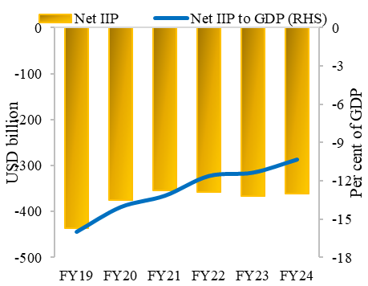
Chart IV.37a: Net IIP and as a percentage of GDP
 | USD billion | Per cent of GDP
Year | Net IIP | Net IIP to GDP (RHS)
FY19 | -437.0 | -16.0
FY20 | -375.4 | -14.0
FY21 | -354.9 | -13.1
FY22 | -358.1 | -11.6
FY23 | -367.2 | -11.3
FY24 | -361.7 | -10.3
Source: ‘International Investment Position of India’, Statistics, External Sector, International Finance, RBI (https://cimsdbie.rbi.org.in/BOE/OpenDocument/2311211739/OpenDocument/opendoc/openDocument.jsp?logonSuccessful=true&shareId=3)

Chart IV.37b
Chart IV.37b: Asset Liabilities Ratio (in per cent)
Year | Asset Liabilites Ratio
2019 | 59.5
2020 | 65.6
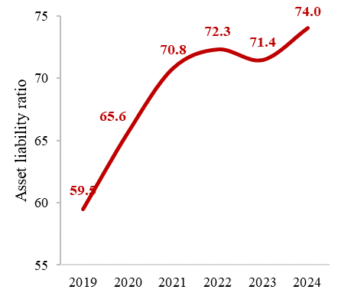
2021 | 70.8
2022 | 72.3
2023 | 71.4
2024 | 74.0
Source: ‘International Investment Position of India’, Statistics, External Sector, International Finance, RBI (https://cimsdbie.rbi.org.in/BOE/OpenDocument/2311211739/OpenDocument/opendoc/openDocument.jsp?logonSuccessful=true&shareId=3)

Chart IV.38
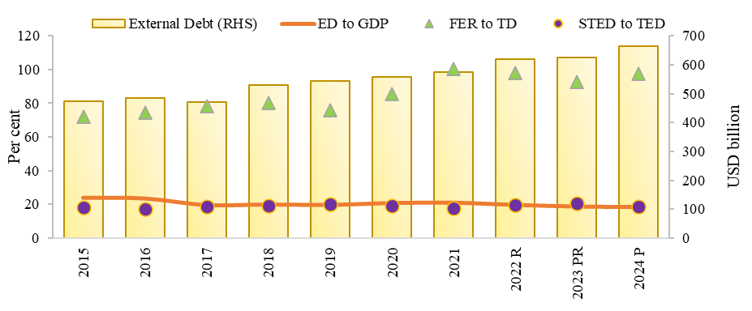
Chart IV.38: Stable India’s external debt position and vulnerability indicators
 | USD billion | Per cent
 | External Debt (RHS) | ED to GDP | FER to TD | STED to TED
2015 | 474.7 | 23.8 | 72 | 18
2016 | 484.8 | 23.4 | 74.3 | 17.2
2017 | 471 | 19.8 | 78.5 | 18.7
2018 | 529.3 | 20.1 | 80.2 | 19.3
2019 | 543.1 | 19.9 | 76 | 20
2020 | 558.4 | 20.9 | 85.6 | 19.1
2021 | 573.4 | 21.1 | 100.6 | 17.6
2022 R | 618.8 | 19.9 | 98.1 | 19.7
2023 PR | 624.1 | 19 | 92.7 | 20.6
2024 P | 663.8 | 18.7 | 97.4 | 18.5
Source: ‘External Debt of India-Quarterly and India’s External Debt-US Dollars (End March)’, Statistics, External Sector, External Debt-RBI https://cimsdbie.rbi.org.in/BOE/OpenDocument/2311211739/OpenDocument/opendoc/openDocument.jsp?logonSuccessful=true&shareId=5 Note: R-Revised, PR-Partially Revised, P-Provisional; ED–External Debt, FER-Foreign Exchange Reserves, TED–Total External Debt

