Chart II.1
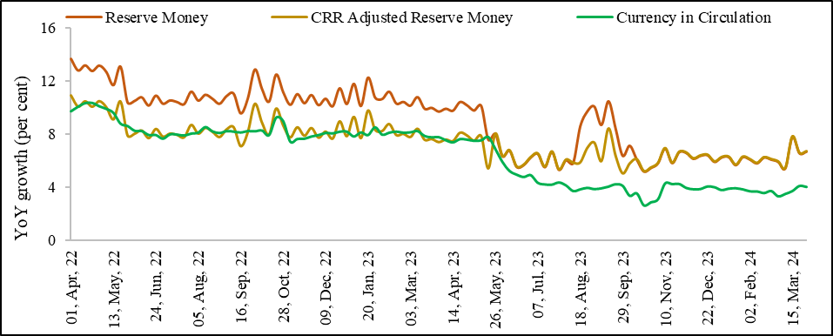
Chart II.1: Moderation in growth in Reserve Money (M0)
 | Per cent
 | Reserve Money | CRR Adjusted Reserve Money | Currency in Circulation
2022-04-01 | 13.7 | 10.9 | 9.8
2022-04-08 | 12.8 | 10.1 | 10.1
2022-04-15 | 13.2 | 10.5 | 10.4
2022-04-22 | 12.8 | 10.1 | 10.4
2022-04-29 | 13.2 | 10.5 | 10.1
2022-05-06 | 12.7 | 10.0 | 9.9
2022-05-13 | 11.7 | 9.1 | 9.6
2022-05-20 | 13.1 | 10.5 | 8.8
2022-05-27 | 10.4 | 7.9 | 8.7
2022-06-03 | 10.6 | 8.0 | 8.3
2022-06-10 | 10.8 | 8.3 | 8.3
2022-06-17 | 10.2 | 7.7 | 8.0
2022-06-24 | 10.9 | 8.4 | 8.0
2022-07-01 | 10.3 | 7.8 | 7.7
2022-07-08 | 10.6 | 8.0 | 8.0
2022-07-15 | 10.5 | 7.9 | 8.0
2022-07-22 | 10.3 | 7.8 | 7.9
2022-07-29 | 11.3 | 8.7 | 8.1
2022-08-05 | 10.6 | 8.0 | 8.2
2022-08-12 | 11.0 | 8.5 | 8.6
2022-08-19 | 10.7 | 8.2 | 8.2
2022-08-26 | 10.3 | 7.8 | 8.1
2022-09-02 | 10.9 | 8.4 | 8.3
2022-09-09 | 11.1 | 8.5 | 8.2
2022-09-16 | 9.6 | 7.1 | 8.2
2022-09-23 | 10.7 | 8.2 | 8.3
2022-09-30 | 12.9 | 10.3 | 8.3
2022-10-07 | 11.5 | 8.9 | 8.3
2022-10-14 | 10.5 | 8.0 | 8.0
2022-10-21 | 12.5 | 9.9 | 9.3
2022-10-28 | 11.2 | 8.7 | 9.0
2022-11-04 | 10.3 | 7.8 | 7.5
2022-11-11 | 11.1 | 8.5 | 7.7
2022-11-18 | 10.4 | 7.9 | 7.7
2022-11-25 | 11.0 | 8.5 | 7.9
2022-12-02 | 10.2 | 7.7 | 8.0
2022-12-09 | 10.7 | 8.2 | 8.1
2022-12-16 | 10.1 | 7.7 | 8.1
2022-12-23 | 11.5 | 9.0 | 8.2
2022-12-30 | 10.3 | 7.8 | 8.2
2023-01-06 | 11.8 | 9.3 | 7.9
2023-01-13 | 10.2 | 7.7 | 8.2
2023-01-20 | 12.3 | 9.8 | 8.0
2023-01-27 | 10.8 | 8.3 | 8.6
2023-02-03 | 10.7 | 8.2 | 8.0
2023-02-10 | 11.2 | 8.8 | 8.2
2023-02-17 | 10.4 | 7.9 | 8.2
2023-02-24 | 10.5 | 8.0 | 8.2
2023-03-03 | 10.2 | 7.8 | 8.2
2023-03-10 | 10.8 | 8.4 | 8.3
2023-03-17 | 10.0 | 7.6 | 7.9
2023-03-24 | 10.0 | 7.6 | 7.8
2023-03-31 | 9.7 | 7.4 | 7.8
2023-04-07 | 10.0 | 7.6 | 7.6
2023-04-14 | 9.8 | 7.5 | 7.4
2023-04-21 | 10.5 | 8.1 | 7.7
2023-04-28 | 10.2 | 7.9 | 7.6
2023-05-05 | 9.8 | 7.5 | 7.5
2023-05-12 | 10.2 | 7.9 | 7.6
2023-05-19 | 7.6 | 5.4 | 7.8
2023-05-26 | 8.1 | 8.1 | 6.9
2023-06-02 | 6.4 | 6.4 | 5.9
2023-06-09 | 6.8 | 6.8 | 5.3
2023-06-16 | 5.6 | 5.6 | 5.0
2023-06-23 | 5.7 | 5.7 | 4.8
2023-06-30 | 6.3 | 6.3 | 4.9
2023-07-07 | 6.6 | 6.6 | 4.4
2023-07-14 | 5.6 | 5.6 | 4.2
2023-07-21 | 6.7 | 6.7 | 4.2
2023-07-28 | 5.4 | 5.3 | 4.4
2023-08-04 | 6.1 | 6.1 | 4.2
2023-08-11 | 5.9 | 5.9 | 3.7
2023-08-18 | 8.6 | 5.9 | 3.9
2023-08-25 | 9.8 | 7.0 | 4.0
2023-09-01 | 10.1 | 7.4 | 3.9
2023-09-08 | 8.7 | 6.0 | 4.0
2023-09-15 | 10.5 | 8.4 | 4.1
2023-09-22 | 8.5 | 6.4 | 4.3
2023-09-29 | 6.4 | 5.1 | 4.1
2023-10-06 | 7.2 | 5.8 | 3.4
2023-10-13 | 6.1 | 6.1 | 3.6
2023-10-20 | 5.2 | 5.2 | 2.7
2023-10-27 | 5.5 | 5.5 | 2.9
2023-11-03 | 5.9 | 5.8 | 3.1
2023-11-10 | 7.0 | 7.0 | 4.3
2023-11-17 | 5.9 | 5.9 | 4.3
2023-11-24 | 6.7 | 6.7 | 4.3
2023-12-01 | 6.6 | 6.6 | 4.0
2023-12-08 | 6.2 | 6.2 | 3.9
2023-12-15 | 6.4 | 6.4 | 3.9
2023-12-22 | 6.5 | 6.5 | 4.1
2023-12-29 | 6.0 | 6.0 | 4.0
2024-01-05 | 6.3 | 6.3 | 3.8
2024-01-12 | 6.3 | 6.3 | 3.9
2024-01-19 | 5.7 | 5.7 | 4.0
2024-01-26 | 6.3 | 6.3 | 3.9
2024-02-02 | 6.1 | 6.1 | 3.7
2024-02-09 | 5.9 | 5.8 | 3.7
2024-02-16 | 6.3 | 6.3 | 3.6
2024-02-23 | 6.1 | 6.1 | 3.7
2024-03-01 | 6.0 | 6.0 | 3.3
2024-03-08 | 5.5 | 5.5 | 3.5
2024-03-15 | 7.8 | 7.8 | 3.7
2024-03-22 | 6.6 | 6.6 | 4.1
2024-03-29 | 6.7 | 6.7 | 4.1
Source: Reserve Money: Components and Sources, Publications, Weekly Statistical Supplement, RBI (https://www.rbi.org.in/Scripts/WSSViewDetail.aspx?TYPE=Section&PARAM1=8)

Chart II.2
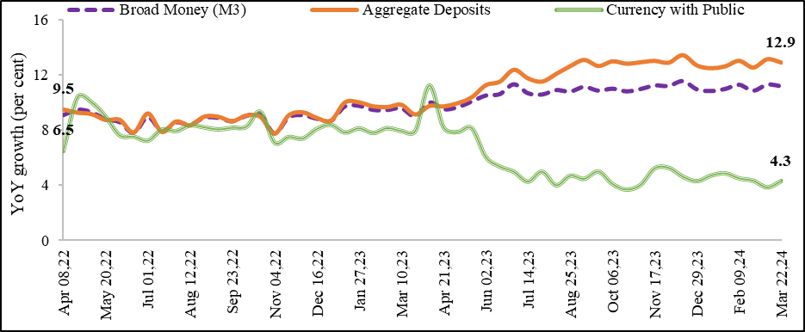
Chart II.2: Growth in Broad Money (M3)
 | Per cent
 | Broad Money (M3) | Aggregate Deposits | Currency with Public
2022-04-08 | 9.1 | 9.5 | 6.47
2022-04-22 | 9.5 | 9.3 | 10.4
2022-05-06 | 9.3 | 9.2 | 10.0
2022-05-20 | 8.8 | 8.7 | 9.0
2022-06-03 | 8.6 | 8.8 | 7.6
2022-06-17 | 7.8 | 7.8 | 7.5
2022-07-01 | 8.9 | 9.2 | 7.2
2022-07-15 | 7.9 | 7.9 | 8.0
2022-07-29 | 8.6 | 8.6 | 7.9
2022-08-12 | 8.4 | 8.4 | 8.3
2022-08-26 | 8.9 | 9.0 | 8.2
2022-09-09 | 8.9 | 9.0 | 8.0
2022-09-23 | 8.6 | 8.7 | 8.2
2022-10-07 | 9.0 | 9.1 | 8.2
2022-10-21 | 9.1 | 9.0 | 9.3
2022-11-04 | 7.8 | 7.8 | 7.1
2022-11-18 | 8.9 | 9.1 | 7.5
2022-12-02 | 9.1 | 9.3 | 7.4
2022-12-16 | 8.8 | 8.9 | 8.1
2022-12-30 | 8.7 | 8.7 | 8.4
2023-01-13 | 9.7 | 10.0 | 7.8
2023-01-27 | 9.8 | 10.0 | 8.1
2023-02-10 | 9.5 | 9.7 | 7.8
2023-02-24 | 9.5 | 9.7 | 8.1
2023-03-10 | 9.6 | 9.8 | 7.9
2023-03-24 | 9.0 | 9.1 | 7.9
2023-04-07 | 10.0 | 9.8 | 11.2
2023-04-21 | 9.5 | 9.7 | 8.2
2023-05-05 | 9.7 | 10.0 | 7.8
2023-05-19 | 10.1 | 10.4 | 8.1
2023-06-02 | 10.5 | 11.2 | 6.0
2023-06-16 | 10.6 | 11.5 | 5.3
2023-06-30 | 11.3 | 12.4 | 4.9
2023-07-14 | 10.7 | 11.7 | 4.2
2023-07-28 | 10.6 | 11.5 | 5.0
2023-08-11 | 10.9 | 12.1 | 4.0
2023-08-25 | 10.8 | 12.6 | 4.7
2023-09-08 | 11.1 | 13.1 | 4.4
2023-09-22 | 10.9 | 12.6 | 5.0
2023-10-06 | 11.0 | 13.0 | 4.1
2023-10-20 | 10.8 | 12.8 | 3.7
2023-11-03 | 11.0 | 12.9 | 4.0
2023-11-17 | 11.2 | 13.0 | 5.2
2023-12-01 | 11.2 | 12.9 | 5.2
2023-12-15 | 11.6 | 13.4 | 4.6
2023-12-29 | 11.0 | 12.7 | 4.3
2024-01-12 | 10.8 | 12.5 | 4.7
2024-01-26 | 11.0 | 12.6 | 4.8
2024-02-09 | 11.3 | 13.0 | 4.5
2024-02-23 | 10.9 | 12.5 | 4.3
2024-03-08 | 11.3 | 13.1 | 3.8
2024-03-22 | 11.2 | 12.9 | 4.3
Source: Money Stock: Components and Sources, Publications, Weekly Statistical Supplement, RBI (https://www.rbi.org.in/Scripts/BS_ViewWss.aspx)

Chart II.3
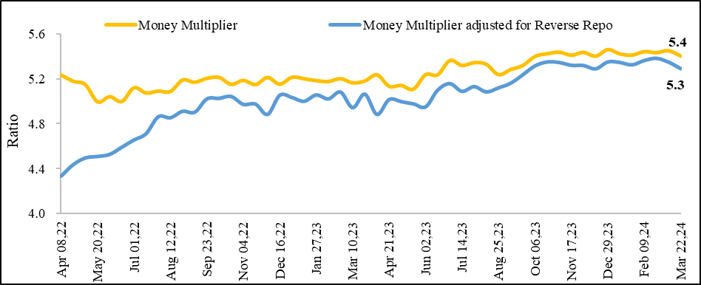
Chart II.3: Higher Money Multiplier in FY24, indicating higher liquidity in the market
 | Ratio
 | Money Multiplier | Money Multiplier adjusted for Reverse Repo
2022-04-08 | 5.2 | 4.3
2022-04-22 | 5.2 | 4.4
2022-05-06 | 5.1 | 4.5
2022-05-20 | 5.0 | 4.5
2022-06-03 | 5.0 | 4.5
2022-06-17 | 5.0 | 4.6
2022-07-01 | 5.1 | 4.7
2022-07-15 | 5.1 | 4.7
2022-07-29 | 5.1 | 4.9
2022-08-12 | 5.1 | 4.9
2022-08-26 | 5.2 | 4.9
2022-09-09 | 5.2 | 4.9
2022-09-23 | 5.2 | 5.0
2022-10-07 | 5.2 | 5.0
2022-10-21 | 5.1 | 5.0
2022-11-04 | 5.2 | 5.0
2022-11-18 | 5.1 | 5.0
2022-12-02 | 5.2 | 4.9
2022-12-16 | 5.1 | 5.1
2022-12-30 | 5.2 | 5.0
2023-01-13 | 5.2 | 5.0
2023-01-27 | 5.2 | 5.1
2023-02-10 | 5.2 | 5.0
2023-02-24 | 5.2 | 5.1
2023-03-10 | 5.2 | 4.9
2023-03-24 | 5.2 | 5.1
2023-04-07 | 5.2 | 4.9
2023-04-21 | 5.1 | 5.0
2023-05-05 | 5.1 | 5.0
2023-05-19 | 5.1 | 5.0
2023-06-02 | 5.2 | 4.9
2023-06-16 | 5.2 | 5.1
2023-06-30 | 5.4 | 5.2
2023-07-14 | 5.3 | 5.1
2023-07-28 | 5.3 | 5.1
2023-08-11 | 5.3 | 5.1
2023-08-25 | 5.2 | 5.1
2023-09-08 | 5.3 | 5.2
2023-09-22 | 5.3 | 5.2
2023-10-06 | 5.4 | 5.3
2023-10-20 | 5.4 | 5.3
2023-11-03 | 5.4 | 5.3
2023-11-17 | 5.4 | 5.3
2023-12-01 | 5.4 | 5.3
2023-12-15 | 5.4 | 5.3
2023-12-29 | 5.5 | 5.4
2024-01-12 | 5.4 | 5.3
2024-01-26 | 5.4 | 5.3
2024-02-09 | 5.4 | 5.4
2024-02-23 | 5.4 | 5.4
2024-03-08 | 5.4 | 5.3
2024-03-22 | 5.4 | 5.3
Source: Money Stock: Components and Sources, Publications, Weekly Statistical Supplement, RBI (https://www.rbi.org.in/Scripts/BS_ViewWss.aspx) Reserve Money: Components and Sources, Publications, Weekly Statistical Supplement, RBI (https://www.rbi.org.in/Scripts/WSSViewDetail.aspx?TYPE=Section&PARAM1=8)

Chart II.4a
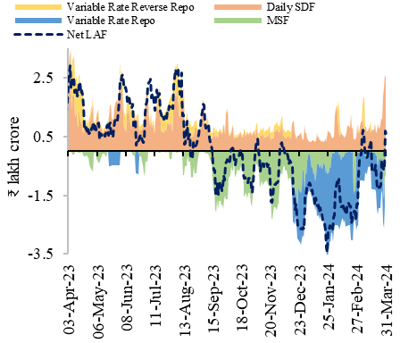
Chart II.4a: Liquidity conditions
 | ₹ lakh crore
 | Net LAF | Daily SDF | Variable Rate Reverse Repo | MSF | Variable Rate Repo
3-Apr-23 | 230781 | 288182 | 0 | -593
4-Apr-23 | 268024 | 326718 | 0 | -1886
5-Apr-23 | 290840 | 348213 | 0 | -565
6-Apr-23 | 212408 | 145662 | 124200 | -646
7-Apr-23 | 244948 | 188240 | 124200 | -10684
8-Apr-23 | 249729 | 193619 | 124200 | -11282
9-Apr-23 | 253253 | 197323 | 124200 | -11462
10-Apr-23 | 201265 | 117861 | 124200 | -1500
11-Apr-23 | 207903 | 124577 | 124200 | -1578
12-Apr-23 | 215581 | 131447 | 124200 | -770
13-Apr-23 | 186806 | 84765 | 124200 | -2609
14-Apr-23 | 194034 | 93731 | 124200 | -4347
15-Apr-23 | 231842 | 132745 | 124200 | -5553
16-Apr-23 | 237225 | 138135 | 124200 | -5560
17-Apr-23 | 198886 | 97890 | 124200 | -3654
18-Apr-23 | 206634 | 102964 | 124200 | -980
19-Apr-23 | 192494 | 88710 | 124200 | -866
20-Apr-23 | 154657 | 60185 | 124200 | -10178
21-Apr-23 | 72991 | 81556 | 20480 | -16945
22-Apr-23 | 77160 | 85870 | 20480 | -17090
23-Apr-23 | 81203 | 89953 | 20480 | -17130
24-Apr-23 | 65542 | 68679 | 20480 | -11517
25-Apr-23 | 79107 | 89627 | 20480 | -18900
26-Apr-23 | 61881 | 72441 | 20480 | -18940
27-Apr-23 | 62326 | 99723 | 20480 | -45777
28-Apr-23 | 61827 | 106846 | 20480 | -53399
29-Apr-23 | 79984 | 130742 | 20480 | -59138
30-Apr-23 | 80270 | 133642 | 20480 | -61752
1-May-23 | 101146 | 164354 | 20480 | -71588
2-May-23 | 76017 | 76804 | 20480 | -9167
3-May-23 | 90121 | 83283 | 20480 | -1542
4-May-23 | 71446 | 80511 | 8447 | -5412
5-May-23 | 91563 | 117502 | 8447 | -22286
6-May-23 | 93023 | 129688 | 8447 | -33012
7-May-23 | 98306 | 136620 | 8447 | -34661
8-May-23 | 39759 | 84385 | 8447 | -40973
9-May-23 | 46167 | 81013 | 8447 | -31193
10-May-23 | 59229 | 84755 | 8447 | -21873
11-May-23 | 58015 | 75012 | 8447 | -13344
12-May-23 | 50845 | 63206 | 8447 | -8708
13-May-23 | 55750 | 68170 | 8447 | -8767
14-May-23 | 59754 | 72184 | 8447 | -8777
15-May-23 | 50332 | 71206 | 8447 | -17221
16-May-23 | 59621 | 81446 | 8447 | -18172
...

Chart II.4b
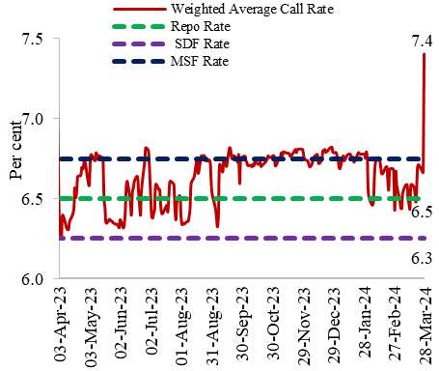
Chart II.4b: Policy corridor and overnight call money rate
 | Per cent
 | Weighted Average Call Rate | Repo Rate | SDF Rate | MSF Rate
3-Apr-23 | 6.31 | 6.50 | 6.25 | 6.75
5-Apr-23 | 6.26 | 6.50 | 6.25 | 6.75
6-Apr-23 | 6.40 | 6.50 | 6.25 | 6.75
10-Apr-23 | 6.32 | 6.50 | 6.25 | 6.75
11-Apr-23 | 6.31 | 6.50 | 6.25 | 6.75
12-Apr-23 | 6.31 | 6.50 | 6.25 | 6.75
13-Apr-23 | 6.36 | 6.50 | 6.25 | 6.75
17-Apr-23 | 6.43 | 6.50 | 6.25 | 6.75
18-Apr-23 | 6.57 | 6.50 | 6.25 | 6.75
19-Apr-23 | 6.51 | 6.50 | 6.25 | 6.75
20-Apr-23 | 6.54 | 6.50 | 6.25 | 6.75
21-Apr-23 | 6.64 | 6.50 | 6.25 | 6.75
24-Apr-23 | 6.65 | 6.50 | 6.25 | 6.75
25-Apr-23 | 6.70 | 6.50 | 6.25 | 6.75
26-Apr-23 | 6.68 | 6.50 | 6.25 | 6.75
27-Apr-23 | 6.72 | 6.50 | 6.25 | 6.75
28-Apr-23 | 6.74 | 6.50 | 6.25 | 6.75
2-May-23 | 6.58 | 6.50 | 6.25 | 6.75
3-May-23 | 6.66 | 6.50 | 6.25 | 6.75
4-May-23 | 6.77 | 6.50 | 6.25 | 6.75
8-May-23 | 6.74 | 6.50 | 6.25 | 6.75
...

Chart II.5
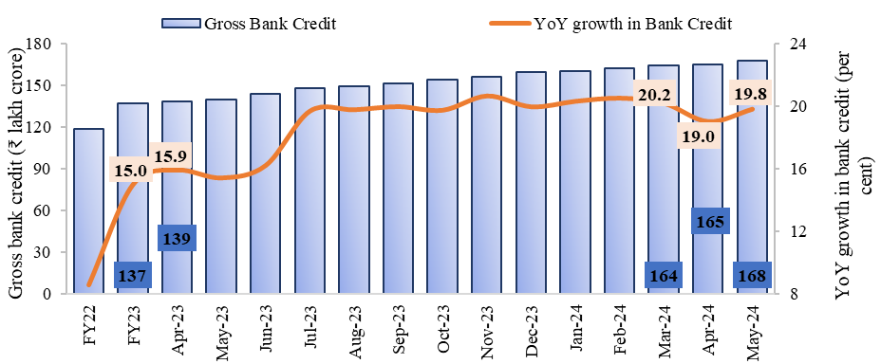
Chart II.5: Double-digit growth in credit disbursal by SCBs
 | ₹ lakh crore | Per cent
 | Gross Bank Credit | YoY growth in Bank Credit
FY22 | 118.9 | 8.6
FY23 | 136.8 | 15.0
Apr-23 | 138.6 | 15.9
May-23 | 140.1 | 15.4
Jun-23 | 143.9 | 16.2
Jul-23 | 148.0 | 19.7
Aug-23 | 149.2 | 19.8
Sep-23 | 151.5 | 20.0
Oct-23 | 154.3 | 19.7
Nov-23 | 156.2 | 20.6
Dec-23 | 159.6 | 20.0
Jan-24 | 160.4 | 20.3
Feb-24 | 162.1 | 20.5
Mar-24 | 164.3 | 20.2
Apr-24 | 164.9 | 19.0
May-24 | 167.8 | 19.8
Source: Deployment of Bank Credit by Major Sectors, Handbook of Statistics on Indian Economy, Table No. 170, RBI

Chart II.6
Chart II.6: Broad-based growth in bank credit across sectors
 | Per cent
 | Agriculture | Industry (RHS) | Services | Personal Loans
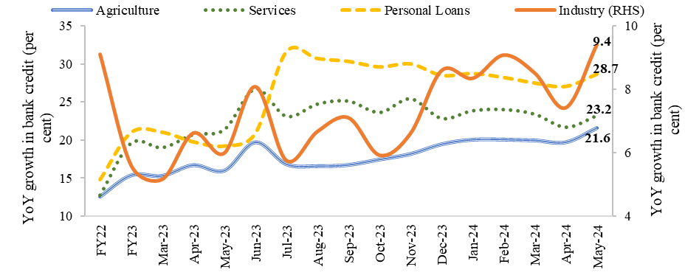
FY22 | 12.6 | 9.1 | 12.8 | 14.8
FY23 | 15.4 | 5.6 | 19.6 | 21
Mar-23 | 15.3 | 5.2 | 19.0 | 21.0
Apr-23 | 16.7 | 6.6 | 20.7 | 19.8
May-23 | 16.0 | 6.0 | 21.4 | 19.2
Jun-23 | 19.7 | 8.1 | 26.7 | 20.9
Jul-23 | 16.8 | 5.8 | 23.1 | 31.7
Aug-23 | 16.6 | 6.7 | 24.7 | 30.8
Sep-23 | 16.8 | 7.1 | 25.1 | 30.4
Oct-23 | 17.5 | 5.9 | 23.6 | 29.7
Nov-23 | 18.2 | 6.6 | 25.4 | 30.1
Dec-23 | 19.5 | 8.6 | 22.9 | 28.5
Jan-24 | 20.1 | 8.3 | 23.9 | 28.8
Feb-24 | 20.1 | 9.1 | 24.0 | 28.3
Mar-24 | 20.0 | 8.5 | 23.4 | 27.5
Apr-24 | 19.7 | 7.4 | 21.7 | 27.1
May-24 | 21.6 | 9.4 | 23.2 | 28.7
Source: Deployment of Bank Credit by Major Sectors, Handbook of Statistics on Indian Economy, Table No. 170, RBI

Chart II.7a
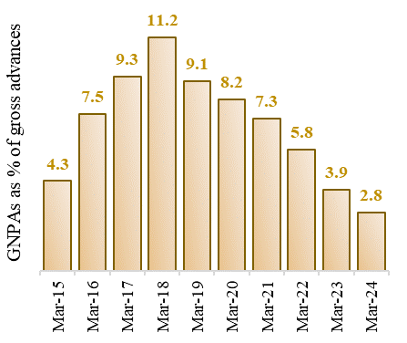
Chart II.7a: Decline in GNPAs of SCBs
 | Per cent
Mar-15 | 4.3
Mar-16 | 7.5
Mar-17 | 9.3
Mar-18 | 11.2
Mar-19 | 9.1
Mar-20 | 8.2
Mar-21 | 7.3
Mar-22 | 5.8
Mar-23 | 3.9
Mar-24 | 2.8
Source: Handbook of Statistics on Indian Economy, Money and Banking, Gross and Net NPAs of Scheduled Commercial Banks-Group-wise, RBI

Chart II.7b
Chart II.7b: CRAR well above the required norms
 | Per cent
Mar-15 | 12.9
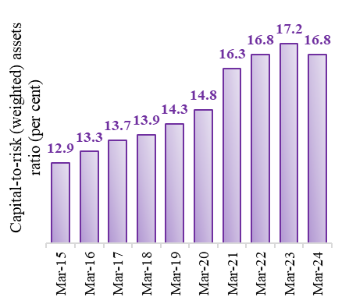
Mar-16 | 13.3
Mar-17 | 13.7
Mar-18 | 13.9
Mar-19 | 14.3
Mar-20 | 14.8
Mar-21 | 16.3
Mar-22 | 16.8
Mar-23 | 17.2
Mar-24 | 16.8
Source: Handbook of Statistics on Indian Economy, Money and Banking, Distribution of Scheduled Commercial Banks by CRAR, RBI

Chart II.8a
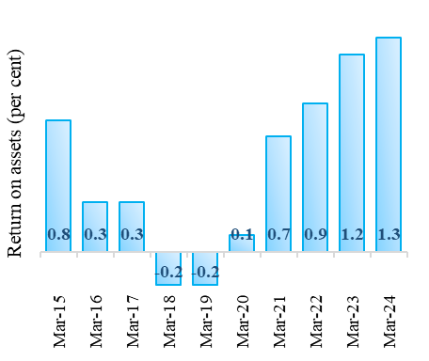
Chart II.8a: Return on Assets (Annualised)
 | Per cent
Mar-15 | 0.8
Mar-16 | 0.3
Mar-17 | 0.3
Mar-18 | -0.2
Mar-19 | -0.2
Mar-20 | 0.1
Mar-21 | 0.7
Mar-22 | 0.9
Mar-23 | 1.2
Mar-24 | 1.3
Source: Chapter II of the RBI Financial Stability Report, ‘Financial Institutions: Soundness and Resilience’ (various issues)

Chart II.8b
Chart II.8b: Return on Equity (Annualised)
 | Per cent
Mar-15 | 10.8
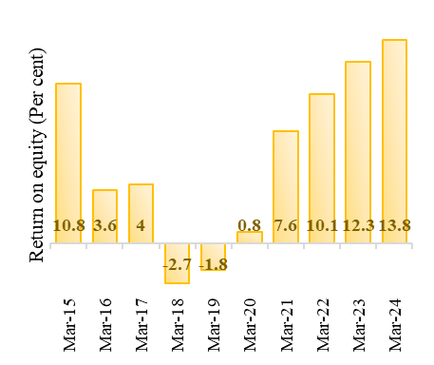
Mar-16 | 3.6
Mar-17 | 4
Mar-18 | -2.7
Mar-19 | -1.8
Mar-20 | 0.8
Mar-21 | 7.6
Mar-22 | 10.1
Mar-23 | 12.3
Mar-24 | 13.8
Source: Chapter II of the RBI Financial Stability Report, ‘Financial Institutions: Soundness and Resilience’ (various issues)

Chart II.9
High Net Interest Margin of SCBs
 |  | Per cent
FY20 | Q1 | 3.3
 | Q2 | 3.3
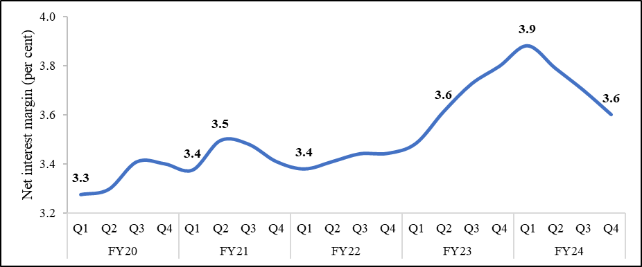
 | Q3 | 3.4
 | Q4 | 3.4
FY21 | Q1 | 3.4
 | Q2 | 3.5
 | Q3 | 3.5
 | Q4 | 3.4
FY22 | Q1 | 3.4
 | Q2 | 3.4
 | Q3 | 3.4
 | Q4 | 3.4
FY23 | Q1 | 3.5
 | Q2 | 3.6
 | Q3 | 3.7
 | Q4 | 3.8
FY24 | Q1 | 3.9
 | Q2 | 3.8
 | Q3 | 3.7
 | Q4 | 3.6
Source: RBI

Chart II.10a
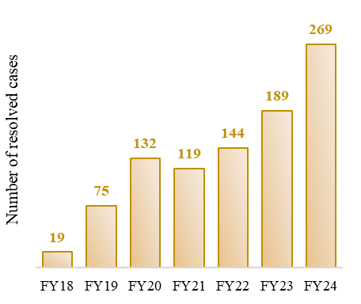
Chart II.10a: Rise in Number of Resolved Cases
 | Number
FY18 | 19
FY19 | 75
FY20 | 132
FY21 | 119
FY22 | 144
FY23 | 189
FY24 | 269
Source: Quarterly newsletter released by the Insolvency and Bankruptcy Board of India (IBBI) (various issues)

Chart II.10b
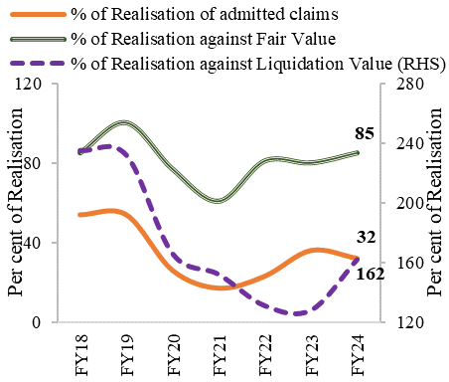
Chart II.10b: Realisation by creditors
 | Per cent
Year | % of Realisation of admitted claims | % of Realisation against Fair Value | % of Realisation against Liquidation Value (RHS)
FY18 | 54 | 85 | 235
FY19 | 54 | 100 | 232
FY20 | 26 | 77 | 166
FY21 | 17 | 61 | 152
FY22 | 23 | 81 | 131
FY23 | 36 | 80 | 128
FY24 | 32 | 85 | 162
Source: Quarterly newsletter released by the Insolvency and Bankruptcy Board of India (IBBI) (various issues)

Chart II.11
Chart II.11: Rising share of rural MFI borrowers
 | Per cent
 | Rural share of MFI Borrowers | Urban share of MFI Borrowers
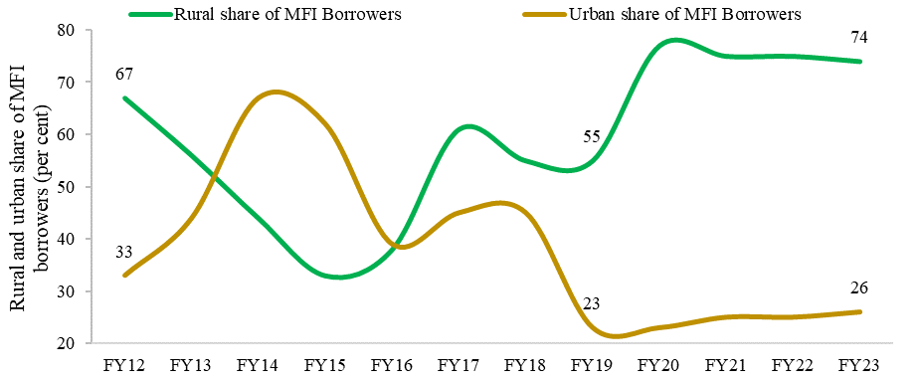
FY12 | 67 | 33
FY13 | 56 | 44
FY14 | 44 | 67
FY15 | 33 | 62
FY16 | 38 | 39
FY17 | 61 | 45
FY18 | 55 | 45
FY19 | 55 | 23
FY20 | 77 | 23
FY21 | 75 | 25
FY22 | 75 | 25
FY23 | 74 | 26
Source: The Bharat Microfinance Report 2023, Sa Dhan (page 16, Figure 2.8)

Chart II.12
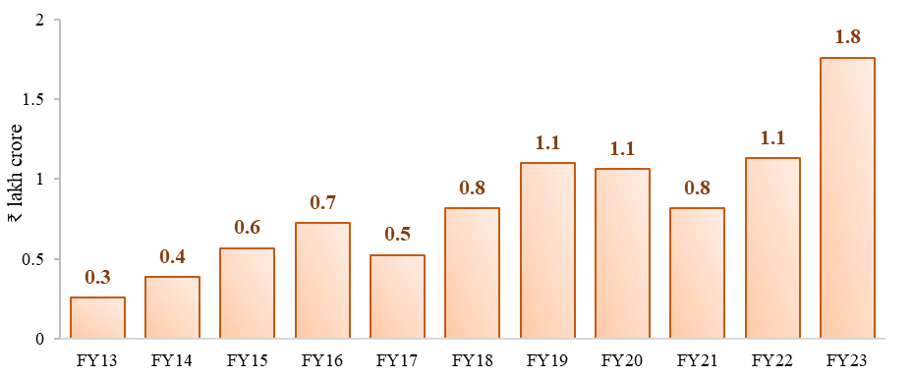
Chart II.12: Rise in loan disbursement by MFIs over the years
 | Loan disbursed by MFIs
 | ₹ lakh crore
FY13 | 0.3
FY14 | 0.4
FY15 | 0.6
FY16 | 0.7
FY17 | 0.5
FY18 | 0.8
FY19 | 1.1
FY20 | 1.1
FY21 | 0.8
FY22 | 1.1
FY23 | 1.8
Source: The Bharat Microfinance Report 2023, Sa Dhan (page 28, Figure 2.18)

Chart II.14
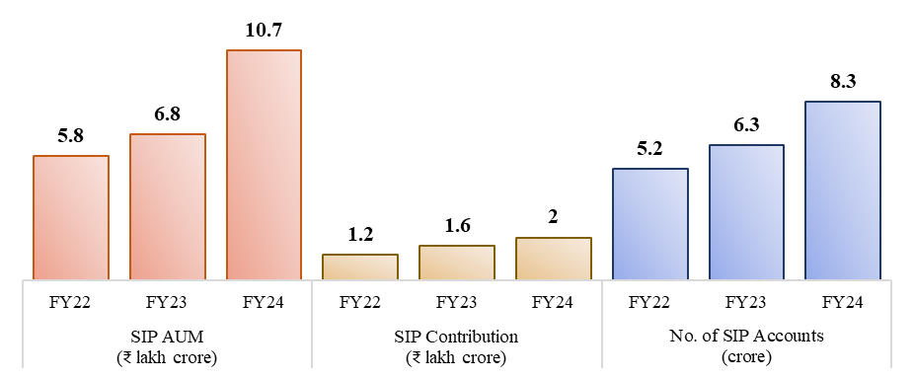
Chart II.14: SIP Investment on a Rising Trajectory
SIP AUM (₹ lakh crore) | FY22 | 5.8
 | FY23 | 6.8
 | FY24 | 10.7
SIP contribution (₹ lakh crore) | FY22 | 1.2
 | FY23 | 1.6
 | FY24 | 2
No. of SIP accounts (crore) | FY22 | 5.2
 | FY23 | 6.3
 | FY24 | 8.3
Note: Outstanding SIP accounts and SIM AUM are reported at the end of each financial year. SIP contribution pertains to yearly gross contribution through SIP accounts. Source: Association of Mutual Funds in India (AMFI)

Chart II.15
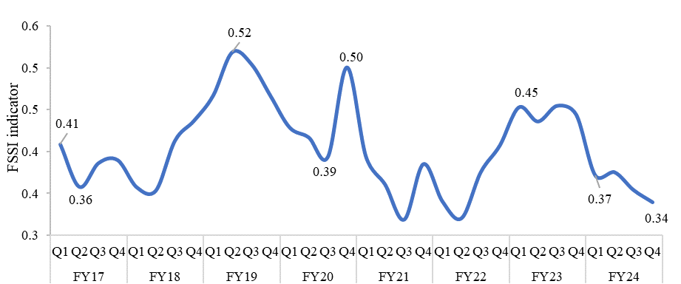
Chart II.15: Easing of stress in the Indian financial system reflected in FSSI
 |  | Per cent
Year | Quarter | FSSI
FY17 | Q1 | 0.41
 | Q2 | 0.36
 | Q3 | 0.39
 | Q4 | 0.39
FY18 | Q1 | 0.36
 | Q2 | 0.35
 | Q3 | 0.41
 | Q4 | 0.44
FY19 | Q1 | 0.47
 | Q2 | 0.52
 | Q3 | 0.50
 | Q4 | 0.47
FY20 | Q1 | 0.43
 | Q2 | 0.42
 | Q3 | 0.39
 | Q4 | 0.50
FY21 | Q1 | 0.39
 | Q2 | 0.36
 | Q3 | 0.32
 | Q4 | 0.39
FY22 | Q1 | 0.34
 | Q2 | 0.32
 | Q3 | 0.38
...

Chart II.16
...
Per cent
Q4: FY23 | Q1: FY24 | Q2: FY24 | Q3: FY24 | Q4: FY24
0.37 | 0.13 | 0.17 | 0.16 | 0.17
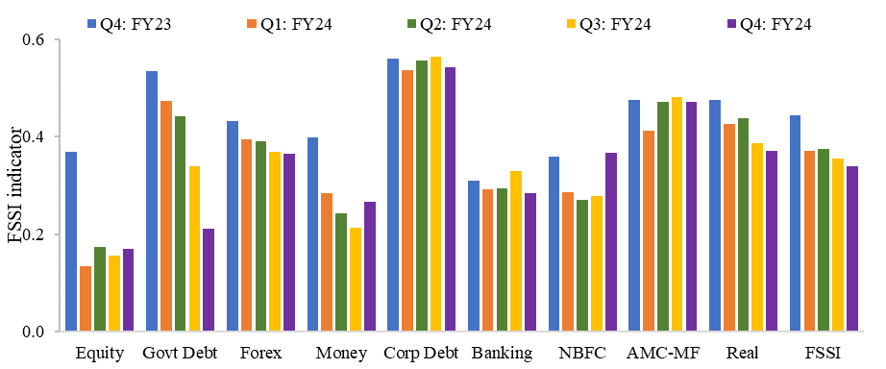
0.53 | 0.47 | 0.44 | 0.34 | 0.21
0.43 | 0.39 | 0.39 | 0.37 | 0.37
0.40 | 0.28 | 0.24 | 0.21 | 0.27
0.56 | 0.54 | 0.56 | 0.56 | 0.54
0.31 | 0.29 | 0.29 | 0.33 | 0.28
0.36 | 0.29 | 0.27 | 0.28 | 0.37
0.47 | 0.41 | 0.47 | 0.48 | 0.47
0.48 | 0.43 | 0.44 | 0.39 | 0.37
0.44 | 0.37 | 0.38 | 0.35 | 0.34
...

