Chart XII.1
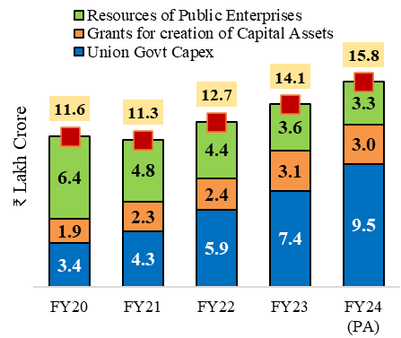
Chart XII.1. Union Government’s capital expenditure and its support for CPSEs and State Governments expands considerably
Rs. Lakh Crore
 | Union Govt Capex | Grants for creation of Capital Assets | Resources of Public Enterprises | Total Capex
FY21 | 4.3 | 2.3 | 4.8 | 11.3
FY22 | 5.9 | 2.4 | 4.4 | 12.7
FY23 | 7.4 | 3.1 | 3.6 | 14.1
FY24 (PA) | 9.5 | 3.0 | 3.3 | 15.8
Sources: Union Government Budget Documents for the Union Government and State Finance Accounts published by Comptroller and Auditor General of India and State Budgets for State Governments Note: (i) RE stand for Revised Estimate, BE stand for Budget Estimate, PA stands for Provisional Accounts (ii) *State capital spending includes capital outlay and loans and advances by State Governments (iii) Data for resources of public enterprises for FY24 is a revised estimate

Chart XII.2
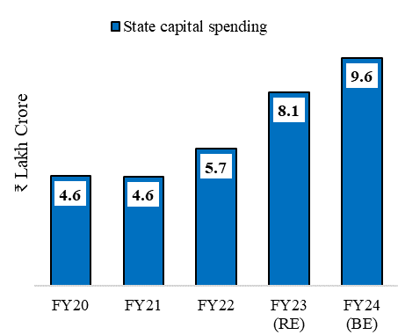
Chart XII. 2.State Governments’ combined capital expenditure also expands robustly
Rs. Lakh Crore | State capital spending
FY21 | 4.6
FY22 | 5.7
FY23 (RE) | 8.1
FY24 (BE) | 9.6
Sources: Union Government Budget Documents for the Union Government and State Finance Accounts published by Comptroller and Auditor General of India and State Budgets for State Governments Note: (i) RE stand for Revised Estimate, BE stand for Budget Estimate, PA stands for Provisional Accounts (ii) *State capital spending includes capital outlay and loans and advances by State Governments (iii) Data for resources of public enterprises for FY24 is a revised estimate

Chart XII.3
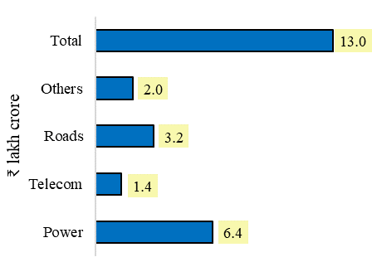
Chart XII.3. Outstanding credit to infrastructure: March 2024
Sector | Outstanding credit
Power | 6.4
Telecom | 1.4
Roads | 3.2
Others | 2
Total | 13
Source: Reserve Bank of India

Chart XII.4
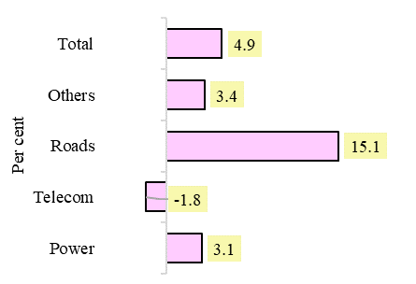
Chart XII.4. Average annual growth rate (per cent) in outstanding credit from March 2020 to March 2024
Sector | Average annual growth rate (per cent)
Power | 3.1
Telecom | -1.8
Roads | 15.1
Others | 3.4
Total | 4.9
Source: Reserve Bank of India

Chart XII.5
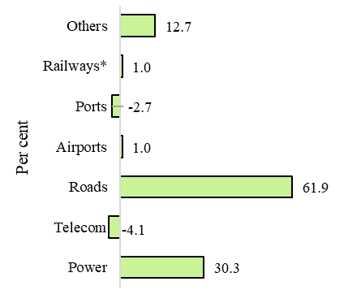
Chart XII.5. Share in change in outstanding credit from March 2020 to March 2024
Sector | Share in change in outstanfing credit from March 2020 to March 2024
Power | 30.3
Telecom | -4.1
Roads | 61.9
Airports | 1.0
Ports | -2.7
Railways* | 1.0
Others | 12.7
Source: Reserve Bank of India
(*): In Chart XII.5, the reference to Railways does not include Indian Railways

Chart XII.6
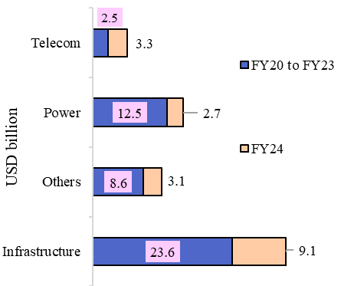
Chart XII.6. Inflow of external commercial borrowing to infrastructure sectors
 | FY20 to FY23 | FY24
Infrastructure | 23.64 | 9.05
Others | 8.56 | 3.1
Power | 12.53 | 2.7
Telecom | 2.54 | 3.25
Sources: RBI

Chart XII.7
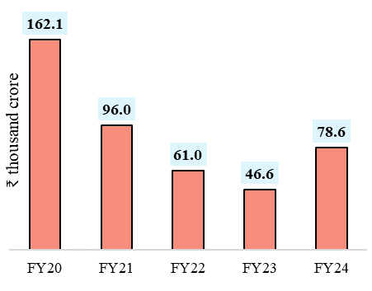
Chart XII.7. Funding of infrastructure sectors through domestic capital market debt sources
Years | Debt (in crore)
FY20 | 162.1
FY21 | 96.0
FY22 | 61.0
FY23 | 46.6
FY24 | 78.6
Source: Securities and Exchange Board of India

Chart XII.8
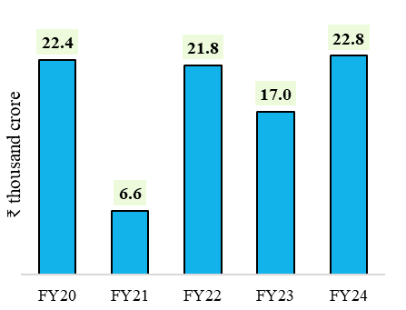
Chart XII.8. Funding of infrastructure sectors through equity issuance
Years | Equity (in crore)
FY20 | 22.4
FY21 | 6.6
FY22 | 21.8
FY23 | 17.0
FY24 | 22.8

Source: Securities and Exchange Board of India

Chart XII.9
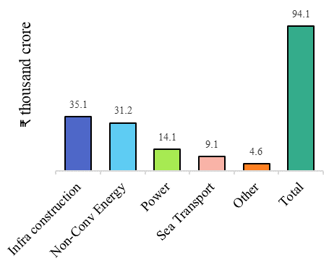
Chart XII.9. FDI equity inflows to infrastructure sectors during FY24
Sector | FDI equity inflows
Infra construction | 35.1
Non-Conv Energy | 31.2
Power | 14.1
Sea Transport | 9.1
Other | 4.6
Total | 94.1
 | ₹ thousand crore
Sources: Calculations Based on Data Received from Department of Industrial Policy and Promotion Note: The sectors considered include infrastructure construction, non-conventional energy, telecom, power, sea and air transport, railway components

Chart XII.10
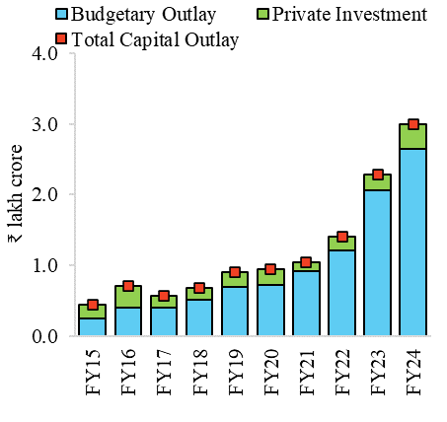
Chart XII.10: Total capital outlay for investment in road transport
 | Budgetary Outlay | Private Investment | Total Capital Outlay
FY15 | 0.25 | 0.19 | 0.44
FY16 | 0.41 | 0.3 | 0.71
FY17 | 0.41 | 0.16 | 0.57
FY18 | 0.51 | 0.17 | 0.68
FY19 | 0.69 | 0.22 | 0.91
FY20 | 0.73 | 0.22 | 0.95
FY21 | 0.92 | 0.12 | 1.04
FY22 | 1.21 | 0.19 | 1.4
FY23 | 2.06 | 0.22 | 2.28
FY24 | 2.65 | 0.35 | 3
Source: Union Budget Documents, Inputs Received from Ministry of Road Transport and Highways

Chart XII.11
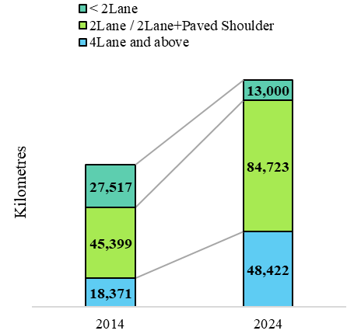
Chart XII.11: NH network - lane augmentation (values in kilometres)
NH Lane Configuration | 2014 | 2024
< 2Lane | 27,517 | 13,000
2Lane / 2Lane+Paved Shoulder | 45,399 | 84,723
4Lane and above | 18,371 | 48,422
2.6x
1.8x
0.4x
Source: Union Budget Documents, Inputs Received from Ministry of Road Transport and Highways

Chart XII.12
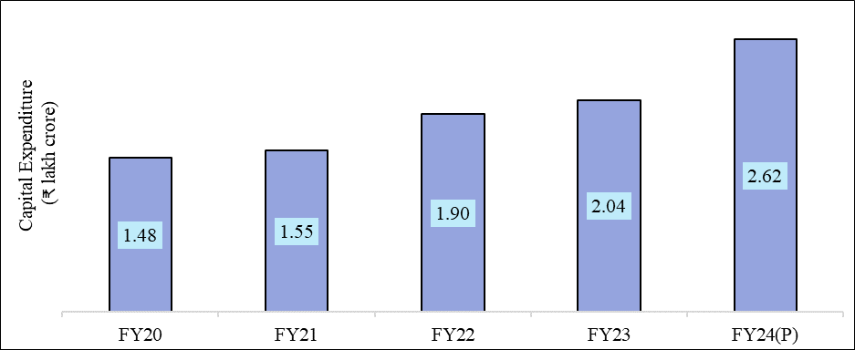
Chart XII.12: Capital expenditure on Railways
 | CAPEX
FY20 | 1.48
FY21 | 1.55
FY22 | 1.90
FY23 | 2.04
FY24(P) | 2.62
Source: Ministry of Railways
Note: P stands for provisional

Chart XII.13
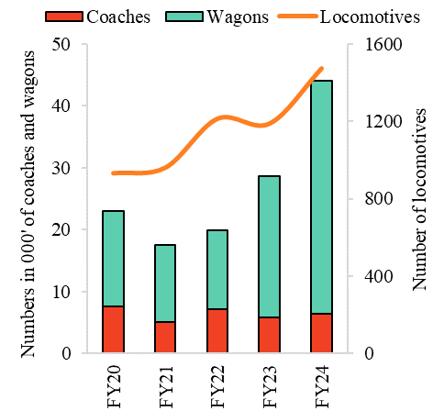
Chart XII.13: Year wise production of coaches, locomotive and wagons
 | Coaches | Locomotives | Wagons
FY20 | 7.56 | 934 | 15.44
FY21 | 5.06 | 963 | 12.52
FY22 | 7.08 | 1214 | 12.80
FY23 | 5.87 | 1189 | 22.79
FY24 | 6.47 | 1472 | 37.65
Source: Ministry of Railways

Chart XII.14
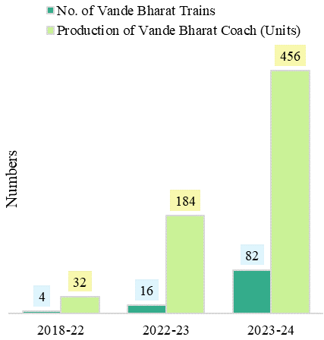
Chart XII.14: Vande bharat trains and production of coaches (2018-19 to 2023-24)
 | No. of Vande Bharat Trains | Production of Vande Bharat Coach (Units)
2018-22 | 4 | 32
2022-23 | 16 | 184
2023-24 | 82 | 456
Source: Ministry of Railways

Chart XII.15
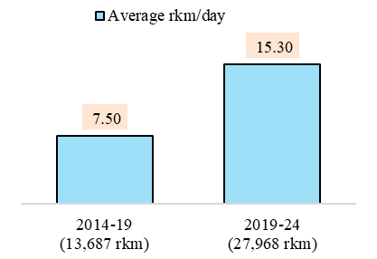
Chart XII.15: Pace of Railway electrification
 | Average rkm/day
2014-19 (13,687 rkm) | 7.50
2019-24 (27,968 rkm) | 15.30
Source: Ministry of Railways

Chart XII.16
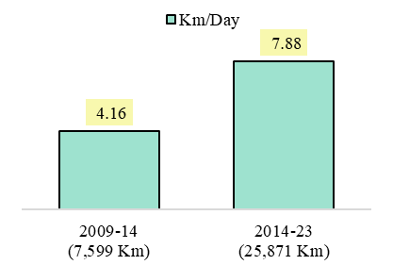
Chart XII.16: Track length commissioned (new line, multi-tracking and gauge conversion)
 | Km/Day
2009-14 (7,599 Km) | 4.16
2014-23 (25,871 Km) | 7.88
Source: Ministry of Railways

Chart XII.17
Chart XII.17: Capital expenditure by the Government towards ports, shipping, and waterways
 | Internal and Extra Budgetary Resources (IEBR) | Public Private Partnership (PPP) | Gross Budgetary Support (GBS)
FY20 | 2,627 | 322 | 1,168
FY21 | 2,663 | 106 | 897
FY22 | 2,865 | 1,563 | 1,099
FY23 | 3,440 | 1,363 | 1,175
FY24 | 4,068 | 1,815 | 1,687
Source: Ministry of Ports, Shipping and Waterways

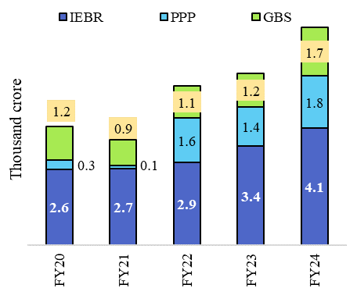

Chart XII.18
Chart XII.18: Major ports capacity
Year | Mormugao | Cochin | Mumbai | SMP Kolkata | Kamarajar | V.O.C | New Mangalore | Chennai | JNPT | Visakhapatnam | Deendayal | Paradip
FY15 | 43.76 | 49.66 | 44.53 | 70.85 | 37 | 44.55 | 77.77 | 86.04 | 79.37 | 96.76 | 121.43 | 119.8
FY19 | 63.4 | 78.6 | 79 | 82.57 | 91 | 111.46 | 98 | 134 | 138.87 | 131.09 | 267.1 | 239
FY24 | 63.4 | 79.9 | 84 | 93.02 | 94 | 111.46 | 114.96 | 136 | 145.87 | 148.18 | 269.32 | 289.75
Source: Ministry of Ports, Shipping and Waterways; Port Capacity was re-rated based on Berthing Policy as per international norms.

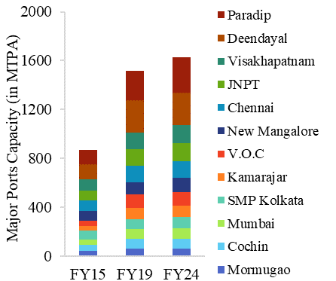

Chart XII.19
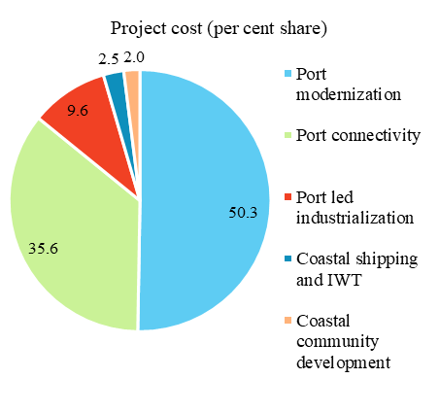
Chart XII.19: Share of Project cost based on key areas under Sagarmala
 | Project cost (in ₹ crore)
Port modernization | 50.3
Port connectivity | 35.6
Port led industrialization | 9.6
Coastal shipping and IWT | 2.5
Coastal community development | 2
Source: Ministry of Ports, Shipping and Waterways

Chart XII.20
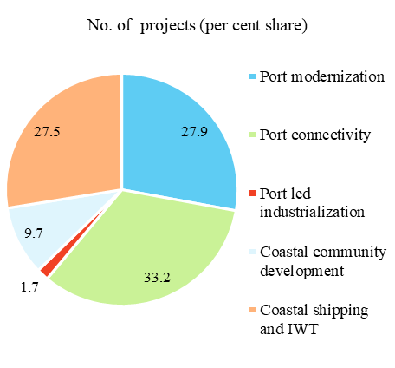
Chart XII.20: Share of Projects based on key areas under Sagarmala
 | No. of projects
Port modernization | 27.9
Port connectivity | 33.2
Port led industrialization | 1.7
Coastal community development | 9.7
Coastal shipping and IWT | 27.5
Source: Ministry of Ports, Shipping and Waterways

Chart XII.21
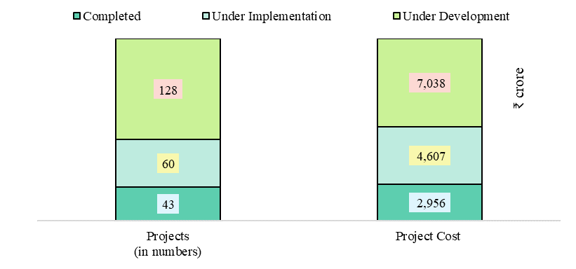
Chart XII.21: Coastal shipping and IWT
 | Completed | Under Implementation | Under Development
Projects (in numbers) | 43 | 60 | 128
Project Cost | 2,956 | 4,607 | 7,038
Source: Ministry of Ports, Shipping and Waterways

Chart XII.22
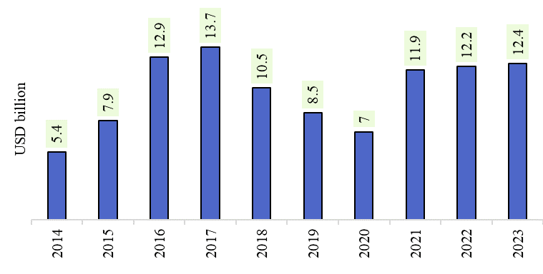
Chart XII.22: Investment in Renewables
Year | Amount (Billion US$)
2014 | 5.4
2015 | 7.9
2016 | 12.9
2017 | 13.7
2018 | 10.5
2019 | 8.5
2020 | 7
2021 | 11.9
2022 | 12.2
2023 | 12.4
Source: REN21. Renewables 2024 Global Status Report

Chart XII.23
Chart XII.23: Energy storage capacity requirement
Energy Storage Capacity Requirement | Pumped Storage Projects (PSP) | Battery Energy Storage Systems (BESS)
2026-27 | 7 | 9
2029-30 | 19 | 42
2031-32 | 27 | 47
Source: National Electricity Plan (NEP) 2023 & Central Electricity Authority’s Report on Optimal Generation Mix 2030 Version 2.0

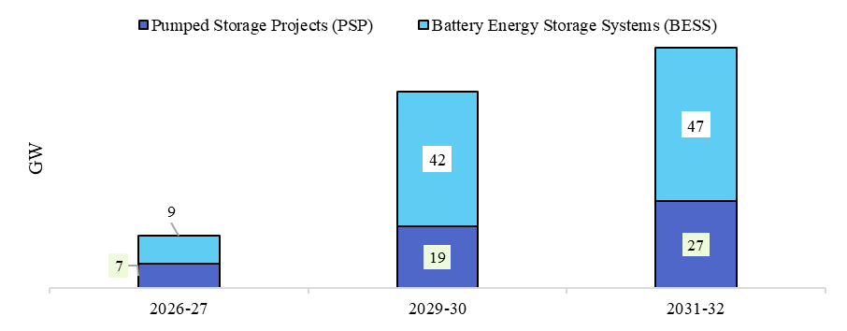

Chart XII.24
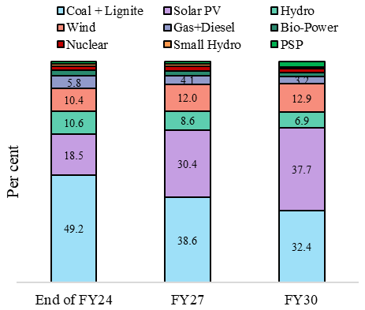
Chart XII.24: Percentage share in different sources in installed capacity of power
 | End of FY24 | FY27 | FY30
Coal + Lignite | 49.2 | 38.6 | 32.4
Solar PV | 18.5 | 30.4 | 37.7
Hydro | 10.6 | 8.6 | 6.9
Wind | 10.4 | 12.0 | 12.9
Gas+Diesel | 5.8 | 4.1 | 3.2
Bio-Power | 2.5 | 2.1 | 1.9
Nuclear | 1.8 | 2.2 | 2.0
Small Hydro | 1.1 | 0.9 | 0.7
PSP | 1.1 | 1.2 | 2.4
Source: Inputs received from Ministry of Power

Chart XII.25
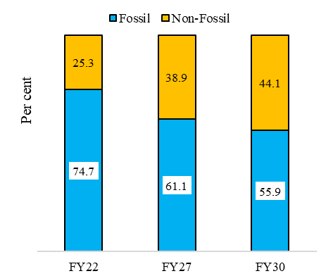
Chart XII.25: Percentage share in power generation
 | Fossil | Non-Fossil
FY22 | 74.7 | 25.3
FY27 | 61.1 | 38.9
FY30 | 55.9 | 44.1
Source: Inputs received from Ministry of Power

Chart XII.26
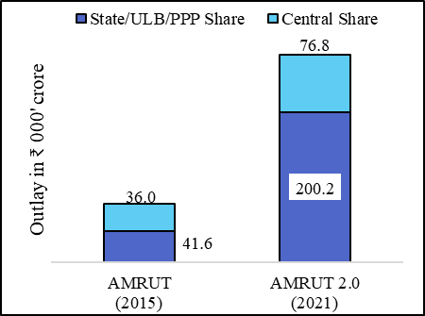
Chart XII.26: Total outlay for AMRUT 1.0 and 2.0
 | AMRUT (2015) | AMRUT 2.0 (2021)
State/ULB/PPP Share | 41.604 | 200.24
Central Share | 36.036 | 76.76
Source: Ministry of Housing and Urban Affairs

Chart XII.27
Chart XII.27: Value of projects completed under smart city mission (FY23 & FY24)
 | PPP | Smart Mobility | Smart Energy | WASH | Smart Governance | Vibrant Public Spaces | Economic Infrastructure | Social Infrastructure
FY23 | 1,913 | 14,163 | 10,272 | 19,938 | 14,336 | 3,883 | 6,394 | 2,719
FY24 | 1,002 | 10,322 | 2,839 | 11,427 | 3,586 | 2,334 | 3,437 | 7,825
Source: Ministry of Housing and Urban Affairs

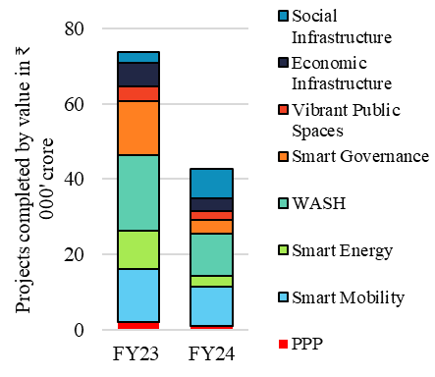

Chart XII.28
Chart XII.28: Number of projects completed under smart city mission (FY23 & FY24)
 | PPP | Smart Mobility | Smart Energy | WASH | Smart Governance | Vibrant Public Spaces | Economic Infrastructure | Social Infrastructure
FY23 | 25 | 644 | 485 | 708 | 430 | 900 | 555 | 478
FY24 | 20 | 353 | 89 | 346 | 188 | 216 | 212 | 298
Source: Ministry of Housing and Urban Affairs

