Chart XI.1
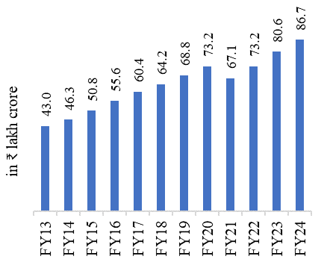
Chart XI.1: Increasing trend of GVA in the services sector (in constant prices)
Financial Year | GVA in Services sector (₹ lakh crore)
FY13 | 43.0
FY14 | 46.3
FY15 | 50.8
FY16 | 55.6
FY17 | 60.4
FY18 | 64.2
FY19 | 68.8
FY20 | 73.2
FY21 | 67.1
FY22 | 73.2
FY23 | 80.6
FY24 | 86.7
Source: National Accounts Statistics (NAS) 2024, Ministry of Statistics and Programme Implementation (MoSPI)– https://www.mospi.gov.in/publication/national-accounts-statistics-2024
Note: GVA – Gross Value Added. Estimates for FY23 are First Revised Estimates, and for FY24 are Provisional Estimates.

Chart XI.2
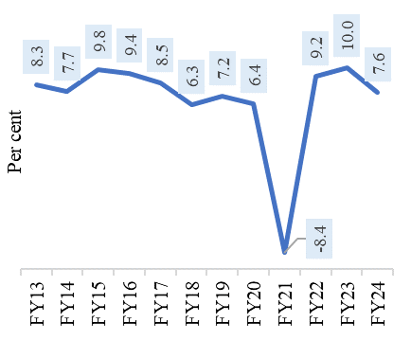
Chart XI.2: Strong momentum in services sector GVA Year-on-Year (YoY ) growth
Financial Year | Growth Rate in GVA
FY13 | 8.3
FY14 | 7.7
FY15 | 9.8
FY16 | 9.4
FY17 | 8.5
FY18 | 6.3
FY19 | 7.2
FY20 | 6.4
FY21 | -8.4
FY22 | 9.2
FY23 | 10.0
FY24 | 7.6
Source: National Accounts Statistics (NAS) 2024, Ministry of Statistics and Programme Implementation (MoSPI)– https://www.mospi.gov.in/publication/national-accounts-statistics-2024
Note: GVA – Gross Value Added. Estimates for FY23 are First Revised Estimates, and for FY24 are Provisional Estimates.

Chart XI.3
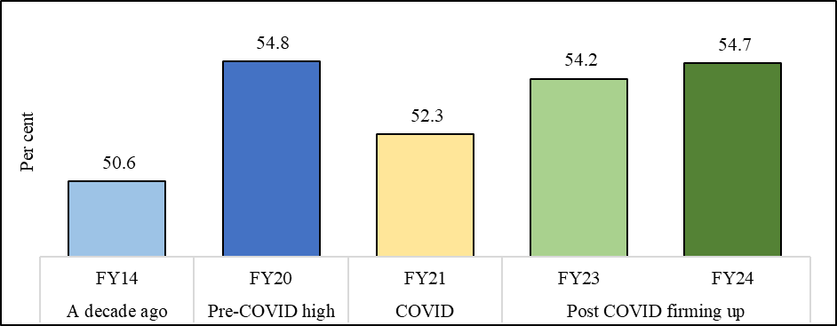
Chart XI.3: Post COVID firming up in the share of the services sector in overall GVA
Financial Year | Share of services in overall GVA (in current prices)
FY14 | 50.6
FY20 | 54.8
FY21 | 52.3
FY23 | 54.2
FY24 | 54.7
Source: National Accounts Statistics (NAS) 2024, MoSPI – https://www.mospi.gov.in/publication/national-accounts-statistics-2024
Note: GVA – Gross Value Added. Estimates for FY23 are First Revised Estimates, and for FY24 are Provisional Estimates.

Chart XI.4
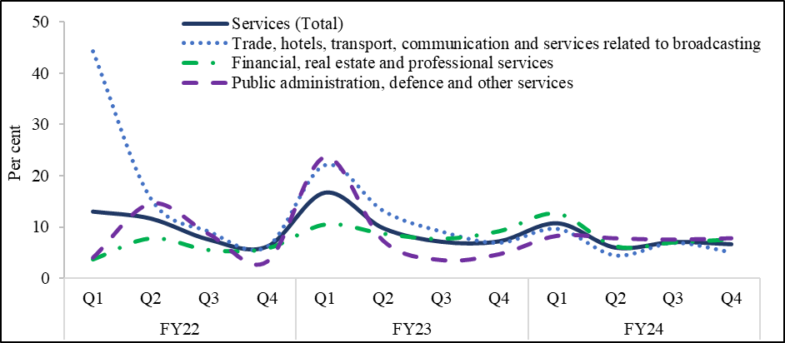
Chart XI.4 Broad-based growth in the services sector
 | FY22 |  |  |  | FY23 |  |  |  | FY24
 | Q1 | Q2 | Q3 | Q4 | Q1 | Q2 | Q3 | Q4 | Q1 | Q2 | Q3
Services (Total) | 13.0 | 11.6 | 7.6 | 6.2 | 16.7 | 9.8 | 7.2 | 7.0 | 10.7 | 6.0 | 7.0
Trade, hotels, transport, communication and services related to broadcasting | 44.2 | 15.5 | 9.2 | 6.2 | 22.1 | 13.2 | 9.2 | 7.0 | 9.7 | 4.5 | 6.7
Financial, real estate and professional services | 3.7 | 7.8 | 5.5 | 5.8 | 10.5 | 8.7 | 7.7 | 9.2 | 12.6 | 6.2 | 7.0
Public administration, defence and other services | 4.0 | 14.5 | 8.6 | 3.2 | 23.6 | 7.3 | 3.5 | 4.7 | 8.2 | 7.7 | 7.5
Source: National Accounts Statistics (NAS) 2024, MoSPI – https://www.mospi.gov.in/publication/national-accounts-statistics-2024

Chart XI.5
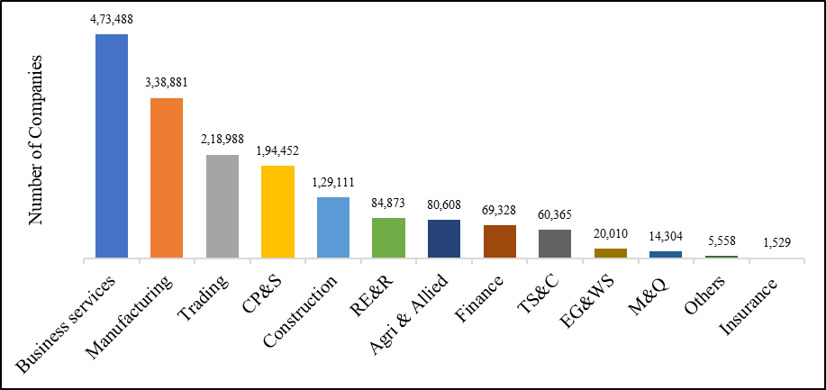
Chart XI.5: Economic activity-wise distribution of active companies (as of 31 March 2024)
Sector | Economic Activity-wise Distribution of Active Companies as on 31st March 2024
Business services | 473,488
Manufacturing | 338,881
Trading | 218,988
CP&S | 194,452
Construction | 129,111
RE&R | 84,873
Agri & Allied | 80,608
Finance | 69,328
TS&C | 60,365
EG&WS | 20,010
M&Q | 14,304
Others | 5,558
Insurance | 1,529
Source: Monthly Information Bulletin (March 2024), Ministry of Corporate Affairs
Note: CP&S - Community, Personal and Social Services, Agri & Allied - Agriculture and Allied Activities, RE&R - Real Estate and Renting, TS&C – Transport, Storage and Communications, EG&WS - Electricity, Gas and Water Supply Companies, M&Q - Mining and Quarrying. Service sector companies include Trading, Business services, CP&S, TS&C, RE&R, Finance, and Insurance.

Chart XI.7
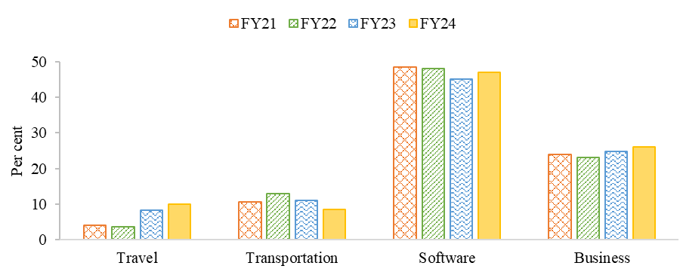
Chart XI.7: Export contributions of four key sub-sectors within services (in per cent)
Financial Year | Travel | Transportation | Software | Business
FY21 | 4.1 | 10.6 | 48.5 | 23.9
FY22 | 3.6 | 12.8 | 48.0 | 23.2
FY23 | 8.3 | 11.1 | 45.1 | 24.7
FY24 | 9.9 | 8.6 | 47.0 | 26.0
Source: RBI Handbook of Statistics on the Indian Economy (Table No.196 - India's Overall Balance of Payments- Quarterly- US Dollars), RBI-Database on Indian Economy
Note: Other services not presented in the chart include- Insurance, Government not included elsewhere (G.n.i.e), Miscellaneous, financial and communication services.

Chart XI.8
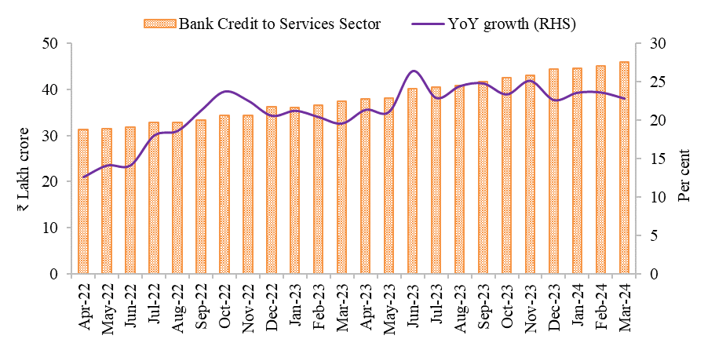
Chart XI.8: Robust bank credit build-up and growth in FY24
Month | Bank Credit to Services Sector | YoY growth (RHS)
Apr-22 | 31.3 | 12.6
May-22 | 31.5 | 14.1
Jun-22 | 31.8 | 14.1
Jul-22 | 32.9 | 18.0
Aug-22 | 32.8 | 18.6
Sep-22 | 33.4 | 21.3
Oct-22 | 34.4 | 23.8
Nov-22 | 34.4 | 22.6
Dec-22 | 36.2 | 20.6
Jan-23 | 36.1 | 21.2
Feb-23 | 36.5 | 20.4
Mar-23 | 37.4 | 19.6
Apr-23 | 37.9 | 21.4
May-23 | 38.1 | 21.1
Jun-23 | 40.2 | 26.5
Jul-23 | 40.4 | 22.9
Aug-23 | 40.8 | 24.5
Sep-23 | 41.7 | 24.8
Oct-23 | 42.5 | 23.4
Nov-23 | 43.0 | 25.2
Dec-23 | 44.4 | 22.7
Jan-24 | 44.6 | 23.6
Feb-24 | 45.1 | 23.6
Mar-24 | 45.9 | 22.9
Source: RBI Handbook of Statistics on the Indian Economy (Table No.170 Deployment of Bank Credit by Major Sectors), RBI-Database on Indian Economy

Chart XI.10
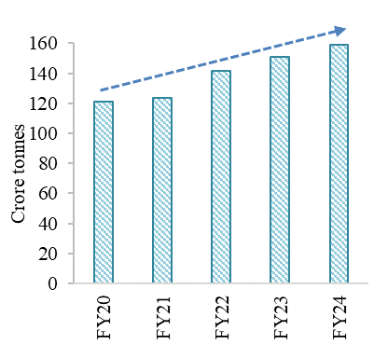
Chart XI.10: Persistent progress in railway freight traffic
Financial Year | Freight traffic (in crore tons)
FY20 | 121.2
FY21 | 123.4
FY22 | 141.9
FY23 | 151.1
FY24 | 159.1
Source: Ministry of Railways
Note: Values for FY24 are provisional and, as per statement 7A, the monthly statistical statement of the Indian Railways.

Chart XI.11
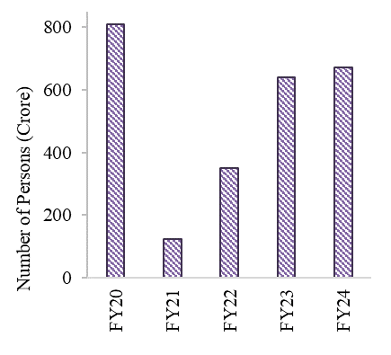
Chart XI.11: Railway Passenger Traffic on Recovery Path Post-COVID
Passenger traffic | Passenger traffic (in crore)
FY20 | 808.6
FY21 | 125.0
FY22 | 351.9
FY23 | 639.6
FY24 | 673.0
Source: Ministry of Railways
Note: Values for FY24 are provisional and, as per statement 7A, the monthly statistical statement of the Indian Railways.

Chart XI.12
 | total
FY20 | 12680
FY21 | 12774
FY22 | 13117
FY23 | 13658
FY24 | 13754
Chart XI.12: Sustained increase in shipping tonnage capacity
Year | Gross tonnage (in thousand tonnes)
2010 | 9613
2011 | 10450
2012 | 11031
2013 | 10224
2014 | 10498
2015 | 10506
2016 | 10844
2017 | 11548
2018 | 12577
2019 | 12784
2020 | 12680
2021 | 12774
2022 | 13117
2023 | 13658
2024 | 13754
Source: Ministry of Ports, Shipping and Waterways

Chart XI.13
 | lakh
FY20 | 33.2863
FY21 | 24.7391
FY22 | 31.408
FY23 | 31.468
FY24 | 33.6566
Chart XI.13: Growth in air cargo traffic
Year | Cargo traffic (in lakh tonnes)
FY20 | 33.29
FY21 | 24.74
FY22 | 31.41
FY23 | 31.47
FY24 | 33.66
Source: Ministry of Civil Aviation

Chart XI.14
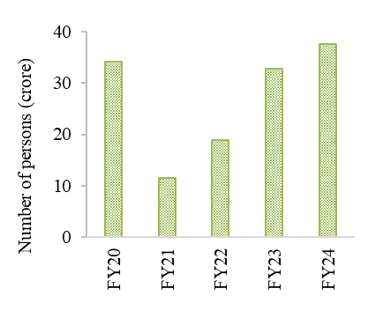
Chart XI.14: Accelerating growth in air passengers handled
Year | Passenger traffic (in crore)
FY20 | 34.11
FY21 | 11.54
FY22 | 18.89
FY23 | 32.73
FY24 | 37.64
Source: Ministry of Civil Aviation

Chart XI.15
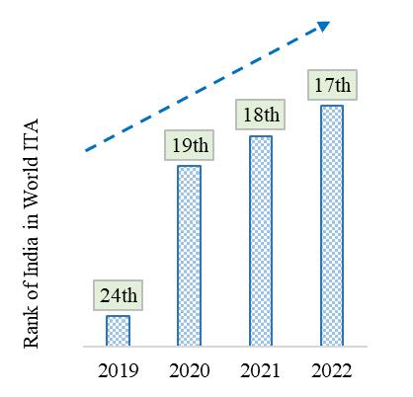
Chart XI.15: Steady Progress in India's Ranking
Year | 2019 | 2020 | 2021 | 2022
Rank of India | 24 | 19 | 18 | 17
Source: Data for 2019 and 2020 is from the Bureau of Immigration and data for 2021 and 2022 is from the UNWTO barometer for January 2024.
Note: Values for 2021 and 2022 are provisional

Chart XI16
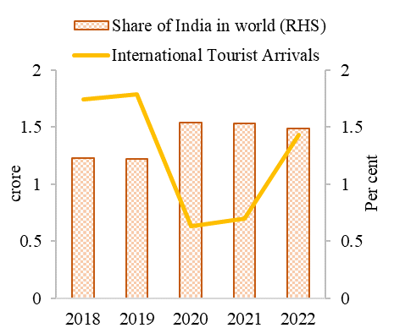
Chart XI.16: Resilient Recovery of International Tourist Arrivals (ITA)
 | 2018 | 2019 | 2020 | 2021 | 2022
International Tourist Arrivals (in crore) | 1.74 | 1.79 | 0.63 | 0.70 | 1.43
Share of India in world (RHS) | 1.23 | 1.22 | 1.54 | 1.53 | 1.49
Source: Data for 2019 and 2020 is from the Bureau of Immigration and data for 2021 and 2022 is from the UNWTO barometer for January 2024.
Note: Values for 2022 is provisional

Chart XI.18
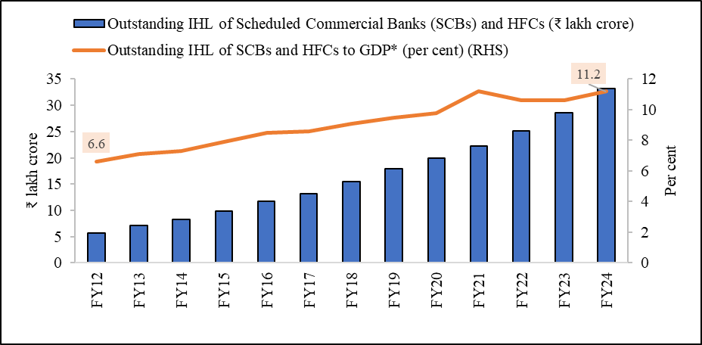
Chart XI.18: Increase in Individual Home Loans (IHL)
Financial Year | Outstanding IHL of Scheduled Commercial Banks (SCBs) and HFCs ( ₹ lakh crore) | Outstanding IHL of SCBs and HFCs to GDP* (per cent) (RHS)
FY12 | 5.7 | 6.6
FY13 | 7.1 | 7.1
FY14 | 8.2 | 7.3
FY15 | 9.9 | 7.9
FY16 | 11.7 | 8.5
FY17 | 13.2 | 8.6
FY18 | 15.5 | 9.1
FY19 | 18.0 | 9.5
FY20 | 20.0 | 9.8
FY21 | 22.2 | 11.2
FY22 | 25.1 | 10.6
FY23 | 28.6 | 10.6
FY24 | 33.2 | 11.2
Source: RBI & National Housing Bank (NHB)
*Note: GDP at current prices is considered.

Chart XI.19
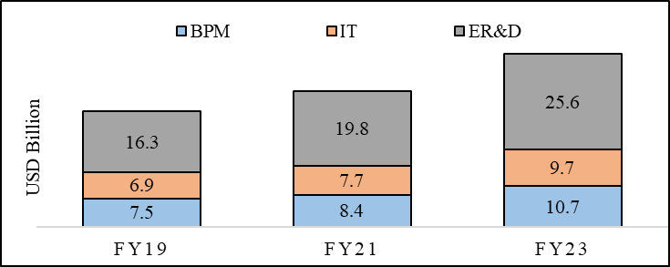
Chart XI.19: Breakup of revenue of GCCs by functions (in USD Billion)
 | BPM | IT | ER&D
FY19 | 7.5 | 6.9 | 16.3
FY21 | 8.4 | 7.7 | 19.8
FY23 | 10.7 | 9.7 | 25.6
Source: NASSCOM

Chart XI.20
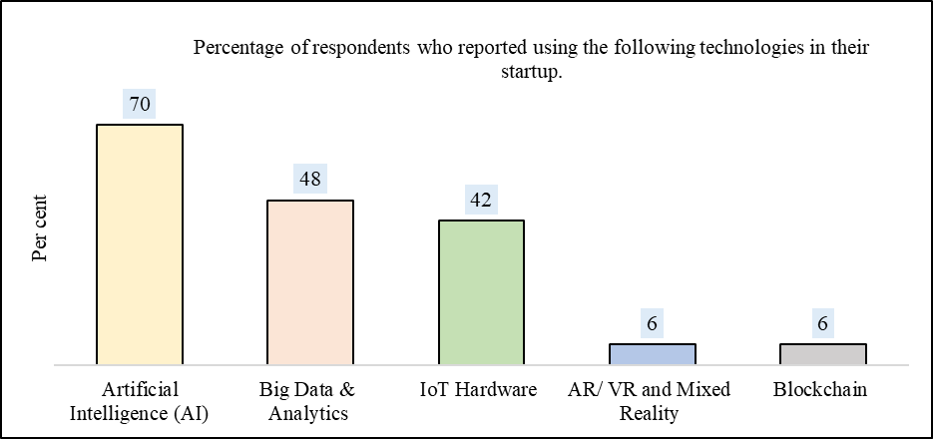
Chart XI.20: DeepTech usage is becoming mainstream in India’s tech Start-up ecosystem
Percentage of respondents who reported using the following technologies in their start-up ecosystem | Responses (in per cent)
Artificial Intelligence (AI) | 70
Big Data & Analytics | 48
IoT Hardware | 42
AR/ VR and Mixed Reality | 6
Blockchain | 6
Source: Tech start-up survey 2023, NASSCOM & Zinnov Report - Weathering the challenges- The Indian tech start-up landscape report 2023.
Note: (i) The total percentage is over 100 because respondents could select multiple options. (ii) IoT- Internet of Things, AR- Augmented Reality, VR- Virtual Reality

